Sayfa1
OFFER DATE : 10.06.2026 COMPANY NAME : NAVIPACK COUNTRY : UKRAINE DELIVERY TERM : EXW |  |  |  |  |  |  |  |  | COMPANY NAME : RONESANS GLOBAL AMBALAJ PHONE NUMBER : +90 507 313 30 17 EMAIL : export@smartpack.com.tr |  |  |  |  |  |  | ORDER CALCULATION

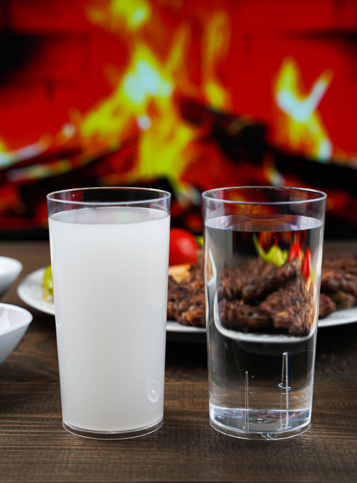
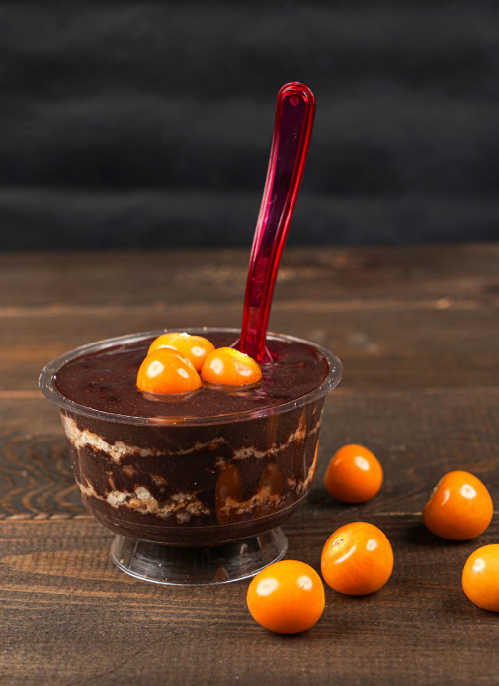
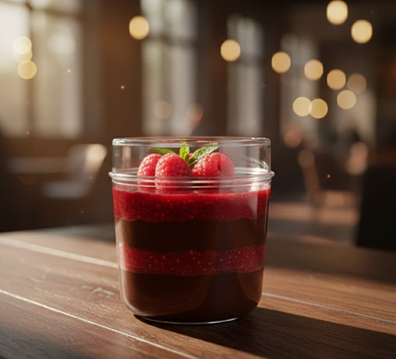

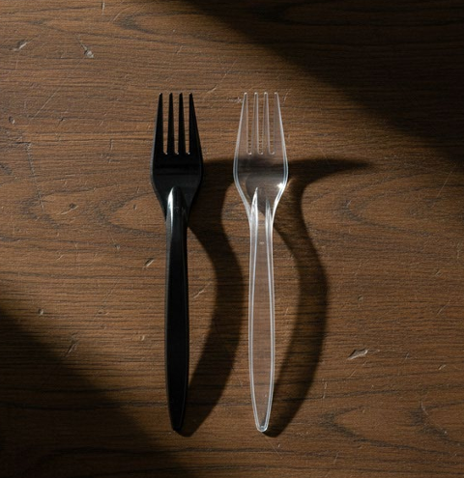
PS PREMIUM CUTLERY |  |  |  |  |  |  |  |  |  |  |  |  |  |  |  | PS PREMIUM CUTLERY
NO | PRODUCT PHOTO | PRODUCT DESCRIPTION | RAW MATERIAL | COLOUR | PRODUCT SIZE (mm) | PRODUCT WEIGHT (gr) | PIECES PER PACK | PACKS PER BOX | PIECES PER BOX | BOX VOLUME (m3) | BOX QTY PER LAYER | LAYER QTY PER PALLET | BOX QTY PER PALLET | PRICE (1.000 pcs) | ISTENEN KOLI (buraya yazin) | BOX PRICE | ORDER OF BOX | ORDER OF QUANTITY | ORDER NET WEIGHT (kg) | ORDER PALLET QTY | ORDER VOLUME (m3) | TOTAL AMOUNT
1 |  | PREMIUM FORK | PS | TRANSPARENT | 175 | 2.80 | 50 | 80 | 4,000 | 0.046 | 7 | 10 | 70 | $7.50 | 0 | $30.00 | 0 | 4,000 | 11.20 | 0.01 | 0.046 | $30.00
2 |  | PREMIUM FORK | PS | BLACK | 175 | 2.80 | 50 | 80 | 4,000 | 0.046 | 7 | 10 | 70 | $7.50 | 0 | $30.00 | 0 | 0 | 0.00 | 0.00 | 0.000 | $0.00
3 |  | PREMIUM SPOON | PS | TRANSPARENT | 170 | 2.80 | 50 | 80 | 4,000 | 0.056 | 7 | 8 | 56 | $7.50 | 0 | $30.00 | 0 | 0 | 0.00 | 0.00 | 0.000 | $0.00
4 |  | PREMIUM SPOON | PS | BLACK | 170 | 2.80 | 50 | 80 | 4,000 | 0.056 | 7 | 8 | 56 | $7.50 | 0 | $30.00 | 0 | 0 | 0.00 | 0.00 | 0.000 | $0.00
5 |  | PREMIUM KNIFE | PS | TRANSPARENT | 175 | 2.80 | 50 | 80 | 4,000 | 0.035 | 7 | 11 | 77 | $7.50 | 0 | $30.00 | 0 | 0 | 0.00 | 0.00 | 0.000 | $0.00
6 |  | PREMIUM KNIFE | PS | BLACK | 175 | 2.80 | 50 | 80 | 4,000 | 0.035 | 7 | 11 | 77 | $7.50 | 0 | $30.00 | 0 | 0 | 0.00 | 0.00 | 0.000 | $0.00
7 |  | PREMIUM DESSERT SPOON | PS | TRANSPARENT | 145 | 2.50 | 50 | 80 | 4,000 | 0.036 | 7 | 9 | 63 | $7.25 | 0 | $29.00 | 0 | 0 | 0.00 | 0.00 | 0.000 | $0.00
8 |  | PREMIUM DESSERT SPOON | PS | BLACK | 145 | 2.50 | 50 | 80 | 4,000 | 0.036 | 7 | 9 | 63 | $7.25 | 0 | $29.00 | 0 | 0 | 0.00 | 0.00 | 0.000 | $0.00
PS DIAMOND CUTLERY |  |  |  |  |  |  |  |  |  |  |  |  |  |  |  | PS DIAMOND CUTLERY
NO | PRODUCT PHOTO | PRODUCT DESCRIPTION | RAW MATERIAL | COLOUR | PRODUCT SIZE (mm) | PRODUCT WEIGHT (gr) | PIECES PER PACK | PACKS PER BOX | PIECES PER BOX | BOX VOLUME (m3) | BOX QTY PER LAYER | LAYER QTY PER PALLET | BOX QTY PER PALLET | PRICE (1.000 pcs) | ISTENEN KOLI (buraya yazin) | BOX PRICE | ORDER OF BOX | ORDER OF QUANTITY | ORDER NET WEIGHT (kg) | ORDER PALLET QTY | ORDER VOLUME (m3) | TOTAL AMOUNT
9 |  | DIAMOND FORK | PS | TRANSPARENT | 175 | 3.80 | 50 | 40 | 2,000 | 0.024 | 12 | 10 | 120 | $10.00 | 0 | $20.00 | 0 | 0 | 0.00 | 0.00 | 0.000 | $0.00
10 |  | DIAMOND FORK | PS | BLACK | 175 | 3.80 | 50 | 40 | 2,000 | 0.024 | 12 | 10 | 120 | $10.00 | 0 | $20.00 | 0 | 0 | 0.00 | 0.00 | 0.000 | $0.00
11 |  | DIAMOND SPOON | PS | TRANSPARENT | 175 | 3.80 | 50 | 40 | 2,000 | 0.031 | 12 | 8 | 96 | $10.00 | 0 | $20.00 | 0 | 0 | 0.00 | 0.00 | 0.000 | $0.00
12 |  | DIAMOND SPOON | PS | BLACK | 175 | 3.80 | 50 | 40 | 2,000 | 0.031 | 12 | 8 | 96 | $10.00 | 0 | $20.00 | 0 | 0 | 0.00 | 0.00 | 0.000 | $0.00
13 |  | DIAMOND KNIFE | PS | TRANSPARENT | 175 | 3.80 | 50 | 40 | 2,000 | 0.020 | 12 | 12 | 144 | $10.00 | 0 | $20.00 | 0 | 0 | 0.00 | 0.00 | 0.000 | $0.00
14 |  | DIAMOND KNIFE | PS | BLACK | 175 | 3.80 | 50 | 40 | 2,000 | 0.020 | 12 | 12 | 144 | $10.00 | 0 | $20.00 | 0 | 0 | 0.00 | 0.00 | 0.000 | $0.00
PS SMART FORK |  |  |  |  |  |  |  |  |  |  |  |  |  |  |  | PS SMART FORK
NO | PRODUCT PHOTO | PRODUCT DESCRIPTION | RAW MATERIAL | COLOUR | PRODUCT SIZE (mm) | PRODUCT WEIGHT (gr) | PIECES PER PACK | PACKS PER BOX | PIECES PER BOX | BOX VOLUME (m3) | BOX QTY PER LAYER | LAYER QTY PER PALLET | BOX QTY PER PALLET | PRICE (1.000 pcs) | ISTENEN KOLI (buraya yazin) | BOX PRICE | ORDER OF BOX | ORDER OF QUANTITY | ORDER NET WEIGHT (kg) | ORDER PALLET QTY | ORDER VOLUME (m3) | TOTAL AMOUNT
15 |  | SMART FORK | PS | TRANSPARENT BLACK | 175 | 3.70 | 50 | 40 | 2,000 | 0.025 | 12 | 10 | 120 | $9.75 | 0 | $19.50 | 0 | 0 | 0.00 | 0.00 | 0.000 | $0.00
PS ICE CREAM SPOON |  |  |  |  |  |  |  |  |  |  |  |  |  |  |  | PS ICE CREAM SPOON
NO | PRODUCT PHOTO | PRODUCT DESCRIPTION | RAW MATERIAL | COLOUR | PRODUCT SIZE (mm) | PRODUCT WEIGHT (gr) | PIECES PER PACK | PACKS PER BOX | PIECES PER BOX | BOX VOLUME (m3) | BOX QTY PER LAYER | LAYER QTY PER PALLET | BOX QTY PER PALLET | PRICE (1.000 pcs) | ISTENEN KOLI (buraya yazin) | BOX PRICE | ORDER OF BOX | ORDER OF QUANTITY | ORDER NET WEIGHT (kg) | ORDER PALLET QTY | ORDER VOLUME (m3) | TOTAL AMOUNT
16 | 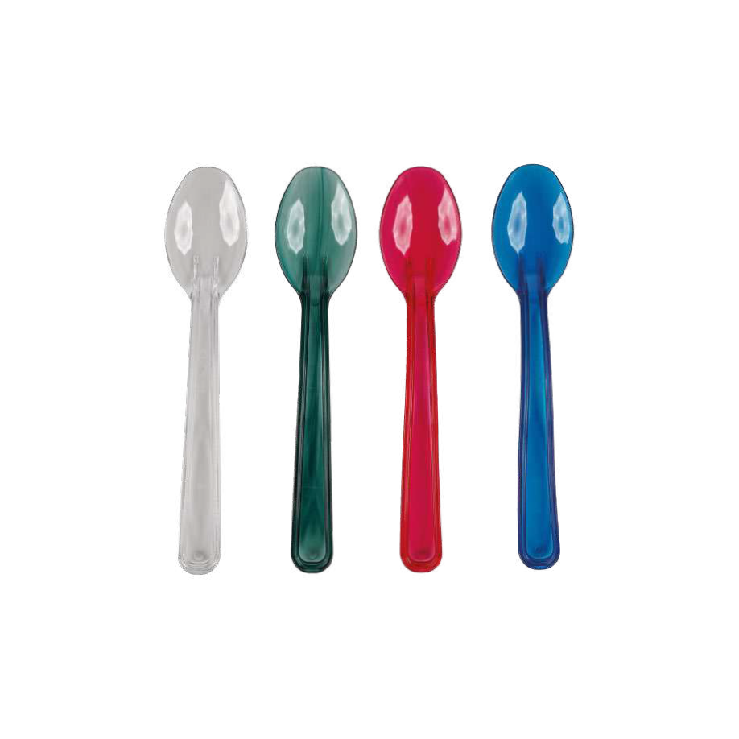 | WAVY ICE CREAM SPOON | PS | COLORED | 125 | 2.40 | 50 | 40 | 2,000 | 0.025 | 9 | 9 | 81 | $8.50 | 0 | $17.00 | 0 | 0 | 0.00 | 0.00 | 0.000 | $0.00
PS CRYSTAL DRINKING CUPS |  |  |  |  |  |  |  |  |  |  |  |  |  |  |  | PS CRYSTAL DRINKING CUPS
NO | PRODUCT PHOTO | PRODUCT DESCRIPTION | RAW MATERIAL | COLOUR | PRODUCT SIZE (mm) | PRODUCT WEIGHT (gr) | PIECES PER PACK | PACKS PER BOX | PIECES PER BOX | BOX VOLUME (m3) | BOX QTY PER LAYER | LAYER QTY PER PALLET | BOX QTY PER PALLET | PRICE (1.000 pcs) | ISTENEN KOLI (buraya yazin) | BOX PRICE | ORDER OF BOX | ORDER OF QUANTITY | ORDER NET WEIGHT (kg) | ORDER PALLET QTY | ORDER VOLUME (m3) | TOTAL AMOUNT
17 | 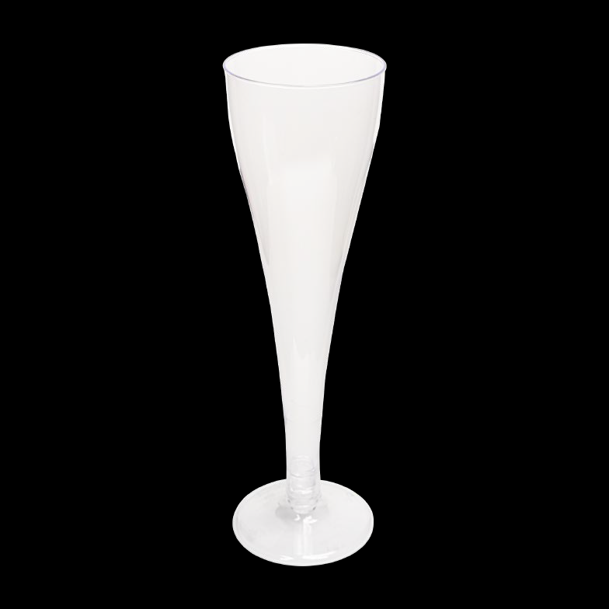 | 120 CC CHAMPAGNE GLASS | PS | TRANSPARENT (FOOT COLORED) | Ø 50 * 175 | 12.50 | 6 | 50 | 300 | 0.053 | 6 | 6 | 36 | $100.00 | 0 | $30.00 | 0 | 0 | 0.00 | 0.00 | 0.000 | $0.00
18 |  | 170 CC MINI WINE GLASS | PS | TRANSPARENT (FOOT COLORED) | Ø 62 * 91 | 12.50 | 6 | 50 | 300 | 0.049 | 6 | 10 | 60 | $100.00 | 0 | $30.00 | 0 | 0 | 0.00 | 0.00 | 0.000 | $0.00
19 |  | 185 CC WINE GLASS | PS | TRANSPARENT (FOOT COLORED) | Ø 65 x 144 | 14.50 | 6 | 50 | 300 | 0.067 | 6 | 7 | 42 | $110.00 | 0 | $33.00 | 0 | 0 | 0.00 | 0.00 | 0.000 | $0.00
OTHER PRODUCTS |  |  |  |  |  |  |  |  |  |  |  |  |  |  |  | OTHER PRODUCTS
NO | PRODUCT PHOTO | PRODUCT DESCRIPTION | RAW MATERIAL | COLOUR | PRODUCT SIZE (mm) | PRODUCT WEIGHT (gr) | PIECES PER PACK | PACKS PER BOX | PIECES PER BOX | BOX VOLUME (m3) | BOX QTY PER LAYER | LAYER QTY PER PALLET | BOX QTY PER PALLET | PRICE (1.000 pcs) | ISTENEN KOLI (buraya yazin) | BOX PRICE | ORDER OF BOX | ORDER OF QUANTITY | ORDER NET WEIGHT (kg) | ORDER PALLET QTY | ORDER VOLUME (m3) | TOTAL AMOUNT
20 | 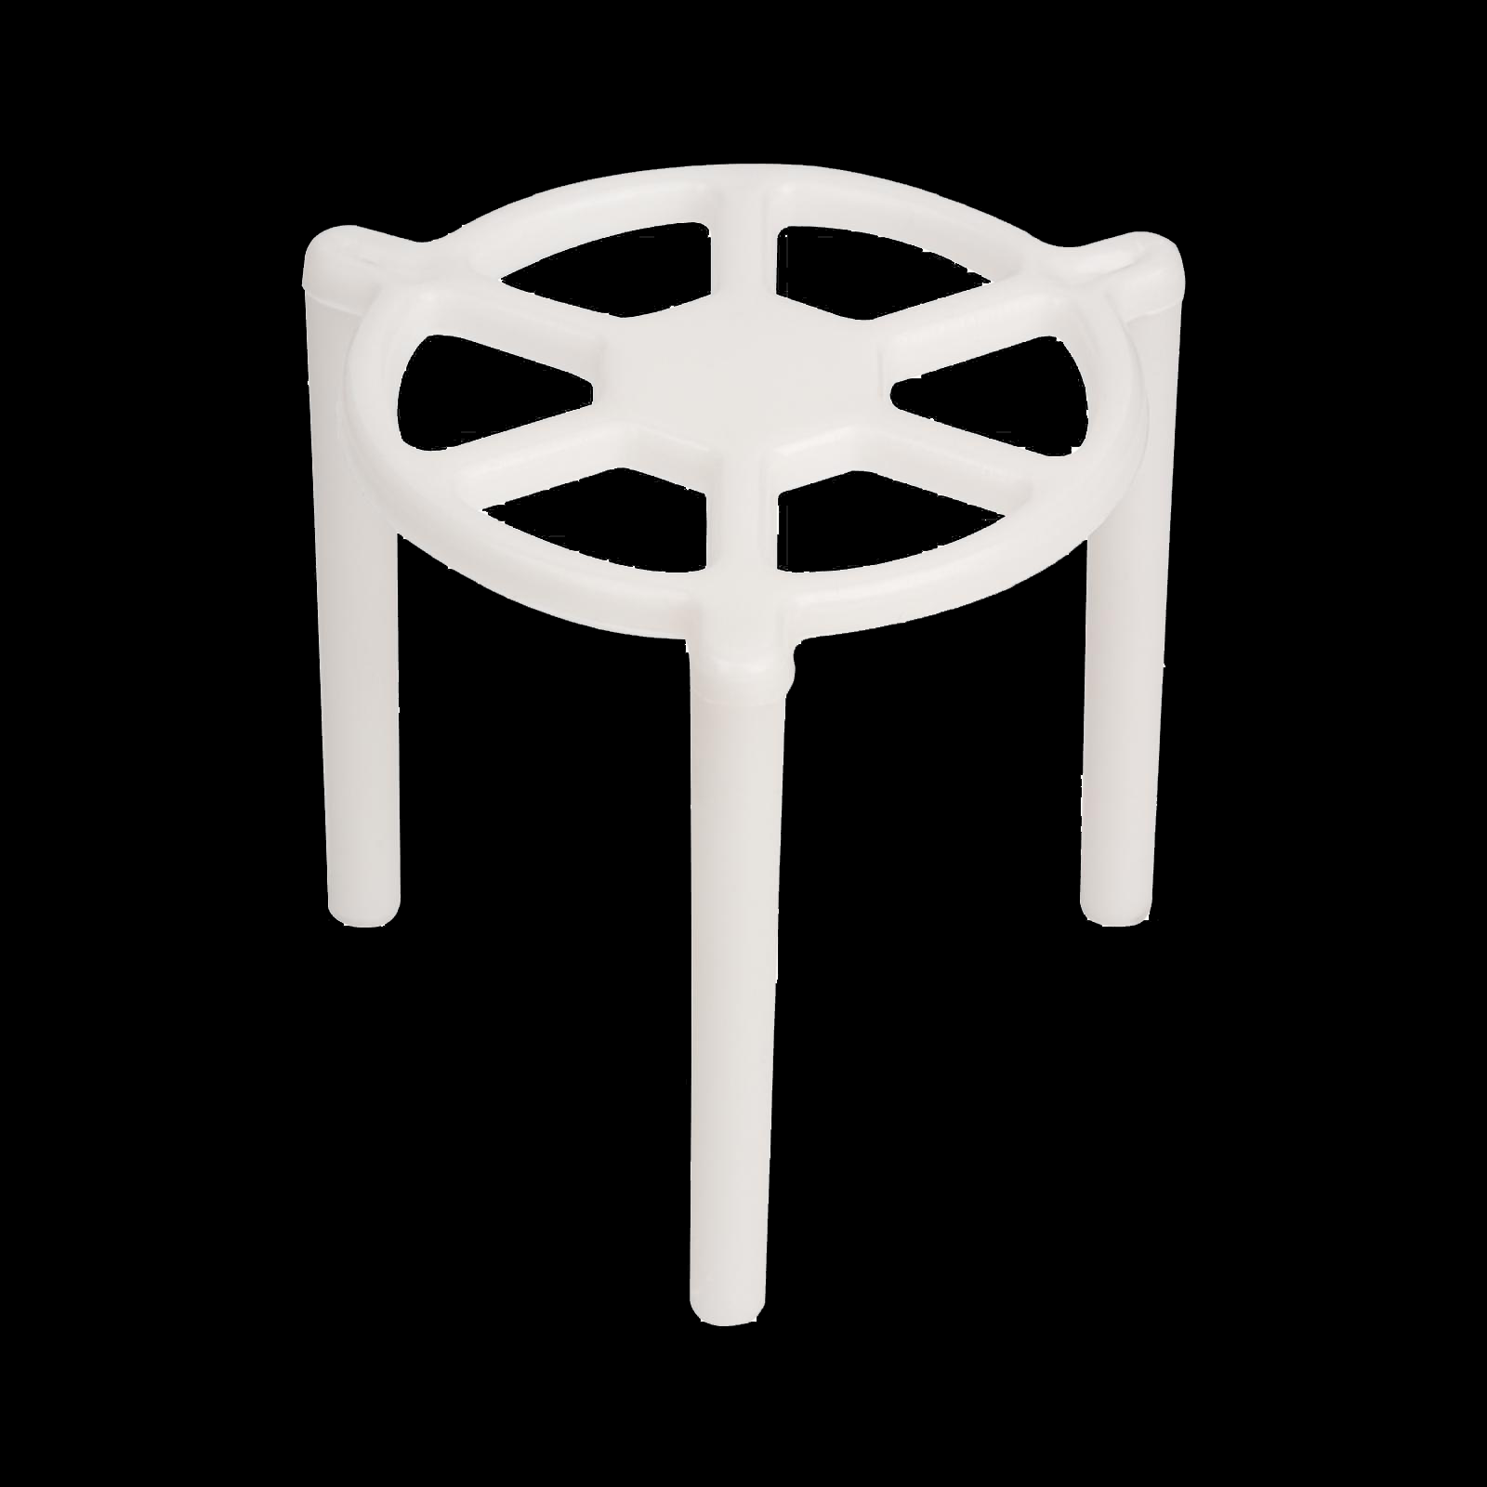 | PIZZA TRIPOD | PP | WHITE | Ø 35 * 35 | 1.85 | 100 | 10 | 1,000 | 0.027 | 9 | 11 | 99 | $8.50 | 0 | $8.50 | 0 | 0 | 0.00 | 0.00 | 0.000 | $0.00
 |  |  |  |  |  |  |  |  |  |  |  |  |  |  |  |  | 1 | 4,000 | 11.20 | 0.01 | 0.046 | € 30.00
 |  |  |  |  |  |  |  |  |  |  |  |  |  |  |  |  | ORDER OF BOX | ORDER OF QUANTITY | ORDER NET WEIGHT (kg) | ORDER PALLET QTY | ORDER VOLUME (m3) | TOTAL AMOUNT

