Summary
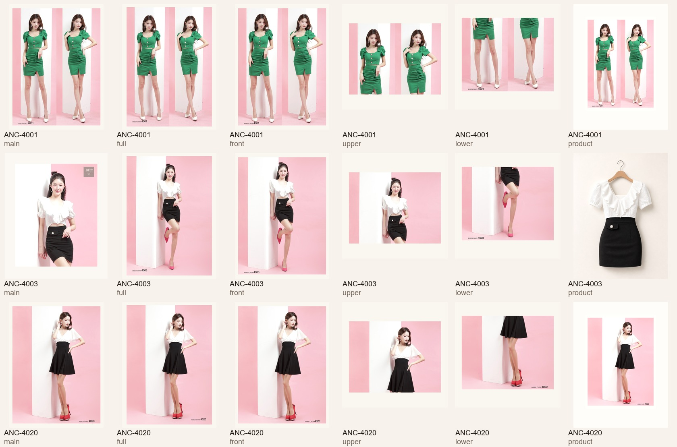
ANK single image cut review

Back AI placeholders | Moved to review-only folder and excluded from showroom candidates

Showroom-safe contact sheet

