BOOKING
ORDER TYPE |  |  |  |  |  |  |  |  | ORDER / FINISH DATE |  | 2024-12-31 |  | 2025-02-04 |  | A
ORDER QUANTITY |  |  |  |  |  |  |  |  | ORDER NUMBER / PRICE
LEAD TIME |  |  |  |  |  |  |  |  | LANGUAGE / VERSION / UNIT |  | English | Advanced |  | cm/kg |  | inch./lbs
 |  |  |  |  |  |  |  |  |  |  |  | 1 | 1 | 1
CUSTOMER NAME |  |  |  |  | HEIGHT | WEIGHT | AGE |  | ADDRESS |  | PHONE |  | EMAIL

REMARKS

JACKET |  |  |  |  |  |  |  |  | MEASUREMENTS |  | NET | AUTO-S |  | FINISH | +
BOOK |  |  |  |  |  |  |  |  | A | Chest
FABRIC |  |  |  |  |  |  |  |  | B | Stomach
BODY LINING |  |  |  |  |  |  |  |  | C | Seat (Hips)
SLEEVE LINING |  |  |  |  |  |  |  |  | D | Bicep
SUIT BUTTON |  |  |  |  |  |  |  |  | E | Sleeve length (L)
STYLE |  |  |  |  |  |  |  |  | E | Sleeve length (R)
 |  |  |  |  |  |  |  |  | F | Back length
MONOGRAM 1 |  |  |  |  |  |  |  |  | G | Shoulder
FONT / COLOR
POSITION |  |  |  |  |  |  |  |  | H | Front length
MONOGRAM 2 |  |  |  |  |  |  |  |  | - | 1st button position | - | -
FONT / COLOR |  |  |  |  |  |  |  |  | I | Wrist (net) / Cuff (finish)
POSITION |  |  |  |  |  |  |  |  | J | Neck |  | -

PANTS |  |  |  |  |  |  |  |  | MEASUREMENTS |  | NET | AUTO-S |  | FINISH | +
BOOK |  |  |  |  |  |  |  |  | K | Pants waist
FABRIC (if different) |  |  |  |  |  |  |  |  | C | Hips (Seat)
LINING |  |  |  |  |  |  |  |  | L | Thigh
PANTS BUTTON |  |  |  |  |  |  |  |  | M | U-crotch
STYLE |  |  |  |  |  |  |  |  | N | Pants length (L)
 |  |  |  |  |  |  |  |  | N | Pants length (R)
 |  |  |  |  |  |  |  |  | O | Knee |  | -
 |  |  |  |  |  |  |  |  | P | Calf / Bottom

WAISTCOAT |  |  |  |  |  |  |  |  | MEASUREMENTS |  | NET | AUTO-S |  | FINISH | +
BOOK |  |  |  |  |  |  |  |  | A | Chest
FABRIC (if different) |  |  |  |  |  |  |  |  | B | Stomach
INNER LINING |  |  |  |  |  |  |  |  | Q | Waistcoat back length
BACK FABRIC |  |  |  |  |  |  |  |  | R | Waistcoat front length
WAISTCOAT BUTTON |  |  |  |  |  |  |  |  | - | 1st button position | - | -
STYLE |  |  |  |  |  |  |  |  | K | Pants waist / Bottom hem

BODY POSTURE |  |  |  |  |  |  |  |  | FITTING ADJUST
SHOULDER SLOPE |  | LEFT |  |  | RIGHT |  |  |  | HALF FRONT CHEST
NECK |  |  |  |  |  |  |  |  | HALF BACK WIDTH
FRONT SHOULDER |  |  |  |  |  |  |  |  | FRONT LENGTH
SHOULDER |  |  |  |  |  |  |  |  | NAPE TO WAIST
CONCAVE WAIST |  |  |  |  |  |  |  |  | UNDER COLLAR
SHOULDER BLADE |  |  |  |  |  |  |  |  | SLEEVE CAP
BACK BODY |  |  |  |  |  |  |  |  | ARMHOLE DEPTH
BACK |  |  |  |  |  |  |  |  | 1 LOW SHOULDER
CHEST |  |  |  |  |  |  |  |  | SHOULDER PAD
ARM |  |  |  |  |  |  |  |  | NECK ADJUST
STOMACH |  |  |  |  |  |  |  |  | PROMINENT STOMACH ADJUST
FRONT WAIST |  |  |  |  |  |  |  |  | LEG ADJUST
HIP |  |  |  |  |  |  |  |  | THIGH & CALF

ACCESSORIES |  | FABRIC |  |  |  | QUANTITY |  |  | ACCESSORIES |  | FABRIC |  |  | QUANTITY

SELF DESIGN : JACKET

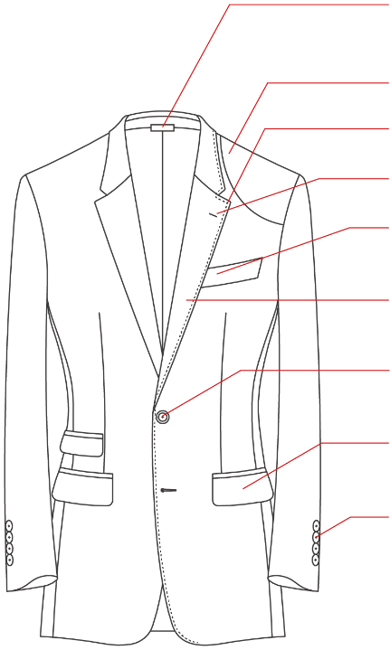
 |  |  | A21 | COLLAR TAB |  |  |  | A1 | CONSTRUCTION

 |  |  | A16 | SHOULDER PATCH |  |  |  | A2 | LAPEL & COLLAR
 |  |  | A9 | STITCHING |  |  |  |  | LAPEL WIDTH
 |  |  | A6 | LAPEL BUTTONHOLE |  |  |  |  | GORGE
 |  |  | A7 | BREAST POCKET |  |  |  |  | FABRIC (combi. or partition)

 |  |  | A2 | LAPEL & COLLAR |  |  |  | A3 | FRONT BUTTON

 |  |  | A3 | FRONT BUTTON |  |  |  | A4 | SIDE POCKETS

 |  |  | A4 | SIDE POCKETS |  |  |  | A5 | BACK

 |  |  | A8 | CUFF STYLE |  |  |  | A6 | LAPEL BUTTONHOLE
 |  |  |  |  |  |  |  |  | STYLE
 |  |  | A18 | SEGMENTATION |  |  |  |  | COLOR
 |  |  |  |  |  |  |  |  | STRING

 |  |  | A22 | EMBROIDERY |  |  |  | A7 | BREAST POCKET
 |  |  |  |  |  |  |  |  | INNER POCKET FABRIC

 |  |  | A23 | VARIOUS CONTRAST |  |  |  | A8 | CUFF STYLE
 |  |  |  |  |  |  |  |  | RIBBON FABRIC
 |  |  |  |  |  |  |  |  | 5th BUTTONHOLE COLOR
 |  |  |  |  |  |  |  |  | 4th BUTTONHOLE COLOR
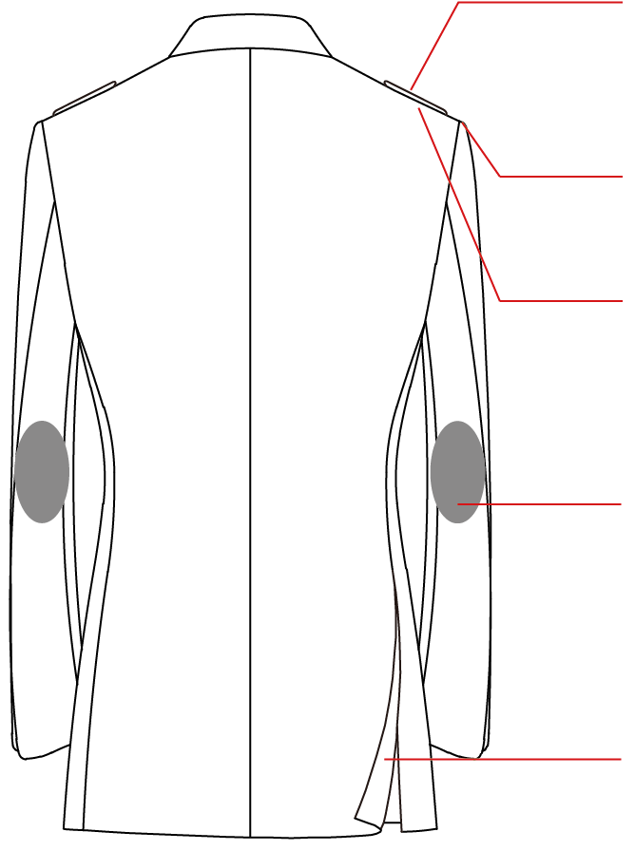
 |  |  | A15 | SHOULDER EPAULETS |  |  |  |  | 3rd BUTTONHOLE COLOR
 |  |  |  |  |  |  |  |  | 2nd BUTTONHOLE COLOR
 |  |  | A13 | SHOULDER SHAPE |  |  |  |  | 1st BUTTONHOLE COLOR

 |  |  | A14 | SHOULDER PADS |  |  |  | A9 | STITCHING
 |  |  |  |  |  |  |  |  | COLOR

 |  |  | A17 | ELBOW PATCHES |  |  |  | A10 | LINING & BOTTOM STYLE

 |  |  |  |  |  |  |  | A11 | FACING STYLE

 |  |  | A5 | BACK |  |  |  | A12 | INNER PIPING
 |  |  |  |  |  |  |  |  | INNER STITCHING

 |  |  |  |  |  |  |  | A13 | SHOULDER SHAPE

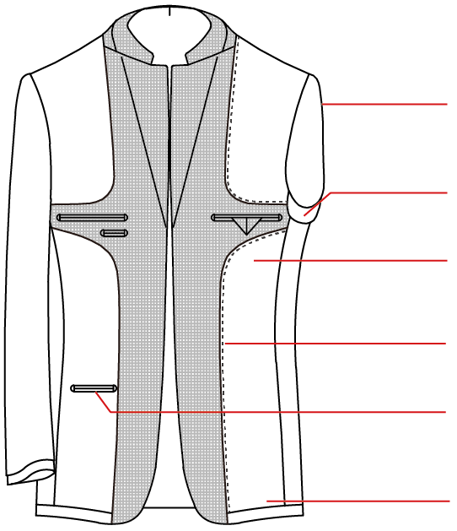
 |  |  |  |  |  |  |  | A14 | SHOULDER PADS

 |  |  | A1 | CONSTRUCTION |  |  |  | A15 | SHOULDER EPAULETS

 |  |  | A19 | SWEAT PAD |  |  |  | A16 | SHOULDER PATCH
 |  |  | A11 | FACING STYLE |  |  |  |  | PATCH FABRIC

 |  |  | A12 | INNER PIPING & STITCH |  |  |  | A17 | ELBOW PATCHES
 |  |  | A20 | INNER POCKETS |  |  |  |  | PATCH FABRIC

 |  |  | A10 | LINING & BOTTOM STYLE |  |  |  | A18 | SEGMENTATION
 |  |  |  |  |  |  |  |  | FABRIC

 |  |  |  |  |  |  |  | A19 | SWEAT PAD

A23 | TUXEDO CONTRAST |  |  |  |  |  |  | A20 | LEFT INNER POCKET
 | TUXEDO CONTRAST FABRIC |  |  |  |  |  |  |  | LEFT PEN / PHONE POCKET
 | BREAST POCKET |  |  |  |  |  |  |  | LEFT LOWER POCKET
 | BREAST POCKET FABRIC |  |  |  |  |  |  |  | RIGHT INNER POCKET
 | SIDE POCKETS |  |  |  |  |  |  |  | ADDITIONAL RIGHT PEN/PHONE POCKET
 | SIDE POCKETS FABRIC |  |  |  |  |  |  |  | ADDITIONAL RIGHT LOWER POCKET
 | INNER POCKETS CONTRAST
 | TRIANGLE CONTRAST |  |  |  |  |  |  | A21 | COLLAR TAB
 | COLLAR FELT

SELF DESIGN : PANTS

 |  |  | B6 | WAISTBAND |  |  |  | B1 | FRONT POCKETS

 |  |  | B1 | FRONT POCKETS |  |  |  | B2 | HIP POCKETS

 |  |  | B2 | HIP POCKETS |  |  |  | B3 | BOTTOM

 |  |  | B4 | FRONT |  |  |  | B4 | FRONT

 |  |  |  |  |  |  |  | B5 | EXTENSION

 |  |  | B11 | SIDE POCKETS |  |  |  | B6 | WAISTBAND
 |  |  |  |  |  |  |  |  | WAISTBAND WIDTH

 |  |  | B9 | WATCH POCKET |  |  |  | B7 | MATERIAL OPTIONS
 |  |  | B5 | EXTENSION |  |  |  |  | FABRIC

 |  |  | B12 | FRONT FLY |  |  |  | B8 | LINING STYLE

 |  |  |  |  |  |  |  | B9 | WATCH POCKET

 |  |  | B10 | COIN POCKET |  |  |  | B10 | COIN POCKET

 |  |  | B8 | LINING STYLE |  |  |  | B11 | SIDE POCKETS

 |  |  |  |  |  |  |  | B12 | FRONT FLY

 |  |  | B7 | MATERIAL OPTIONS |  |  |  | B13 | FRONT POCKETS STITCH
 |  |  |  |  |  |  |  |  | SIDE SEAM STITCH
 |  |  | B13 | STITCH |  |  |  |  | HIP POCKETS STITCH

 |  |  | B14 | OTHER OPTIONS |  |  |  | B14 | ANTI-ABRASION
 |  |  |  |  |  |  |  |  | BELT BUCKLE LOOP
 |  |  | B3 | BOTTOM |  |  |  |  | BUTTONS INSIDE FOR BRACES
 |  |  |  |  |  |  |  |  | NO IRONING CREASE

SELF DESIGN : WAISTCOAT

 |  |  |  |  |  |  |  | C1 | LAPEL & COLLAR
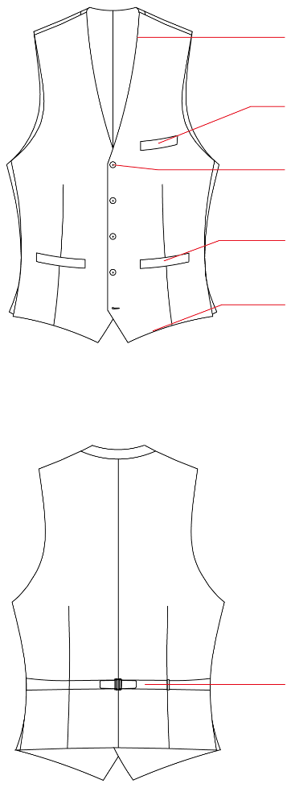
 |  |  | C1 | LAPEL & COLLAR |  |  |  | C2 | LAPEL BUTTONHOLE

 |  |  | C6 | BREAST POCKET |  |  |  | C3 | FRONT BUTTON

 |  |  | C3 | FRONT BUTTON |  |  |  | C4 | BOTTOM

 |  |  | C5 | SIDE POCKETS |  |  |  | C5 | SIDE POCKETS

 |  |  | C4 | BOTTOM |  |  |  | C6 | BREAST POCKET

 |  |  |  |  |  |  |  | C7 | BACK

 |  |  | C2 | LAPEL BUTTONHOLE |  |  |  | C8 | STITCHING

 |  |  | C8 | STITCHING |  |  |  | C9 | POCKET CONTRAST
 |  |  |  |  |  |  |  |  | FABRIC
 |  |  | C9 | CONTRAST |  |  |  |  | PIPE CONTRAST OF FLAP POCKETS
 |  |  |  |  |  |  |  |  | FABRIC
 |  |  | C7 | BACK |  |  |  |  | LAST BUTTONHOLE COLOR
 |  |  |  |  |  |  |  |  | BACK STRAP FABRIC
 |  |  |  |  |  |  |  |  | COLLAR CONTRAST
 |  |  |  |  |  |  |  |  | LAPEL CONTRAST
 |  |  |  |  |  |  |  |  | EDGE PIPING FABRIC
 |  |  |  |  |  |  |  |  | 1CM EDGE FABRIC
...

