Monthly Revenue
Monthly Revenue Trend
MONTHLY REVENUE & ORDER TRENDS
Month | Revenue (£) | Orders | Active Customers | MoM Growth (%) | Cumulative Rev (£)
2010-12 | £572,714 | 1,400 | 885 | – | £572,714
2011-01 | £569,445 | 987 | 741 | -0.6% | £1,142,159
2011-02 | £447,137 | 997 | 758 | -21.5% | £1,589,296
2011-03 | £595,501 | 1,321 | 974 | 33.2% | £2,184,797
2011-04 | £469,200 | 1,149 | 856 | -21.2% | £2,653,997
2011-05 | £678,595 | 1,555 | 1,056 | 44.6% | £3,332,592
2011-06 | £661,214 | 1,393 | 991 | -2.6% | £3,993,806
2011-07 | £600,091 | 1,331 | 949 | -9.2% | £4,593,897
2011-08 | £645,344 | 1,280 | 935 | 7.5% | £5,239,241
2011-09 | £952,838 | 1,755 | 1,266 | 47.6% | £6,192,079
2011-10 | £1,039,319 | 1,929 | 1,364 | 9.1% | £7,231,398
2011-11 | £1,161,817 | 2,657 | 1,664 | 11.8% | £8,393,215
2011-12 | £518,193 | 778 | 615 | -55.4% | £8,911,408
TOTAL | £8,911,408 | 18,532

Top Products
Top 10 Products – Revenue (£)
TOP PRODUCTS BY REVENUE
Rank | Product Description | Revenue (£) | Units Sold | Avg Unit Price (£)
1 | PAPER CRAFT , LITTLE BIRDIE | £168,470 | 80,995 | £2
2 | REGENCY CAKESTAND 3 TIER | £142,593 | 12,402 | £12
3 | WHITE HANGING HEART T-LIGHT HOLDER | £100,448 | 36,725 | £3
4 | JUMBO BAG RED RETROSPOT | £85,221 | 46,181 | £2
5 | MEDIUM CERAMIC TOP STORAGE JAR | £81,417 | 77,916 | £1
6 | POSTAGE | £77,804 | 3,120 | £32
7 | PARTY BUNTING | £68,844 | 15,291 | £5
8 | ASSORTED COLOUR BIRD ORNAMENT | £56,580 | 35,362 | £2
9 | Manual | £53,780 | 7,173 | £175
10 | RABBIT NIGHT LIGHT | £51,346 | 27,202 | £2

Country Analysis
Revenue Share by Country (Top 10)
REVENUE BY COUNTRY
Country | Revenue (£) | Customers | Orders | Avg Order Value (£)
United Kingdom | £7,308,392 | 3,920 | 16,646 | £439
Netherlands | £285,446 | 9 | 94 | £3,037
EIRE | £265,546 | 3 | 260 | £1,021
Germany | £228,867 | 94 | 457 | £501
France | £209,024 | 87 | 389 | £537
Australia | £138,521 | 9 | 57 | £2,430
Spain | £61,577 | 30 | 90 | £684
Switzerland | £56,444 | 21 | 51 | £1,107
Belgium | £41,196 | 25 | 98 | £420
Sweden | £38,378 | 8 | 36 | £1,066
Japan | £37,416 | 8 | 19 | £1,969
Norway | £36,165 | 10 | 36 | £1,005
Portugal | £33,440 | 19 | 57 | £587
Finland | £22,546 | 12 | 41 | £550
Singapore | £21,279 | 1 | 7 | £3,040
Channel Islands | £20,450 | 9 | 26 | £787
Denmark | £18,955 | 9 | 18 | £1,053
Italy | £17,483 | 14 | 38 | £460
Cyprus | £13,590 | 8 | 16 | £849
Austria | £10,199 | 11 | 17 | £600

Visual Dashboard
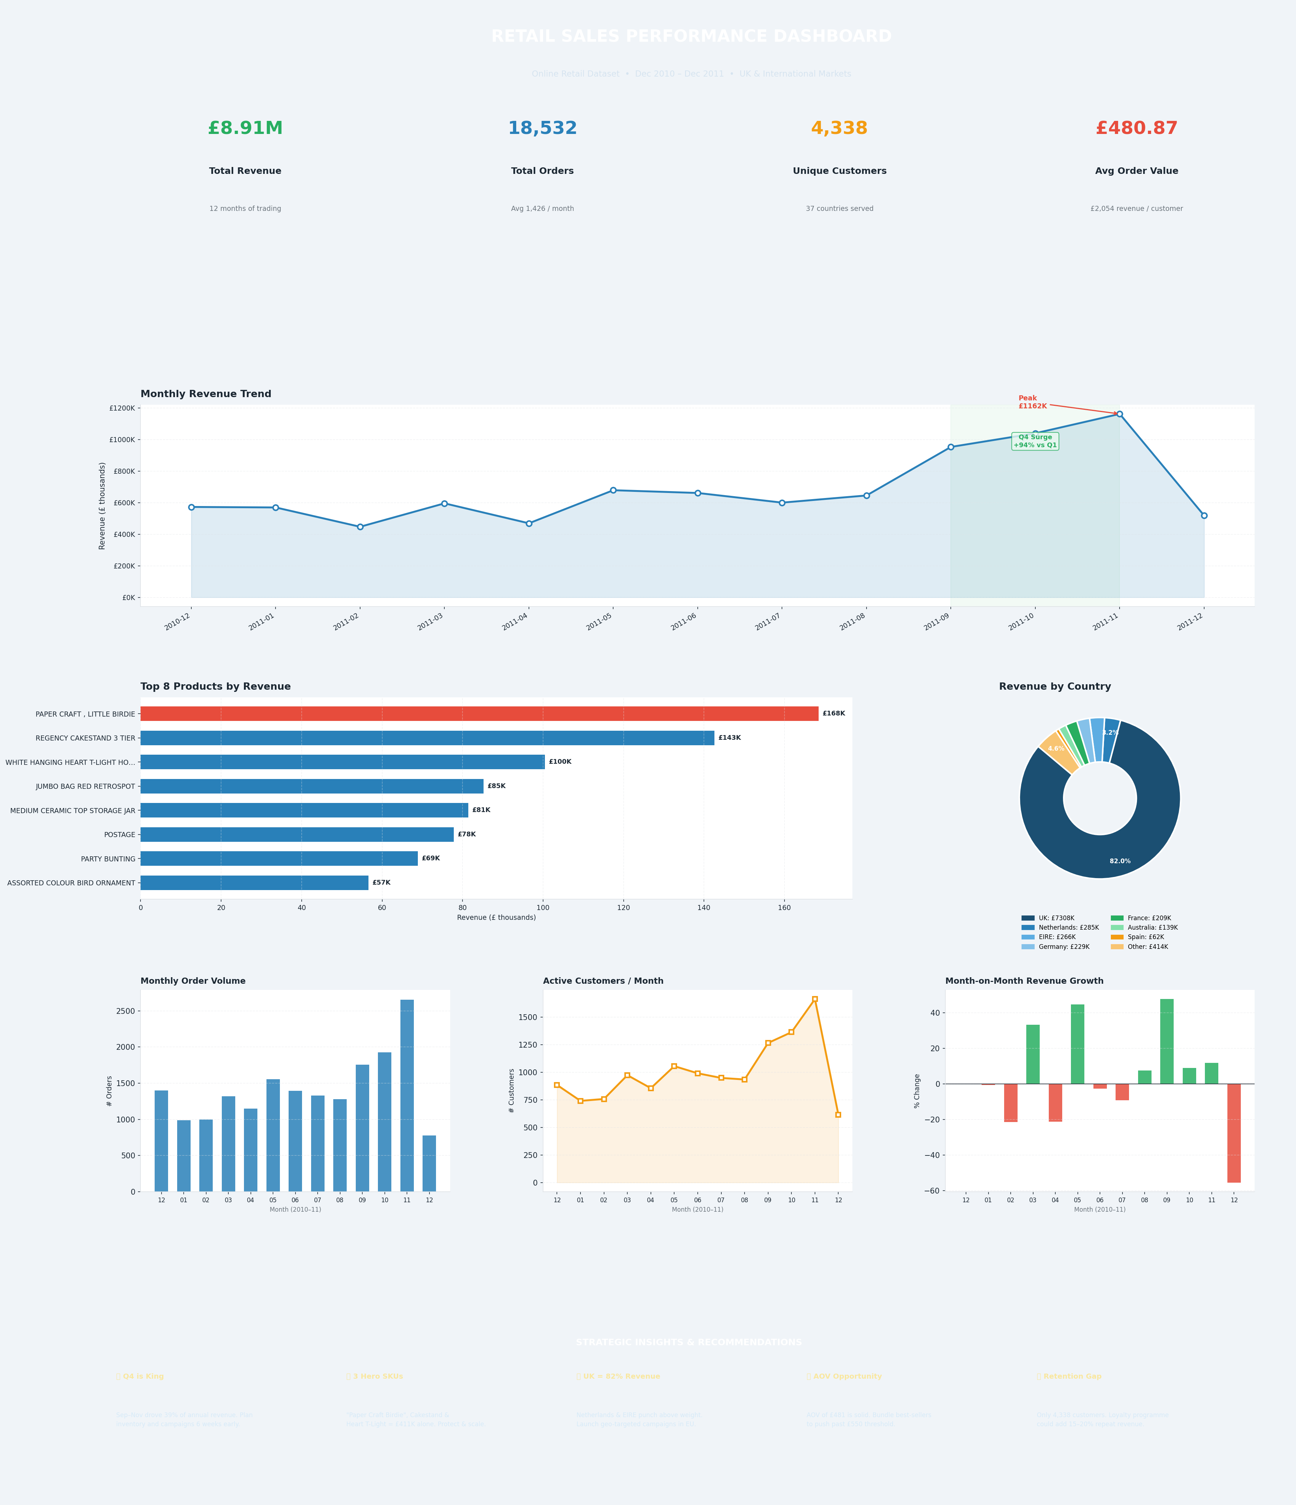
VISUAL DASHBOARD – Online Retail Analytics

