Task-6 Success Raid Percent
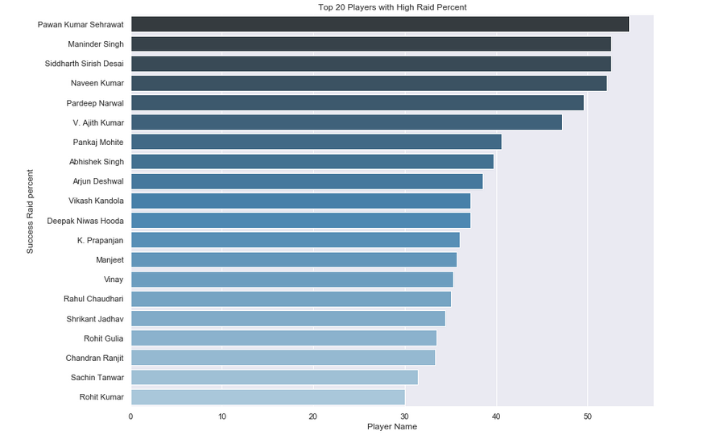
From the below graph we can say that Pawan Kumar Sehrawat will be the Player with High Success Raid percent

Task-7 Success Raid Percent
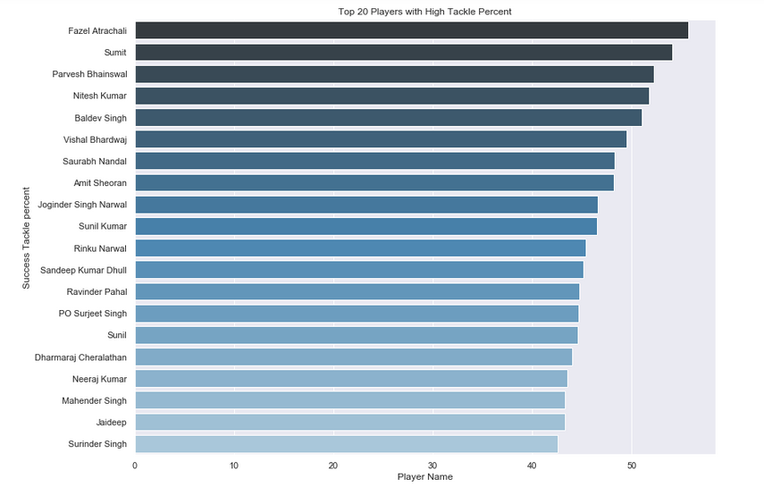
From the below graph we can say that Fazel Atrachali will be the Player with High Success Tackle percent

