Overview

 | CODER & ACCOTAX

 | ISO 9001:2015 Certified Centre of Excellence in Computer Science & Financial Modeling
 | Module 001_001: Getting Started with Excel Master Practice Workbook | Created by Sukanta Hui | ISO 9001:2015 Certified

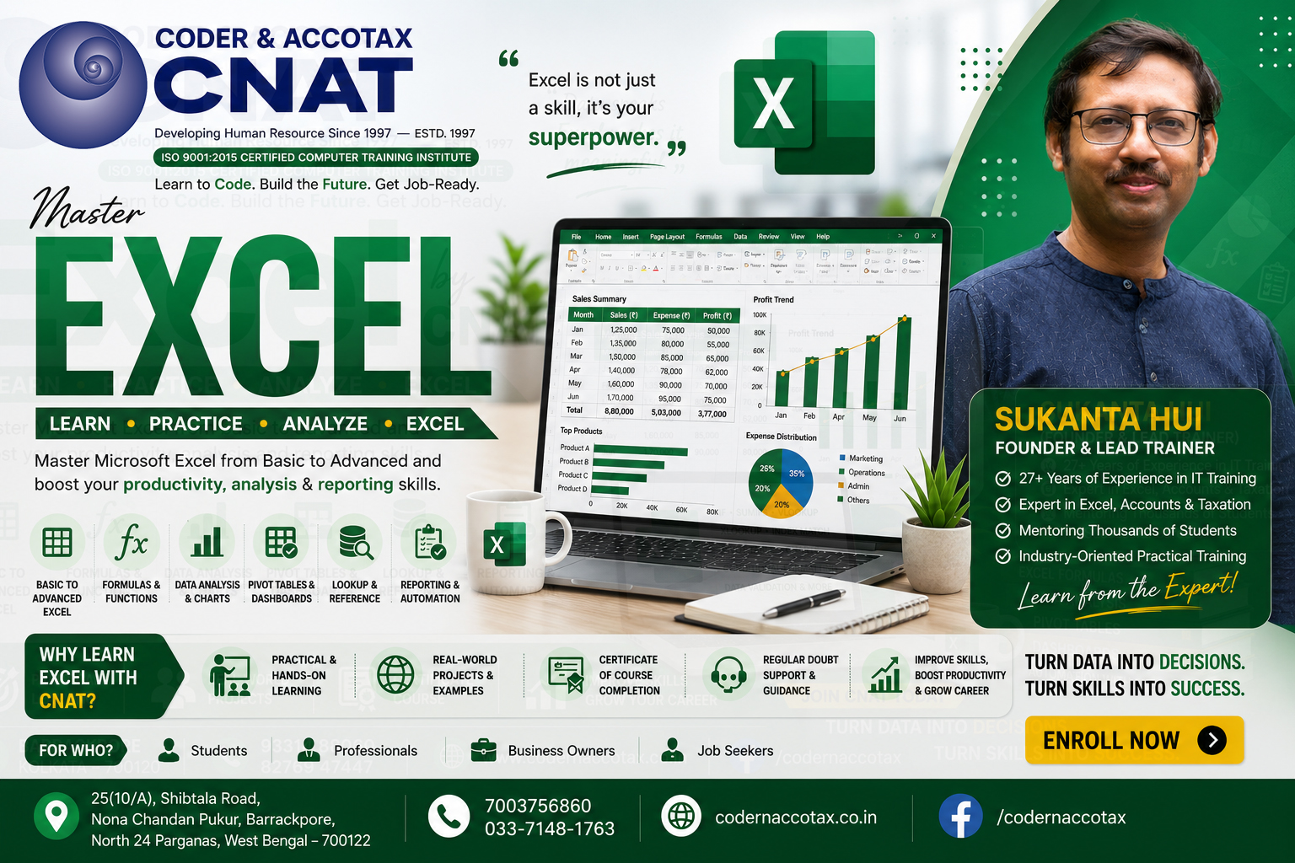

🏢 1. ORGANISATION PROFILE & CONTACT DETAILS
Institute Name | Coder & AccoTax | Accreditation | ISO 9001:2015 Certified Training Centre
Campus Address | 25(10/A) Shibtala Road, Nona Chandan Pukur, Barrackpore, Kolkata 700122, WB, India
Phone / WhatsApp | +91 70037 56860 | Official Email | sukantahui@codernaccotax.co.in | info@codernaccotax.co.in
Web Portal | https://www.codernaccotax.co.in | Core Specializations | Full Stack Engineering, Python, Advanced Excel, Power BI, Financial Modeling

📑 2. WORKBOOK SHEET DIRECTORY & CLICK-TO-JUMP NAVIGATION TABLE
Sheet Tab Name (Click to Jump) | Topic Title & Focus Area | Difficulty Tier | Rows Count | Status
➡️ Jump to Topic0 | What Excel Is and Where It Is Used in Study and Work | Beginner / Essential | 30 Rows | Verified & Ready
➡️ Jump to Topic1 | Excel vs Google Sheets vs Modern Spreadsheet Engines | Beginner / Essential | 30 Rows | Verified & Ready
➡️ Jump to Topic2 | Exploring the Interface: Ribbon, Formula Bar & Quick Access Toolbar | Beginner / Essential | 30 Rows | Verified & Ready
➡️ Jump to Topic3 | Understanding Workbooks, Worksheets, Rows, Columns & Limits | Beginner / Essential | 30 Rows | Verified & Ready
➡️ Jump to Topic4 | Creating, Saving, AutoRecover, and File Formats (.xlsx, .xlsm, .xlsb, .csv) | Beginner / Essential | 30 Rows | Verified & Ready
➡️ Jump to Topic5 | High-Speed Navigation: Keyboard Shortcuts & Teleportation | Beginner / Essential | 30 Rows | Verified & Ready
➡️ Jump to Topic6 | Cell Referencing Fundamentals: Relative, Absolute ($), Mixed & 3D | Beginner / Essential | 30 Rows | Verified & Ready
➡️ Jump to Topic7 | Project Work: Real-World Application of Getting Started with Excel | Practice & Assessment | 30 Rows | Verified & Ready
➡️ Jump to Topic8 | Practice Multiple Choice Questions (MCQ): Comprehensive Mastery | Practice & Assessment | 30 Rows | Verified & Ready
➡️ Jump to Topic9 | Quick Check Quiz: Interface Ergonomics, Grid Mechanics & Fundamentals | Practice & Assessment | 30 Rows | Verified & Ready

