Overview

 | CODER & ACCOTAX

 | ISO 9001:2015 Certified Centre of Excellence in Computer Science & Financial Modeling
 | Module 2: Data Entry, Editing & Formatting · Mentored by Sukanta Hui (28+ Years Exp.) · Barrackpore

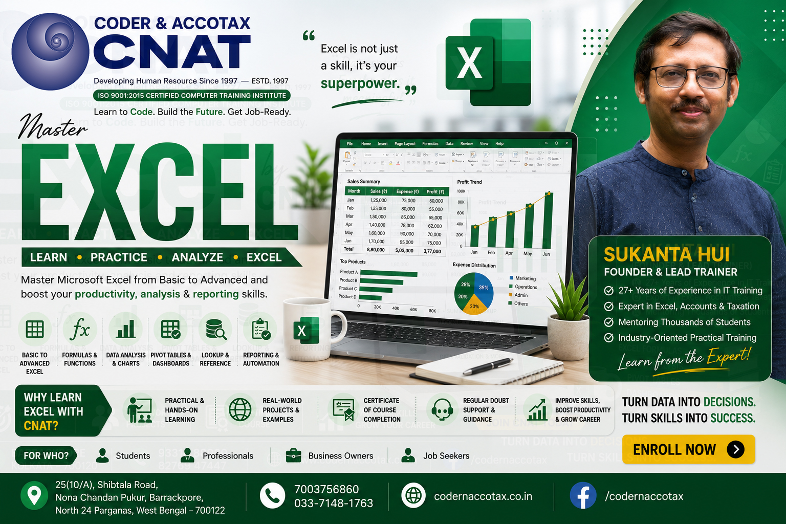

🏢 1. ORGANISATION PROFILE & CONTACT DETAILS
Institute Name |  | Coder & AccoTax (Centre of Excellence)
Campus Address |  | 25(10/A) Shibtala Road, Nona Chandan Pukur, Barrackpore, Kolkata 700122, WB, India
Contact Numbers |  | +91 70037 56860 / +91 84202 04207 (WhatsApp Available)
Official Email |  | sukantahui@codernaccotax.co.in | info@codernaccotax.co.in
Web Portal |  | https://www.codernaccotax.co.in
Core Specializations |  | Full Stack Software Engineering, Python & Data Science, Advanced Excel, Power BI, Financial Modeling & Taxation

👨‍🏫 2. LEAD INSTRUCTOR & MASTER MENTOR PROFILE
Lead Instructor |  | Sukanta Hui
Designation |  | Senior Software Architect, Corporate Financial Consultant & Lead Academic Mentor
Experience |  | 28+ Years of Industrial & Academic Mentoring Experience (Since May 1998)
GitHub Portfolio |  | https://github.com/sukantahui
Teaching Philosophy |  | Bridging industrial standards with practical, hands-on, modern spreadsheet architecture.

🎓 3. CHAPTER ACADEMIC & MODULE SPECIFICATIONS
Course Code & Title |  | EXCEL-PRO-901: Microsoft Excel From Zero to Ultra Expert
Active Module Slug |  | 001_002_data-entry-editing-and-formatting
Bloom's Taxonomy |  | Level 4 (Analyze), Level 5 (Evaluate) & Level 6 (Create)

📑 4. WORKBOOK SHEET DIRECTORY & QUICK-JUMP NAVIGATION
SL # | Target Sheet / Topic | Primary Technique / Formula | Business Context / Dataset | 🚀 Instant Jump Action | Status
1 | Topic0: Types of Data in Excel: Text, Numbers, Dates, Times, Booleans and Error Tokens | TEXT, NUMBER, DATE, BOOLEAN, #N/A | Understanding raw data tokens in Excel memory (Text left-aligned, Numbers right-aligned, Dates as serial integers). | 👉 Open Topic0 Sheet | Beginner
2 | Topic1: Efficient Data Entry Techniques, AutoComplete, Pick from Drop-Down and Keyboard Shortcuts | Alt + DownArrow, Tab, Enter, Ctrl + Enter | Accelerating workplace data entry using built-in AutoComplete, drop-down lists, and multi-cell Ctrl+Enter entry. | 👉 Open Topic1 Sheet | Beginner
3 | Topic2: AutoFill Magic, Custom Lists and AI-Powered Flash Fill (Ctrl + E) Pattern Intelligence | Ctrl + E, AutoFill Series | Leveraging pattern recognition to split names, parse phone numbers, and generate sequential custom lists. | 👉 Open Topic2 Sheet | Beginner
4 | Topic3: Grid Structure Editing: Inserting, Deleting, Hiding, Grouping and Resizing Rows & Columns | Shift + Space, Ctrl + Space, Alt + A + G | Manipulating worksheet layout, inserting/deleting structural rows & columns, and grouping outline levels. | 👉 Open Topic3 Sheet | Beginner
5 | Topic4: Editing Cell Contents: F2, Formula Bar, Find & Replace, Clear, Undo/Redo and Paste Special Fundamentals | F2, Ctrl+Alt+V, Ctrl+H, Alt+H+E+A | Editing cell contents in-cell (F2), formula bar expansion, Find & Replace wildcards, nuclear clear options, and Paste Special values/transpose/operations. | 👉 Open Topic4 Sheet | Essential
6 | Topic5: Date and Time Mechanics: Serial Numbers, Epoch 1900, Elapsed Time and Custom Date Codes | DD/MM/YYYY hh:mm:ss, INT(DATE) | Understanding Excel date serial numbers (Day 1 = 1 Jan 1900), elapsed hours formatting [h]:mm, and custom date masks. | 👉 Open Topic5 Sheet | Intermediate
7 | Topic6: Alignment, Text Wrapping, Center Across Selection vs Merge, and Executive Cell Styles | Center Across Selection, Wrap Text | Applying executive typography, wrap text, and Center Across Selection to avoid merged cell sort/filter errors. | 👉 Open Topic6 Sheet | Intermediate
8 | Topic7: Project Work: Real-World Application of Data Entry, Editing & Custom Number Formatting | FULL DATA ENTRY & FORMATTING STACK | Comprehensive practical workplace project incorporating data entry hygiene, cell styling, custom formatting, and grid editing. | 👉 Open Topic7 Sheet | Advanced
9 | Topic8: Practice Multiple Choice Questions (MCQ): Data Entry, Editing & Custom Number Formatting Mastery | THEORETICAL & COMPUTATIONAL EVALUATION | Testing candidate mastery across data types, keyboard accelerators, format syntax, and grid operations. | 👉 Open Topic8 Sheet | Advanced
10 | Topic9: Quick Check Quiz: Number Formatting, Data Hygiene & Grid Editing Fundamentals | QUALITATIVE & QUANTITATIVE AUDIT | Final evaluation assessment certifying proficiency in Excel data entry, cell formatting, and spreadsheet architecture. | 👉 Open Topic9 Sheet | Advanced

