Overview

 | CODER & ACCOTAX

 | ISO 9001:2015 Certified Centre of Excellence in Computer Science & Financial Modeling
 | Module 3: 001_003_basic-formulas-and-functions Curriculum Track: EXCEL-PRO-901 | Master Student Practice Workbook (10 Sequential Topics)

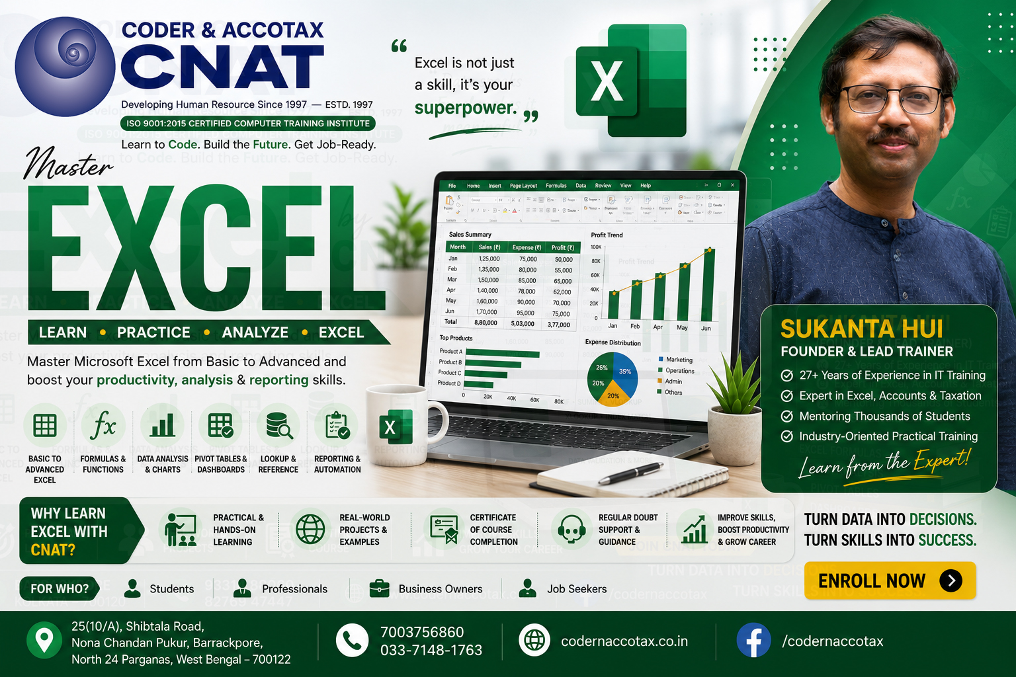

🏢 1. ORGANISATION PROFILE & CONTACT DETAILS
Institute Name | Coder & AccoTax | Accreditation | ISO 9001:2015 Certified Training Centre
Campus Address | 25(10/A) Shibtala Road, Nona Chandan Pukur, Barrackpore, Kolkata 700122, WB, India
Phone / WhatsApp | +91 70037 56860 | Official Email | sukantahui@codernaccotax.co.in | info@codernaccotax.co.in
Web Portal | https://www.codernaccotax.co.in | Core Specializations | Full Stack Engineering, Python, Advanced Excel, Power BI, Financial Modeling

📑 2. WORKBOOK TOPICS DIRECTORY & CLICK-TO-JUMP NAVIGATION TABLE
Sheet ID (Click to Jump) | Curriculum Topic Title | Difficulty Level | Target Formula / Mask | Status
🔗 Topic0 (Jump) | Anatomy of a Formula: Equal Sign (=), Operators, Operands and BODMAS Order of Precedence | Beginner | =B4+C4*(D4-E4) | Verified Topic Practice Sheet
🔗 Topic1 (Jump) | Core Arithmetic Operations: Addition (+), Subtraction (-), Multiplication (*), Division (/) and Powers (^) | Beginner | =B4*C4-(D4/E4) | Verified Topic Practice Sheet
🔗 Topic2 (Jump) | Foundational Aggregation Functions: SUM, AVERAGE, COUNT, COUNTA and COUNTBLANK Mechanics | Beginner | =SUM(E4:E33) | =AVERAGE(E4:E33) | Verified Topic Practice Sheet
🔗 Topic3 (Jump) | Extreme Value and Positional Ranking Functions: MIN, MAX, LARGE and SMALL Analysis | Intermediate | =MIN(E4:E33) | =MAX(E4:E33) | =LARGE(E4:E33, 2) | Verified Topic Practice Sheet
🔗 Topic4 (Jump) | Mathematical Rounding Functions: ROUND, ROUNDUP, ROUNDDOWN, INT and TRUNC Precision Control | Intermediate | =ROUND(E4, 2) | =INT(E4) | =TRUNC(E4, 1) | Verified Topic Practice Sheet
🔗 Topic5 (Jump) | High-Speed AutoSum Mastery: Multi-Directional Summing and Keyboard Shortcuts | Beginner | Alt + = (AutoSum) | Verified Topic Practice Sheet
🔗 Topic6 (Jump) | Comprehensive Laboratory Practice Session: Basic Formulas, Functions and Calculation Auditing | Intermediate | =SUMPRODUCT(C4:C33, D4:D33) | Verified Topic Practice Sheet
🔗 Topic7 (Jump) | Project Work: Real-World Application of Basic Formulas and Functions | Advanced | EX401-EX425 Master Modeling Practice | Verified Topic Practice Sheet
🔗 Topic8 (Jump) | Quick Check Quiz: Core Mathematical Functions, BODMAS & Aggregation Foundations | Intermediate | =COUNTBLANK(E4:E33) | Verified Topic Practice Sheet
🔗 Topic9 (Jump) | Engineering Conversions & Bitwise Operations | Advanced | =CONVERT(E4, "C", "F") | =BITAND(E4, F4) | Verified Topic Practice Sheet

