Overview

 | CODER & ACCOTAX

 | ISO 9001:2015 Certified Centre of Excellence in Computer Science & Financial Modeling
 | Interactive Capstone Projects Workbook · Module 1.3: Basic Formulas & Functions · Mentored by Sukanta Hui (28+ Years Exp.)

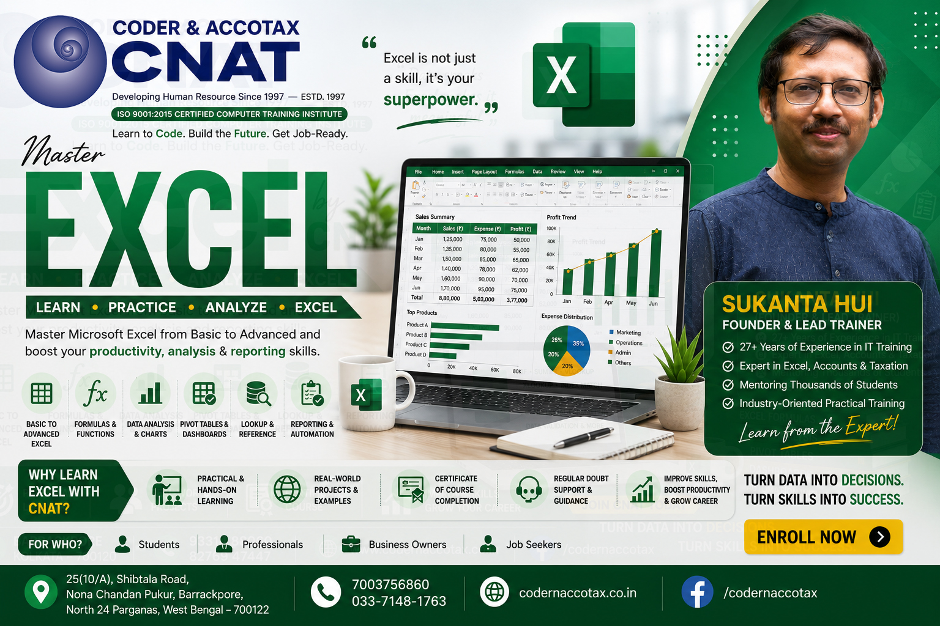

🏢 1. ORGANISATION PROFILE & CONTACT DETAILS
Institute Name |  | Coder & AccoTax (Centre of Excellence)
Campus Address |  | 25(10/A) Shibtala Road, Nona Chandan Pukur, Barrackpore, Kolkata 700122, WB, India
Contact Numbers |  | +91 70037 56860 / +91 84202 04207 (WhatsApp Available)
Official Email |  | sukantahui@codernaccotax.co.in | info@codernaccotax.co.in
Web Portal |  | https://www.codernaccotax.co.in
Core Domains |  | Full Stack Software Engineering, Python & Data Science, Advanced Excel, Power BI, Financial Modeling & Taxation

👨‍🏫 2. LEAD INSTRUCTOR & MASTER MENTOR PROFILE
Lead Instructor |  | Sukanta Hui
Designation |  | Senior Software Architect, Corporate Financial Consultant & Lead Academic Mentor
Experience |  | 28+ Years of Industrial & Academic Mentoring Experience (Since May 1998)
GitHub Portfolio |  | https://github.com/sukantahui
Teaching Focus |  | Deep mechanical intuition, edge-case analysis, and production-grade spreadsheet architecture

🎓 3. CHAPTER ACADEMIC & MODULE SPECIFICATIONS
Course Code & Title |  | EXCEL-PRO-903: Module 1.3: Basic Formulas & Functions - 25 Capstone Projects
Module Directory |  | 001_003_basic-formulas-and-functions
Bloom's Taxonomy |  | Level 4 (Analyze), Level 5 (Evaluate) & Level 6 (Create)

📑 4. WORKBOOK SHEET DIRECTORY & QUICK-JUMP NAVIGATION
SL # | Project / Worksheet Title | Target Formula | Business Rationale / Focus | 🚀 Instant Jump Action | Status
1 | EX401: Formula Computation & SUMPRODUCT Method (Task 1) | =SUMPRODUCT(B4:B20, C4:C20) | As a Corporate Accountant at AccoTax, you are building mathematical models ... | 👉 Open EX401 Sheet | Active Practice
2 | EX402: Formula Computation & PRODUCT Method (Task 2) | =PRODUCT(B4) | As a Corporate Accountant at AccoTax, you are building mathematical models ... | 👉 Open EX402 Sheet | Active Practice
3 | EX403: Formula Computation & ABS Method (Task 3) | =ABS(B4) | As a Corporate Accountant at AccoTax, you are building mathematical models ... | 👉 Open EX403 Sheet | Active Practice
4 | EX404: Formula Computation & INT Method (Task 4) | =INT(B4) | As a Corporate Accountant at AccoTax, you are building mathematical models ... | 👉 Open EX404 Sheet | Active Practice
5 | EX405: Formula Computation & TRUNC Method (Task 5) | =TRUNC(B4) | As a Corporate Accountant at AccoTax, you are building mathematical models ... | 👉 Open EX405 Sheet | Active Practice
6 | EX406: Formula Computation & MOD Method (Task 6) | =MOD(B4) | As a Corporate Accountant at AccoTax, you are building mathematical models ... | 👉 Open EX406 Sheet | Active Practice
7 | EX407: Formula Computation & QUOTIENT Method (Task 7) | =QUOTIENT(B4) | As a Corporate Accountant at AccoTax, you are building mathematical models ... | 👉 Open EX407 Sheet | Active Practice
8 | EX408: Formula Computation & ROUND Method (Task 8) | =ROUND(B4) | As a Corporate Accountant at AccoTax, you are building mathematical models ... | 👉 Open EX408 Sheet | Active Practice
9 | EX409: Formula Computation & SQRT Method (Task 9) | =SQRT(B4) | As a Corporate Accountant at AccoTax, you are building mathematical models ... | 👉 Open EX409 Sheet | Active Practice
10 | EX410: Formula Computation & POWER Method (Task 10) | =POWER(B4) | As a Corporate Accountant at AccoTax, you are building mathematical models ... | 👉 Open EX410 Sheet | Active Practice
11 | EX411: Formula Computation & EXP Method (Task 11) | =EXP(B4) | As a Corporate Accountant at AccoTax, you are building mathematical models ... | 👉 Open EX411 Sheet | Active Practice
12 | EX412: Formula Computation & LN Method (Task 12) | =LN(B4) | As a Corporate Accountant at AccoTax, you are building mathematical models ... | 👉 Open EX412 Sheet | Active Practice
13 | EX413: Formula Computation & LOG Method (Task 13) | =LOG(B4, 10) | As a Corporate Accountant at AccoTax, you are building mathematical models ... | 👉 Open EX413 Sheet | Active Practice
14 | EX414: Formula Computation & LOG10 Method (Task 14) | =LOG10(B4) | As a Corporate Accountant at AccoTax, you are building mathematical models ... | 👉 Open EX414 Sheet | Active Practice
15 | EX415: Formula Computation & ISEVEN Method (Task 15) | =ISEVEN(B4) | As a Corporate Accountant at AccoTax, you are building mathematical models ... | 👉 Open EX415 Sheet | Active Practice
16 | EX416: Formula Computation & ISODD Method (Task 16) | =ISODD(B4) | As a Corporate Accountant at AccoTax, you are building mathematical models ... | 👉 Open EX416 Sheet | Active Practice
17 | EX417: Formula Computation & N Method (Task 17) | =N(B4) | As a Corporate Accountant at AccoTax, you are building mathematical models ... | 👉 Open EX417 Sheet | Active Practice
18 | EX418: Formula Computation & SUMPRODUCT Method (Task 18) | =SUMPRODUCT(B4:B20, C4:C20) | As a Corporate Accountant at AccoTax, you are building mathematical models ... | 👉 Open EX418 Sheet | Active Practice
19 | EX419: Formula Computation & PRODUCT Method (Task 19) | =PRODUCT(B4) | As a Corporate Accountant at AccoTax, you are building mathematical models ... | 👉 Open EX419 Sheet | Active Practice
20 | EX420: Formula Computation & ABS Method (Task 20) | =ABS(B4) | As a Corporate Accountant at AccoTax, you are building mathematical models ... | 👉 Open EX420 Sheet | Active Practice
21 | EX421: Formula Computation & INT Method (Task 21) | =INT(B4) | As a Corporate Accountant at AccoTax, you are building mathematical models ... | 👉 Open EX421 Sheet | Active Practice
22 | EX422: Formula Computation & TRUNC Method (Task 22) | =TRUNC(B4) | As a Corporate Accountant at AccoTax, you are building mathematical models ... | 👉 Open EX422 Sheet | Active Practice
23 | EX423: Formula Computation & MOD Method (Task 23) | =MOD(B4) | As a Corporate Accountant at AccoTax, you are building mathematical models ... | 👉 Open EX423 Sheet | Active Practice
24 | EX424: Formula Computation & QUOTIENT Method (Task 24) | =QUOTIENT(B4) | As a Corporate Accountant at AccoTax, you are building mathematical models ... | 👉 Open EX424 Sheet | Active Practice
25 | EX425: Formula Computation & ROUND Method (Task 25) | =ROUND(B4) | As a Corporate Accountant at AccoTax, you are building mathematical models ... | 👉 Open EX425 Sheet | Active Practice

