Overview

 | CODER & ACCOTAX

 | ISO 9001:2015 Certified Centre of Excellence in Computer Science & Financial Modeling
 | Module 4: 001_004_basic-charts-and-visualizations Curriculum Track: EXCEL-PRO-901 | Master Student Practice Workbook (9 Sequential Topics)

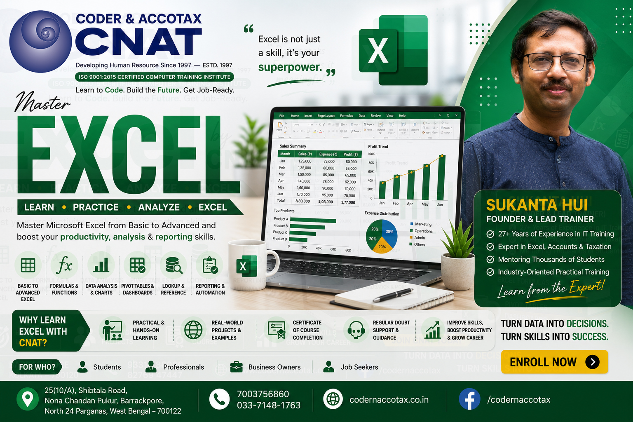

🏢 1. ORGANISATION PROFILE & CONTACT DETAILS
Institute Name | Coder & AccoTax | Accreditation | ISO 9001:2015 Certified Training Centre
Campus Address | 25(10/A) Shibtala Road, Nona Chandan Pukur, Barrackpore, Kolkata 700122, WB, India
Phone / WhatsApp | +91 70037 56860 | Official Email | sukantahui@codernaccotax.co.in | info@codernaccotax.co.in
Web Portal | https://www.codernaccotax.co.in | Core Specializations | Full Stack Engineering, Python, Advanced Excel, Power BI, Financial Modeling

📑 2. WORKBOOK TOPICS DIRECTORY & CLICK-TO-JUMP NAVIGATION TABLE
Sheet ID (Click to Jump) | Curriculum Topic Title | Difficulty Level | Target Chart Type / Formula | Status
🔗 Topic0 (Jump) | Chart Selection Guide: Matching Business Data Stories to Optimal Chart Types | Beginner | Categorical Comparison -> Column / Bar | Verified Topic Practice Sheet
🔗 Topic1 (Jump) | Column and Bar Charts: Comparing Discrete Categories, Ranking and Variance Analysis | Beginner | Clustered Column | Stacked Bar | Verified Topic Practice Sheet
🔗 Topic2 (Jump) | Line and Area Charts: Visualizing Chronological Trends, Seasonality and Cumulative Trajectories | Beginner | 2D Line with Markers | Stacked Area | Verified Topic Practice Sheet
🔗 Topic3 (Jump) | Pie and Doughnut Charts: Part-to-Whole Proportions, Slice Limits and Modern Best Practices | Beginner | Doughnut Chart (Max 5 Slices) | Verified Topic Practice Sheet
🔗 Topic4 (Jump) | Mastering Chart Elements: Titles, Legends, Data Labels, Dual-Axes and Gridline Decluttering | Intermediate | Dual-Axis (Column + Secondary Line) | Verified Topic Practice Sheet
🔗 Topic5 (Jump) | Formatting and Visual Polish: Corporate Color Palettes, Callout Cards and Modern Dashboard Aesthetics | Intermediate | Corporate Palette (#0284C7 Sky Theme) | Verified Topic Practice Sheet
🔗 Topic6 (Jump) | Comprehensive Laboratory Practice Session: Chart Creation, Customization and Executive Dashboard Construction | Intermediate | =REPT("█", E4/2000) | Verified Topic Practice Sheet
🔗 Topic7 (Jump) | Project Work: Real-World Application of Basic Charts and Visualizations | Advanced | EX501-EX525 Master Visualization Practice | Verified Topic Practice Sheet
🔗 Topic8 (Jump) | Quick Check Quiz & Visual Storytelling Assessment | Intermediate | =NA() (Chart Gap Handler) | Verified Topic Practice Sheet

