Overview

 | CODER & ACCOTAX

 | ISO 9001:2015 Certified Centre of Excellence in Computer Science & Financial Modeling
 | Module 5: 001_005_custom-number-formatting-and-styling Curriculum Track: EXCEL-PRO-901 | Master Student Practice Workbook (15 Sequential Topics)

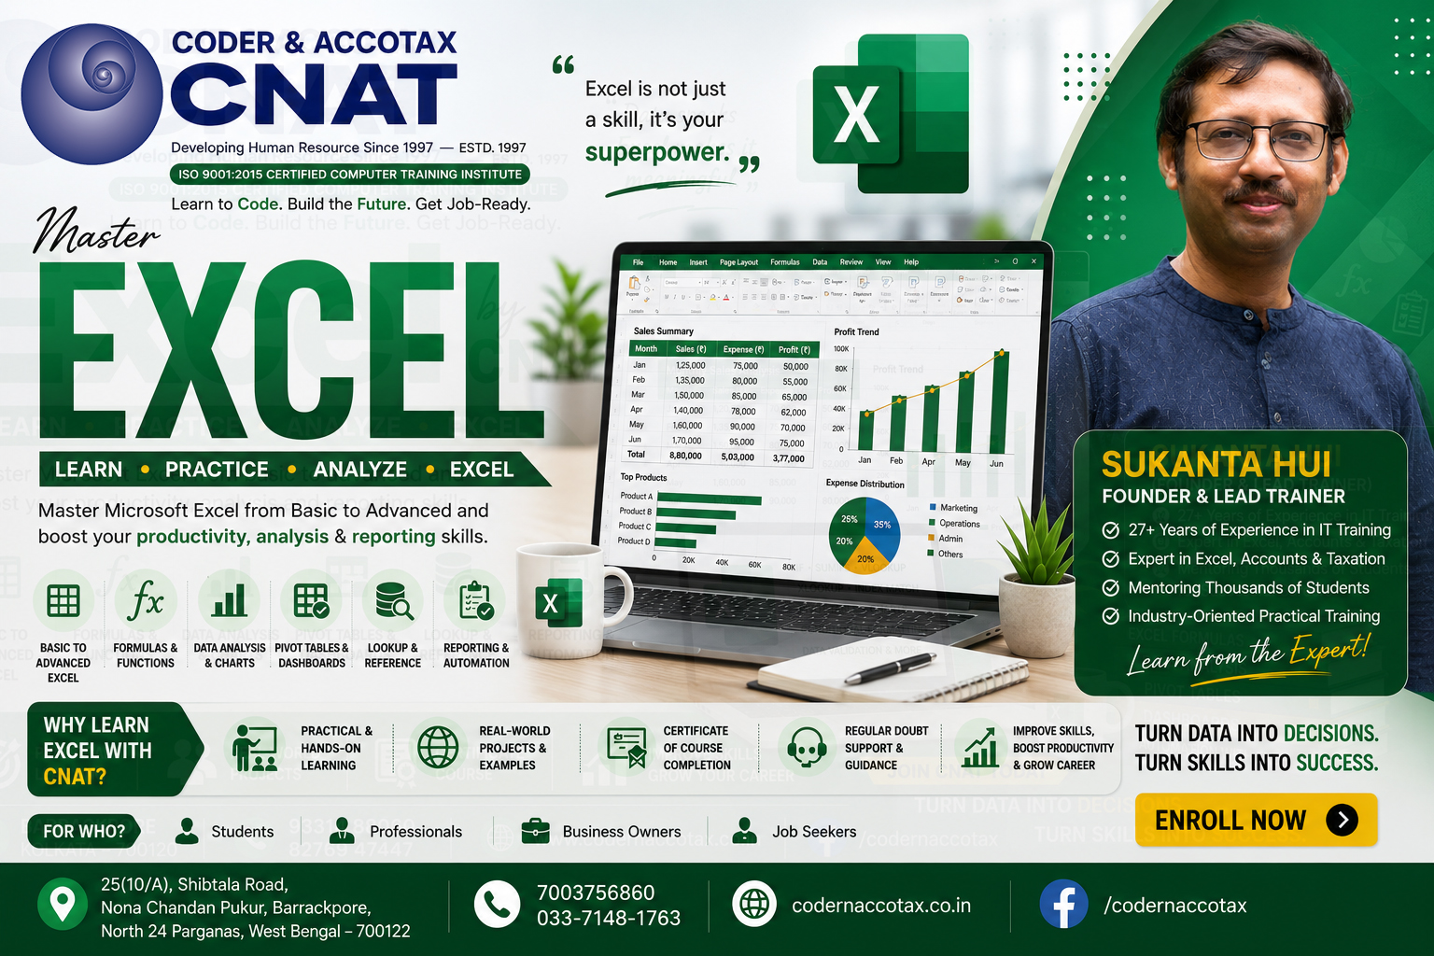

🏢 1. ORGANISATION PROFILE & CONTACT DETAILS
Institute Name | Coder & AccoTax | Accreditation | ISO 9001:2015 Certified Training Centre
Campus Address | 25(10/A) Shibtala Road, Nona Chandan Pukur, Barrackpore, Kolkata 700122, WB, India
Phone / WhatsApp | +91 70037 56860 | Official Email | sukantahui@codernaccotax.co.in | info@codernaccotax.co.in
Web Portal | https://www.codernaccotax.co.in | Core Specializations | Full Stack Engineering, Python, Advanced Excel, Power BI, Financial Modeling

📑 2. WORKBOOK TOPICS DIRECTORY & CLICK-TO-JUMP NAVIGATION TABLE
Sheet ID (Click to Jump) | Curriculum Topic Title | Difficulty Level | Target Format Code / Mask | Status
🔗 Topic0 (Jump) | Introduction to Excel's Format Engine: Display Values vs Underlying Stored Values | Beginner | 0.00 | Verified Topic Practice Sheet
🔗 Topic1 (Jump) | The 4-Section Syntax Architecture: Positive ; Negative ; Zero ; Text | Beginner | ₹ #,##,##0.00;[Red](₹ #,##,##0.00);"-";@ | Verified Topic Practice Sheet
🔗 Topic2 (Jump) | Digit Placeholders Deep-Dive: Forced Zero (0), Optional Digits (#), and Decimal Alignment (?) | Beginner | 00000 | #,##0.## | ??/?? | Verified Topic Practice Sheet
🔗 Topic3 (Jump) | Currency and International Formats: $, ₹, €, £, and Indian Numbering (##,##,##0) | Beginner | [$-en-IN]₹ #,##,##0.00 | Verified Topic Practice Sheet
🔗 Topic4 (Jump) | Financial Statement Presentation: Wall Street Accounting Alignment Using _) and * | Intermediate | _($* #,##0.00_);_($* (#,##0.00);_($* "-"??_);_(@_) | Verified Topic Practice Sheet
🔗 Topic5 (Jump) | Scaling Large Numbers into Thousands (K), Millions (M), and Billions (B) | Intermediate | $#,##0.0,," M" | Verified Topic Practice Sheet
🔗 Topic6 (Jump) | Embedded Conditional Criteria ([>1000]) and Color Formatting ([Red], [Green], [ColorN]) | Advanced | [Green][>1000]▲ #,##0;[Red][<0]▼ (#,##0);[Color10]#,##0 | Verified Topic Practice Sheet
🔗 Topic7 (Jump) | Date & Time Custom Formatting: Dates, Times, Quarters, Weekdays, and Dynamic Period Labels | Intermediate | dd-mmm-yyyy hh:mm AM/PM | Verified Topic Practice Sheet
🔗 Topic8 (Jump) | Elapsed Duration Tracking Exceeding 24 Hours with [h]:mm:ss for Timesheets | Intermediate | [h]:mm:ss | Verified Topic Practice Sheet
🔗 Topic9 (Jump) | Phone Numbers, Tax IDs (PAN/GSTIN/SSN), and Credit Card Masking Patterns | Beginner | +91 00000-00000 | Verified Topic Practice Sheet
🔗 Topic10 (Jump) | Text Placeholder Tokens (@), Literals, and Unit Suffixes (KG, Units, Hrs) Without Breaking Math | Intermediate | 0.00" KG" | Verified Topic Practice Sheet
🔗 Topic11 (Jump) | The Stealth Cloaking Operator (;;;) for Hiding Cell Contents and Dashboard Security | Advanced | ;;; | Verified Topic Practice Sheet
🔗 Topic12 (Jump) | Real-World Project: Building an Executive Financial Income Statement with Dynamic Scaling and Color Alerts | Advanced | _($* #,##0.0,," M"_);[Red]_($* (#,##0.0,," M");_($* "-"??_);_(@_) | Verified Topic Practice Sheet
🔗 Topic13 (Jump) | Practice Lab: 15 MCQs and 10 Custom Formatting Practical Workbook Challenges | Advanced | [$-409]dd-mmm-yyyy | Verified Topic Practice Sheet
🔗 Topic14 (Jump) | Project Work | Advanced | EX301-EX325 Master Financial Presentation Practice | Verified Topic Practice Sheet

