Overview

 | CODER & ACCOTAX

 | ISO 9001:2015 Certified Centre of Excellence in Computer Science & Financial Modeling
 | Interactive Chapter Practice Workbook · Mentored by Sukanta Hui (28+ Years Exp.) · Barrackpore

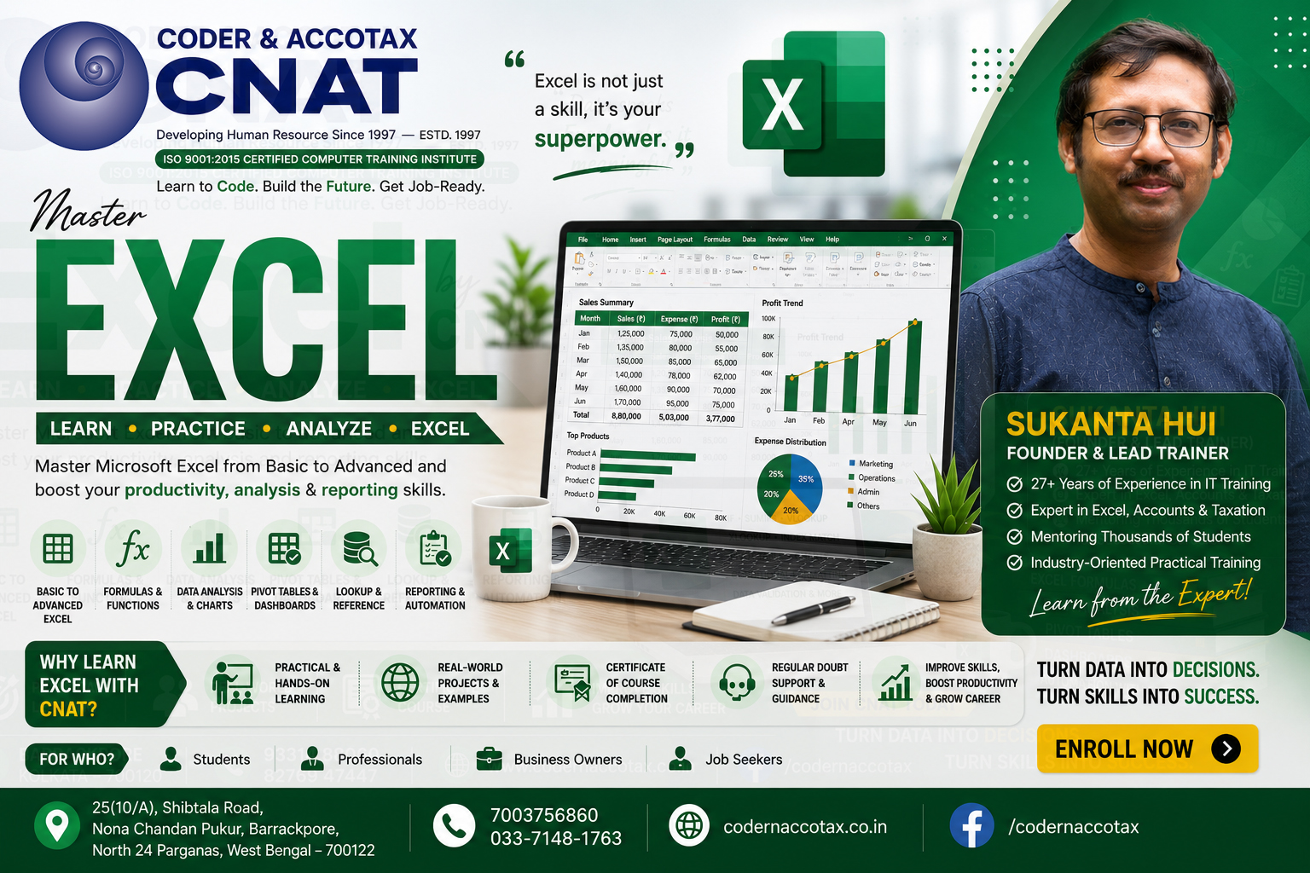

🏢 1. ORGANISATION PROFILE & CONTACT DETAILS
Institute Name |  | Coder & AccoTax (Centre of Excellence)
Campus Address |  | 25(10/A) Shibtala Road, Nona Chandan Pukur, Barrackpore, Kolkata 700122, WB, India
Contact Numbers |  | +91 70037 56860 / +91 84202 04207 (WhatsApp Available)
Official Email |  | sukantahui@codernaccotax.co.in | info@codernaccotax.co.in
Web Portal |  | https://www.codernaccotax.co.in
Core Domains |  | Full Stack Engineering, Advanced Excel, Power BI Stack, Financial Modeling & Quantitative Analytics

👨‍🏫 2. LEAD INSTRUCTOR & MASTER MENTOR PROFILE
Lead Instructor |  | Sukanta Hui
Designation |  | Senior Software Architect, Corporate Financial Consultant & Lead Academic Mentor
Experience |  | 28+ Years of Industrial & Academic Mentoring Experience (Since May 1998)
GitHub Portfolio |  | https://github.com/sukantahui
Teaching Focus |  | Advanced Mathematical Modeling, Precision Rounding, Vectorized Array Computation & Aggregation Architecture

🎓 3. CHAPTER ACADEMIC & MODULE SPECIFICATIONS
Course Code & Title |  | EXCEL-PRO-901: Microsoft Excel From Zero to Ultra Expert
Module Directory |  | 009_001_advanced-mathematical-arithmetic-and-aggregation-functions
Bloom's Taxonomy |  | Level 4 (Analyze), Level 5 (Evaluate) & Level 6 (Create)

📑 4. WORKBOOK SHEET DIRECTORY & QUICK-JUMP NAVIGATION
SL # | Target Sheet / Topic | Primary Formula / Technique | Business Context / Dataset | 🚀 Instant Jump Action | Status
1 | Topic 0: SUMPRODUCT Function — Multi-Array Mathematical Aggregation | =SUMPRODUCT(array1, array2) | Barrackpore Industrial Dataset | 👉 Open Topic0 Sheet | Core Lab
2 | Topic 1: AGGREGATE Function — Error-Aware Aggregation and Hidden-Row Control | =AGGREGATE(function_num, options, range, [k]) | Shyamnagar Industrial Dataset | 👉 Open Topic1 Sheet | Core Lab
3 | Topic 2: PRODUCT Function — Multiplication Across Values | =PRODUCT(number1, [number2]) | Ichapur Industrial Dataset | 👉 Open Topic2 Sheet | Core Lab
4 | Topic 3: SUMSQ Function — Sum of Squares | =SUMSQ(number1, [number2]) | Naihati Industrial Dataset | 👉 Open Topic3 Sheet | Core Lab
5 | Topic 4: MOD Function — Remainder Calculations | =MOD(number, divisor) | Titagarh Industrial Dataset | 👉 Open Topic4 Sheet | Core Lab
6 | Topic 5: QUOTIENT Function — Integer Division | =QUOTIENT(numerator, denominator) | Kolkata Industrial Dataset | 👉 Open Topic5 Sheet | Core Lab
7 | Topic 6: MROUND Function — Multiple-Based Rounding | =MROUND(number, multiple) | Howrah Industrial Dataset | 👉 Open Topic6 Sheet | Core Lab
8 | Topic 7: CEILING.MATH Function — Mathematical Ceiling | =CEILING.MATH(number, [significance]) | Hooghly Industrial Dataset | 👉 Open Topic7 Sheet | Core Lab
9 | Topic 8: CEILING.PRECISE Function — Precise Ceiling | =CEILING.PRECISE(number, [significance]) | Kanchrapara Industrial Dataset | 👉 Open Topic8 Sheet | Core Lab
10 | Topic 9: FLOOR.MATH Function — Mathematical Floor | =FLOOR.MATH(number, [significance]) | Sodepur Industrial Dataset | 👉 Open Topic9 Sheet | Core Lab
11 | Topic 10: FLOOR.PRECISE Function — Precise Floor | =FLOOR.PRECISE(number, [significance]) | Barrackpore Industrial Dataset | 👉 Open Topic10 Sheet | Core Lab
12 | Topic 11: EVEN and ODD Functions — Integer Rounding | =EVEN(number) / =ODD(number) | Shyamnagar Industrial Dataset | 👉 Open Topic11 Sheet | Core Lab
13 | Topic 12: SIGN Function — Positive and Negative Direction Detection | =SIGN(number) | Ichapur Industrial Dataset | 👉 Open Topic12 Sheet | Core Lab
14 | Topic 13: GCD Function — Greatest Common Divisor | =GCD(number1, [number2]) | Naihati Industrial Dataset | 👉 Open Topic13 Sheet | Core Lab
15 | Topic 14: LCM Function — Least Common Multiple | =LCM(number1, [number2]) | Titagarh Industrial Dataset | 👉 Open Topic14 Sheet | Core Lab
16 | Topic 15: FACT Function — Factorial Calculations | =FACT(number) | Kolkata Industrial Dataset | 👉 Open Topic15 Sheet | Core Lab
17 | Topic 16: FACTDOUBLE Function — Double Factorials | =FACTDOUBLE(number) | Howrah Industrial Dataset | 👉 Open Topic16 Sheet | Core Lab
18 | Topic 17: COMBIN Function — Combinations Without Repetition | =COMBIN(number, number_chosen) | Hooghly Industrial Dataset | 👉 Open Topic17 Sheet | Core Lab
19 | Topic 18: COMBINA Function — Combinations With Repetition | =COMBINA(number, number_chosen) | Kanchrapara Industrial Dataset | 👉 Open Topic18 Sheet | Core Lab
20 | Topic 19: PERMUT Function — Permutations Without Repetition | =PERMUT(number, number_chosen) | Sodepur Industrial Dataset | 👉 Open Topic19 Sheet | Core Lab
21 | Topic 20: PERMUTATIONA Function — Permutations With Repetition | =PERMUTATIONA(number, number_chosen) | Barrackpore Industrial Dataset | 👉 Open Topic20 Sheet | Core Lab
22 | Topic 21: MULTINOMIAL Function — Multinomial Calculations | =MULTINOMIAL(number1, [number2]) | Shyamnagar Industrial Dataset | 👉 Open Topic21 Sheet | Core Lab
23 | Topic 22: SERIESSUM Function — Power-Series Evaluation | =SERIESSUM(x, n, m, coefficients) | Ichapur Industrial Dataset | 👉 Open Topic22 Sheet | Core Lab
24 | Topic 23: SUMX2MY2 Function — Sum of Difference of Squares | =SUMX2MY2(array_x, array_y) | Naihati Industrial Dataset | 👉 Open Topic23 Sheet | Core Lab
25 | Topic 24: SUMX2PY2 Function — Sum of Sum of Squares | =SUMX2PY2(array_x, array_y) | Titagarh Industrial Dataset | 👉 Open Topic24 Sheet | Core Lab
26 | Topic 25: SUMXMY2 Function — Sum of Squared Differences | =SUMXMY2(array_x, array_y) | Kolkata Industrial Dataset | 👉 Open Topic25 Sheet | Core Lab
27 | Topic 26: Advanced Aggregation Design | SUMPRODUCT + Vector Criteria Masking | Howrah Industrial Dataset | 👉 Open Topic26 Sheet | Core Lab
28 | Topic 27: Mathematical Formula Optimization | LET() Variable Binding + Volatility Reduction | Hooghly Industrial Dataset | 👉 Open Topic27 Sheet | Core Lab
29 | Topic 28: Combining Mathematical Functions with Dynamic Arrays | MAP / REDUCE / BYROW / SCAN Dynamic Arrays | Kanchrapara Industrial Dataset | 👉 Open Topic28 Sheet | Core Lab
30 | Topic 29: Advanced Mathematical Functions Project | Full Stack Master Engineering Project | Sodepur Industrial Dataset | 👉 Open Topic29 Sheet | Capstone

