Data Integrity
Understanding the data

 | Data Type
 |  |  |  |  | time -variant/-invariant | structured/ unstructured | qualitative/ quantitative | qualitative: nominal/ordinal/binary quantitative: discrete/continuous | dtype
 |  | Variables

 | 1 | Year |  |  | variant | structured | qualitative | ordinal | object
 | 2 | Country or region |  |  | invariant | structured | qualitative | nominal | object
 | 3 | Overall rank |  |  | variant | structured | qualitative | ordinal | int64
 | 4 | Score |  |  | variant | structured | quantitative | continuous | float64
 | 5 | GDP per capita |  |  | variant | structured | quantitative | continuous | float64
 | 6 | Social support |  |  | variant | structured | quantitative | continuous | float64
 | 7 | Healthy life expectancy |  |  | variant | structured | quantitative | continuous | float64
 | 8 | Freedom to make life choices |  |  | variant | structured | quantitative | continuous | float64
 | 9 | Generosity |  |  | variant | structured | quantitative | continuous | float64
 | 10 | Perceptions of corruption |  |  | variant | structured | quantitative | continuous | float64

 | Basic statistics

 | Quantitative data summary

 |  | Overall rank | Happiness score | GDP per capita | Social support | Healthy life expectancy | Freedom to make life choices | Generosity | Perceptions of corruption
 | count | 782 | 782 | 782 | 782 | 782 | 782 | 782 | 781
 | mean | 78.698209719 | 5.379017903 | 0.91604748248 | 1.0783924825 | 0.61241557712 | 0.41109082582 | 0.21857584156 | 0.12543561357
 | std | 45.182384383 | 1.1274564602 | 0.40734013129 | 0.32954831933 | 0.24830864038 | 0.15288042063 | 0.12232074872 | 0.10581644756
 | min | 1 | 2.6930000782 | 0 | 0 | 0 | 0 | 0 | 0
 | 25% | 40 | 4.50975 | 0.6065 | 0.8693625 | 0.4401825 | 0.3097675 | 0.13 | 0.054
 | 50% | 79 | 5.322 | 0.98220470881 | 1.124735 | 0.6473095147 | 0.431 | 0.20198221153 | 0.091
 | 75% | 118 | 6.1895 | 1.236187109 | 1.32725 | 0.808 | 0.531 | 0.2788325 | 0.15603
 | max | 158 | 7.769 | 2.096 | 1.644 | 1.141 | 0.724 | 0.83807516098 | 0.55191

 | Year: |  |  | Overall rank: |  | TRank of the country based on the Happiness Score: the higher the score the lower the rank.

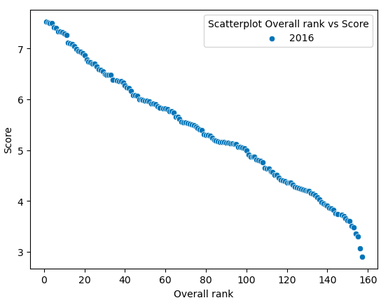
 | Year contains information about 5 years, from 2015 to 2019.

 | Year | Frequency
 | 2019 | 156 |  | Rankings | Frequencies | Comment:
 | 2018 | 156 |  | 34 | 6 | why not 5?
 | 2017 | 155 |  | 57 | 6 | why not 5?
 | 2016 | 157 |  | 82 | 6 | why not 5?
 | 2015 | 158 |  | 145 | 6 | why not 5?
 |  |  |  | 35 | 4 | why not 5? | Year 2016 has a tie for position 34 and therefor skips 35.
 |  |  |  | 58 | 4 | why not 5? | Year 2016 has a tie for position 57 and therefor skips 58.
 |  |  |  | 83 | 4 | why not 5? | Year 2015 has a tie for position 82 and therefor skips 83.
 |  |  |  | 146 | 4 | why not 5? | Year 2016 has a tie for position 145 and therefor skips 146.
 |  |  |  | 156 | 4 | right! | Coinsides with number of observations for year 2016.
 |  |  |  | 157 | 2 | right! | Coinsides with number of observations for year 2016.
 |  |  |  | 158 | 1 | right! | Coinsides with number of observations for year 2015.

 | Country: |  |  |  | Afghanistan | Chad | Guatemala | Liberia | Pakistan | Switzerland
 |  |  |  |  | Albania | Chile | Guinea | Libya | Palestinian Territories | Syria
 |  |  |  |  | Algeria | China | Haiti | Lithuania | Panama | Tajikistan
 |  |  |  |  | Argentina | Colombia | Honduras | Luxembourg | Paraguay | Tanzania
 | Country or region where two different variables in the year 2015 and 2016. in 2017, 2018, and 2019 it is only 1 variable: 'Country or region'. |  |  |  | Armenia | Congo (Brazzaville) | Hungary | Madagascar | Peru | Thailand
 |  |  |  |  | Australia | Congo (Kinshasa) | Iceland | Malawi | Philippines | Togo
 |  |  |  |  | Austria | Costa Rica | India | Malaysia | Poland | Tunisia
 | Format inconsistencies found. Red highlighted names to be corrected in right format. |  |  |  | Azerbaijan | Croatia | Indonesia | Mali | Portugal | Turkey
5
 |  |  |  |  | Bahrain | Cyprus | Iran | Malta | Qatar | Turkmenistan
 | Cypurs and North Cyprus kept as 2 different countries. |  |  |  | Bangladesh | Czech Republic | Iraq | Mauritania | Romania | Uganda
 |  |  |  |  | Belarus | Denmark | Ireland | Mauritius | Russia | Ukraine
 | * see Data cleaning for details. |  |  |  | Belgium | Dominican Republic | Israel | Mexico | Rwanda | United Arab Emirates
 |  |  |  | Angola | Benin | Ecuador | Italy | Moldova | Saudi Arabia | United Kingdom
Frequency distribution:
 |  |  |  | Central African Republic | Bhutan | Egypt | Ivory Coast | Mongolia | Senegal | United States
 | Djibouti |  |  | Hong Kong | Bolivia | El Salvador | Jamaica | Montenegro | Serbia | Uruguay
4
 | Gambia |  |  | Laos | Bosnia and Herzegovina | Estonia | Japan | Morocco | Sierra Leone | Uzbekistan
 | Hong Kong S.A.R., China |  |  | Lesotho | Botswana | Ethiopia | Jordan | Myanmar | Singapore | Venezuela
 | North Macedonia |  |  | Macedonia | Brazil | Finland | Kazakhstan | Nepal | Slovakia | Vietnam
1
 | Oman |  |  | Mozambique | Bulgaria | France | Kenya | Netherlands | Slovenia | Yemen
 | Puerto Rico |  |  | Namibia | Burkina Faso | Gabon | Kosovo | New Zealand | South Africa | Zambia
2
3
 | Somaliland Region | Northern Cyprus | Belize | Somalia | Burundi | Georgia | Kuwait | Nicaragua | South Korea | Zimbabwe
 | Somaliland region | Suriname | Comoros | South Sudan | Cambodia | Germany | Kyrgyzstan | Niger | Spain
 | Taiwan Province of China | Swaziland | North Cyprus | Sudan | Cameroon | Ghana | Latvia | Nigeria | Sri Lanka
 |  | Trinidad & Tobago | Trinidad and Tobago | Taiwan | Canada | Greece | Lebanon | Norway | Sweden

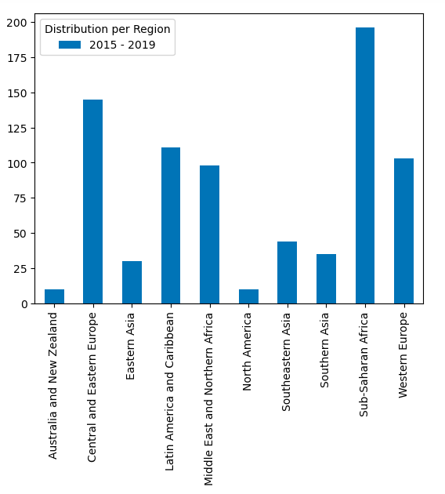
 | Region:

 |  |  |  |  | Region |  | Value Counts
 |  |  |  | 1 | Sub-Saharan Africa |  | 196
 | Region was only provided in df 2015 and 2016. I have extended this information throughout the complete dataset so I can analyze by region. |  |  | 2 | Central and Eastern Europe |  | 145
 |  |  |  | 3 | Latin America and Caribbean |  | 111
 |  |  |  | 4 | Western Europe |  | 103
 | The countries are devided in a total of 10 regions. |  |  | 5 | Middle East and Northern Africa |  | 98
 | Sub-Saharan Africa is the Region with the most countries, followed by Central and Eastern Europe. North America and Australia and New Zeeland has the fewest. |  |  | 6 | Southeastern Asia |  | 44
 |  |  |  | 7 | Southern Asia |  | 35
 |  |  |  | 8 | Eastern Asia |  | 30
 |  |  |  | 9 | Australia and New Zealand |  | 10
 |  |  |  | 10 | North America |  | 10

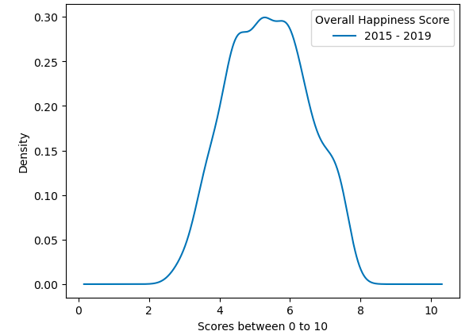
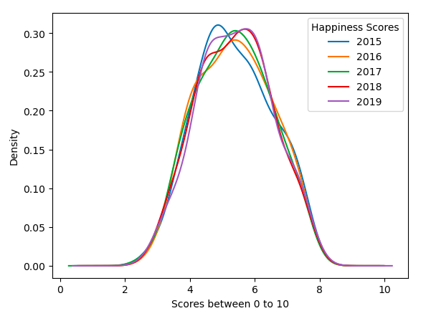
 | Happiness score:
 |  |  |  |  |  |  | 0
 |  |  |  |  |  |  |  |  | ro
 |  |  |  |  |  |  |  |  |  | O.'
 | It is the national average response to the question of life evaluations. The English wording of the question is “Please imagine a ladder, with steps numbered from 0 at the bottom to 10 at the top. The top of the ladder represents the best possible life for you and the bottom of the ladder represents the worst possible life for you. On which step of the ladder would you say you personally feel you stand at this time?”

 |  |  |  |  | The range has basically stayed the same over the years, with median fluctuating.

 | GDP per capita: |  |  | Social support: |  |  | Healthy life expectancy:

 | The extent to which GDP contributes to the calculation of the Happiness Score. |  |  | The extent to which social support contributes to the calculation of the Happiness Score. |  |  | The extent to which Life expectancy contributed to the calculation of the Happiness Score.

 | The statistics of GDP per capita (variable name gdp) in purchasing power parity (PPP). The purchasing power parity calculation tells you how much things would cost if all countries used the same currency. In other words, it is the rate at which one currency would need to be exchanged to have the same purchasing power as another currency. |  |  | Socialsupport(or having someone to count on in times of trouble) is the national average of the binary responses (either 0 or 1) to the GWP question “If you were in trouble, do you have relatives or friends you can count on to help you whenever you need them, or not?” |  |  | Healthy Life Expectancy (HLE). Healthy life expectancies at birth are based on the data extracted from the World Health Organization’s (WHO) Global Health Observatory data repository (Last updated: 2020-09-28). The data at the source are available for the years 2000, 2005, 2010, 2015 and 2016. To match this report’s sample period (2005-2020), interpolation and extrapolation are used.

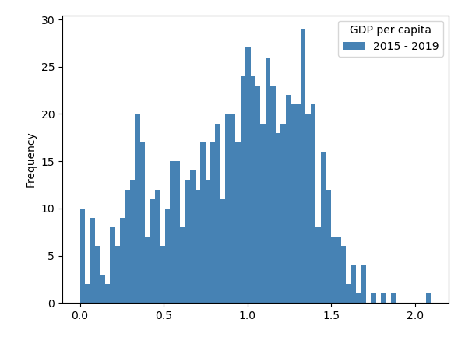
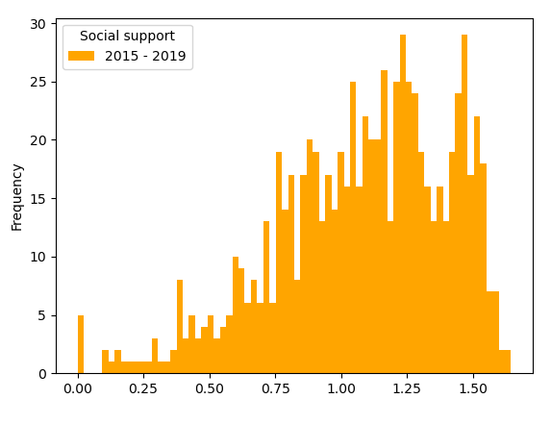
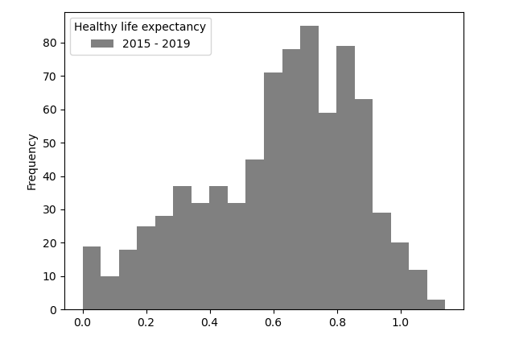

 | Freedom to make life choices: |  |  | Generosity: |  |  | Perceptions of corruption:

 | The extent to which Freedom contributed to the calculation of the Happiness Score. |  |  | The extent to which Generosity contributes to Happiness Score. |  |  | The extent to which Perception of Corruption contributes to Happiness Score.

 | Freedom to make life choices is the national average of responses to the GWP question “Are you satisfied or dissatisfied with your freedom to choose what you do with your life?” |  |  | Generosity is the residual of regressing national average of response to the GWP question “Have you donated money to a charity in the past month?” on GDP per capita. |  |  | The measure is the national average of the survey re- sponses to two questions in the GWP: “Is corruption widespread throughout the government or not” and “Is corruption widespread within businesses or not?” The overall perception is just the average of the two 0-or-1 responses. In case the perception of government corruption is missing, we use the perception of business corruption as the overall perception. The corruption perception at the national level is just the average response of the overall perception at the individual level.

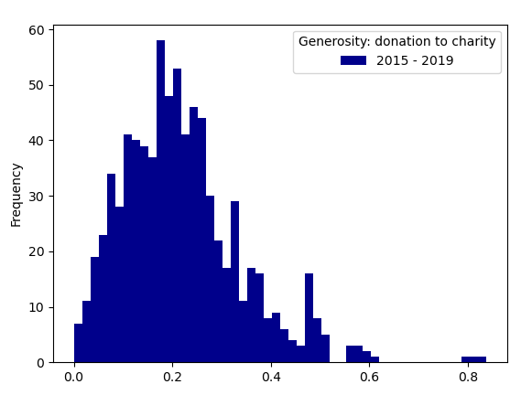
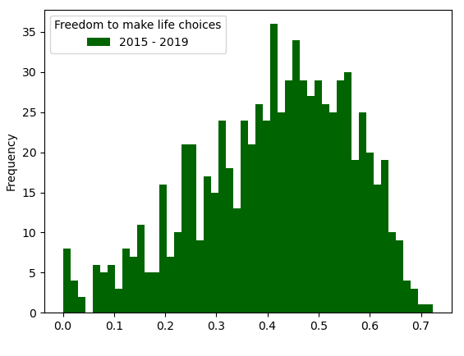

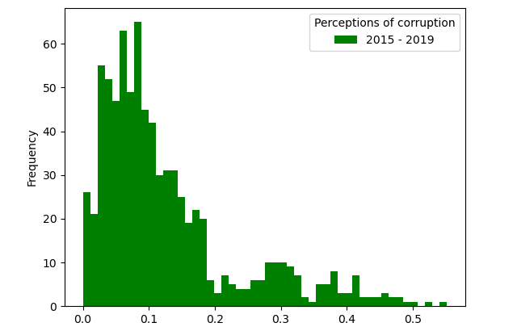

 |  |  |  |  |  |  |  |  | 146 | 4
 |  |  |  |  |  |  |  |  | 156 | 4
 |  |  |  |  |  |  |  |  | 34 | 6
 |  |  |  |  |  |  |  |  | 57 | 6
 |  |  |  |  |  |  |  |  | 82 | 6
 |  |  |  |  |  |  |  |  | 145 | 6

