Simulation
Simulation of Parisian Option
Input |  | Output
Price Step | 0.5 | Spot | Option Price
Strike | 50 |  | Crude Monte Carlo | Antithetic Variate Monte Carlo
Risk Free | 0.08 | 0.00 | 0.000000 | 0.000000
Volatility | 0.25 | 0.00 | 0.000000 | 0.000000
Expiry | 1 | 0.00 | 0.000000 | 0.000000
Dividen Yield | 0 | 0.00 | 0.000000 | 0.000000
Number of path | 3000 | 0.00 | 0.000000 | 0.000000
Option Type | Call | 0.00 | 0.000000 | 0.000000
Barrier | 60 | 0.50 | 0.000000 | 0.000000
Barrier Time | 0.1 | 1.00 | 0.000000 | 0.000000
Barrier Type | DownAndIn | 1.50 | 0.000000 | 0.000000
Reset(Y/N) | Y | 2.00 | 0.000000 | 0.000000
 |  | 2.50 | 0.000000 | 0.000000
For Specific Spot Price |  | 3.00 | 0.000000 | 0.000000
Spot | 55 | 3.50 | 0.000000 | 0.000000
Option Price (Crude MC) | 0.738933618 | 4.00 | 0.000000 | 0.000000
Option Price (Antithetic MC) | 1.0221227177 | 4.50 | 0.000000 | 0.000000
 |  | 5.00 | 0.000000 | 0.000000
 |  | 5.50 | 0.000000 | 0.000000
 |  | 6.00 | 0.000000 | 0.000000
 |  | 6.50 | 0.000000 | 0.000000
 |  | 7.00 | 0.000000 | 0.000000
 |  | 7.50 | 0.000000 | 0.000000
 |  | 8.00 | 0.000000 | 0.000000
 |  | 8.50 | 0.000000 | 0.000000
 |  | 9.00 | 0.000000 | 0.000000
 |  | 9.50 | 0.000000 | 0.000000
 |  | 10.00 | 0.000000 | 0.000000
 |  | 10.50 | 0.000000 | 0.000000
 |  | 11.00 | 0.000000 | 0.000000
 |  | 11.50 | 0.000000 | 0.000000
 |  | 12.00 | 0.000000 | 0.000000
 |  | 12.50 | 0.000000 | 0.000000
 |  | 13.00 | 0.000000 | 0.000000
 |  | 13.50 | 0.000000 | 0.000000
 |  | 14.00 | 0.000000 | 0.000000
 |  | 14.50 | 0.000000 | 0.000000
 |  | 15.00 | 0.000000 | 0.000000
 |  | 15.50 | 0.000000 | 0.000000
 |  | 16.00 | 0.000000 | 0.000000
 |  | 16.50 | 0.000000 | 0.000000
 |  | 17.00 | 0.000000 | 0.000000
 |  | 17.50 | 0.000000 | 0.000000
 |  | 18.00 | 0.000000 | 0.000040
 |  | 18.50 | 0.000000 | 0.000797
 |  | 19.00 | 0.000000 | 0.000000
 |  | 19.50 | 0.000283 | 0.000000
 |  | 20.00 | 0.000000 | 0.001114
 |  | 20.50 | 0.000000 | 0.001408
 |  | 21.00 | 0.000000 | 0.001739
 |  | 21.50 | 0.000000 | 0.003550
 |  | 22.00 | 0.000228 | 0.000829
 |  | 22.50 | 0.003282 | 0.001775
 |  | 23.00 | 0.000560 | 0.004873
 |  | 23.50 | 0.003355 | 0.007203
 |  | 24.00 | 0.004877 | 0.005414
 |  | 24.50 | 0.008740 | 0.009012
 |  | 25.00 | 0.006238 | 0.012965
 |  | 25.50 | 0.005358 | 0.013205
 |  | 26.00 | 0.017044 | 0.020024
 |  | 26.50 | 0.021460 | 0.024917
 |  | 27.00 | 0.019207 | 0.021583
 |  | 27.50 | 0.038930 | 0.034928
 |  | 28.00 | 0.041178 | 0.046067
 |  | 28.50 | 0.040024 | 0.044349
 |  | 29.00 | 0.059112 | 0.060243
 |  | 29.50 | 0.058272 | 0.058631
 |  | 30.00 | 0.071648 | 0.068135
 |  | 30.50 | 0.091276 | 0.093984
 |  | 31.00 | 0.100016 | 0.102017
 |  | 31.50 | 0.109738 | 0.123494
 |  | 32.00 | 0.119431 | 0.139054
 |  | 32.50 | 0.134686 | 0.153629
 |  | 33.00 | 0.164161 | 0.182223
 |  | 33.50 | 0.168437 | 0.187611
 |  | 34.00 | 0.189884 | 0.225869
 |  | 34.50 | 0.213222 | 0.228131
 |  | 35.00 | 0.216359 | 0.274475
 |  | 35.50 | 0.283395 | 0.292765
 |  | 36.00 | 0.309873 | 0.318249
 |  | 36.50 | 0.316570 | 0.325719
 |  | 37.00 | 0.331610 | 0.364869
 |  | 37.50 | 0.397297 | 0.403264
 |  | 38.00 | 0.347965 | 0.397818
 |  | 38.50 | 0.399315 | 0.467015
 |  | 39.00 | 0.439035 | 0.498143
 |  | 39.50 | 0.457781 | 0.526770
 |  | 40.00 | 0.423117 | 0.543289
 |  | 40.50 | 0.498265 | 0.561431
 |  | 41.00 | 0.546868 | 0.612376
 |  | 41.50 | 0.498202 | 0.628886
 |  | 42.00 | 0.546828 | 0.687662
 |  | 42.50 | 0.549680 | 0.709515
 |  | 43.00 | 0.618167 | 0.676846
 |  | 43.50 | 0.599277 | 0.754750
 |  | 44.00 | 0.666358 | 0.803664
 |  | 44.50 | 0.601214 | 0.788366
 |  | 45.00 | 0.604791 | 0.821219
 |  | 45.50 | 0.656024 | 0.849137
 |  | 46.00 | 0.626548 | 0.815870
 |  | 46.50 | 0.606502 | 0.891546
 |  | 47.00 | 0.729612 | 0.913012
 |  | 47.50 | 0.644609 | 0.911879
 |  | 48.00 | 0.709087 | 0.885022
 |  | 48.50 | 0.751978 | 0.997348
 |  | 49.00 | 0.666704 | 0.930095
 |  | 49.50 | 0.728120 | 0.993960
 |  | 50.00 | 0.740514 | 0.954103
 |  | 50.50 | 0.708455 | 1.014935
 |  | 51.00 | 0.722760 | 1.017740
 |  | 51.50 | 0.767619 | 1.041431
 |  | 52.00 | 0.679979 | 0.943894
 |  | 52.50 | 0.742983 | 1.008633
 |  | 53.00 | 0.768871 | 0.943694
 |  | 53.50 | 0.720488 | 1.084481
 |  | 54.00 | 0.745383 | 1.070272
 |  | 54.50 | 0.738616 | 1.040422
 |  | 55.00 | 0.719137 | 0.937811
 |  | 55.50 | 0.694770 | 0.937392
 |  | 56.00 | 0.714036 | 0.927604
 |  | 56.50 | 0.731609 | 0.993259
 |  | 57.00 | 0.671580 | 1.014000
 |  | 57.50 | 0.687987 | 0.960921
 |  | 58.00 | 0.637965 | 0.903913
 |  | 58.50 | 0.609684 | 0.911278
 |  | 59.00 | 0.659593 | 0.867925
 |  | 59.50 | 0.619060 | 0.919076
 |  | 60.00 | 0.631680 | 0.883759
 |  | 60.50 | 0.555991 | 0.880749
 |  | 61.00 | 0.540728 | 0.842321
 |  | 61.50 | 0.540899 | 0.853537
 |  | 62.00 | 0.587206 | 0.797261
 |  | 62.50 | 0.536444 | 0.772911
 |  | 63.00 | 0.523907 | 0.819699
 |  | 63.50 | 0.496648 | 0.753267
 |  | 64.00 | 0.459615 | 0.776679
 |  | 64.50 | 0.422848 | 0.765805
 |  | 65.00 | 0.494808 | 0.720238
 |  | 65.50 | 0.412179 | 0.670300
 |  | 66.00 | 0.434250 | 0.672044
 |  | 66.50 | 0.390360 | 0.642463
 |  | 67.00 | 0.394378 | 0.672074
 |  | 67.50 | 0.358020 | 0.618360
 |  | 68.00 | 0.373815 | 0.600961
 |  | 68.50 | 0.330225 | 0.603107
 |  | 69.00 | 0.356631 | 0.562155
 |  | 69.50 | 0.340218 | 0.552675
 |  | 70.00 | 0.308844 | 0.521545
 |  | 70.50 | 0.278557 | 0.561458
 |  | 71.00 | 0.268346 | 0.520206
 |  | 71.50 | 0.291450 | 0.471677
 |  | 72.00 | 0.300476 | 0.500901
 |  | 72.50 | 0.277503 | 0.483110
 |  | 73.00 | 0.236198 | 0.412523
 |  | 73.50 | 0.230142 | 0.458991
 |  | 74.00 | 0.237849 | 0.442535
 |  | 74.50 | 0.239555 | 0.396632
 |  | 75.00 | 0.225242 | 0.382131
 |  | 75.50 | 0.221413 | 0.375673
 |  | 76.00 | 0.188851 | 0.356203
 |  | 76.50 | 0.169368 | 0.347496
 |  | 77.00 | 0.175398 | 0.312776
 |  | 77.50 | 0.183165 | 0.308472
 |  | 78.00 | 0.146842 | 0.318958
 |  | 78.50 | 0.152791 | 0.277206
 |  | 79.00 | 0.165154 | 0.297307
 |  | 79.50 | 0.134830 | 0.273917
 |  | 80.00 | 0.151198 | 0.287434
 |  | 80.50 | 0.135316 | 0.250007
 |  | 81.00 | 0.113596 | 0.226837
 |  | 81.50 | 0.120180 | 0.238052
 |  | 82.00 | 0.139185 | 0.241206
 |  | 82.50 | 0.106999 | 0.212360
 |  | 83.00 | 0.085100 | 0.192314
 |  | 83.50 | 0.125377 | 0.191611
 |  | 84.00 | 0.085117 | 0.190787
 |  | 84.50 | 0.103290 | 0.180567
 |  | 85.00 | 0.081007 | 0.165693
 |  | 85.50 | 0.080756 | 0.141537
 |  | 86.00 | 0.061333 | 0.160518
 |  | 86.50 | 0.081522 | 0.145403
 |  | 87.00 | 0.071365 | 0.154125
 |  | 87.50 | 0.068756 | 0.153167
 |  | 88.00 | 0.066751 | 0.134922
 |  | 88.50 | 0.059045 | 0.116914
 |  | 89.00 | 0.051634 | 0.130259
 |  | 89.50 | 0.081494 | 0.110040
 |  | 90.00 | 0.067321 | 0.121434
 |  | 90.50 | 0.034623 | 0.106416
 |  | 91.00 | 0.051289 | 0.081087
 |  | 91.50 | 0.030782 | 0.085649
 |  | 92.00 | 0.026120 | 0.091921
 |  | 92.50 | 0.023971 | 0.080234
 |  | 93.00 | 0.034369 | 0.094941
 |  | 93.50 | 0.038734 | 0.085433
 |  | 94.00 | 0.034309 | 0.058656
 |  | 94.50 | 0.018751 | 0.058313
 |  | 95.00 | 0.034578 | 0.061725
 |  | 95.50 | 0.021378 | 0.065476
 |  | 96.00 | 0.030645 | 0.059861
 |  | 96.50 | 0.015859 | 0.056039
 |  | 97.00 | 0.028535 | 0.051634
 |  | 97.50 | 0.023251 | 0.056962
 |  | 98.00 | 0.020559 | 0.050102
 |  | 98.50 | 0.016768 | 0.046468
 |  | 99.00 | 0.029307 | 0.037315
 |  | 99.50 | 0.025143 | 0.038090
 |  | 100.00 | 0.005218 | 0.033670
 |  | 100.50 | 0.014019 | 0.033504
 |  | 101.00 | 0.022120 | 0.042289
 |  | 101.50 | 0.020486 | 0.034161
 |  | 102.00 | 0.018451 | 0.031703
 |  | 102.50 | 0.023480 | 0.035354
 |  | 103.00 | 0.007071 | 0.027798
 |  | 103.50 | 0.009788 | 0.029523
 |  | 104.00 | 0.014068 | 0.020836
 |  | 104.50 | 0.006033 | 0.025903
 |  | 105.00 | 0.007639 | 0.021064
 |  | 105.50 | 0.024336 | 0.020221
 |  | 106.00 | 0.007909 | 0.027853
 |  | 106.50 | 0.004154 | 0.021208
 |  | 107.00 | 0.019622 | 0.022392
 |  | 107.50 | 0.003365 | 0.015925
 |  | 108.00 | 0.008340 | 0.013576
 |  | 108.50 | 0.008337 | 0.018165
 |  | 109.00 | 0.011898 | 0.017902
 |  | 109.50 | 0.001774 | 0.014140
 |  | 110.00 | 0.009165 | 0.014243
 |  | 110.50 | 0.000000 | 0.007238
 |  | 111.00 | 0.004469 | 0.013932
 |  | 111.50 | 0.000000 | 0.009489
 |  | 112.00 | 0.006108 | 0.011131
 |  | 112.50 | 0.003179 | 0.011468
 |  | 113.00 | 0.003096 | 0.011788
 |  | 113.50 | 0.000000 | 0.008310
 |  | 114.00 | 0.001541 | 0.008380
 |  | 114.50 | 0.003369 | 0.007526
 |  | 115.00 | 0.001843 | 0.009163
 |  | 115.50 | 0.004409 | 0.008168
 |  | 116.00 | 0.004763 | 0.009028
 |  | 116.50 | 0.003684 | 0.011866
 |  | 117.00 | 0.000651 | 0.009198
 |  | 117.50 | 0.000000 | 0.007674
 |  | 118.00 | 0.004284 | 0.005817
 |  | 118.50 | 0.000508 | 0.001158
 |  | 119.00 | 0.002707 | 0.005295
 |  | 119.50 | 0.001568 | 0.007821
 |  | 120.00 | 0.002192 | 0.007391
 |  | 120.50 | 0.000000 | 0.005887
 |  | 121.00 | 0.003580 | 0.006310
 |  | 121.50 | 0.002788 | 0.003838
 |  | 122.00 | 0.000194 | 0.004495
 |  | 122.50 | 0.005127 | 0.004243

Information
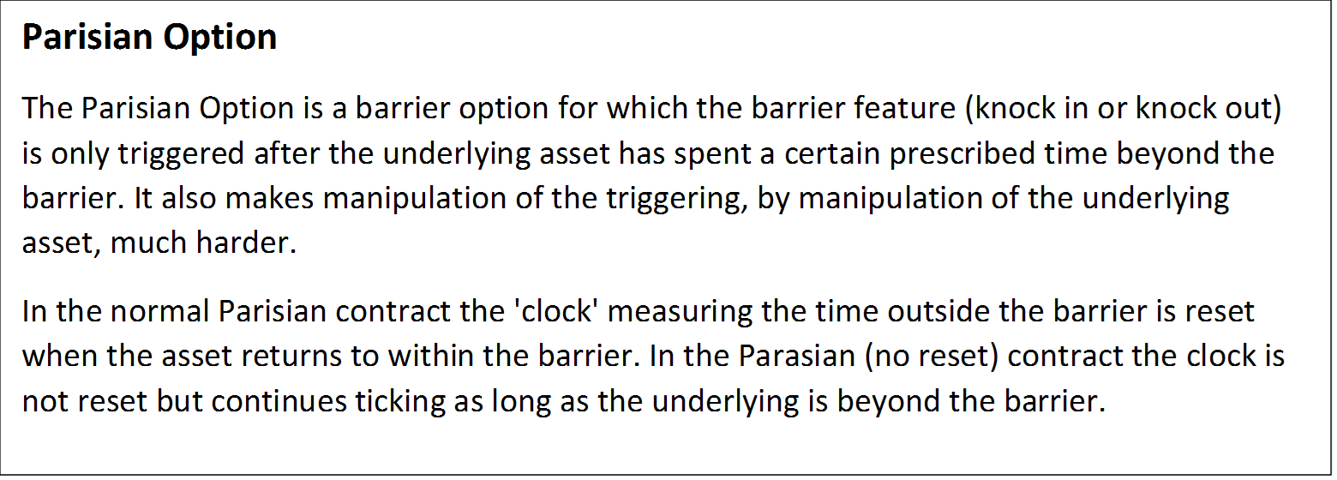

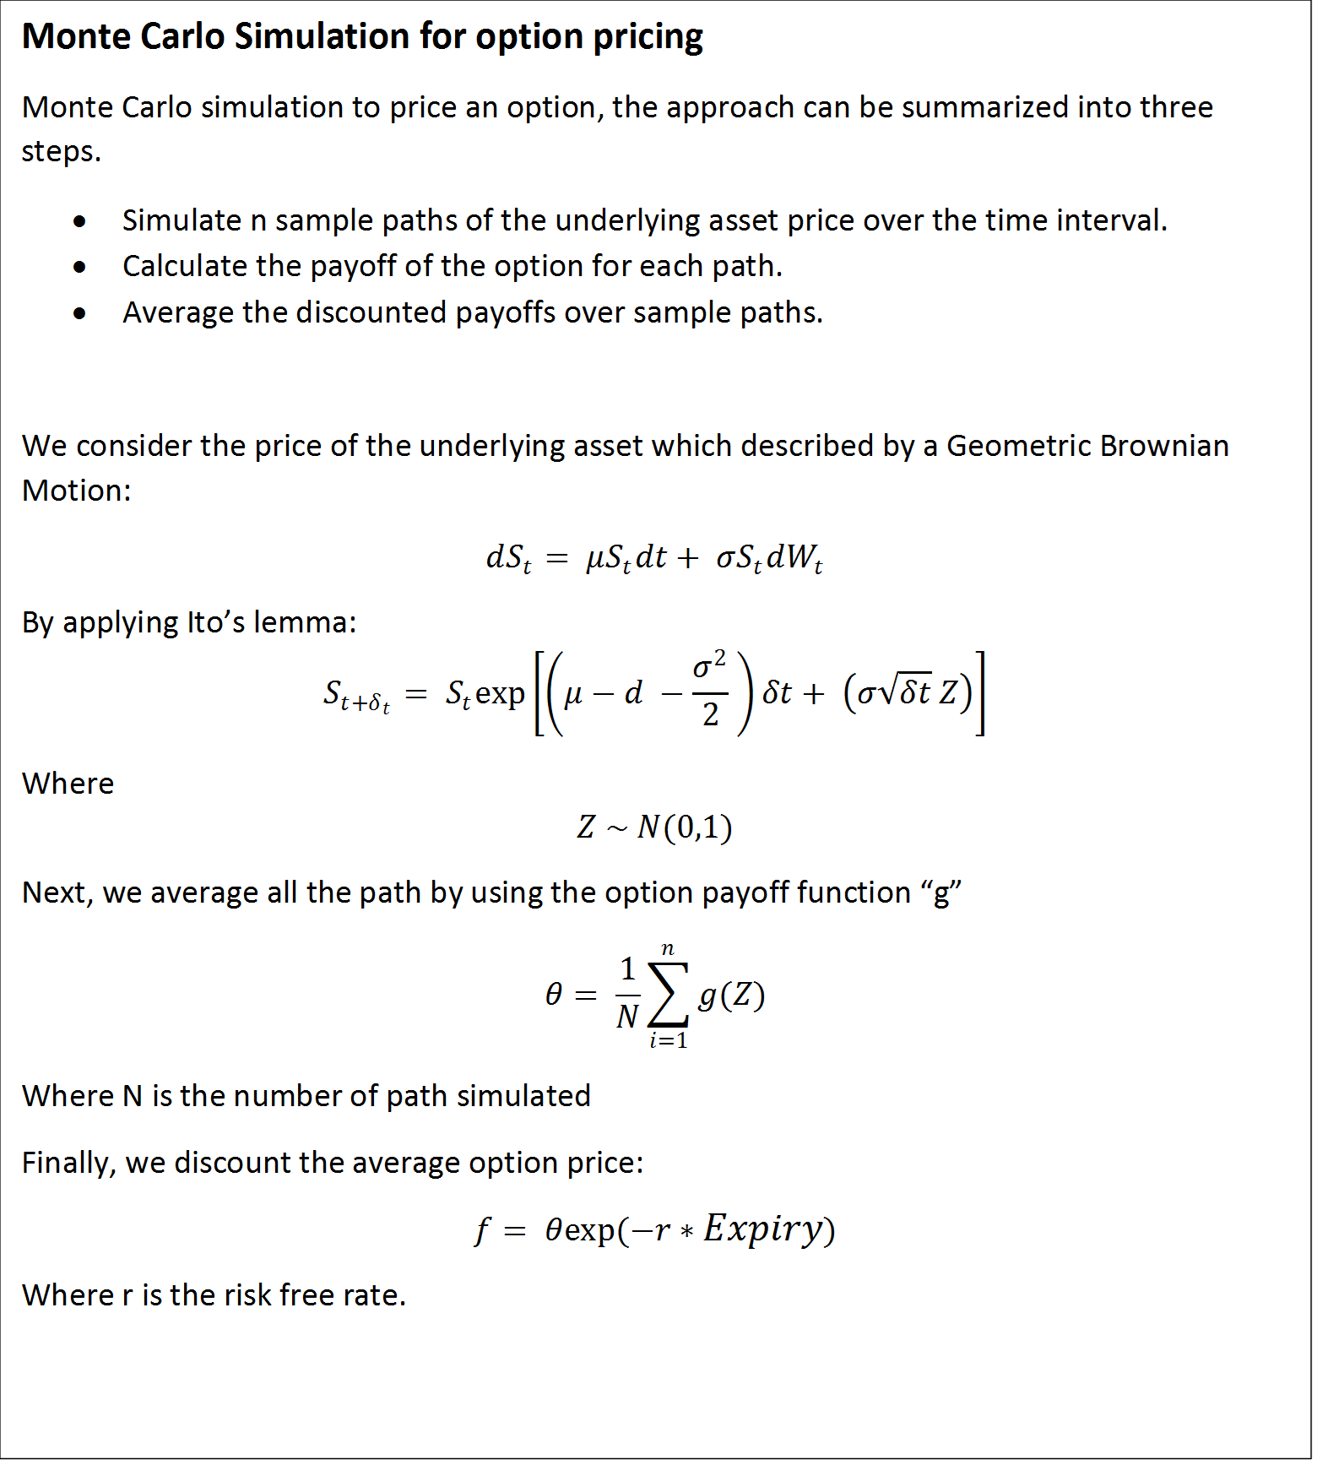

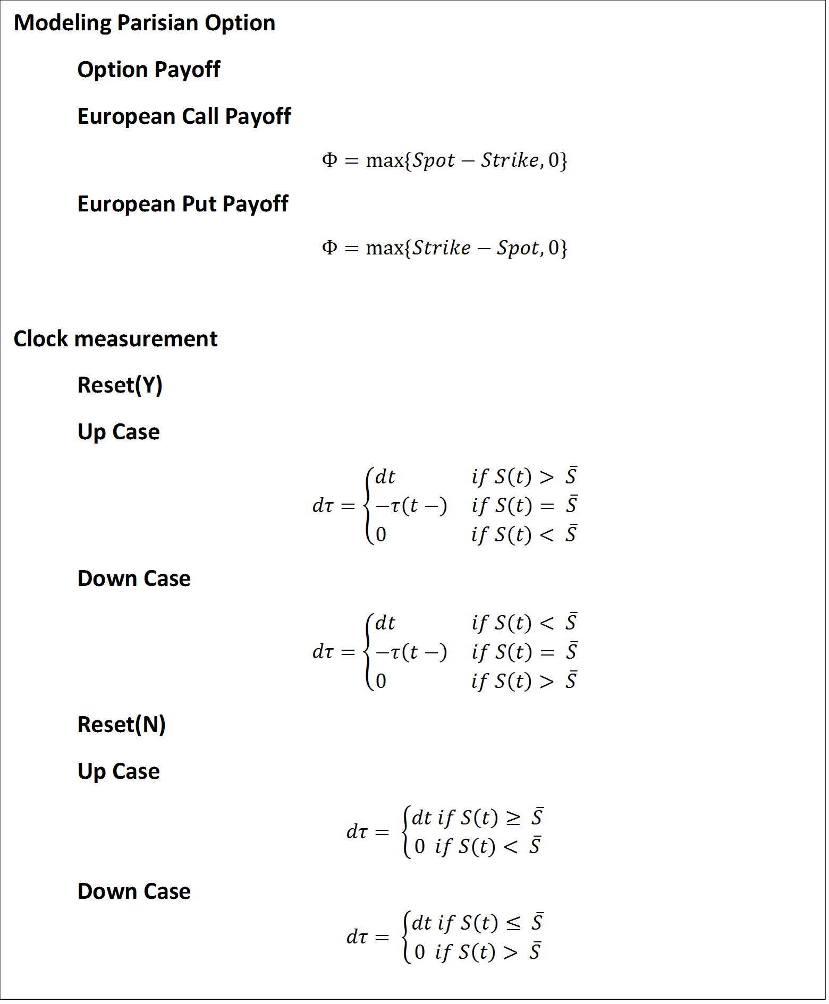

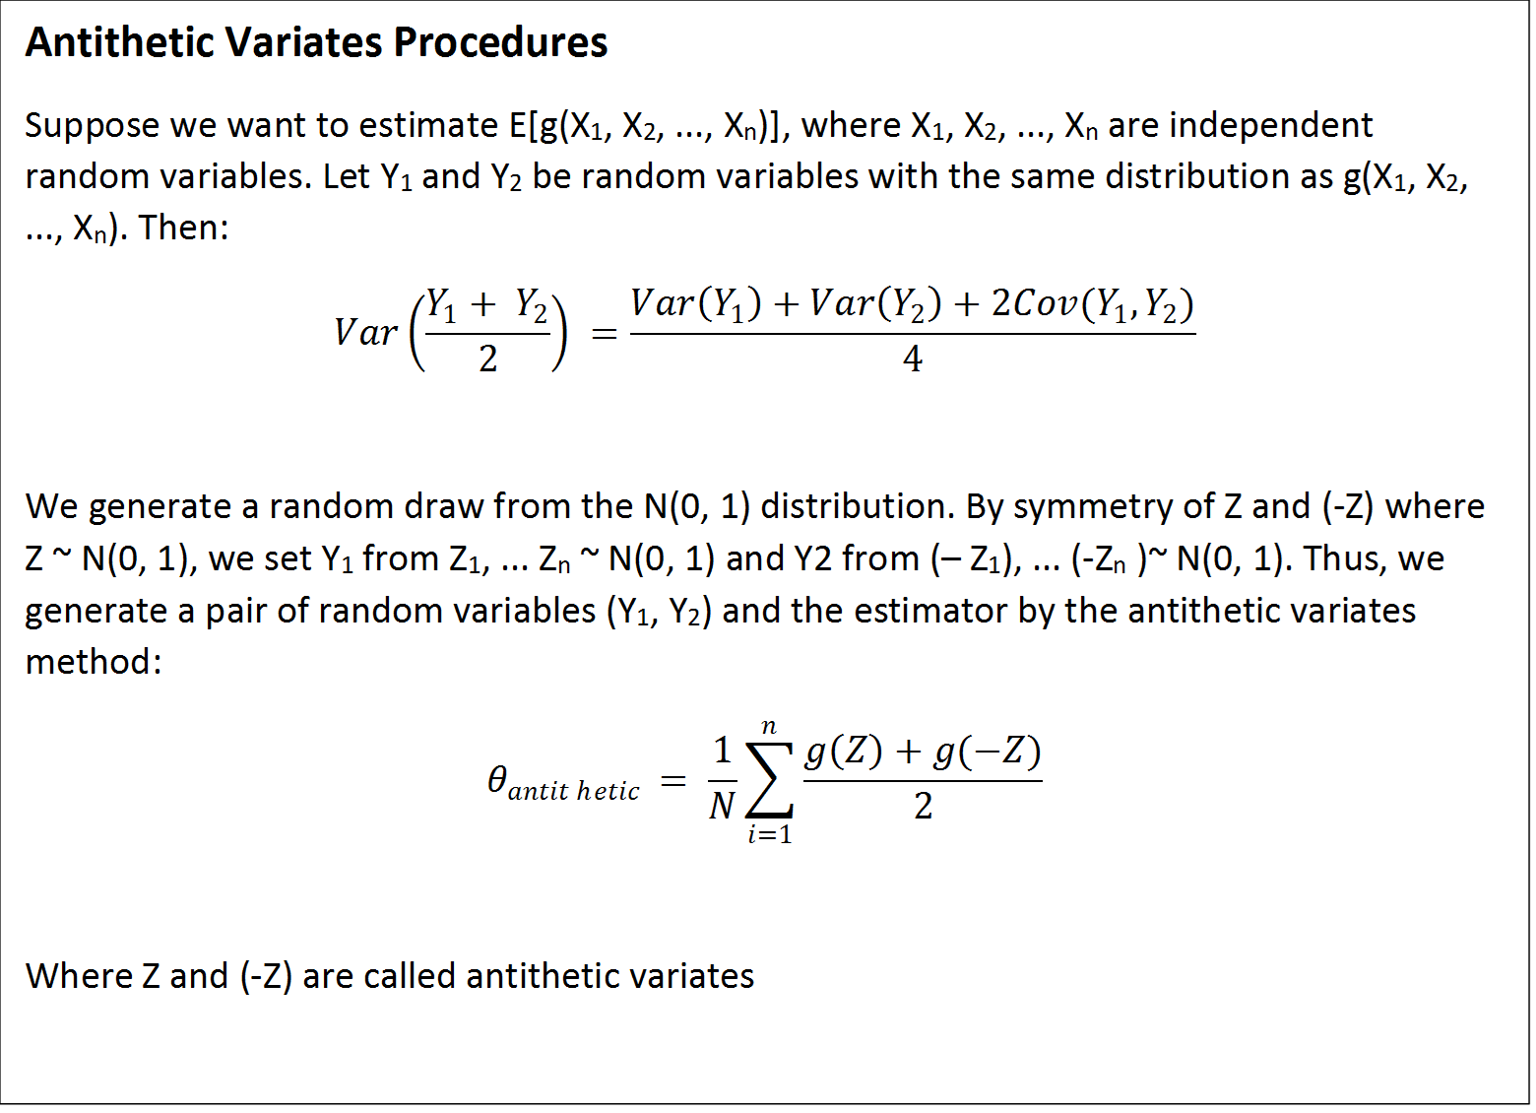

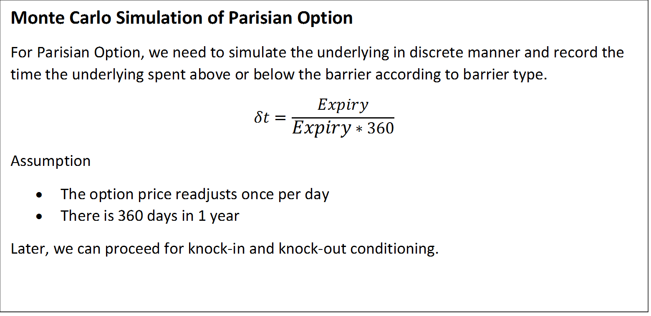



Reference
