Sheet1
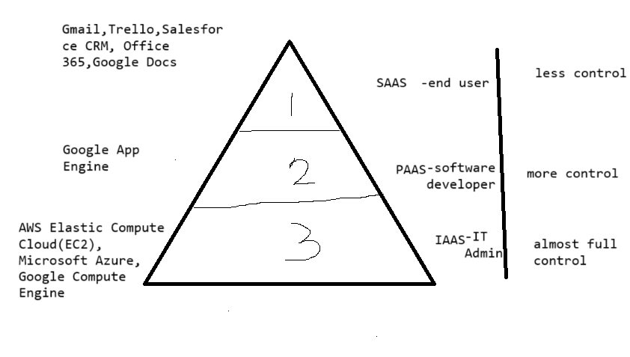
 | SERVERLESS COMPUTING | 2 | 1
 | IAAS | PAAS | SAAS
Packaged Software | InfraStructure | Platform | Software
Applications | Applications | Application | Application
Data | Data | Data | Data
Runtime | Runtime | Runtime | Runtime
Middleware | Middleware | Middleware | Middleware
OS | OS | OS | OS
Virtualization | Virtualization | Virtualization | Virtualization
Servers | Servers | Servers | Servers
Storage | Storage | Storage | Storage
Networking | Networking | Networking | Networking

 | IT Administrators----Most Control | Software Developer-- Less than Infra but more than Software control | End User--very less control

 | You manage

 | Managed by Vendor/Service Provider/Cloud Provider

 | In IAAS, we can rent IT infrastructure like servers and VM(Virtual Machines), storage, networks, OS from a cloud vendor. We can create VM running Windows or Linux and install everything we want. Using IAAS, we don't need to take care about hardware, virtualization software, but other than that , we have to manage everything else. But then we get maximum flexibility. | This service provides and on-demand environment for developing,testing, delivering and managing software apps. The developer is responsible for the app and the PaaS vendor provides t he ability to deploy and run the app. We have less flexibility but the management of the environment is taken care by the cloud vendor | It provides a centrally hosted and managed software services to the end users. It delivers software over the internet, on-demand nd typically follows a subscription model. Ex : Office 365, One Drive, Kindle, Dropbox etc. It is a model where operational cost is minimum.

Sheet2
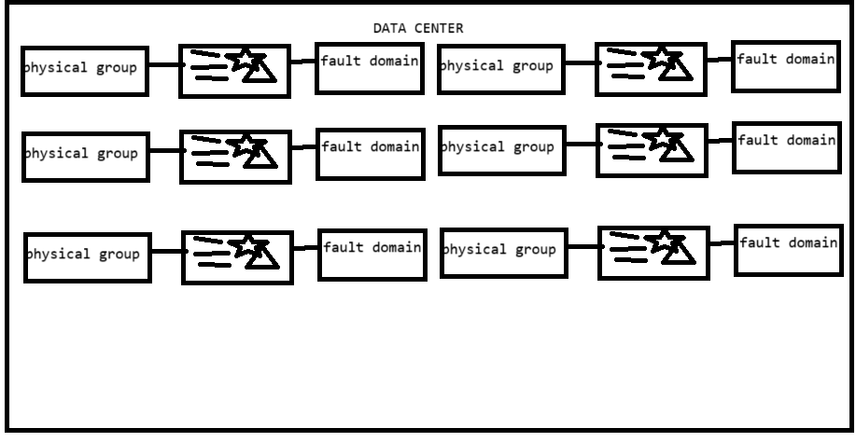
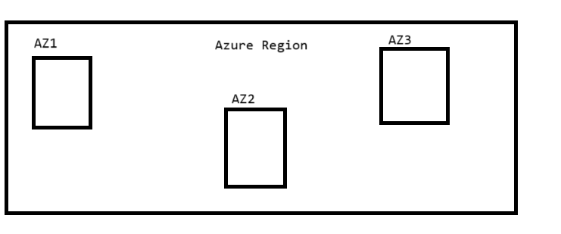
Each Availability Zone has datacenter and each data center has fault and update domains.

