dashboard
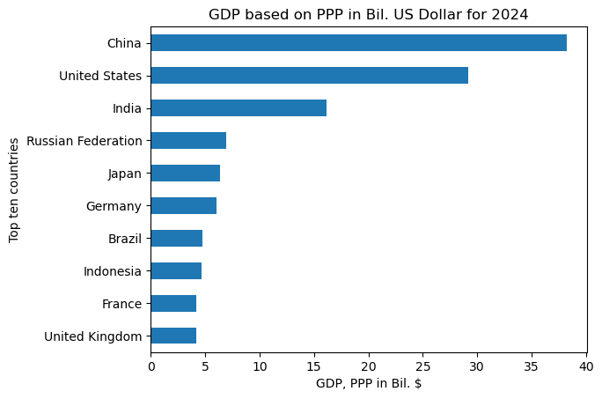
Selected year: | 2024 | A smal dynamic report of top ten countries worldwide by GDP based on PPP, in Excel with Python made by Fazliddin Sultonov
 |  |  | Rank | Countries | GDP, PPP in Bil. $
 |  |  | 1 | China | 38.19
 |  |  | 2 | United States | 29.18
 |  |  | 3 | India | 16.19
 |  |  | 4 | Russian Federation | 6.92
 |  |  | 5 | Japan | 6.41
 |  |  | 6 | Germany | 6.04
 |  |  | 7 | Brazil | 4.73
 |  |  | 8 | Indonesia | 4.66
 |  |  | 9 | France | 4.2
 |  |  | 10 | United Kingdom | 4.2

