Country
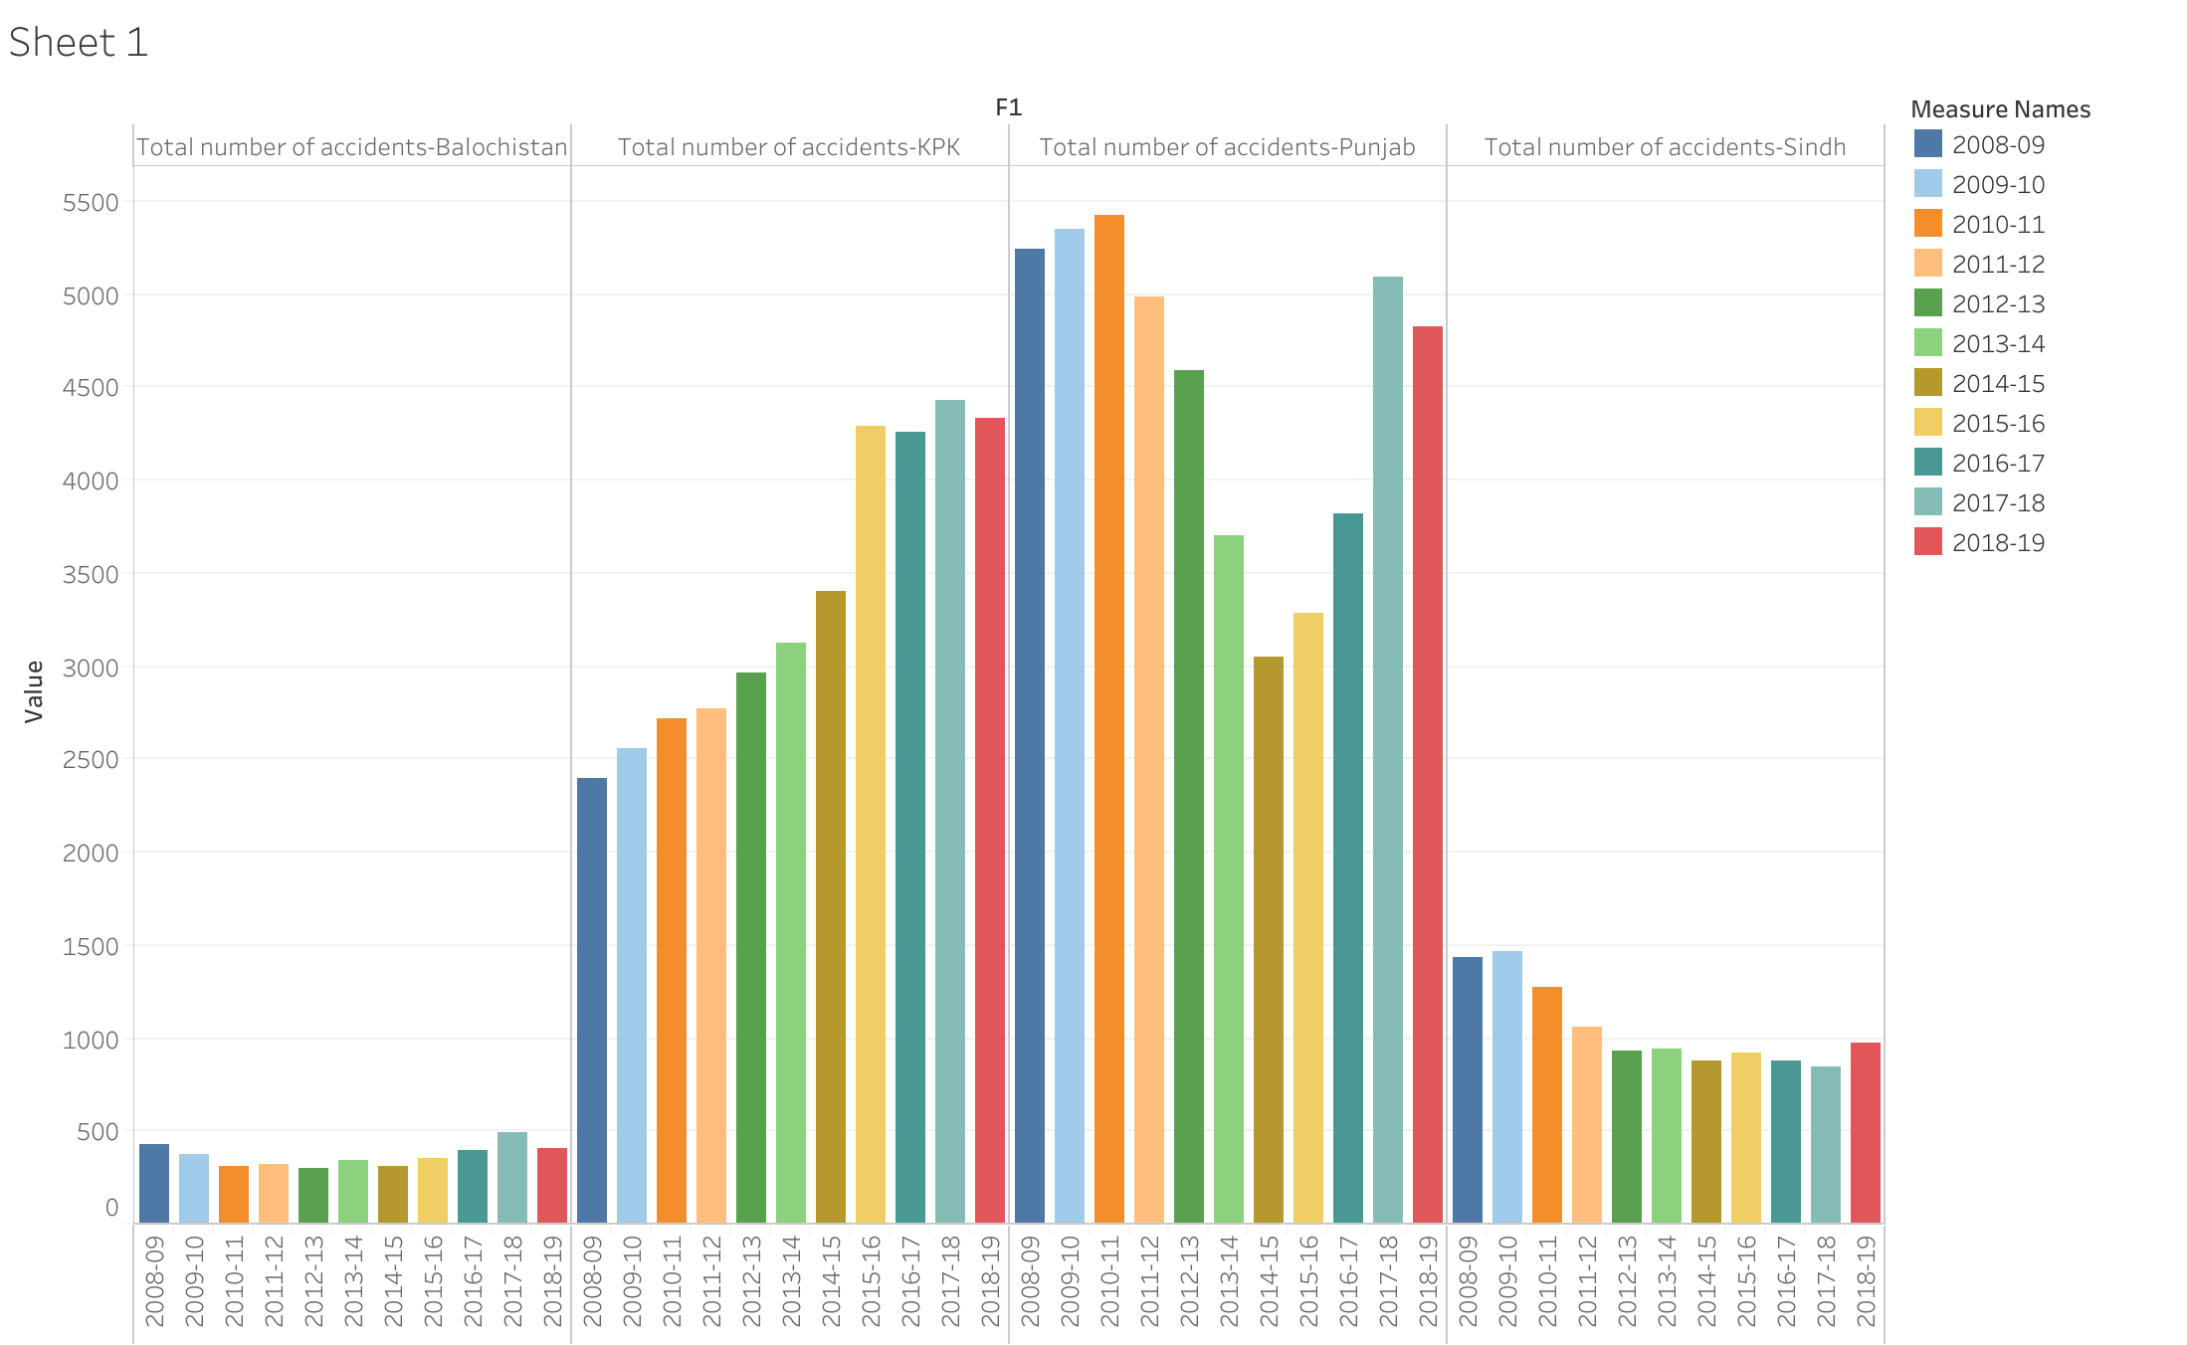
Region | Year | Total number of accidents | Fatal Accidents | Non-Fatal Accidents | Killed | Injured | Total number of vehicles involved
Pakistan | 2008-09 | 9496 | 4145 | 5351 | 4907 | 11037 | 10322
Pakistan | 2009-10 | 9747 | 4378 | 5369 | 5280 | 11173 | 10496
Pakistan | 2010-11 | 9723 | 4280 | 5443 | 5271 | 11383 | 10822
Pakistan | 2011-12 | 9140 | 3966 | 5174 | 4758 | 10145 | 9986
Pakistan | 2012-13 | 8988 | 3884 | 5104 | 4719 | 9710 | 9876
Pakistan | 2013-14 | 8359 | 3500 | 4859 | 4348 | 9777 | 9423
Pakistan | 2014-15 | 7865 | 3214 | 4651 | 3954 | 9661 | 8949
Pakistan | 2015-16 | 9100 | 3591 | 5509 | 4448 | 11544 | 10636
Pakistan | 2016-17 | 9582 | 4036 | 5546 | 5047 | 12696 | 11317
Pakistan | 2017-18 | 11121 | 4829 | 6292 | 5948 | 14489 | 13134
Pakistan | 2018-19 | 10779 | 4878 | 5901 | 5932 | 13219 | 12908

