Events
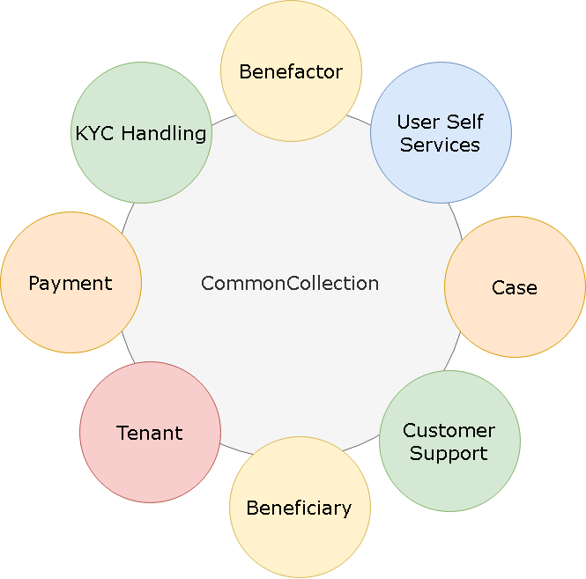
Pre kickoff (Thursday, 2019-JUN-12) | JUN12 - JUN21
1. Walkthrough of identified epics and userstories |  |  | User Self Service | Register | Login | Forgot Password | Change Password | Profile Edit
2. Set the priority/stack ranking |  |  | Beneficiary | Public Profile
3. Brainstorm for initial 3 sprints epics and userstories – a draft only |  |  | Benefactor | Public Profile
4. Breakdown during discussion if possible |  |  | Case | Create | Edit | View | List | Workflow | Review/Rating
Phase 0: Design phase (3-4 weeks, may extend also) | JUN17 - JUL12 |  | KYC Handling | Upload KYCs | Vew KYCs | KYC Workflow
1. Architecture design (ongoing) | MEANS |  | Payment | Methods | Payment | View | History | Logs
2. Infrastructure – identify Prod, Dev | AWS/S3 |  | Customer Support | Create Ticket | View Ticket | Ticket Workflow
3. Feasibility of technical required component(s) only | Inprogress |  | Tenant
4. Low level design for required component(s) only | Inprogress
5. Brainstorm for initial 3 sprints epics and userstories (2-3 iteration is possible) – finalization | Pending
6. Backlog grooming – reprioritize, identify the spikes, do further breakdown, size the user story | Pending
7. Framework development (at least mandatory components must be finished, rest all can be taken later in sprints as spikes) | Inprogress
Phase 1 onwards – sprints (2 weeks, iterative sprints)
1. Sprint planning and identify the goal | JUN12 - JUL19
2. Daily scrum/standup
3. Backlog grooming – reprioritize, identify the spikes, do further breakdown
4. Sprint review/demo
5. Sprint retrospective
Sprint 1 | JUL22 - AUG09 | Case listing, case view, beneficiary view, benefactor view

Sprint 2 | JUL12 - AUG30 | Case Onboarding, Show Location, Rate and Review, Show rating history, Donors and Donation Received

Sprint 3 | SEP02 - AUG20 | Case Upload and preview photos, discussion (FB), case-social media like and share, Payment-Cryptocurrency, QA

QA, Bugfixes
Sprint 4 | SEP23 - OCT11 | Payment integration pendings, Bug fixes, UAT

QA, UAT, Bugfixes
Sprint 5 | OCT14 - OCT31 | Support

