Sheet1
Test | Result | Evidence
When selecting an invalid option | Prints: I don't recognise that. Please try again later. My menu prints again
Print the names | Prints the name as I expect | 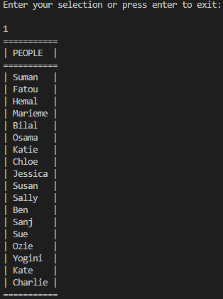
When promted to press enter to continue | Prints menu to allow users continue
Print the drinks |  | 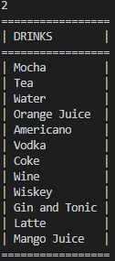
Input names | Follows my format type. Does not allow repeat so Name has to be unique | 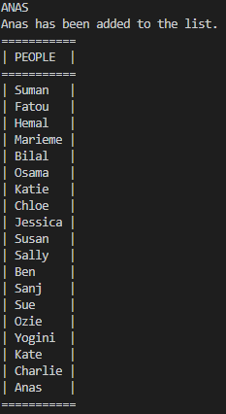
Input drinks | Follows my format type. Allow repeat | 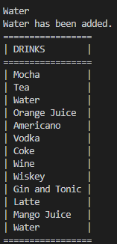
Set Preference
Print out preference |  | 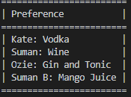
Exit | Saved my pref

