Parent-Codacy
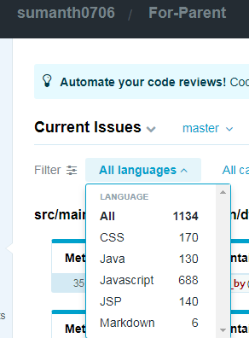
Parent Componet -Codacy errors

Type of error | No of Errors | Action to be Taken
Java Errors | 130
JSP Errors | 140

Java Errors Types | 130

Method names should not contain underscores | 104 | Can be Ignored
Unused Imports | 19 | Try removing them and see if any errors
Avoid calling toString() on String objects; this is unnecessary. | 1 | Changed that code
Avoid unused private fields such as 'oracle_pwd'. | 1 | Can be Ignored
Use one line for each declaration, it enhances code readability. | 1 | Changed that code
Avoid unused private fields | 4 | Try removing them and see if any errors
JSP Error Types | 140
Using unsanitized JSP expression can lead to Cross Site Scripting (XSS) attacks | 34 | can be ignored
Do not use an attribute called class. | 94 | can be ignored
Avoid having long scripts (e.g. Javascript) inside a JSP file. | 5 | Can be ignored, a separate CCS and html can't be created for every .jsp file
Use JSP comments instead of HTML comments | 2 | Can be ignored, a separate CCS and html can't be created for every .jsp file
JSP file should use UTF-8 encoding | 5 | Can be ignored, a separate CCS and html can't be created for every .jsp file

