Google Sprint Task Sheet
 |  |  |  | Week #1 (14 hrs / week) |  |  |  |  |  |  | Week #2 (14 hrs / week) |  |  |  |  |  |  | Week #3 (14 hrs / week)
 |  |  | Initial Estimate (Total Sprint Hours = 32 x 4) | D1D1 | D2 | D3 | D4 | D5 | D6 | D7 | D8 | D9 | D10 | D11 | D12 | D13 | D14 | D15 | D16
 |  |  |  | 2019-04-24 | 2019-04-25 | 2019-04-26 | 2019-04-27 | 2019-04-28 | 2019-04-29 | 2019-04-30 | 2019-05-01 | 2019-05-02 | 2019-05-03 | 2019-05-04 | 2019-05-05 | 2019-05-06 | 2019-05-07 | 2019-05-08 | 2019-05-09
Backlog Item | Task | Task Owner | Initial Estimates | 160
 |  |  | 128 | 160
Create Github Project Repo for team | Create Github Project Repo for team and provide access to team members | Sumanth Ravipati | 1 | 0 | _ | _ | _ | _ | _ | _ | _ | _ | _ | _ | _ | _ | _ | _ | _
Application Design | Design Business Logic | Zankhna Randeri | 3 | 2 | 1 | 0 | _ | _ | _ | _ | _ | _ | _ | _ | _ | _ | _ | _ | _
 |  | Harshit Nagpal | 3 | 2 | 1 | 0 | _ | _ | _ | _ | _ | _ | _ | _ | _ | _ | _ | _ | _
 | Analysing the optimal design patten for problem statement | Sumanth Ravipati | 3 | 2 | 1 | 0 | _ | _ | _ | _ | _ | _ | _ | _ | _ | _ | _ | _ | _
 |  | Shilpi Kumari | 3 | 2 | 1 | 0 | _ | _ | _ | _ | _ | _ | _ | _ | _ | _ | _ | _ | _
Implement APIs | Add Cards API - Implement a REST API on top of the Starbucks Library to enable Adding Cards | Sumanth Ravipati | 20 | 20 | 20 | 20 | 18 | 16 | 15 | 12 | 10 | 8 | 5 | 4 | 2 | 0 |  | _ | _
 | Managed Order API - Implement a REST API on top of the Starbucks Library to Manage Orders | Zankhna Randeri | 20 | 20 | 20 | 20 | 19 | 17 | 15 | 13 | 11 | 9 | 7 | 4 | 3 | 0 |  | _ | _
 | Payment API - Implement a REST API on top of the Starbucks Library to enable Payments | Shilpi Kumari | 20 | 20 | 20 | 20 | 17 | 16 | 13 | 12 | 10 | 7 | 5 | 3 | 2 | 0 |  | _ | _
 | Other APIs - Login and Sign Up | Harshit Nagpal | 20 | 20 | 20 | 20 | 19 | 16 | 14 | 11 | 10 | 8 | 6 | 4 | 1 | 0 |  | _ | _
Complete Unit Testing | Do unit testing for all the APIs | Shilpi Kumari | 2 | 2 | 2 | 2 | 2 | 2 | 2 | 2 | 2 | 2 | 2 | 2 | 2 | 2 | 0 | _ | _
 |  | Harshit Nagpal | 2 | 2 | 2 | 2 | 2 | 2 | 2 | 2 | 2 | 2 | 2 | 2 | 2 | 2 | 0
Test all the APIs together | Test all the APIs together | Zankhna Randeri | 4 | 4 | 4 | 4 | 4 | 4 | 4 | 4 | 4 | 4 | 4 | 4 | 4 | 4 | 2 | 0 | _
 |  | Sumanth Ravipati | 4 | 4 | 4 | 4 | 4 | 4 | 4 | 4 | 4 | 4 | 4 | 4 | 4 | 4 | 2 | 0 | _
Deploy APIs on AWS cloud using EC2, Load Balancer and Docker Container | Deploy API to AWS in an Auto Scaled EC2 Cluster with Load Balancer | Shilpi Kumari | 2 | 2 | 2 | 2 | 2 | 2 | 2 | 2 | 2 | 2 | 2 | 2 | 2 | 2 | 2 | 0 | _
 |  | Zankhna Randeri | 2 | 2 | 2 | 2 | 2 | 2 | 2 | 2 | 2 | 2 | 2 | 2 | 2 | 2 | 2 | 0 | _
 | Deploy API to AWS as Docker Containers in Amazon Containers | Sumanth Ravipati | 3 | 2 | 2 | 2 | 2 | 2 | 2 | 2 | 2 | 2 | 2 | 2 | 2 | 2 | 2 | 1 | 0
 |  | Harshit Nagpal | 3 | 2 | 2 | 2 | 2 | 2 | 2 | 2 | 2 | 2 | 2 | 2 | 2 | 2 | 2 | 1 | 0
Write Documentation | Architecture Diagram | Zankhna Randeri | 3 | 3 | 3 | 3 | 3 | 3 | 3 | 3 | 3 | 3 | 3 | 3 | 3 | 3 | 3 | 3 | 0
 | Weekly Status Report | Shilpi Kumari | 5 | 5 | 5 | 5 | 5 | 5 | 5 | 3 | 3 | 3 | 3 | 3 | 3 | 3 | 1 | 1 | 0
 | Project Demo Presentation | Harshit Nagpal | 4 | 4 | 4 | 4 | 4 | 4 | 4 | 4 | 4 | 4 | 4 | 4 | 4 | 4 | 4 | 2 | 0
 | Burndown Chart | Sumanth Ravipati | 2 | 1 | 1 | 1 | 1 | 1 | 1 | 1 | 1 | 1 | 1 | 1 | 1 | 1 | 1 | 1 | 0
 |  |  | 135
 |  |  | Remaining Hrs (Total) | 121 | 117 | 113 | 106 | 98 | 90 | 79 | 72 | 63 | 54 | 46 | 39 | 31 | 21 | 9 | 0

Team:
Shilpi Kumari | 14 hours / Week
Zankhna Randeri | 14 hours / Week
Harshit Nagpal | 14 hours / Week
Sumanth Ravipati | 14 hours / Week
Total Available Hours During Sprint: | 128

Burndown Chart

Burndown Chart

Days | Hours of Work Remaining | Estimated hours
Day 1 | 121 | 135
Day 2 | 117 | 126
Day 3 | 113 | 117
Day 4 | 106 | 108
Day 5 | 104 | 99
Day 6 | 100 | 90
Day 7 | 79 | 81
Day 8 | 72 | 72
Day 9 | 63 | 63
Day 10 | 54 | 54
Day 11 | 46 | 45
Day 12 | 39 | 36
Day 13 | 31 | 27
Day 14 | 21 | 18
Day 15 | 13 | 9
Day 16 | 0 | 0

Story Board Tracker
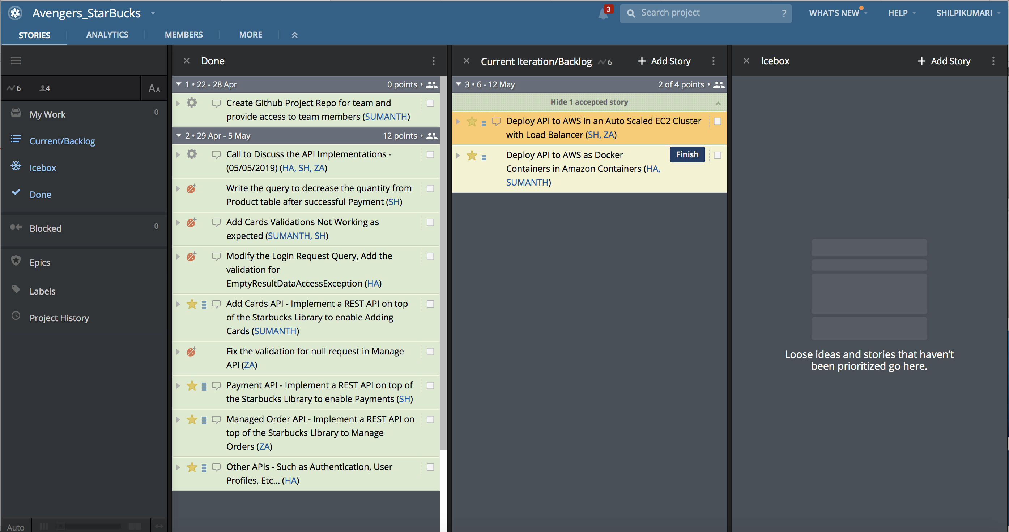
Icebox: Stories which are confirmed and yet to start
Current Iteration/Backlog: Current week user stories and their progress
Done: Completed stories

GitHub Commit
