1
Office Depot to Return on/off switch
In the discrepancies, when there are goods to be returned, the vendor has an option to either collect or ask Office Depot to return.
We'd like to have a toggle per site where user can turn off the OD Return option.
This would mean when there is a collection for a site set to OFF, only COLLECT and DISPOSE would be available.

This option to appear in discrepancy's Miscellaneous Settings screen.

OD to Return Settings

 | Office Depot to Return available for vendor returns?

The workflows will then work in the same way as per current, the only difference will be that the OD Return Flow will not be used.

2
Connect Confirm PO Arrival to PO Reconciliation
In the Confirm PO Arrival section of Booking/Delivery sceen, we can state whether a PO has arrived. We then go on to do a similar thing in PO Reconciliation so it would be a good idea to have an option
to link these two screens up to stop duplication of work.

To join these up, we propose adding a new button to SAVE and BACK which would allow user to update PO Reconciliation at the same time and also send the same Chase mail as that same report.

Email Vendor
SAVE
BACK

NB. User can only email the vendor if one or more of the PO's is set to Not Delivered. We will not email the vendor to say everything has arrived

When we Email Vendor, this to bring up a pop up screen showing the Chase letter with some text at the top

SEND

 | The below mail will be sent to the vendor advising them that the below Purchase Orders were not delivered
 | Please note that once sent, these PO's cannot be reset as being delivered
 | Also, these PO's will be set to chased on the PO Reconcilation
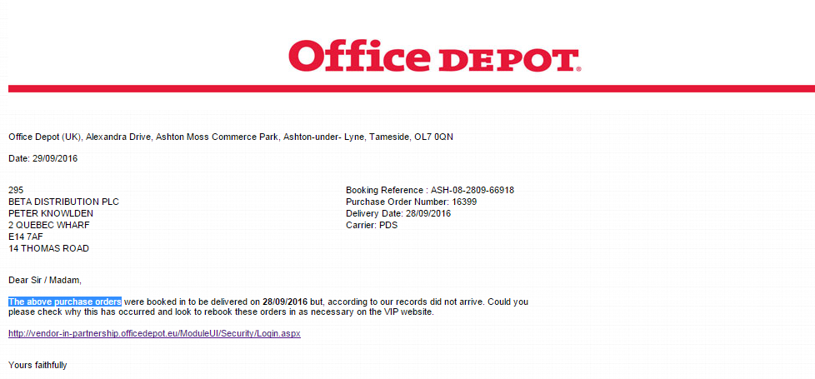

When the user does this, the mail will be sent and the PO's submitted as not delivered will not be allowed to be edited. User can still change status of other PO's that have not been chased.

Also, when the mail has been sent for a PO, this will show in PO Reconciliation as CHASE STATUS = CLOSED and with a hyperlink to the letter sent.

4a
Dual Volumes
We would like an option where we can create two profiles for a sites so that they can have a regular volume and one other setting. This may be a peak setting where volume goes much higher or a setting
for the low season where volume drops.

This would not affect all settings, just a small number of screens, mainly what is in Capacity Settings

Eg
Week Settings
Delivery Constraints
Door Constraints
Time Windows
Fixed Slots

Each setting would have a regular and alternate setting.
In the example below, user selects their site and then can switch between standard and alternate capacities

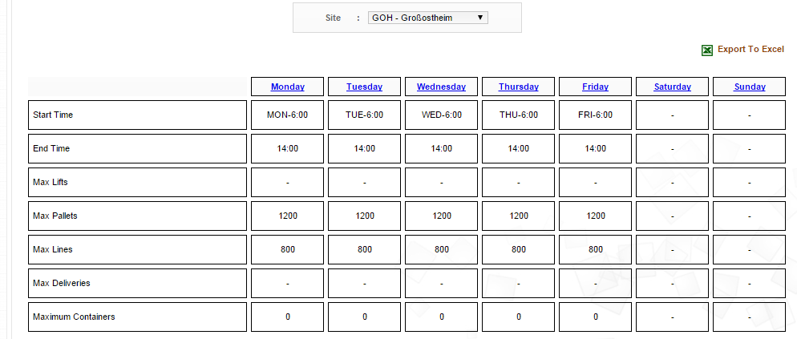

To begin with, Standard and Alternate settings to be identical. It is up to the sites to then set edit the alternate views. Once done, there to be a new option to assign these volumes to weeks of the year
Whenever user enters any of these screens, these are to be defaulted to STANDARD.

6
Alternate Option for detailed OTIF report
We would like an alternate view of the detailed OTIF Report. Whilst the current view is good for displaying information to our vendors, it is not very user friendly for our end users when
they are trying to manipulate the data.

To resolve this we would like a new version to run alongside the current version with the below changes (see next tab for an example)

1. Remove logo and report criteria, first row in new version to show column headers

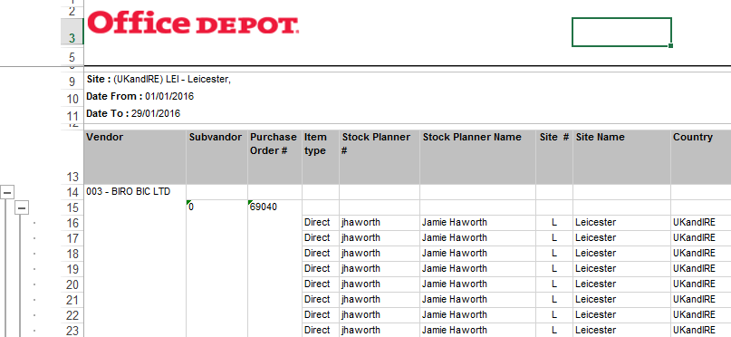

2. Remove all grouping and merging of cells

3. Remove empty columns. These are not visible above but when cells are unmerged, there around 4 completely blank columns in the middle of the data

Search Criteria
When user selects report type Detail, this to give the user a new additional option where they can select between the old and new views

The user is to select between the Vendor View (the current OTIF report) or Stock Planner view (the new view)

