Sheet1
LogIn
 | Registration No. |  | 12345
 | Password |  | *****

Dashboard
 |  |  | Todays Date : 05-06-2023
 |  |  | Center/Clinic Name : <Drop Down> | BBH
 |  |  | Select Span : <Drop Down> | Today

 | Smart Data Analysis

 | View Appointment's & Schedule
 | Schedule Appointments : 13
 | New Patient Registration : 8
 | Patient Visit : 11
 | OT Scheduled : 4

 | Patient Visit Trend
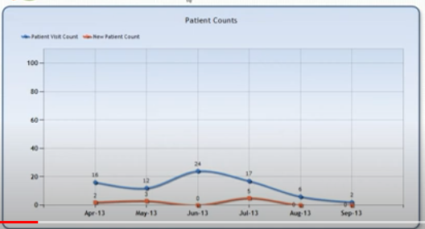

 | Income Breakdown
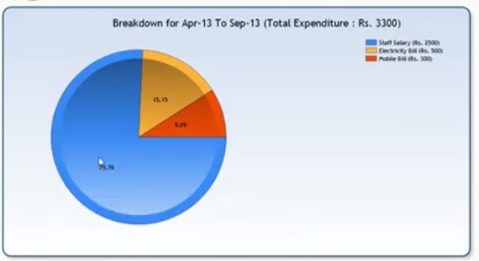

Doctor Profile

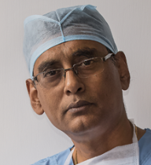
 | Registration No. * |  | 123456
 | Name * |  | Dr. Pallab Saha
 | Profile Photo |  | Browse
 | Gender |  | Male
 | Mobile (Primary) * |  | 9830088321
 | Mobile (Alternative)
 | Email |  | pallscalpell@gmail.com | drpallabsaha20@gmail.com
 | Website |  | https://drpallabsaha.com/

 | Signature Details |  | Dr. Pallab Saha M.B.B.S., M.S. Sr. Consultant General & Laparascopic Surgery

 | Choose a Password *
 | Confirm Password *
 |  |  |  | Save

Multi Center setup
 |  | Code | Centre Name
 |  | BBH | Balananda Brahmachari Hospital And Research Centre
 |  | RGS | RG Stone Urology & Laparoscopy Hospital
 |  |  |  | Add New

Master Data
Group I | Drug Allergy |  | Drug Allery : Succinylcholine | Add
 | Illness History |  | 1 Mivacurium
Group II | Major Complain |  | 2 Atracurium
 | Observation |  | 3 Vecuronium
 | Advice Given
Group III | Diagnosis |  | Illness History : Insulin Dependent Diabetes Mellitus | Add
 | Investigation |  | 1 Acidosis
 | Medicine |  | 2 Acute Dilatation
 | Special Condition |  | 3 Malnutrition
 | Procedure
 | Reffered To

