Sheet1
Doctor Profile

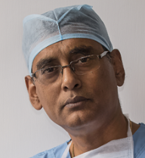
 | Registration No. * |  | 123456
 | Name * |  | Dr. Pallab Saha
 | Profile Photo |  | Browse
 | Gender |  | Male
 | Mobile (Primary) * |  | 9830088321
 | Mobile (Alternative)
 | Email |  | pallscalpell@gmail.com | drpallabsaha20@gmail.com
 | Website |  | https://drpallabsaha.com/

 | Signature Details |  | Dr. Pallab Saha M.B.B.S., M.S. Sr. Consultant General & Laparascopic Surgery

 | Choose a Password *
 | Confirm Password *

Multi Center setup
 |  | Code | Centre Name
 |  | BBH | Balananda Brahmachari Hospital And Research Centre
 |  | RGS | RG Stone Urology & Laparoscopy Hospital
 |  |  |  | Add New

