Data
 |  |  |  |  |  | Confusion Matrix
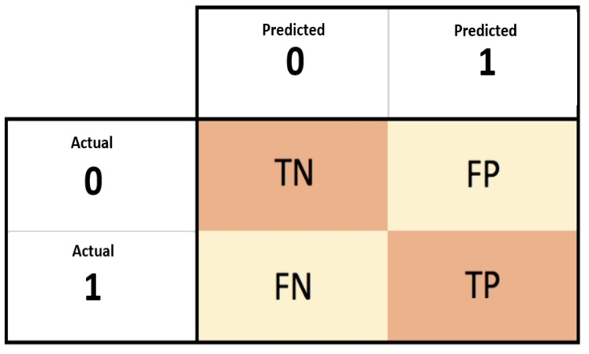

 |  |  |  | Predicted (0) | Predicted (1)
 | Train confusion matrix data |  | Actual (0) | 3745 | 388
 |  |  | Actual (1) | 819 | 682

 | Test confusion matrix data |  |  | Predicted (0) | Predicted (1)
 |  |  | Actual (0) | 934 | 107
 |  |  | Actual (1) | 212 | 156

 | User Current Version |  | 3.8.5

 | gender | SeniorCitizen | Partner | Dependents
0 | Female | 0 | Yes | No
1 | Male | 0 | No | No
2 | Male | 0 | No | No
3 | Male | 0 | No | No
4 | Female | 0 | No | No
5 | Female | 0 | No | No
6 | Male | 0 | No | Yes
7 | Female | 0 | No | No
8 | Female | 0 | Yes | No
9 | Male | 0 | No | Yes
10 | Male | 0 | Yes | Yes
11 | Male | 0 | No | No
12 | Male | 0 | Yes | No
13 | Male | 0 | No | No
14 | Male | 0 | No | No
15 | Female | 0 | Yes | Yes
16 | Female | 0 | No | No
17 | Male | 0 | No | Yes
18 | Female | 0 | Yes | Yes
19 | Female | 0 | No | No

