Sheet1
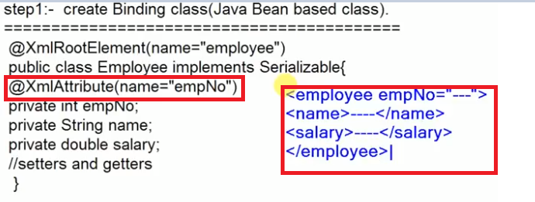
JAX-B
Java Architecture for XML binding

Uses
 | JAX-B API is used to convert java object into XML and XML into java object.
 | Converting of Java Object into XML ====>>>> Marshalling
 | Converting of XML into Java Object ====>>>> Un-Marshalling

What is the need to convert Java Object into XML and XML into Java Object
 | Suppose we are creating a web service application in Java Technology.
 | Web service application generally takes a request and gives a response in the form of XML
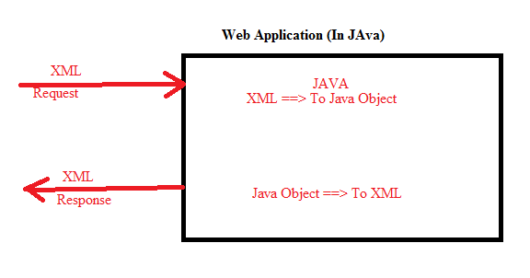

What is the need to convert Java Object into XML and XML into Java Object
 | Suppose we are creating a web service application in Java Technology.
 | Web service application generally takes a request and gives a response in the form of XML

Steps required to implement JAX-B API
Step-1 | Create a binding class (This binding class is one of the Java Bean based clsass)
Step-2 | Define the mapping between java programming elements to XML (The mapping we can define using JAXB annotations)
Step-3 | Write the logic for Marshalling or for Un-Marshalling as per our requirement

Step-1 Explanation (Binding class) |  |  | Step-2 Explanation (Mapping)
 |  |  | What is the need to mapping
 | public class implements Serializable |  | While converting the Java Object into XML we need to tell which one is the root element, attribute, child element, order of the child element,
 | { |  | this information can be done by JAXB mapping
 |  | private int empNo; | To define the mapping JAXB provides many number of annotations like
 |  | private String name; | 1/ @XmlRootElement ====>> To define the mapping b/w Java class to generated XML root element
 |  | private double salary; | 2/ @XmlElement
 |  | // setters and getters | 3/ @XmlAttribute
 | }

In @XmlRootElement ====>>>> while converting employee object into XML, empleoyee (classname) will be coming as root element
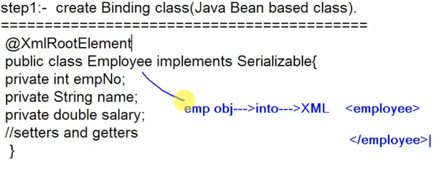

If we define emp name as an attribute of @XmlRootElement then it will be displayed in XML as
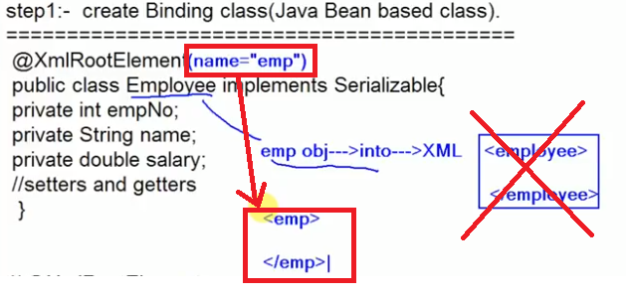

When we don’t define any maping for the variables then by default these variables will come as child elements in XML
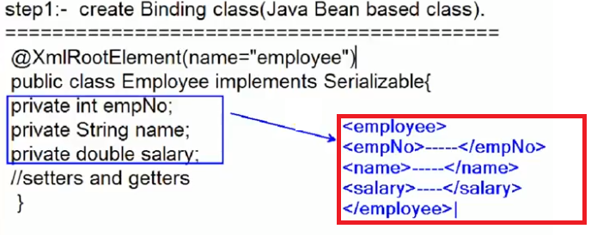

Use of @XmlAttribute and @XmlElement
In the below example empNo is attribute of employee element

