Architecture Diagram
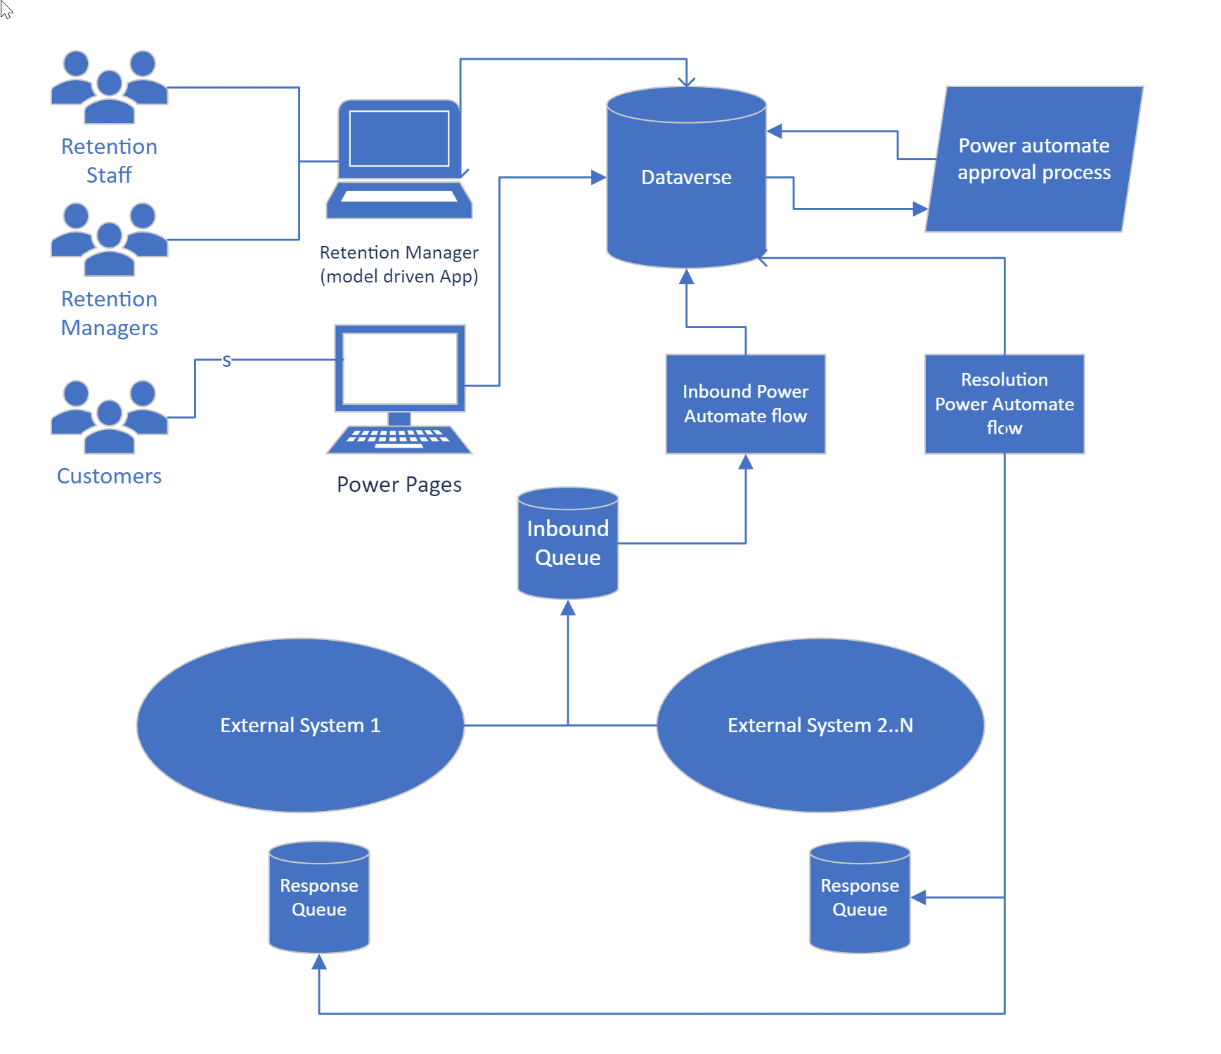
Insert your high level architecture diagram here

Data Model
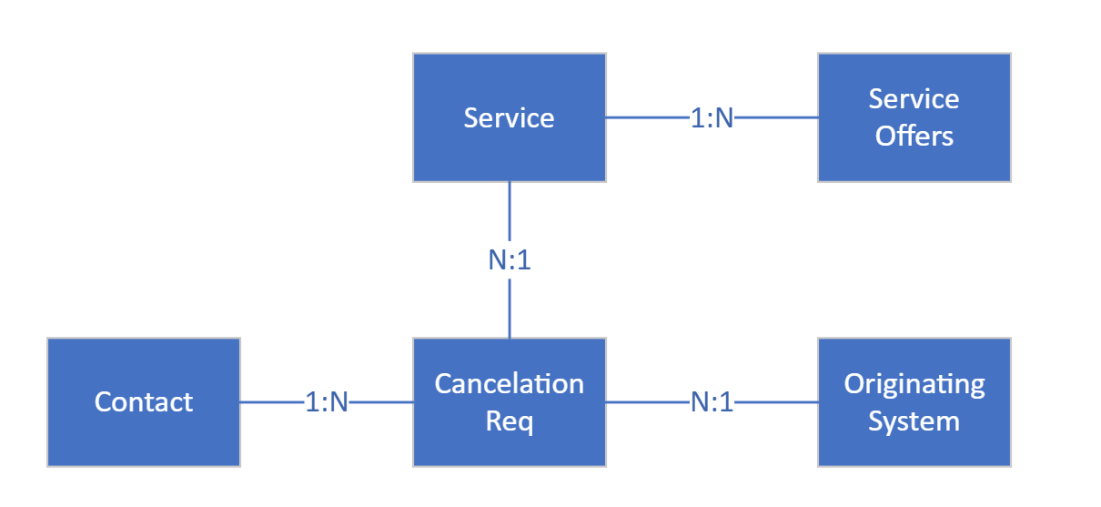
Insert your high level data model diagram here

ALM
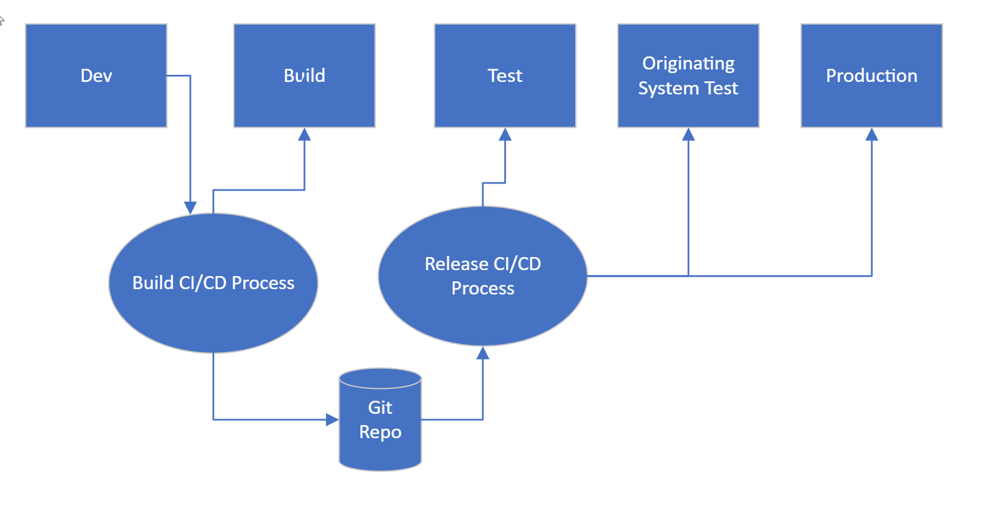
Insert your high leve ALM plan here

