FE_CiFEr
One-time setup time (2048-bit modulus and 16-bit data-item) |  |  |  | Data-access time |  |  |  | Data-transfer amount

Number of attributes | Start-time | End-time | Time taken | Number of attributes | Start-time | End-time | Time taken | Number of attributes | Original datafile size | Number of bytes
20 | 893526 | 1063216 | 169690 | 20 | 63236 | 1109275 | 1046039 | 20 | 841 | 53824
40 | 116097 | 434549 | 318452 | 40 | 434570 | 1888266 | 1453696 | 40 | 1599 | 102336
60 | 897125 | 1372356 | 475231 | 60 | 372375 | 2193285 | 1820910 | 60 | 2356 | 150784
80 | 203981 | 845956 | 641975 | 80 | 845973 | 2937478 | 2091505 | 80 | 3124 | 199936
100 | 950020 | 1738381 | 788361 | 100 | 738398 | 3021571 | 2283173 | 100 | 3879 | 248256

How to run the test?
 | Modify damgrad.c file as required
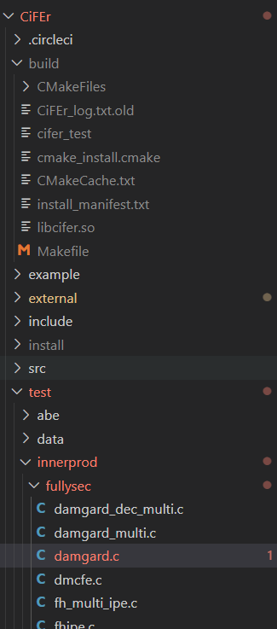

 | Then: according to https://github.com/fentec-project/CiFEr
 |  | Build

 | To run the tests, run:
 |  | make test

IEEE_CSR_Comp
Parameters used:
 |  | Without any privacy: |  |  |  |  |  |  |  |  |  |  |  |  |  |  |  |  |  |  | 1.97E-05
 |  | Ours |  |  |  |  |  |  |  |  |  |  |  |  |  |  |  |  |  |  | 2.74E-05
 |  | ABY-2PC |  |  |  |  |  |  |  |  |  |  |  |  |  |  |  |  |  |  | 0.000406488
 |  | CiFEr |  |  |  |  |  |  |  |  |  |  |  |  |  |  |  |  |  |  | 0.0016545
 |  |  |  |  |  |  |  |  |  |  |  |  |  |  |  |  |  |  |  |  | 0.013666
Compared the one function setup time, which does not change with data-items
One-time-setup time |  |  |  |  |  |  |  |  |  |  |  |  |  |  |  |  | Original data-transfer time |  |  |  |  |  | Time to compute on data

 | Without any privacy | BPPM | ABY-2PC | CiFEr | % faster | BPPM | ABY-2PC | CiFEr |  |  |  |  |  |  |  | Slower vs non-priv |  | Without any privacy | BPPM | ABY-2PC | CiFEr(*) | Faster vs ABY |  | Without any privacy | BPPM | ABY-2PC | CiFEr | ABY/BPPM | CiFERr/BPPM
1 | 0 | 146097 | 187528 | 13250 | -90.930683039 | 1 | 1.283585563 | 0.090693169606 |  |  |  |  |  |  |  | 2.3359800553 | 1 | 47732 | 111501 | 512937 | 20 | 4.6002905804 | 20 | 241173 | 25 | 1202 | 11702 | 48.08 | 468.08
10 | 0 | 146097 | 189701 | 84008 | -42.498477039 | 1 | 1.2984592428 | 0.57501522961 |  |  |  |  |  |  |  | 2.5409571969 | 10 | 44693 | 113563 | 515469 | 27 | 4.5390576156 | 40 | 277153 | 17 | 2893 | 11996 | 170.17647059 | 705.64705882
100 | 0 | 146097 | 189375 | 788139 | 439.46282265 | 1 | 1.2962278486 | 5.3946282265 |  |  |  |  |  |  |  | 3.5911047945 | 100 | 47846 | 171820 | 490421 | 406 | 2.8542719125 | 60 | 305140 | 18 | 22260 | 68926 | 1236.6666667 | 3829.2222222
1000 | 0 | 146097 | 187689 | 7826872 | 5257.3119229 | 1 | 1.2846875706 | 53.573119229 |  |  |  |  |  |  |  | 4.9489035822 | 1000 | 47792 | 236518 | 512862 | 1655 | 2.1683846473 | 80 | 345178 | 19 | 140434 | 98635 | 7391.2631579 | 5191.3157895
10000 | 0 | 146097 | 0 | 78346628 | 53526.445444 | 1 | 0 | 536.26445444 |  |  |  |  |  |  |  | 0 | 10000 | 45925 | 0 | 0 | 13666 | #DIV/0! | 100 | 377142 | 0 | 0 | 911399 | #DIV/0! | #DIV/0!

Setup time comparison(in log scale)
Relative Setup time comparison
Original data transfer time comparison
Processing time

Data transfer time comparison
 | Original data-transfer time |  |  |  |  |  | Original data-transfer bytes (Vary #DI)

Slower vs non-priv | #DI | non-priv | BPPM | ABY-2PC | CiFEr(*) |  | #DI | non-priv | ROT | ABY-2PC | CiFEr(*) | TEEKAP | Diff, is it due to the RA-procedure (7807 bytes for RA) | CiFEr/BPPM | ABY/BPPM
#DIV/0! | 20 | 0 | 111501 | #REF! | 0 |  | 20 | 7107 | 21507 | 0 | 53824 | 22380 | 14400 | 2.5026270517 | 0
#DIV/0! | 40 | 0 | 113563 | #REF! | 0 |  | 40 | 7124 | 21524 | 0 | 102336 | 22479 | 14400 | 4.7545065973 | 0
#DIV/0! | 60 | 0 | 171820 | #REF! | 0 |  | 60 | 7140 | 21540 | 0 | 150784 | 22249 | 14400 | 7.000185701 | 0
#DIV/0! | 80 | 0 | 236518 | #REF! | 0 |  | 80 | 7156 | 21556 | 0 | 199936 | 22511 | 14400 | 9.2751902023 | 0
#DIV/0! | 100 | 0 | 0 | #REF! | 0 |  | 100 | 7172 | 21572 | 0 | 248256 | 22527 | 14400 | 11.508251437 | 0

 | Processing time (Vary #DI) |  |  |  |  |  |  |  | Processing time data transfer (Vary #DI)

Slower vs Non-priv | #DI | Non-priv | ROT | ABY-2PC | CiFEr | TEEKAP | % faster |  | #DI | ROT | ABY-2PC | TEEKAP
3.1770833333 | 20 | 192 | 610 | 493431 | 1046039 | 1001155 | 80790.327869 |  | 20 | 805 | 135373481 | 47991
3.2659574468 | 40 | 188 | 614 | 493551 | 1453696 | 1001152 | 80282.899023 |  | 40 | 805 | 135488096 | 48979
3.1743589744 | 60 | 195 | 619 | 522439 | 1820910 | 1001150 | 84300.484653 |  | 60 | 805 | 135651872 | 49471
3.0045454545 | 80 | 220 | 661 | 493099 | 2091505 | 1001155 | 74498.940998 |  | 80 | 805 | 135766505 | 49635
3.497382199 | 100 | 191 | 668 | 493913 | 2283173 | 1001153 | 73839.071856 |  | 100 | 805 | 135930254 | 49713

