Evidences
EVIDENCE CATALOGUE — TEAM G PEER AUDIT | Audited by: Team D GRC
Evidence Description | Screenshot (Embedded) | Control Ref
AC-01 — Evidence
Evidence 1: Broken Access Control - No Account Lockout After Failed Logins File: AC-01-01 — Broken Access Control - No Account Lockout After Failed Logins.png | 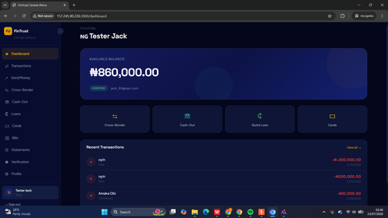 | AC-01
Evidence 2: Broken Access Control - Brute Force 15+ Attempts No Block File: AC-01-02 — Broken Access Control - Brute Force 15+ Attempts No Block.png | 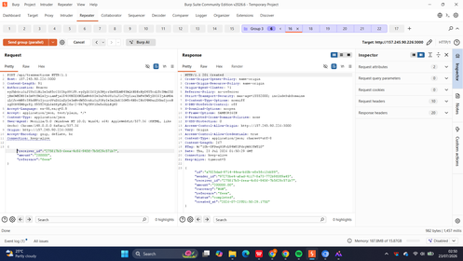 | AC-01
Evidence 3: Access Control - No Lockout Burp Intruder 15 Requests File: AC-01-03 — Access Control - No Lockout Burp Intruder 15 Requests.png | 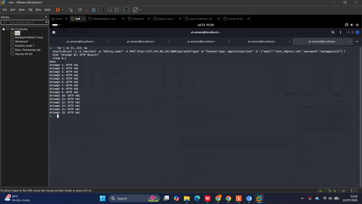 | AC-01
Evidence 4: Access Control - All Requests Return 200 No Block File: AC-01-04 — Access Control - All Requests Return 200 No Block.png | 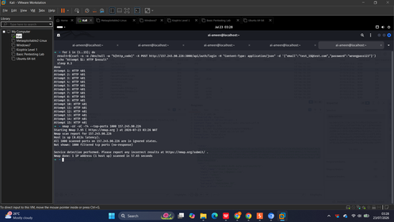 | AC-01
AC-02 — Evidence
Evidence 1: IDOR - Unauthenticated Access Attempt File: AC-02-01 — IDOR - Unauthenticated Access Attempt.png | 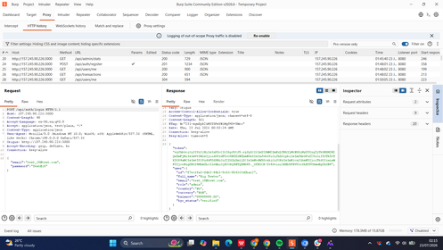 | AC-02
Evidence 2: IDOR - GET api-users Returns Other User Data File: AC-02-02 — IDOR - GET api-users Returns Other User Data.png | 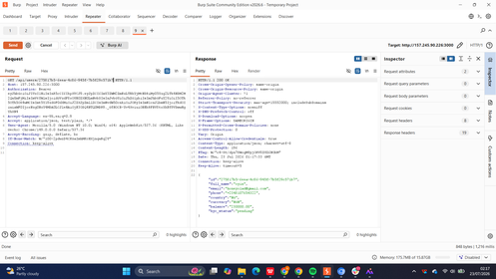 | AC-02
Evidence 3: IDOR - GET api-cards Exposes Other User Card File: AC-02-03 — IDOR - GET api-cards Exposes Other User Card.png | 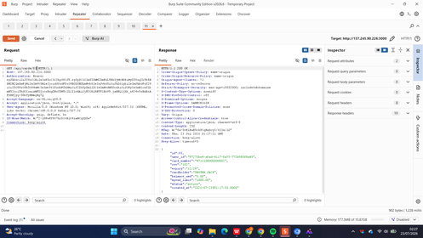 | AC-02
Evidence 4: IDOR - GET api-cards Second User Card Data File: AC-02-04 — IDOR - GET api-cards Second User Card Data.png | 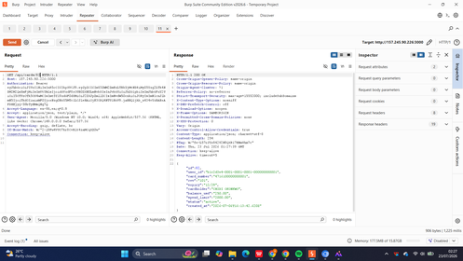 | AC-02
Evidence 5: IDOR - GET api-loans Other User Loan History File: AC-02-05 — IDOR - GET api-loans Other User Loan History.png | 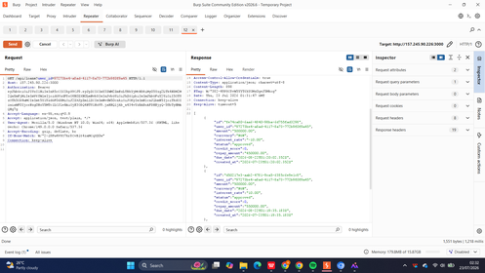 | AC-02
Evidence 6: IDOR - GET api-cashout-history Other User Data File: AC-02-06 — IDOR - GET api-cashout-history Other User Data.png |  | AC-02
Evidence 7: IDOR - GET api-transactions Other User Transactions File: AC-02-07 — IDOR - GET api-transactions Other User Transactions.png | 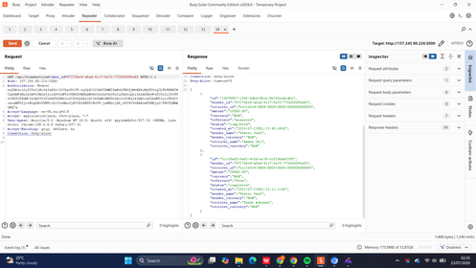 | AC-02
Evidence 8: IDOR - GET api-statements-export Other User CSV File: AC-02-08 — IDOR - GET api-statements-export Other User CSV.png | 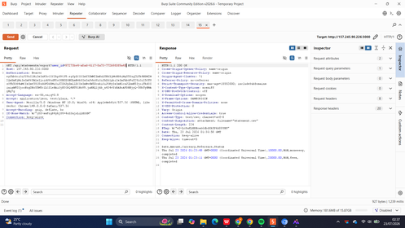 | AC-02
Evidence 9: IDOR - Additional Endpoint User Profile Exposure File: AC-02-09 — IDOR - Additional Endpoint User Profile Exposure.png | 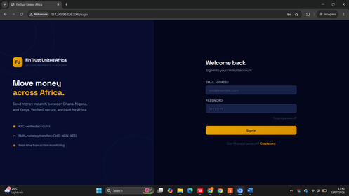 | AC-02
Evidence 10: IDOR - Additional Endpoint Wallet Data Exposure File: AC-02-10 — IDOR - Additional Endpoint Wallet Data Exposure.png | 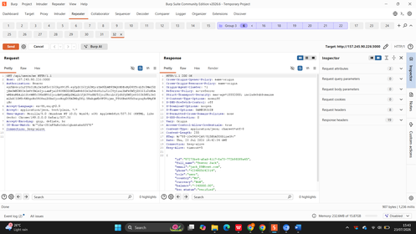 | AC-02
AC-03 — Evidence
Evidence 1: Mass Assignment - Burp PUT Request role=admin File: AC-03-01 — Mass Assignment - Burp PUT Request role=admin.png | 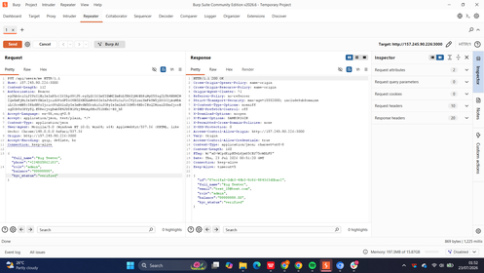 | AC-03
Evidence 2: Mass Assignment - HTTP 200 Role Updated File: AC-03-02 — Mass Assignment - HTTP 200 Role Updated.png | 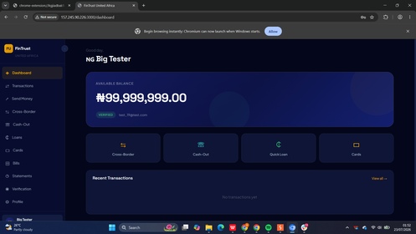 | AC-03
Evidence 3: Mass Assignment - Admin Panel Access Confirmed File: AC-03-03 — Mass Assignment - Admin Panel Access Confirmed.png | 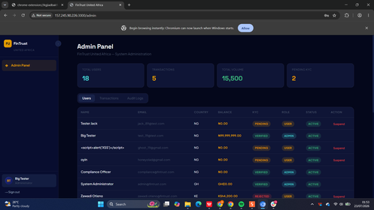 | AC-03
Evidence 4: Mass Assignment - Balance Field Manipulation File: AC-03-04 — Mass Assignment - Balance Field Manipulation.png | 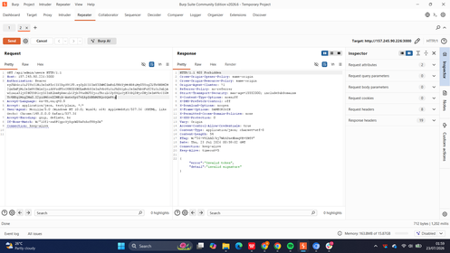 | AC-03
Evidence 5: Mass Assignment - Profile Fields Accepted File: AC-03-05 — Mass Assignment - Profile Fields Accepted.png | 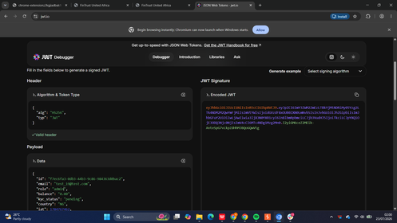 | AC-03
AC-04 — Evidence
Evidence 1: Session Not Expired After 30 Minutes Idle Dashboard Still Active File: AC-04-01 — Session Not Expired After 30 Minutes Idle Dashboard Still Active.png | 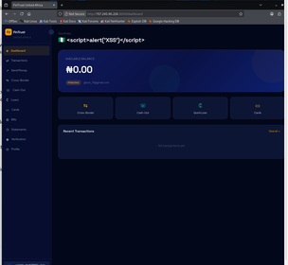 | AC-04
Evidence 2: Burp HTTP History POST api-auth-login Plaintext Credentials JWT Token Captured File: AC-04-02 — Burp HTTP History POST api-auth-login Plaintext Credentials JWT Token Captured.png | 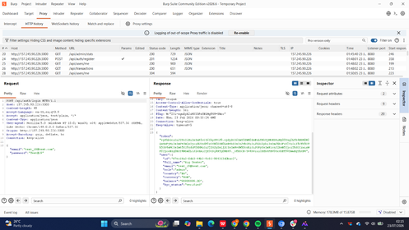 | AC-04
ID-01 — Evidence
Evidence 1: KYC Fake NIN Submission Status Remained Pending File: ID-01-01 — KYC Fake NIN Submission Status Remained Pending.png | 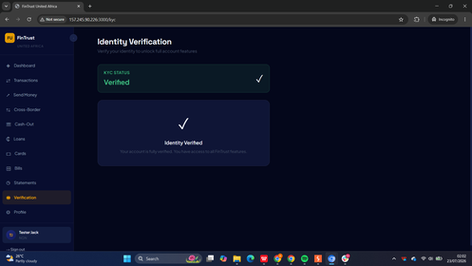 | ID-01
Evidence 2: API KYC Self-Approval Status Verified HTTP 201 Returned File: ID-01-02 — API KYC Self-Approval Status Verified HTTP 201 Returned.png | 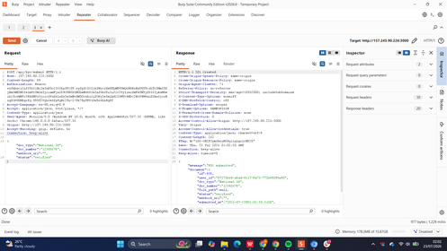 | ID-01
Evidence 3: UI KYC Status Confirmed Verified After API Bypass File: ID-01-03 — UI KYC Status Confirmed Verified After API Bypass.png | 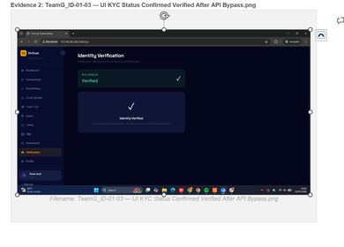 | ID-01
ID-02 — Evidence
Evidence 1: IDOR User Profile KYC Status Exposed (cross-reference AC-02-01) File: AC-02-01 — IDOR - Unauthenticated Access Attempt.png |  | ID-02
CR-01 — Evidence
Evidence 1: Cryptography - HTTP Only No TLS Confirmed File: CR-01-01 — Cryptography - HTTP Only No TLS Confirmed.png | 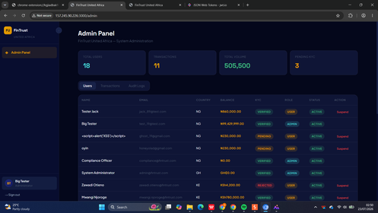 | CR-01
Evidence 2: Cryptography - Sensitive Data Transmitted Over HTTP File: CR-01-02 — Cryptography - Sensitive Data Transmitted Over HTTP.png | 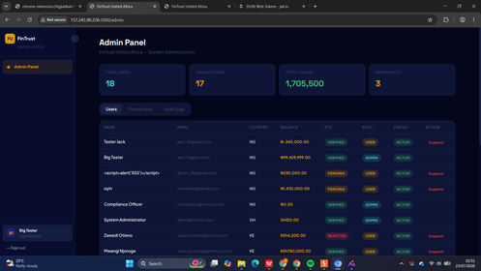 | CR-01
CR-02 — Evidence
Evidence 1: Cryptography - JWT HS256 Weak Algorithm File: CR-02-01 — Cryptography - JWT HS256 Weak Algorithm.png |  | CR-02
Evidence 2: Cryptography - JWT Role Claim in Payload Manipulable File: CR-02-02 — Cryptography - JWT Role Claim in Payload Manipulable.png | 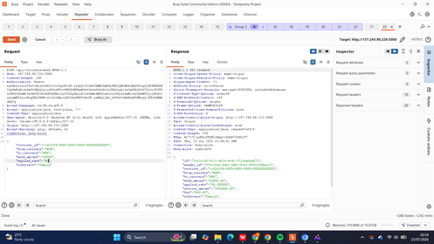 | CR-02
IN-01 — Evidence
Evidence 1: SQL Injection - Vulnerable Search Endpoint File: IN-01-02 — SQL Injection - Vulnerable Search Endpoint.png | 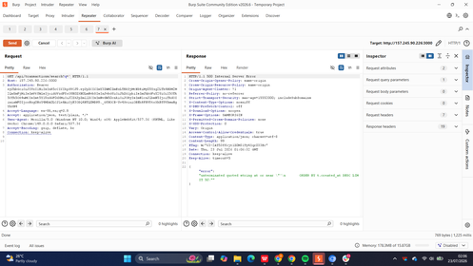 | IN-01
Evidence 2: SQL Injection - ORDER BY Error Confirms Injection Point File: IN-01-03 — SQL Injection - ORDER BY Error Confirms Injection Point.png | 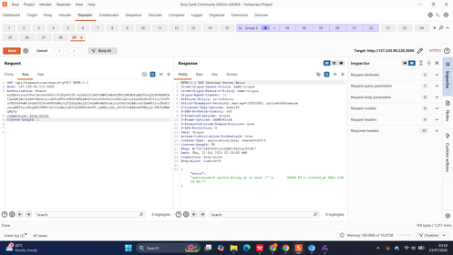 | IN-01
Evidence 3: SQL Injection - CAST Version Disclosure PostgreSQL 15 File: IN-01-04 — SQL Injection - CAST Version Disclosure PostgreSQL 15.png | 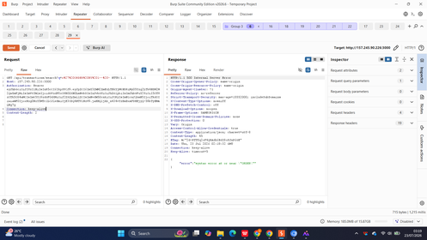 | IN-01
Evidence 4: SQL Injection - string_agg Full Database Dump File: IN-01-05 — SQL Injection - string_agg Full Database Dump.png | 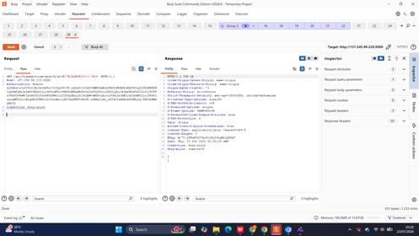 | IN-01
Evidence 5: SQL Injection - All Table Names Extracted File: IN-01-06 — SQL Injection - All Table Names Extracted.png | 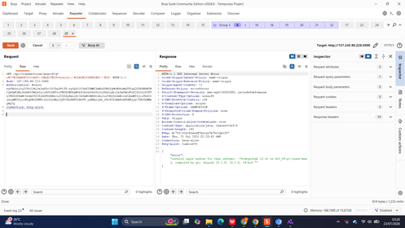 | IN-01
Evidence 6: SQL Injection - User Credentials Dumped from DB File: IN-01-07 — SQL Injection - User Credentials Dumped from DB.png | 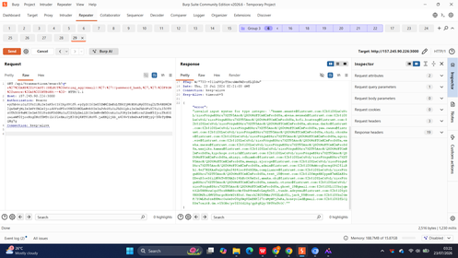 | IN-01
IN-02 — Evidence
Evidence 1: Stored XSS - Payload Injected in Reference Field File: IN-02-01 — Stored XSS - Payload Injected in Reference Field.png | 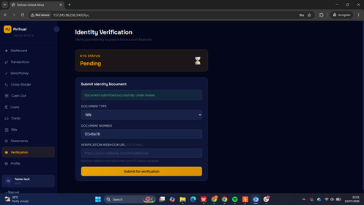 | IN-02
Evidence 2: Stored XSS - Payload in Profile Name Field File: IN-02-02 — Stored XSS - Payload in Profile Name Field.png |  | IN-02
Evidence 3: Stored XSS - Burp Request with Script Payload File: IN-02-03 — Stored XSS - Burp Request with Script Payload.png | 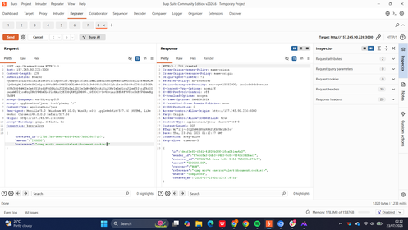 | IN-02
Evidence 4: Stored XSS - Alert Popup Fired in Admin Panel File: IN-02-04 — Stored XSS - Alert Popup Fired in Admin Panel.png | 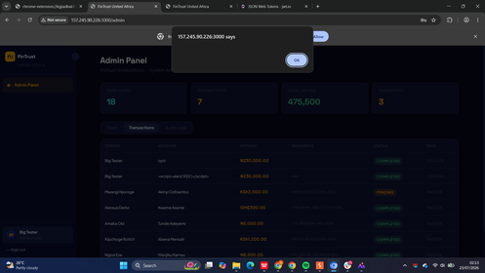 | IN-02
Evidence 5: Stored XSS - XSS Name Visible in Admin User List File: IN-02-05 — Stored XSS - XSS Name Visible in Admin User List.png | 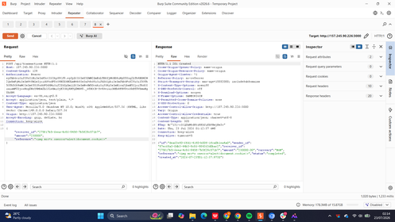 | IN-02
BL-01 — Evidence
Evidence 1: Loan Self-Approval - Client Supplied Status Approved File: BL-01-01 — Loan Self-Approval - Client Supplied Status Approved.png | 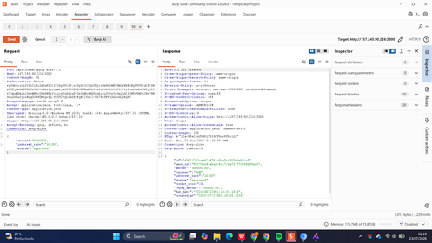 | BL-01
Evidence 2: Loan Self-Approval - Negative Interest Rate Accepted File: BL-01-02 — Loan Self-Approval - Negative Interest Rate Accepted.png | 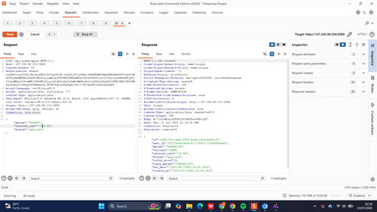 | BL-01
Evidence 3: Loan Self-Approval - UI Confirms Approved Loans File: BL-01-03 — Loan Self-Approval - UI Confirms Approved Loans.png |  | BL-01
Evidence 4: Loan Self-Approval - Loan List All Three Loans File: BL-01-04 — Loan Self-Approval - Loan List All Three Loans.png | 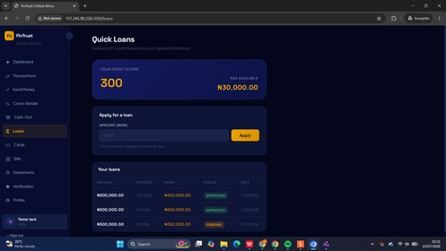 | BL-01
Evidence 5: Loan Business Logic - Admin Panel Shows Approved Loan File: BL-01-05 — Loan Business Logic - Admin Panel Shows Approved Loan.png |  | BL-01
Evidence 6: Loan Business Logic - Negative Transaction Amount Accepted File: BL-01-06 — Loan Business Logic - Negative Transaction Amount Accepted.png | 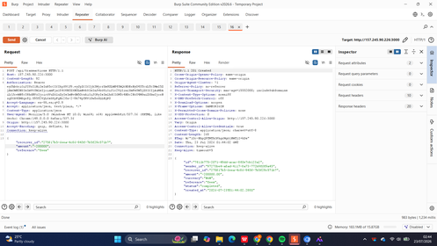 | BL-01
Evidence 7: Loan Business Logic - Admin Transactions Negative Amount Visible File: BL-01-07 — Loan Business Logic - Admin Transactions Negative Amount Visible.png |  | BL-01
Evidence 8: Loan Business Logic - Dashboard Balance After Negative Transaction File: BL-01-08 — Loan Business Logic - Dashboard Balance After Negative Transaction.png | 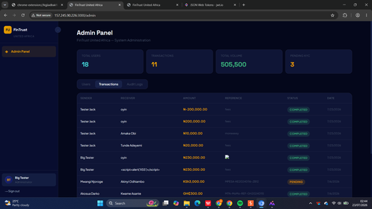 | BL-01
BL-02 — Evidence
Evidence 1: Business Logic - Negative Transaction Amount Submitted File: BL-02-01 — Business Logic - Negative Transaction Amount Submitted.png | 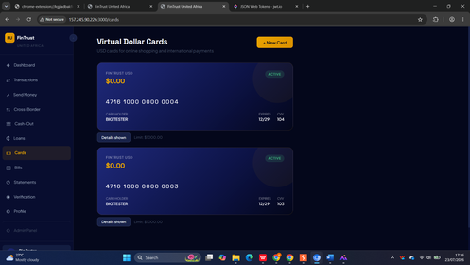 | BL-02
Evidence 2: Business Logic - Negative Transaction Completed Status File: BL-02-02 — Business Logic - Negative Transaction Completed Status.png | 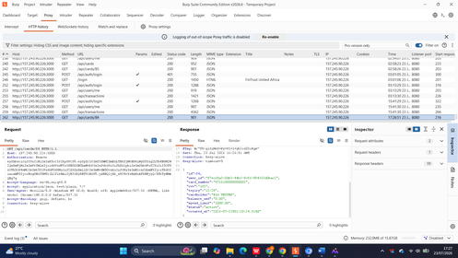 | BL-02
BL-03 — Evidence
Evidence 1: Business Logic - FX Corridor Rate Manipulation File: BL-03-01 — Business Logic - FX Corridor Rate Manipulation.png | 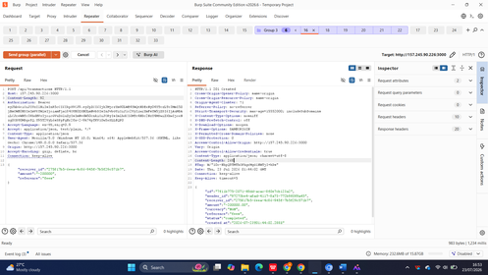 | BL-03
Evidence 2: Business Logic - Applied Rate Override Confirmed File: BL-03-02 — Business Logic - Applied Rate Override Confirmed.png | 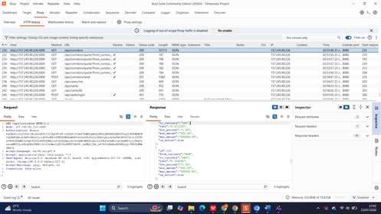 | BL-03
LM-01 — Evidence
Evidence 1: Logging - No Audit Trail for Failed Login Attempts File: LM-01-01 — Logging - No Audit Trail for Failed Login Attempts.png | 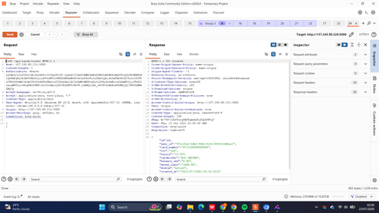 | LM-01
Evidence 2: SOC Fig1 Application Activity Generation File: LM-01-01 — SOC Fig1 Application Activity Generation.png | 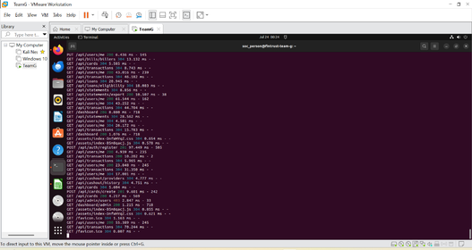 | LM-01
Evidence 3: SOC Fig2 Backend Docker Logs Loan Transaction User File: LM-01-02 — SOC Fig2 Backend Docker Logs Loan Transaction User.png |  | LM-01
Evidence 4: SOC Fig3 Transaction Log Successfully Ingested File: LM-01-03 — SOC Fig3 Transaction Log Successfully Ingested.png | 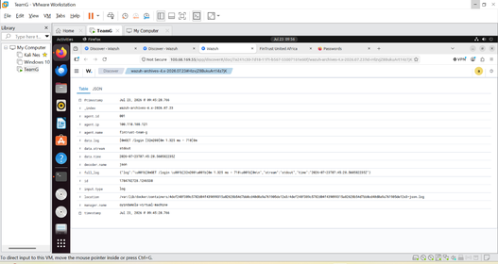 | LM-01
Evidence 5: SOC Fig4 User Profile Activity File: LM-01-04 — SOC Fig4 User Profile Activity.png | 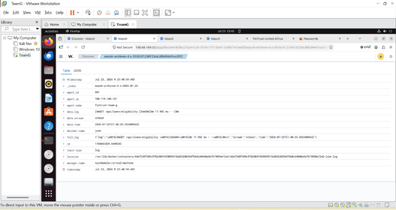 | LM-01
Evidence 6: SOC Fig9 Loan Endpoint Activity File: LM-01-05 — SOC Fig9 Loan Endpoint Activity.png | 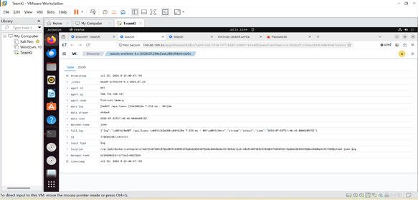 | LM-01
LM-02 — Evidence
Evidence 1: SOC Fig3 Transaction Log Successfully Ingested Wazuh File: LM-02-02 — SOC Fig3 Transaction Log Successfully Ingested Wazuh.png |  | LM-02
Evidence 2: SOC Fig4 User Profile Activity Logged File: LM-02-03 — SOC Fig4 User Profile Activity Logged.png |  | LM-02
Evidence 3: SOC Fig5 Wazuh Detection Rule Triggered Sensitive API Endpoint File: LM-02-04 — SOC Fig5 Wazuh Detection Rule Triggered Sensitive API Endpoint.png |  | LM-02
Evidence 4: SOC Fig6 Transaction Endpoint Monitoring Wazuh File: LM-02-05 — SOC Fig6 Transaction Endpoint Monitoring Wazuh.png |  | LM-02
Evidence 5: SOC Fig7 User Registration Activity Logged File: LM-02-06 — SOC Fig7 User Registration Activity Logged.png |  | LM-02
Evidence 6: SOC Fig8 User Login Activity Logged File: LM-02-07 — SOC Fig8 User Login Activity Logged.png |  | LM-02
Evidence 7: SOC Fig9 Loan Endpoint Activity Logged File: LM-02-08 — SOC Fig9 Loan Endpoint Activity Logged.png |  | LM-02
Evidence 8: SOC Fig10 Wazuh Dashboard Overview File: LM-02-09 — SOC Fig10 Wazuh Dashboard Overview.png |  | LM-02
Evidence 9: SOC Fig11 Archived Security Events File: LM-02-10 — SOC Fig11 Archived Security Events.png |  | LM-02
CM-01 — Evidence
Evidence 1: Config Management - Nmap Scan Reveals Open Ports File: CM-01-01 — Config Management - Nmap Scan Reveals Open Ports.png |  | CM-01
Evidence 2: Config Management - Node.js Stack Trace on Malformed JSON File: CM-01-02 — Config Management - Node.js Stack Trace on Malformed JSON.png |  | CM-01
CM-02 — Evidence
Evidence 1: Config Management - FX Rate Manipulation applied_rate Accepted File: CM-02-01 — Config Management - FX Rate Manipulation applied_rate Accepted.png |  | CM-02
Evidence 2: Config Management - FX Rate Modified Response Confirms Rate Change File: CM-02-02 — Config Management - FX Rate Modified Response Confirms Rate Change.png |  | CM-02
Evidence 3: Config Management - Cross Border Send with Manipulated Rate File: CM-02-03 — Config Management - Cross Border Send with Manipulated Rate.png |  | CM-02
RA-01 — Evidence
Evidence 1: Debug Token - Forgot Password Returns debug_token in Response File: RA-01-01 — Debug Token - Forgot Password Returns debug_token in Response.png |  | RA-01
Evidence 2: Debug Token - Token Value Exposed in API JSON File: RA-01-02 — Debug Token - Token Value Exposed in API JSON.png |  | RA-01
Evidence 3: Debug Token - Reset Password Using Exposed Token Succeeds File: RA-01-03 — Debug Token - Reset Password Using Exposed Token Succeeds.png |  | RA-01
GV-01 — Evidence
Evidence 1: Governance - No Security Policy Enforced File: GV-01-01 — Governance - No Security Policy Enforced.png |  | GV-01
GV-02 — Evidence
Evidence 1: Governance - Admin Panel Full User List Exposed File: GV-02-01 — Governance - Admin Panel Full User List Exposed.png |  | GV-02
Evidence 2: Governance - Admin Panel Second View User Details File: GV-02-02 — Governance - Admin Panel Second View User Details.png |  | GV-02

