In-Class Example (75X)
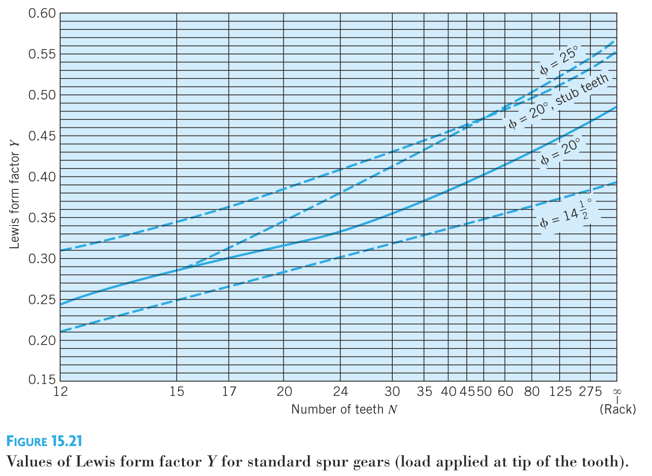
Gearbox | a | b | c | d
m (mm) | 1 | 1 | 1 | 1 | *Choose
Teeth | 16 | 139 | 16 | 139 | *Choose
d (mm) | 16 | 139 | 16 | 139
b (mm) | 3 | 3 | 3 | 3 | *Choose
rpm | 1500 | 172.6618705 | 172.6618705 | 19.874747684 | Reduction = | 75.47265625
Contact Angle | 20 | 20 | 20 | 20
Efficiency | 1 | 0.75 | 1 | 0.75 | *Choose
T (Nm) | 0.47110513028 | 3.0695443645 | 3.0695443645 | 20
W (w) | 74.00331924 | 55.50248943 | 55.50248943 | 41.626867073
V (m/s) | 1.2566370614 | 1.2566370614 | 0.14464887038 | 0.14464887038
Ft (N) | 58.889970312 | 44.167477734 | 383.70496281 | 287.77872211
Fr (N) | 21.43419629 | 16.075647218 | 139.6571852 | 104.7428889
Y | 0.295 | 0.45 | 0.295 | 0.45 | *Must be read from graph
Sigma (MPa) | 66.542339335 | 32.716650173 | 433.56492973 | 213.16942378
Sy (MPa) | 60 | 60 | 60 | 60 | *Choose
FOS | 0.90168155492 | 1.8339285863 | 0.13838757677 | 0.28146625785

