AirPassengers (2)
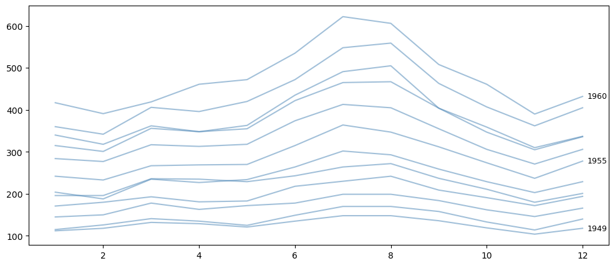
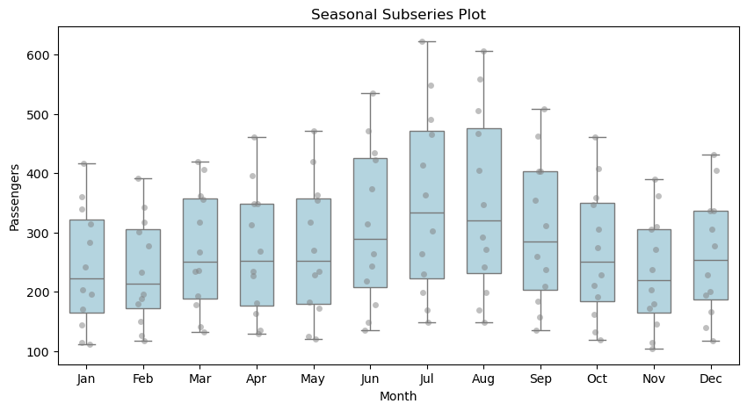
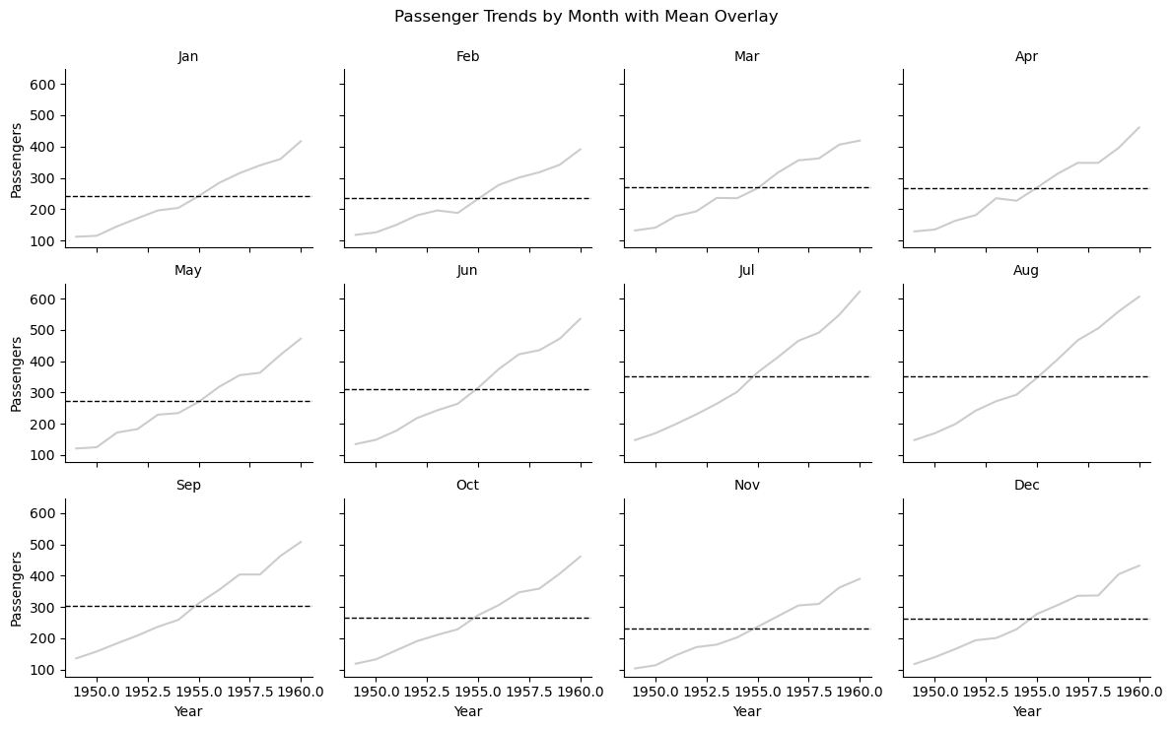
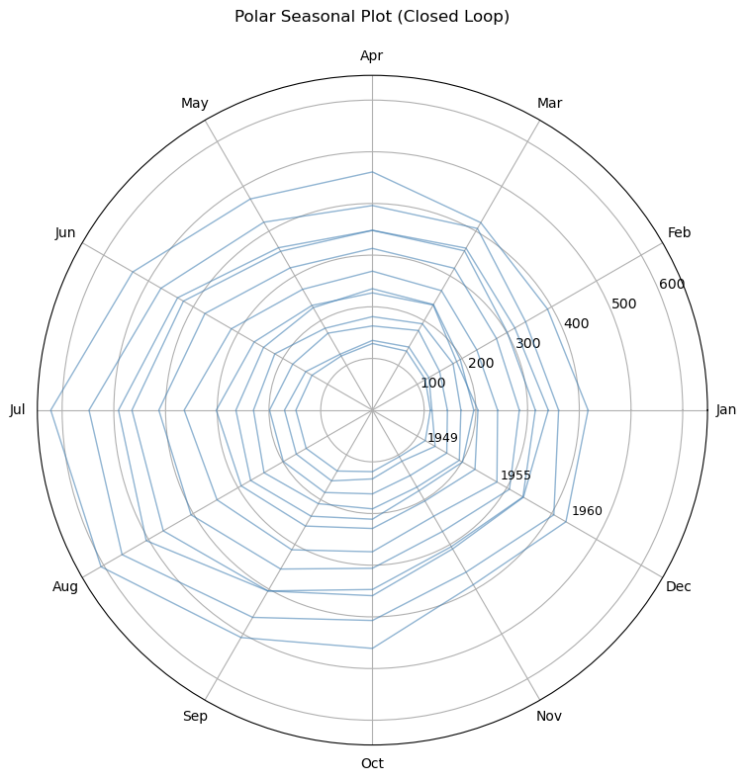
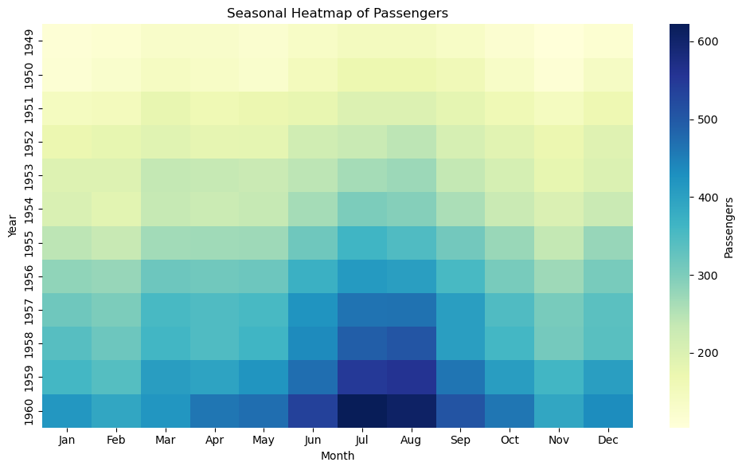
month | passengers | year | month_name | month_num
17899 | 112 | 1949 | Jan | 1
17930 | 118 | 1949 | Feb | 2
17958 | 132 | 1949 | Mar | 3
17989 | 129 | 1949 | Apr | 4
18019 | 121 | 1949 | May | 5

