hourly_stock_prices
date_time | stock_price
3/4/24 | 101.09
3/4/24 | 100.92
3/4/24 | 102.31
3/4/24 | 105.46
3/4/24 | 105.09
3/4/24 | 104.72
3/4/24 | 107.98
3/5/24 | 109.62
3/5/24 | 108.78
3/5/24 | 109.96
3/5/24 | 109.13
3/5/24 | 108.3
3/5/24 | 108.89
3/5/24 | 105.16
3/6/24 | 101.81
3/6/24 | 100.79
3/6/24 | 98.86
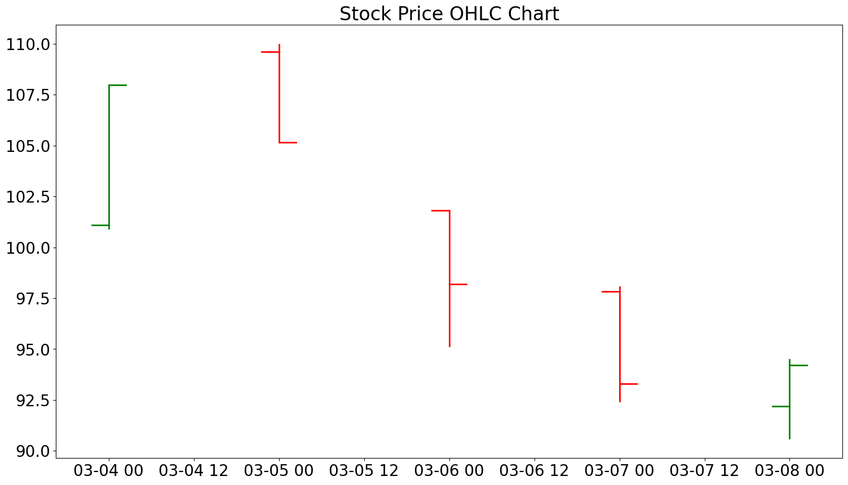
3/6/24 | 99.59
3/6/24 | 97.87
3/6/24 | 95.15
3/6/24 | 98.18
3/7/24 | 97.83
3/7/24 | 98.06
3/7/24 | 95.31
3/7/24 | 94.32
3/7/24 | 94.65
3/7/24 | 92.44
3/7/24 | 93.3
3/8/24 | 92.19
3/8/24 | 91.71
3/8/24 | 90.61
3/8/24 | 94.41
3/8/24 | 94.49
3/8/24 | 92.47
3/8/24 | 94.22

