viz
mpg | cylinders | displacement | horsepower | weight | acceleration | model_year | origin | name | X axis: | horsepower
18 | 8 | 307 | 130 | 3504 | 12 | 70 | usa | chevrolet chevelle malibu | Y axis: | mpg
15 | 8 | 350 | 165 | 3693 | 11.5 | 70 | usa | buick skylark 320
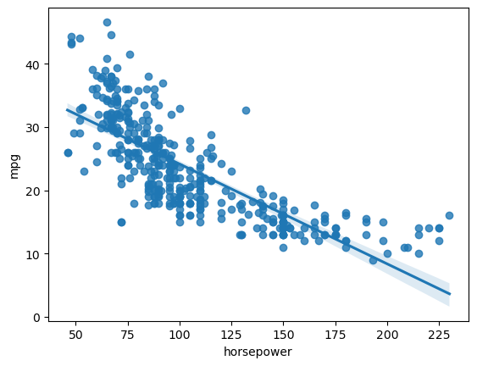
18 | 8 | 318 | 150 | 3436 | 11 | 70 | usa | plymouth satellite
16 | 8 | 304 | 150 | 3433 | 12 | 70 | usa | amc rebel sst
17 | 8 | 302 | 140 | 3449 | 10.5 | 70 | usa | ford torino
15 | 8 | 429 | 198 | 4341 | 10 | 70 | usa | ford galaxie 500
14 | 8 | 454 | 220 | 4354 | 9 | 70 | usa | chevrolet impala
14 | 8 | 440 | 215 | 4312 | 8.5 | 70 | usa | plymouth fury iii
14 | 8 | 455 | 225 | 4425 | 10 | 70 | usa | pontiac catalina
15 | 8 | 390 | 190 | 3850 | 8.5 | 70 | usa | amc ambassador dpl
15 | 8 | 383 | 170 | 3563 | 10 | 70 | usa | dodge challenger se
14 | 8 | 340 | 160 | 3609 | 8 | 70 | usa | plymouth 'cuda 340
15 | 8 | 400 | 150 | 3761 | 9.5 | 70 | usa | chevrolet monte carlo
14 | 8 | 455 | 225 | 3086 | 10 | 70 | usa | buick estate wagon (sw)
24 | 4 | 113 | 95 | 2372 | 15 | 70 | japan | toyota corona mark ii
22 | 6 | 198 | 95 | 2833 | 15.5 | 70 | usa | plymouth duster
18 | 6 | 199 | 97 | 2774 | 15.5 | 70 | usa | amc hornet
21 | 6 | 200 | 85 | 2587 | 16 | 70 | usa | ford maverick | TRUE | mpg | TRUE | weight
27 | 4 | 97 | 88 | 2130 | 14.5 | 70 | japan | datsun pl510 | TRUE | displacement | TRUE | acceleration
26 | 4 | 97 | 46 | 1835 | 20.5 | 70 | europe | volkswagen 1131 deluxe sedan | TRUE | horsepower
25 | 4 | 110 | 87 | 2672 | 17.5 | 70 | europe | peugeot 504
24 | 4 | 107 | 90 | 2430 | 14.5 | 70 | europe | audi 100 ls
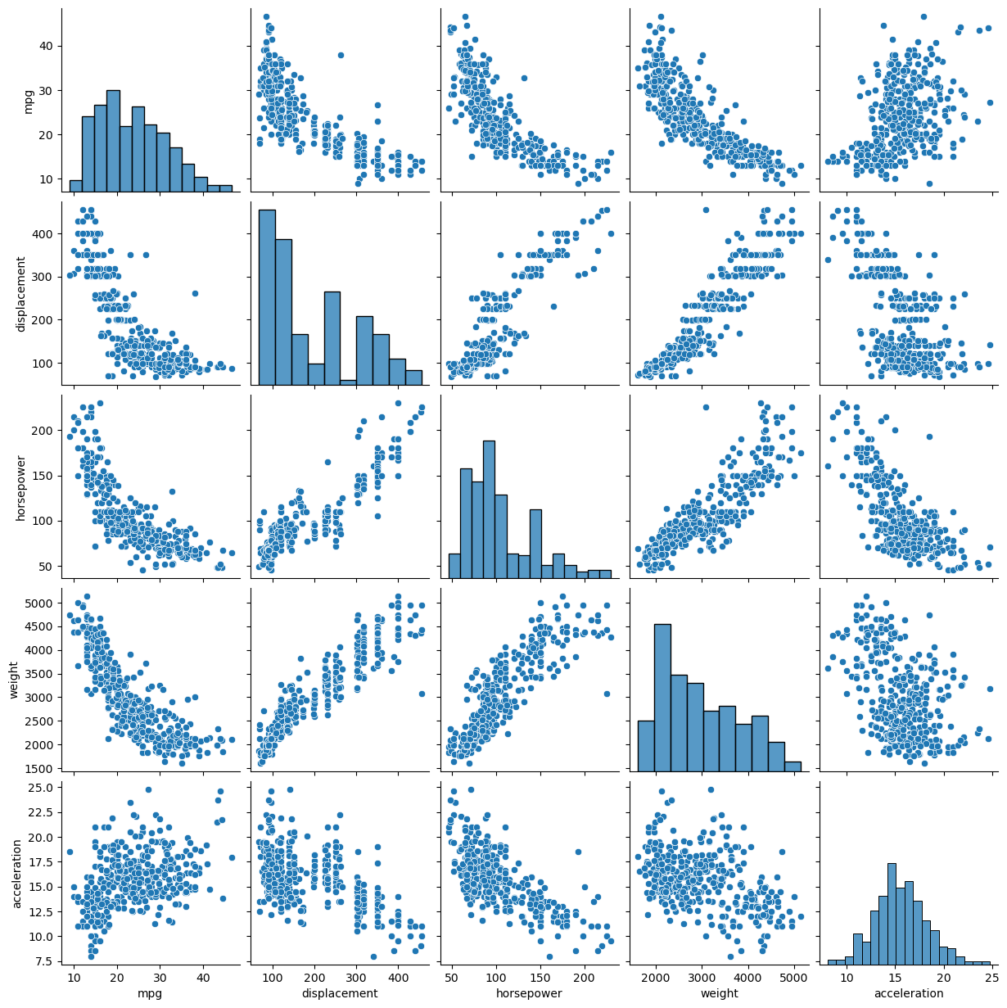
25 | 4 | 104 | 95 | 2375 | 17.5 | 70 | europe | saab 99e
26 | 4 | 121 | 113 | 2234 | 12.5 | 70 | europe | bmw 2002
21 | 6 | 199 | 90 | 2648 | 15 | 70 | usa | amc gremlin
10 | 8 | 360 | 215 | 4615 | 14 | 70 | usa | ford f250
10 | 8 | 307 | 200 | 4376 | 15 | 70 | usa | chevy c20
11 | 8 | 318 | 210 | 4382 | 13.5 | 70 | usa | dodge d200
9 | 8 | 304 | 193 | 4732 | 18.5 | 70 | usa | hi 1200d
27 | 4 | 97 | 88 | 2130 | 14.5 | 71 | japan | datsun pl510
28 | 4 | 140 | 90 | 2264 | 15.5 | 71 | usa | chevrolet vega 2300
25 | 4 | 113 | 95 | 2228 | 14 | 71 | japan | toyota corona
25 | 4 | 98 |  | 2046 | 19 | 71 | usa | ford pinto
19 | 6 | 232 | 100 | 2634 | 13 | 71 | usa | amc gremlin
16 | 6 | 225 | 105 | 3439 | 15.5 | 71 | usa | plymouth satellite custom
17 | 6 | 250 | 100 | 3329 | 15.5 | 71 | usa | chevrolet chevelle malibu
19 | 6 | 250 | 88 | 3302 | 15.5 | 71 | usa | ford torino 500
18 | 6 | 232 | 100 | 3288 | 15.5 | 71 | usa | amc matador
14 | 8 | 350 | 165 | 4209 | 12 | 71 | usa | chevrolet impala
14 | 8 | 400 | 175 | 4464 | 11.5 | 71 | usa | pontiac catalina brougham
14 | 8 | 351 | 153 | 4154 | 13.5 | 71 | usa | ford galaxie 500
14 | 8 | 318 | 150 | 4096 | 13 | 71 | usa | plymouth fury iii
12 | 8 | 383 | 180 | 4955 | 11.5 | 71 | usa | dodge monaco (sw)
13 | 8 | 400 | 170 | 4746 | 12 | 71 | usa | ford country squire (sw)
13 | 8 | 400 | 175 | 5140 | 12 | 71 | usa | pontiac safari (sw)
18 | 6 | 258 | 110 | 2962 | 13.5 | 71 | usa | amc hornet sportabout (sw)
22 | 4 | 140 | 72 | 2408 | 19 | 71 | usa | chevrolet vega (sw)
19 | 6 | 250 | 100 | 3282 | 15 | 71 | usa | pontiac firebird
18 | 6 | 250 | 88 | 3139 | 14.5 | 71 | usa | ford mustang
23 | 4 | 122 | 86 | 2220 | 14 | 71 | usa | mercury capri 2000
28 | 4 | 116 | 90 | 2123 | 14 | 71 | europe | opel 1900
30 | 4 | 79 | 70 | 2074 | 19.5 | 71 | europe | peugeot 304 | Group by: | cylinders
30 | 4 | 88 | 76 | 2065 | 14.5 | 71 | europe | fiat 124b
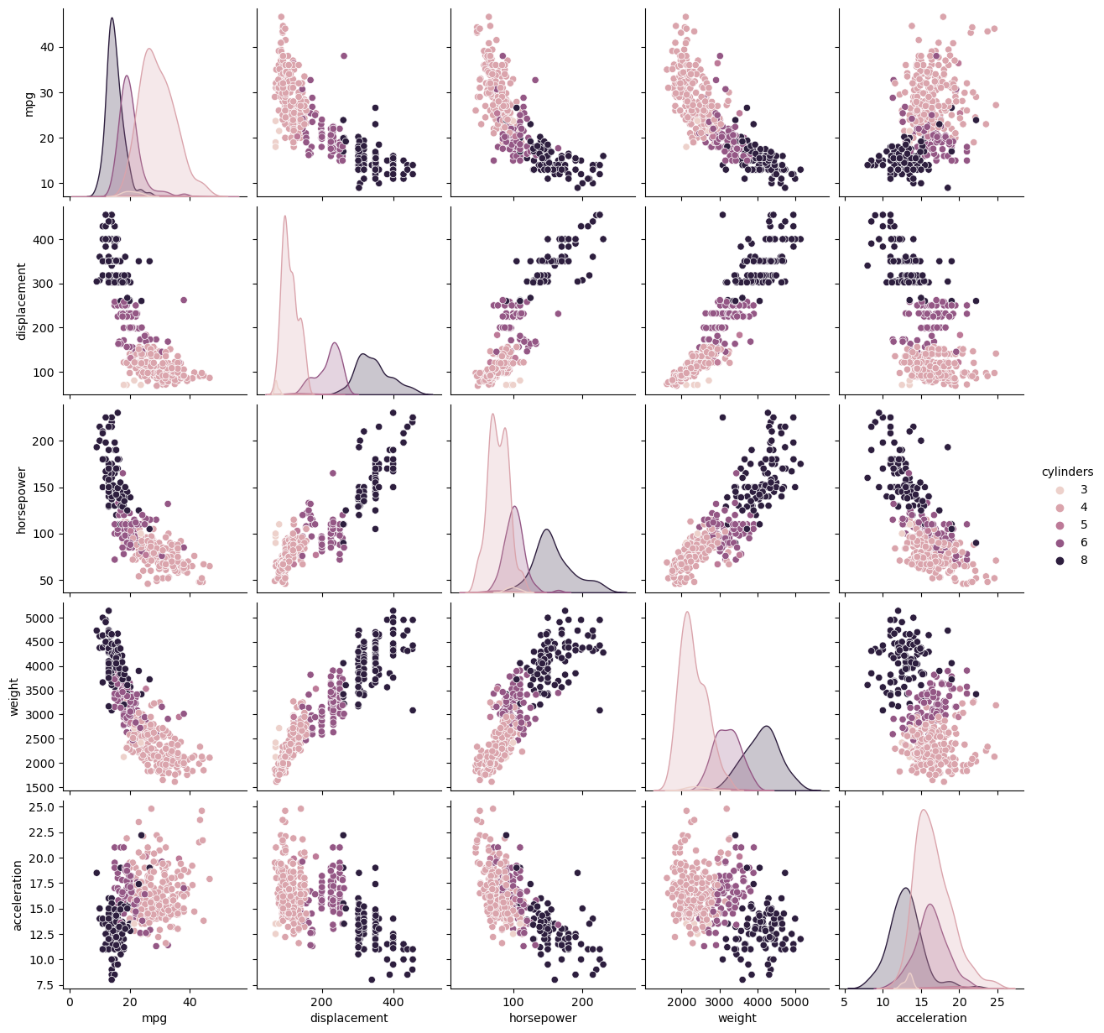
31 | 4 | 71 | 65 | 1773 | 19 | 71 | japan | toyota corolla 1200
35 | 4 | 72 | 69 | 1613 | 18 | 71 | japan | datsun 1200
27 | 4 | 97 | 60 | 1834 | 19 | 71 | europe | volkswagen model 111
26 | 4 | 91 | 70 | 1955 | 20.5 | 71 | usa | plymouth cricket
24 | 4 | 113 | 95 | 2278 | 15.5 | 72 | japan | toyota corona hardtop
25 | 4 | 97.5 | 80 | 2126 | 17 | 72 | usa | dodge colt hardtop
23 | 4 | 97 | 54 | 2254 | 23.5 | 72 | europe | volkswagen type 3
20 | 4 | 140 | 90 | 2408 | 19.5 | 72 | usa | chevrolet vega
21 | 4 | 122 | 86 | 2226 | 16.5 | 72 | usa | ford pinto runabout
13 | 8 | 350 | 165 | 4274 | 12 | 72 | usa | chevrolet impala
14 | 8 | 400 | 175 | 4385 | 12 | 72 | usa | pontiac catalina
15 | 8 | 318 | 150 | 4135 | 13.5 | 72 | usa | plymouth fury iii
14 | 8 | 351 | 153 | 4129 | 13 | 72 | usa | ford galaxie 500
17 | 8 | 304 | 150 | 3672 | 11.5 | 72 | usa | amc ambassador sst
11 | 8 | 429 | 208 | 4633 | 11 | 72 | usa | mercury marquis
13 | 8 | 350 | 155 | 4502 | 13.5 | 72 | usa | buick lesabre custom
12 | 8 | 350 | 160 | 4456 | 13.5 | 72 | usa | oldsmobile delta 88 royale
13 | 8 | 400 | 190 | 4422 | 12.5 | 72 | usa | chrysler newport royal
19 | 3 | 70 | 97 | 2330 | 13.5 | 72 | japan | mazda rx2 coupe
15 | 8 | 304 | 150 | 3892 | 12.5 | 72 | usa | amc matador (sw)
13 | 8 | 307 | 130 | 4098 | 14 | 72 | usa | chevrolet chevelle concours (sw)
13 | 8 | 302 | 140 | 4294 | 16 | 72 | usa | ford gran torino (sw)
14 | 8 | 318 | 150 | 4077 | 14 | 72 | usa | plymouth satellite custom (sw)
18 | 4 | 121 | 112 | 2933 | 14.5 | 72 | europe | volvo 145e (sw)
22 | 4 | 121 | 76 | 2511 | 18 | 72 | europe | volkswagen 411 (sw)
21 | 4 | 120 | 87 | 2979 | 19.5 | 72 | europe | peugeot 504 (sw)
26 | 4 | 96 | 69 | 2189 | 18 | 72 | europe | renault 12 (sw)
22 | 4 | 122 | 86 | 2395 | 16 | 72 | usa | ford pinto (sw)
28 | 4 | 97 | 92 | 2288 | 17 | 72 | japan | datsun 510 (sw)
23 | 4 | 120 | 97 | 2506 | 14.5 | 72 | japan | toyouta corona mark ii (sw)
28 | 4 | 98 | 80 | 2164 | 15 | 72 | usa | dodge colt (sw)
27 | 4 | 97 | 88 | 2100 | 16.5 | 72 | japan | toyota corolla 1600 (sw)
13 | 8 | 350 | 175 | 4100 | 13 | 73 | usa | buick century 350
14 | 8 | 304 | 150 | 3672 | 11.5 | 73 | usa | amc matador
13 | 8 | 350 | 145 | 3988 | 13 | 73 | usa | chevrolet malibu
14 | 8 | 302 | 137 | 4042 | 14.5 | 73 | usa | ford gran torino
15 | 8 | 318 | 150 | 3777 | 12.5 | 73 | usa | dodge coronet custom
12 | 8 | 429 | 198 | 4952 | 11.5 | 73 | usa | mercury marquis brougham
13 | 8 | 400 | 150 | 4464 | 12 | 73 | usa | chevrolet caprice classic
13 | 8 | 351 | 158 | 4363 | 13 | 73 | usa | ford ltd
14 | 8 | 318 | 150 | 4237 | 14.5 | 73 | usa | plymouth fury gran sedan
13 | 8 | 440 | 215 | 4735 | 11 | 73 | usa | chrysler new yorker brougham
12 | 8 | 455 | 225 | 4951 | 11 | 73 | usa | buick electra 225 custom
13 | 8 | 360 | 175 | 3821 | 11 | 73 | usa | amc ambassador brougham
18 | 6 | 225 | 105 | 3121 | 16.5 | 73 | usa | plymouth valiant
16 | 6 | 250 | 100 | 3278 | 18 | 73 | usa | chevrolet nova custom
18 | 6 | 232 | 100 | 2945 | 16 | 73 | usa | amc hornet
18 | 6 | 250 | 88 | 3021 | 16.5 | 73 | usa | ford maverick
23 | 6 | 198 | 95 | 2904 | 16 | 73 | usa | plymouth duster
26 | 4 | 97 | 46 | 1950 | 21 | 73 | europe | volkswagen super beetle
11 | 8 | 400 | 150 | 4997 | 14 | 73 | usa | chevrolet impala
12 | 8 | 400 | 167 | 4906 | 12.5 | 73 | usa | ford country
13 | 8 | 360 | 170 | 4654 | 13 | 73 | usa | plymouth custom suburb
12 | 8 | 350 | 180 | 4499 | 12.5 | 73 | usa | oldsmobile vista cruiser
18 | 6 | 232 | 100 | 2789 | 15 | 73 | usa | amc gremlin
20 | 4 | 97 | 88 | 2279 | 19 | 73 | japan | toyota carina
21 | 4 | 140 | 72 | 2401 | 19.5 | 73 | usa | chevrolet vega
22 | 4 | 108 | 94 | 2379 | 16.5 | 73 | japan | datsun 610
18 | 3 | 70 | 90 | 2124 | 13.5 | 73 | japan | maxda rx3
19 | 4 | 122 | 85 | 2310 | 18.5 | 73 | usa | ford pinto
21 | 6 | 155 | 107 | 2472 | 14 | 73 | usa | mercury capri v6
26 | 4 | 98 | 90 | 2265 | 15.5 | 73 | europe | fiat 124 sport coupe
15 | 8 | 350 | 145 | 4082 | 13 | 73 | usa | chevrolet monte carlo s
16 | 8 | 400 | 230 | 4278 | 9.5 | 73 | usa | pontiac grand prix
29 | 4 | 68 | 49 | 1867 | 19.5 | 73 | europe | fiat 128
24 | 4 | 116 | 75 | 2158 | 15.5 | 73 | europe | opel manta
20 | 4 | 114 | 91 | 2582 | 14 | 73 | europe | audi 100ls
19 | 4 | 121 | 112 | 2868 | 15.5 | 73 | europe | volvo 144ea
15 | 8 | 318 | 150 | 3399 | 11 | 73 | usa | dodge dart custom
24 | 4 | 121 | 110 | 2660 | 14 | 73 | europe | saab 99le
20 | 6 | 156 | 122 | 2807 | 13.5 | 73 | japan | toyota mark ii
11 | 8 | 350 | 180 | 3664 | 11 | 73 | usa | oldsmobile omega
20 | 6 | 198 | 95 | 3102 | 16.5 | 74 | usa | plymouth duster
21 | 6 | 200 |  | 2875 | 17 | 74 | usa | ford maverick
19 | 6 | 232 | 100 | 2901 | 16 | 74 | usa | amc hornet
15 | 6 | 250 | 100 | 3336 | 17 | 74 | usa | chevrolet nova
31 | 4 | 79 | 67 | 1950 | 19 | 74 | japan | datsun b210
26 | 4 | 122 | 80 | 2451 | 16.5 | 74 | usa | ford pinto
32 | 4 | 71 | 65 | 1836 | 21 | 74 | japan | toyota corolla 1200
25 | 4 | 140 | 75 | 2542 | 17 | 74 | usa | chevrolet vega
16 | 6 | 250 | 100 | 3781 | 17 | 74 | usa | chevrolet chevelle malibu classic
16 | 6 | 258 | 110 | 3632 | 18 | 74 | usa | amc matador
18 | 6 | 225 | 105 | 3613 | 16.5 | 74 | usa | plymouth satellite sebring
16 | 8 | 302 | 140 | 4141 | 14 | 74 | usa | ford gran torino
13 | 8 | 350 | 150 | 4699 | 14.5 | 74 | usa | buick century luxus (sw)
14 | 8 | 318 | 150 | 4457 | 13.5 | 74 | usa | dodge coronet custom (sw)
14 | 8 | 302 | 140 | 4638 | 16 | 74 | usa | ford gran torino (sw)
14 | 8 | 304 | 150 | 4257 | 15.5 | 74 | usa | amc matador (sw)
29 | 4 | 98 | 83 | 2219 | 16.5 | 74 | europe | audi fox
26 | 4 | 79 | 67 | 1963 | 15.5 | 74 | europe | volkswagen dasher
26 | 4 | 97 | 78 | 2300 | 14.5 | 74 | europe | opel manta
31 | 4 | 76 | 52 | 1649 | 16.5 | 74 | japan | toyota corona
32 | 4 | 83 | 61 | 2003 | 19 | 74 | japan | datsun 710
28 | 4 | 90 | 75 | 2125 | 14.5 | 74 | usa | dodge colt
24 | 4 | 90 | 75 | 2108 | 15.5 | 74 | europe | fiat 128
26 | 4 | 116 | 75 | 2246 | 14 | 74 | europe | fiat 124 tc
24 | 4 | 120 | 97 | 2489 | 15 | 74 | japan | honda civic
26 | 4 | 108 | 93 | 2391 | 15.5 | 74 | japan | subaru
31 | 4 | 79 | 67 | 2000 | 16 | 74 | europe | fiat x1.9
19 | 6 | 225 | 95 | 3264 | 16 | 75 | usa | plymouth valiant custom
18 | 6 | 250 | 105 | 3459 | 16 | 75 | usa | chevrolet nova
15 | 6 | 250 | 72 | 3432 | 21 | 75 | usa | mercury monarch
15 | 6 | 250 | 72 | 3158 | 19.5 | 75 | usa | ford maverick
16 | 8 | 400 | 170 | 4668 | 11.5 | 75 | usa | pontiac catalina
15 | 8 | 350 | 145 | 4440 | 14 | 75 | usa | chevrolet bel air
16 | 8 | 318 | 150 | 4498 | 14.5 | 75 | usa | plymouth grand fury
14 | 8 | 351 | 148 | 4657 | 13.5 | 75 | usa | ford ltd
17 | 6 | 231 | 110 | 3907 | 21 | 75 | usa | buick century
16 | 6 | 250 | 105 | 3897 | 18.5 | 75 | usa | chevroelt chevelle malibu
15 | 6 | 258 | 110 | 3730 | 19 | 75 | usa | amc matador
18 | 6 | 225 | 95 | 3785 | 19 | 75 | usa | plymouth fury
21 | 6 | 231 | 110 | 3039 | 15 | 75 | usa | buick skyhawk
20 | 8 | 262 | 110 | 3221 | 13.5 | 75 | usa | chevrolet monza 2+2
13 | 8 | 302 | 129 | 3169 | 12 | 75 | usa | ford mustang ii
29 | 4 | 97 | 75 | 2171 | 16 | 75 | japan | toyota corolla
23 | 4 | 140 | 83 | 2639 | 17 | 75 | usa | ford pinto
20 | 6 | 232 | 100 | 2914 | 16 | 75 | usa | amc gremlin
23 | 4 | 140 | 78 | 2592 | 18.5 | 75 | usa | pontiac astro
24 | 4 | 134 | 96 | 2702 | 13.5 | 75 | japan | toyota corona
25 | 4 | 90 | 71 | 2223 | 16.5 | 75 | europe | volkswagen dasher
24 | 4 | 119 | 97 | 2545 | 17 | 75 | japan | datsun 710
18 | 6 | 171 | 97 | 2984 | 14.5 | 75 | usa | ford pinto
29 | 4 | 90 | 70 | 1937 | 14 | 75 | europe | volkswagen rabbit
19 | 6 | 232 | 90 | 3211 | 17 | 75 | usa | amc pacer
23 | 4 | 115 | 95 | 2694 | 15 | 75 | europe | audi 100ls
23 | 4 | 120 | 88 | 2957 | 17 | 75 | europe | peugeot 504
22 | 4 | 121 | 98 | 2945 | 14.5 | 75 | europe | volvo 244dl
25 | 4 | 121 | 115 | 2671 | 13.5 | 75 | europe | saab 99le
33 | 4 | 91 | 53 | 1795 | 17.5 | 75 | japan | honda civic cvcc
28 | 4 | 107 | 86 | 2464 | 15.5 | 76 | europe | fiat 131
25 | 4 | 116 | 81 | 2220 | 16.9 | 76 | europe | opel 1900
25 | 4 | 140 | 92 | 2572 | 14.9 | 76 | usa | capri ii
26 | 4 | 98 | 79 | 2255 | 17.7 | 76 | usa | dodge colt
27 | 4 | 101 | 83 | 2202 | 15.3 | 76 | europe | renault 12tl
17.5 | 8 | 305 | 140 | 4215 | 13 | 76 | usa | chevrolet chevelle malibu classic
16 | 8 | 318 | 150 | 4190 | 13 | 76 | usa | dodge coronet brougham
15.5 | 8 | 304 | 120 | 3962 | 13.9 | 76 | usa | amc matador
14.5 | 8 | 351 | 152 | 4215 | 12.8 | 76 | usa | ford gran torino
22 | 6 | 225 | 100 | 3233 | 15.4 | 76 | usa | plymouth valiant
22 | 6 | 250 | 105 | 3353 | 14.5 | 76 | usa | chevrolet nova
24 | 6 | 200 | 81 | 3012 | 17.6 | 76 | usa | ford maverick
22.5 | 6 | 232 | 90 | 3085 | 17.6 | 76 | usa | amc hornet
29 | 4 | 85 | 52 | 2035 | 22.2 | 76 | usa | chevrolet chevette
24.5 | 4 | 98 | 60 | 2164 | 22.1 | 76 | usa | chevrolet woody
29 | 4 | 90 | 70 | 1937 | 14.2 | 76 | europe | vw rabbit
33 | 4 | 91 | 53 | 1795 | 17.4 | 76 | japan | honda civic
20 | 6 | 225 | 100 | 3651 | 17.7 | 76 | usa | dodge aspen se
18 | 6 | 250 | 78 | 3574 | 21 | 76 | usa | ford granada ghia
18.5 | 6 | 250 | 110 | 3645 | 16.2 | 76 | usa | pontiac ventura sj
17.5 | 6 | 258 | 95 | 3193 | 17.8 | 76 | usa | amc pacer d/l
29.5 | 4 | 97 | 71 | 1825 | 12.2 | 76 | europe | volkswagen rabbit
32 | 4 | 85 | 70 | 1990 | 17 | 76 | japan | datsun b-210
28 | 4 | 97 | 75 | 2155 | 16.4 | 76 | japan | toyota corolla
26.5 | 4 | 140 | 72 | 2565 | 13.6 | 76 | usa | ford pinto
20 | 4 | 130 | 102 | 3150 | 15.7 | 76 | europe | volvo 245
13 | 8 | 318 | 150 | 3940 | 13.2 | 76 | usa | plymouth volare premier v8
19 | 4 | 120 | 88 | 3270 | 21.9 | 76 | europe | peugeot 504
19 | 6 | 156 | 108 | 2930 | 15.5 | 76 | japan | toyota mark ii
16.5 | 6 | 168 | 120 | 3820 | 16.7 | 76 | europe | mercedes-benz 280s
16.5 | 8 | 350 | 180 | 4380 | 12.1 | 76 | usa | cadillac seville
13 | 8 | 350 | 145 | 4055 | 12 | 76 | usa | chevy c10
13 | 8 | 302 | 130 | 3870 | 15 | 76 | usa | ford f108
13 | 8 | 318 | 150 | 3755 | 14 | 76 | usa | dodge d100
31.5 | 4 | 98 | 68 | 2045 | 18.5 | 77 | japan | honda accord cvcc
30 | 4 | 111 | 80 | 2155 | 14.8 | 77 | usa | buick opel isuzu deluxe
36 | 4 | 79 | 58 | 1825 | 18.6 | 77 | europe | renault 5 gtl
25.5 | 4 | 122 | 96 | 2300 | 15.5 | 77 | usa | plymouth arrow gs
33.5 | 4 | 85 | 70 | 1945 | 16.8 | 77 | japan | datsun f-10 hatchback
17.5 | 8 | 305 | 145 | 3880 | 12.5 | 77 | usa | chevrolet caprice classic
17 | 8 | 260 | 110 | 4060 | 19 | 77 | usa | oldsmobile cutlass supreme
15.5 | 8 | 318 | 145 | 4140 | 13.7 | 77 | usa | dodge monaco brougham
15 | 8 | 302 | 130 | 4295 | 14.9 | 77 | usa | mercury cougar brougham
17.5 | 6 | 250 | 110 | 3520 | 16.4 | 77 | usa | chevrolet concours
20.5 | 6 | 231 | 105 | 3425 | 16.9 | 77 | usa | buick skylark
19 | 6 | 225 | 100 | 3630 | 17.7 | 77 | usa | plymouth volare custom
18.5 | 6 | 250 | 98 | 3525 | 19 | 77 | usa | ford granada
16 | 8 | 400 | 180 | 4220 | 11.1 | 77 | usa | pontiac grand prix lj
15.5 | 8 | 350 | 170 | 4165 | 11.4 | 77 | usa | chevrolet monte carlo landau
15.5 | 8 | 400 | 190 | 4325 | 12.2 | 77 | usa | chrysler cordoba
16 | 8 | 351 | 149 | 4335 | 14.5 | 77 | usa | ford thunderbird
29 | 4 | 97 | 78 | 1940 | 14.5 | 77 | europe | volkswagen rabbit custom
24.5 | 4 | 151 | 88 | 2740 | 16 | 77 | usa | pontiac sunbird coupe
26 | 4 | 97 | 75 | 2265 | 18.2 | 77 | japan | toyota corolla liftback
25.5 | 4 | 140 | 89 | 2755 | 15.8 | 77 | usa | ford mustang ii 2+2
30.5 | 4 | 98 | 63 | 2051 | 17 | 77 | usa | chevrolet chevette
33.5 | 4 | 98 | 83 | 2075 | 15.9 | 77 | usa | dodge colt m/m
30 | 4 | 97 | 67 | 1985 | 16.4 | 77 | japan | subaru dl
30.5 | 4 | 97 | 78 | 2190 | 14.1 | 77 | europe | volkswagen dasher
22 | 6 | 146 | 97 | 2815 | 14.5 | 77 | japan | datsun 810
21.5 | 4 | 121 | 110 | 2600 | 12.8 | 77 | europe | bmw 320i
21.5 | 3 | 80 | 110 | 2720 | 13.5 | 77 | japan | mazda rx-4
43.1 | 4 | 90 | 48 | 1985 | 21.5 | 78 | europe | volkswagen rabbit custom diesel
36.1 | 4 | 98 | 66 | 1800 | 14.4 | 78 | usa | ford fiesta
32.8 | 4 | 78 | 52 | 1985 | 19.4 | 78 | japan | mazda glc deluxe
39.4 | 4 | 85 | 70 | 2070 | 18.6 | 78 | japan | datsun b210 gx
36.1 | 4 | 91 | 60 | 1800 | 16.4 | 78 | japan | honda civic cvcc
19.9 | 8 | 260 | 110 | 3365 | 15.5 | 78 | usa | oldsmobile cutlass salon brougham
19.4 | 8 | 318 | 140 | 3735 | 13.2 | 78 | usa | dodge diplomat
20.2 | 8 | 302 | 139 | 3570 | 12.8 | 78 | usa | mercury monarch ghia
19.2 | 6 | 231 | 105 | 3535 | 19.2 | 78 | usa | pontiac phoenix lj
20.5 | 6 | 200 | 95 | 3155 | 18.2 | 78 | usa | chevrolet malibu
20.2 | 6 | 200 | 85 | 2965 | 15.8 | 78 | usa | ford fairmont (auto)
25.1 | 4 | 140 | 88 | 2720 | 15.4 | 78 | usa | ford fairmont (man)
20.5 | 6 | 225 | 100 | 3430 | 17.2 | 78 | usa | plymouth volare
19.4 | 6 | 232 | 90 | 3210 | 17.2 | 78 | usa | amc concord
20.6 | 6 | 231 | 105 | 3380 | 15.8 | 78 | usa | buick century special
20.8 | 6 | 200 | 85 | 3070 | 16.7 | 78 | usa | mercury zephyr
18.6 | 6 | 225 | 110 | 3620 | 18.7 | 78 | usa | dodge aspen
18.1 | 6 | 258 | 120 | 3410 | 15.1 | 78 | usa | amc concord d/l
19.2 | 8 | 305 | 145 | 3425 | 13.2 | 78 | usa | chevrolet monte carlo landau
17.7 | 6 | 231 | 165 | 3445 | 13.4 | 78 | usa | buick regal sport coupe (turbo)
18.1 | 8 | 302 | 139 | 3205 | 11.2 | 78 | usa | ford futura
17.5 | 8 | 318 | 140 | 4080 | 13.7 | 78 | usa | dodge magnum xe
30 | 4 | 98 | 68 | 2155 | 16.5 | 78 | usa | chevrolet chevette
27.5 | 4 | 134 | 95 | 2560 | 14.2 | 78 | japan | toyota corona
27.2 | 4 | 119 | 97 | 2300 | 14.7 | 78 | japan | datsun 510
30.9 | 4 | 105 | 75 | 2230 | 14.5 | 78 | usa | dodge omni
21.1 | 4 | 134 | 95 | 2515 | 14.8 | 78 | japan | toyota celica gt liftback
23.2 | 4 | 156 | 105 | 2745 | 16.7 | 78 | usa | plymouth sapporo
23.8 | 4 | 151 | 85 | 2855 | 17.6 | 78 | usa | oldsmobile starfire sx
23.9 | 4 | 119 | 97 | 2405 | 14.9 | 78 | japan | datsun 200-sx
20.3 | 5 | 131 | 103 | 2830 | 15.9 | 78 | europe | audi 5000
17 | 6 | 163 | 125 | 3140 | 13.6 | 78 | europe | volvo 264gl
21.6 | 4 | 121 | 115 | 2795 | 15.7 | 78 | europe | saab 99gle
16.2 | 6 | 163 | 133 | 3410 | 15.8 | 78 | europe | peugeot 604sl
31.5 | 4 | 89 | 71 | 1990 | 14.9 | 78 | europe | volkswagen scirocco
29.5 | 4 | 98 | 68 | 2135 | 16.6 | 78 | japan | honda accord lx
21.5 | 6 | 231 | 115 | 3245 | 15.4 | 79 | usa | pontiac lemans v6
19.8 | 6 | 200 | 85 | 2990 | 18.2 | 79 | usa | mercury zephyr 6
22.3 | 4 | 140 | 88 | 2890 | 17.3 | 79 | usa | ford fairmont 4
20.2 | 6 | 232 | 90 | 3265 | 18.2 | 79 | usa | amc concord dl 6
20.6 | 6 | 225 | 110 | 3360 | 16.6 | 79 | usa | dodge aspen 6
17 | 8 | 305 | 130 | 3840 | 15.4 | 79 | usa | chevrolet caprice classic
17.6 | 8 | 302 | 129 | 3725 | 13.4 | 79 | usa | ford ltd landau
16.5 | 8 | 351 | 138 | 3955 | 13.2 | 79 | usa | mercury grand marquis
18.2 | 8 | 318 | 135 | 3830 | 15.2 | 79 | usa | dodge st. regis
16.9 | 8 | 350 | 155 | 4360 | 14.9 | 79 | usa | buick estate wagon (sw)
15.5 | 8 | 351 | 142 | 4054 | 14.3 | 79 | usa | ford country squire (sw)
19.2 | 8 | 267 | 125 | 3605 | 15 | 79 | usa | chevrolet malibu classic (sw)
18.5 | 8 | 360 | 150 | 3940 | 13 | 79 | usa | chrysler lebaron town @ country (sw)
31.9 | 4 | 89 | 71 | 1925 | 14 | 79 | europe | vw rabbit custom
34.1 | 4 | 86 | 65 | 1975 | 15.2 | 79 | japan | maxda glc deluxe
35.7 | 4 | 98 | 80 | 1915 | 14.4 | 79 | usa | dodge colt hatchback custom
27.4 | 4 | 121 | 80 | 2670 | 15 | 79 | usa | amc spirit dl
25.4 | 5 | 183 | 77 | 3530 | 20.1 | 79 | europe | mercedes benz 300d
23 | 8 | 350 | 125 | 3900 | 17.4 | 79 | usa | cadillac eldorado
27.2 | 4 | 141 | 71 | 3190 | 24.8 | 79 | europe | peugeot 504
23.9 | 8 | 260 | 90 | 3420 | 22.2 | 79 | usa | oldsmobile cutlass salon brougham
34.2 | 4 | 105 | 70 | 2200 | 13.2 | 79 | usa | plymouth horizon
34.5 | 4 | 105 | 70 | 2150 | 14.9 | 79 | usa | plymouth horizon tc3
31.8 | 4 | 85 | 65 | 2020 | 19.2 | 79 | japan | datsun 210
37.3 | 4 | 91 | 69 | 2130 | 14.7 | 79 | europe | fiat strada custom
28.4 | 4 | 151 | 90 | 2670 | 16 | 79 | usa | buick skylark limited
28.8 | 6 | 173 | 115 | 2595 | 11.3 | 79 | usa | chevrolet citation
26.8 | 6 | 173 | 115 | 2700 | 12.9 | 79 | usa | oldsmobile omega brougham
33.5 | 4 | 151 | 90 | 2556 | 13.2 | 79 | usa | pontiac phoenix
41.5 | 4 | 98 | 76 | 2144 | 14.7 | 80 | europe | vw rabbit
38.1 | 4 | 89 | 60 | 1968 | 18.8 | 80 | japan | toyota corolla tercel
32.1 | 4 | 98 | 70 | 2120 | 15.5 | 80 | usa | chevrolet chevette
37.2 | 4 | 86 | 65 | 2019 | 16.4 | 80 | japan | datsun 310
28 | 4 | 151 | 90 | 2678 | 16.5 | 80 | usa | chevrolet citation
26.4 | 4 | 140 | 88 | 2870 | 18.1 | 80 | usa | ford fairmont
24.3 | 4 | 151 | 90 | 3003 | 20.1 | 80 | usa | amc concord
19.1 | 6 | 225 | 90 | 3381 | 18.7 | 80 | usa | dodge aspen
34.3 | 4 | 97 | 78 | 2188 | 15.8 | 80 | europe | audi 4000
29.8 | 4 | 134 | 90 | 2711 | 15.5 | 80 | japan | toyota corona liftback
31.3 | 4 | 120 | 75 | 2542 | 17.5 | 80 | japan | mazda 626
37 | 4 | 119 | 92 | 2434 | 15 | 80 | japan | datsun 510 hatchback
32.2 | 4 | 108 | 75 | 2265 | 15.2 | 80 | japan | toyota corolla
46.6 | 4 | 86 | 65 | 2110 | 17.9 | 80 | japan | mazda glc
27.9 | 4 | 156 | 105 | 2800 | 14.4 | 80 | usa | dodge colt
40.8 | 4 | 85 | 65 | 2110 | 19.2 | 80 | japan | datsun 210
44.3 | 4 | 90 | 48 | 2085 | 21.7 | 80 | europe | vw rabbit c (diesel)
43.4 | 4 | 90 | 48 | 2335 | 23.7 | 80 | europe | vw dasher (diesel)
36.4 | 5 | 121 | 67 | 2950 | 19.9 | 80 | europe | audi 5000s (diesel)
30 | 4 | 146 | 67 | 3250 | 21.8 | 80 | europe | mercedes-benz 240d
44.6 | 4 | 91 | 67 | 1850 | 13.8 | 80 | japan | honda civic 1500 gl
40.9 | 4 | 85 |  | 1835 | 17.3 | 80 | europe | renault lecar deluxe
33.8 | 4 | 97 | 67 | 2145 | 18 | 80 | japan | subaru dl
29.8 | 4 | 89 | 62 | 1845 | 15.3 | 80 | europe | vokswagen rabbit
32.7 | 6 | 168 | 132 | 2910 | 11.4 | 80 | japan | datsun 280-zx
23.7 | 3 | 70 | 100 | 2420 | 12.5 | 80 | japan | mazda rx-7 gs
35 | 4 | 122 | 88 | 2500 | 15.1 | 80 | europe | triumph tr7 coupe
23.6 | 4 | 140 |  | 2905 | 14.3 | 80 | usa | ford mustang cobra
32.4 | 4 | 107 | 72 | 2290 | 17 | 80 | japan | honda accord
27.2 | 4 | 135 | 84 | 2490 | 15.7 | 81 | usa | plymouth reliant
26.6 | 4 | 151 | 84 | 2635 | 16.4 | 81 | usa | buick skylark
25.8 | 4 | 156 | 92 | 2620 | 14.4 | 81 | usa | dodge aries wagon (sw)
23.5 | 6 | 173 | 110 | 2725 | 12.6 | 81 | usa | chevrolet citation
30 | 4 | 135 | 84 | 2385 | 12.9 | 81 | usa | plymouth reliant
39.1 | 4 | 79 | 58 | 1755 | 16.9 | 81 | japan | toyota starlet
39 | 4 | 86 | 64 | 1875 | 16.4 | 81 | usa | plymouth champ
35.1 | 4 | 81 | 60 | 1760 | 16.1 | 81 | japan | honda civic 1300
32.3 | 4 | 97 | 67 | 2065 | 17.8 | 81 | japan | subaru
37 | 4 | 85 | 65 | 1975 | 19.4 | 81 | japan | datsun 210 mpg
37.7 | 4 | 89 | 62 | 2050 | 17.3 | 81 | japan | toyota tercel
34.1 | 4 | 91 | 68 | 1985 | 16 | 81 | japan | mazda glc 4
34.7 | 4 | 105 | 63 | 2215 | 14.9 | 81 | usa | plymouth horizon 4
34.4 | 4 | 98 | 65 | 2045 | 16.2 | 81 | usa | ford escort 4w
29.9 | 4 | 98 | 65 | 2380 | 20.7 | 81 | usa | ford escort 2h
33 | 4 | 105 | 74 | 2190 | 14.2 | 81 | europe | volkswagen jetta
34.5 | 4 | 100 |  | 2320 | 15.8 | 81 | europe | renault 18i
33.7 | 4 | 107 | 75 | 2210 | 14.4 | 81 | japan | honda prelude
32.4 | 4 | 108 | 75 | 2350 | 16.8 | 81 | japan | toyota corolla
32.9 | 4 | 119 | 100 | 2615 | 14.8 | 81 | japan | datsun 200sx
31.6 | 4 | 120 | 74 | 2635 | 18.3 | 81 | japan | mazda 626
28.1 | 4 | 141 | 80 | 3230 | 20.4 | 81 | europe | peugeot 505s turbo diesel
30.7 | 6 | 145 | 76 | 3160 | 19.6 | 81 | europe | volvo diesel
25.4 | 6 | 168 | 116 | 2900 | 12.6 | 81 | japan | toyota cressida
24.2 | 6 | 146 | 120 | 2930 | 13.8 | 81 | japan | datsun 810 maxima
22.4 | 6 | 231 | 110 | 3415 | 15.8 | 81 | usa | buick century
26.6 | 8 | 350 | 105 | 3725 | 19 | 81 | usa | oldsmobile cutlass ls
20.2 | 6 | 200 | 88 | 3060 | 17.1 | 81 | usa | ford granada gl
17.6 | 6 | 225 | 85 | 3465 | 16.6 | 81 | usa | chrysler lebaron salon
28 | 4 | 112 | 88 | 2605 | 19.6 | 82 | usa | chevrolet cavalier
27 | 4 | 112 | 88 | 2640 | 18.6 | 82 | usa | chevrolet cavalier wagon
34 | 4 | 112 | 88 | 2395 | 18 | 82 | usa | chevrolet cavalier 2-door
31 | 4 | 112 | 85 | 2575 | 16.2 | 82 | usa | pontiac j2000 se hatchback
29 | 4 | 135 | 84 | 2525 | 16 | 82 | usa | dodge aries se
27 | 4 | 151 | 90 | 2735 | 18 | 82 | usa | pontiac phoenix
24 | 4 | 140 | 92 | 2865 | 16.4 | 82 | usa | ford fairmont futura
23 | 4 | 151 |  | 3035 | 20.5 | 82 | usa | amc concord dl
36 | 4 | 105 | 74 | 1980 | 15.3 | 82 | europe | volkswagen rabbit l
37 | 4 | 91 | 68 | 2025 | 18.2 | 82 | japan | mazda glc custom l
31 | 4 | 91 | 68 | 1970 | 17.6 | 82 | japan | mazda glc custom
38 | 4 | 105 | 63 | 2125 | 14.7 | 82 | usa | plymouth horizon miser
36 | 4 | 98 | 70 | 2125 | 17.3 | 82 | usa | mercury lynx l
36 | 4 | 120 | 88 | 2160 | 14.5 | 82 | japan | nissan stanza xe
36 | 4 | 107 | 75 | 2205 | 14.5 | 82 | japan | honda accord
34 | 4 | 108 | 70 | 2245 | 16.9 | 82 | japan | toyota corolla
38 | 4 | 91 | 67 | 1965 | 15 | 82 | japan | honda civic
32 | 4 | 91 | 67 | 1965 | 15.7 | 82 | japan | honda civic (auto)
38 | 4 | 91 | 67 | 1995 | 16.2 | 82 | japan | datsun 310 gx
25 | 6 | 181 | 110 | 2945 | 16.4 | 82 | usa | buick century limited
38 | 6 | 262 | 85 | 3015 | 17 | 82 | usa | oldsmobile cutlass ciera (diesel)
26 | 4 | 156 | 92 | 2585 | 14.5 | 82 | usa | chrysler lebaron medallion
22 | 6 | 232 | 112 | 2835 | 14.7 | 82 | usa | ford granada l
32 | 4 | 144 | 96 | 2665 | 13.9 | 82 | japan | toyota celica gt
36 | 4 | 135 | 84 | 2370 | 13 | 82 | usa | dodge charger 2.2
27 | 4 | 151 | 90 | 2950 | 17.3 | 82 | usa | chevrolet camaro
27 | 4 | 140 | 86 | 2790 | 15.6 | 82 | usa | ford mustang gl
44 | 4 | 97 | 52 | 2130 | 24.6 | 82 | europe | vw pickup
32 | 4 | 135 | 84 | 2295 | 11.6 | 82 | usa | dodge rampage
28 | 4 | 120 | 79 | 2625 | 18.6 | 82 | usa | ford ranger
31 | 4 | 119 | 82 | 2720 | 19.4 | 82 | usa | chevy s-10

