Analysis1
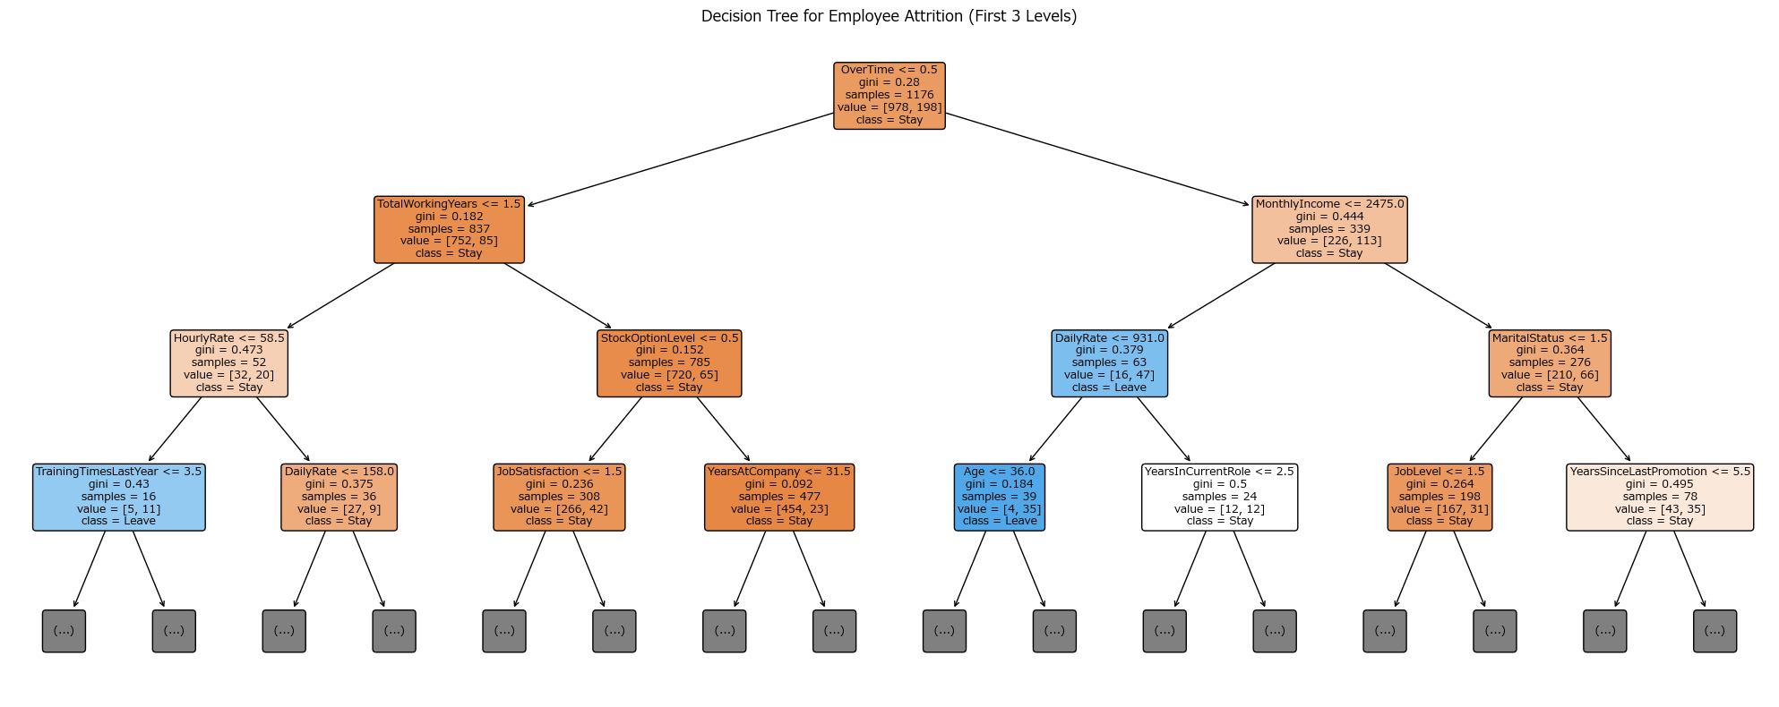
Analysis Sheet
This sheet will include all the Python formulas generated by Copilot.

Load data from employee_attrition, employee_attrition

Preview
 | Age | Attrition | BusinessTravel | DailyRate | Department | ... | WorkLifeBalance | YearsAtCompany | YearsInCurrentRole | YearsSinceLastPromotion | YearsWithCurrManager
0 | 41 | Yes | Travel_Rarely | 1102 | Sales | ... | 1 | 6 | 4 | 0 | 5
1 | 49 | No | Travel_Frequently | 279 | Research & Development | ... | 3 | 10 | 7 | 1 | 7
2 | 37 | Yes | Travel_Rarely | 1373 | Research & Development | ... | 3 | 0 | 0 | 0 | 0
3 | 33 | No | Travel_Frequently | 1392 | Research & Development | ... | 3 | 8 | 7 | 3 | 0
4 | 27 | No | Travel_Rarely | 591 | Research & Development | ... | 3 | 2 | 2 | 2 | 2
... | ... | ... | ... | ... | ... | ... | ... | ... | ... | ... | ...
1465 | 36 | No | Travel_Frequently | 884 | Research & Development | ... | 3 | 5 | 2 | 0 | 3
1466 | 39 | No | Travel_Rarely | 613 | Research & Development | ... | 3 | 7 | 7 | 1 | 7
1467 | 27 | No | Travel_Rarely | 155 | Research & Development | ... | 3 | 6 | 2 | 0 | 3
1468 | 49 | No | Travel_Frequently | 1023 | Sales | ... | 2 | 9 | 6 | 0 | 8
1469 | 34 | No | Travel_Rarely | 628 | Research & Development | ... | 4 | 4 | 3 | 1 | 2

Top features for predicting employee attrition using decision tree

Preview
MonthlyIncome | 0.25566428997
OverTime | 0.22428611332
TotalWorkingYears | 0.12272266859
MaritalStatus | 0.082814303314
JobSatisfaction | 0.053151891595
YearsInCurrentRole | 0.047112069284
DailyRate | 0.044750850393
YearsSinceLastPromotion | 0.042721851628
HourlyRate | 0.036962114349
EnvironmentSatisfaction | 0.028603756351

Decision tree accuracy on test set
0.85714285714

Decision tree visualization for employee attrition (first 3 levels)

