Analysis1
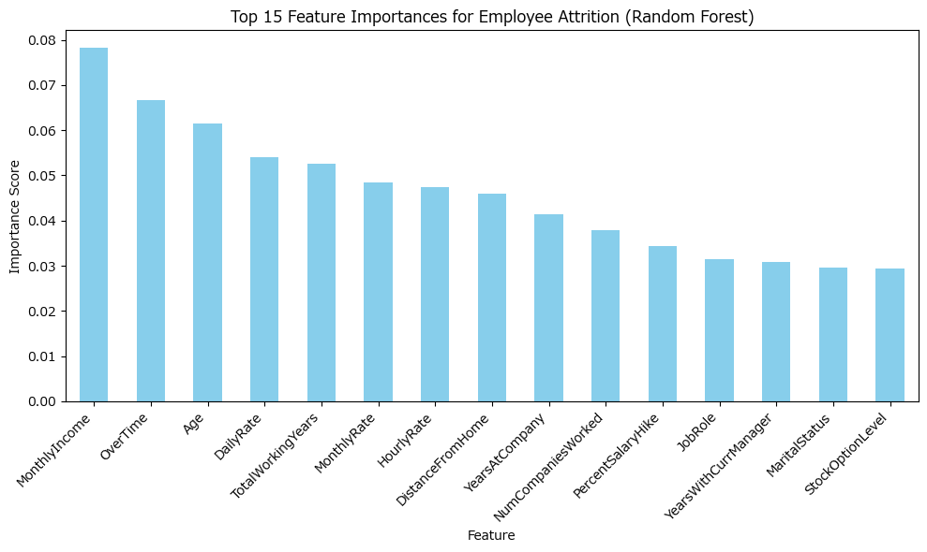
Analysis Sheet
This sheet will include all the Python formulas generated by Copilot.

Load data from employee_attrition, employee_attrition

Preview
 | Age | Attrition | BusinessTravel | DailyRate | Department | ... | WorkLifeBalance | YearsAtCompany | YearsInCurrentRole | YearsSinceLastPromotion | YearsWithCurrManager
0 | 41 | Yes | Travel_Rarely | 1102 | Sales | ... | 1 | 6 | 4 | 0 | 5
1 | 49 | No | Travel_Frequently | 279 | Research & Development | ... | 3 | 10 | 7 | 1 | 7
2 | 37 | Yes | Travel_Rarely | 1373 | Research & Development | ... | 3 | 0 | 0 | 0 | 0
3 | 33 | No | Travel_Frequently | 1392 | Research & Development | ... | 3 | 8 | 7 | 3 | 0
4 | 27 | No | Travel_Rarely | 591 | Research & Development | ... | 3 | 2 | 2 | 2 | 2
... | ... | ... | ... | ... | ... | ... | ... | ... | ... | ... | ...
1465 | 36 | No | Travel_Frequently | 884 | Research & Development | ... | 3 | 5 | 2 | 0 | 3
1466 | 39 | No | Travel_Rarely | 613 | Research & Development | ... | 3 | 7 | 7 | 1 | 7
1467 | 27 | No | Travel_Rarely | 155 | Research & Development | ... | 3 | 6 | 2 | 0 | 3
1468 | 49 | No | Travel_Frequently | 1023 | Sales | ... | 2 | 9 | 6 | 0 | 8
1469 | 34 | No | Travel_Rarely | 628 | Research & Development | ... | 4 | 4 | 3 | 1 | 2

Train random forest and show top 10 most important features for attrition prediction

Preview
MonthlyIncome | 0.078211649135
OverTime | 0.066669006393
Age | 0.061569311592
DailyRate | 0.054086782671
TotalWorkingYears | 0.052491116768
MonthlyRate | 0.048373395794
HourlyRate | 0.04736941511
DistanceFromHome | 0.045998898711
YearsAtCompany | 0.041347374717
NumCompaniesWorked | 0.037951343119

Random forest test set accuracy

Preview
Random Forest Test Accuracy | 0.88095238095

Bar chart of top 15 feature importances from random forest

