Analysis1
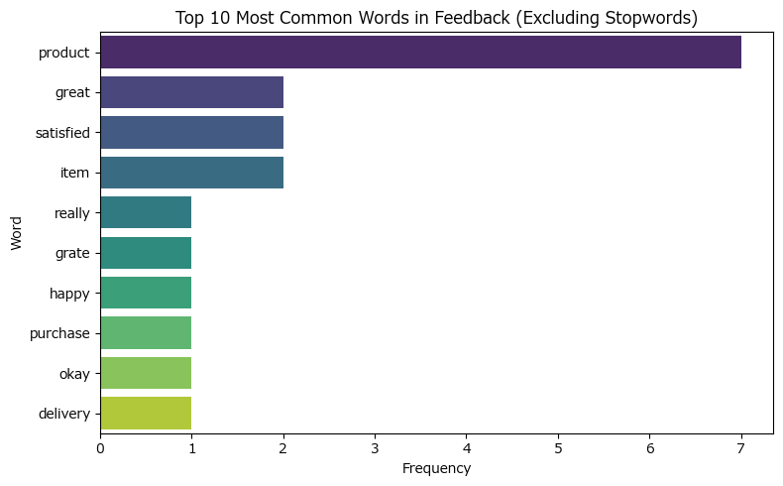
Analysis Sheet
This sheet will include all the Python formulas generated by Copilot.

Load data from Sheet1, reviews

Preview
 | Comment_ID | Customer_Feedback
0 | 1 | Great product, really satisfied!
1 | 2 | Grate product, very happy with purchase.
2 | 3 | The item was okay, but delivery was slow.
3 | 4 | Awesome produt, super fast shipping!
4 | 5 | Poor quality, not satisfyed at all.
5 | 6 | Excellent product, will buy again.
6 | 7 | Product was good, but packaging was bad.
7 | 8 | Gret product, highly recomend!
8 | 9 | Decent item, but could be better.
9 | 10 | Amazing produt, love it!

Load data from Sheet1, correct_words

Preview
 | correct_words
0 | great
1 | product
2 | satisfied
3 | recommend
4 | awesome
5 | amazing

Correct spelling errors in customer feedback using TheFuzz and correct_words list

Preview
 | Customer_Feedback | corrected_feedback
0 | Great product, really satisfied! | Great product, really satisfied!
1 | Grate product, very happy with purchase. | Grate product, very happy with purchase.
2 | The item was okay, but delivery was slow. | The item was okay, but delivery was slow.
3 | Awesome produt, super fast shipping! | Awesome product, super fast shipping!
4 | Poor quality, not satisfyed at all. | Poor quality, not satisfied at all.
5 | Excellent product, will buy again. | Excellent product, will buy again.
6 | Product was good, but packaging was bad. | Product was good, but packaging was bad.
7 | Gret product, highly recomend! | Great product, highly recommend!
8 | Decent item, but could be better. | Decent item, but could be better.
9 | Amazing produt, love it! | Amazing product, love it!

Sentiment analysis for customer feedback

Preview
 | Customer_Feedback | sentiment
0 | Great product, really satisfied! | positive
1 | Grate product, very happy with purchase. | positive
2 | The item was okay, but delivery was slow. | positive
3 | Awesome produt, super fast shipping! | positive
4 | Poor quality, not satisfyed at all. | negative
5 | Excellent product, will buy again. | positive
6 | Product was good, but packaging was bad. | negative
7 | Gret product, highly recomend! | neutral
8 | Decent item, but could be better. | positive
9 | Amazing produt, love it! | positive

Sentiment analysis on corrected feedback

Preview
 | corrected_feedback | sentiment_corrected
0 | Great product, really satisfied! | positive
1 | Grate product, very happy with purchase. | positive
2 | The item was okay, but delivery was slow. | positive
3 | Awesome product, super fast shipping! | positive
4 | Poor quality, not satisfied at all. | negative
5 | Excellent product, will buy again. | positive
6 | Product was good, but packaging was bad. | negative
7 | Great product, highly recommend! | positive
8 | Decent item, but could be better. | positive
9 | Amazing product, love it! | positive

Extract keywords from corrected feedback

Preview
 | corrected_feedback | keywords
0 | Great product, really satisfied! | great product really satisfied
1 | Grate product, very happy with purchase. | grate product happy purchase
2 | The item was okay, but delivery was slow. | item okay delivery slow
3 | Awesome product, super fast shipping! | awesome product super fast shipping
4 | Poor quality, not satisfied at all. | poor quality satisfied
5 | Excellent product, will buy again. | excellent product buy
6 | Product was good, but packaging was bad. | product good packaging bad
7 | Great product, highly recommend! | great product highly recommend
8 | Decent item, but could be better. | decent item could better
9 | Amazing product, love it! | amazing product love

Extract keywords from corrected_feedback separated by comma

Preview
 | corrected_feedback | keywords
0 | Great product, really satisfied! | great, product, really, satisfied
1 | Grate product, very happy with purchase. | grate, product, happy, purchase
2 | The item was okay, but delivery was slow. | item, okay, delivery, slow
3 | Awesome product, super fast shipping! | awesome, product, super, fast, shipping
4 | Poor quality, not satisfied at all. | poor, quality, satisfied
5 | Excellent product, will buy again. | excellent, product, buy
6 | Product was good, but packaging was bad. | product, good, packaging, bad
7 | Great product, highly recommend! | great, product, highly, recommend
8 | Decent item, but could be better. | decent, item, could, better
9 | Amazing product, love it! | amazing, product, love

Word cloud of all feedback text (excluding stopwords)
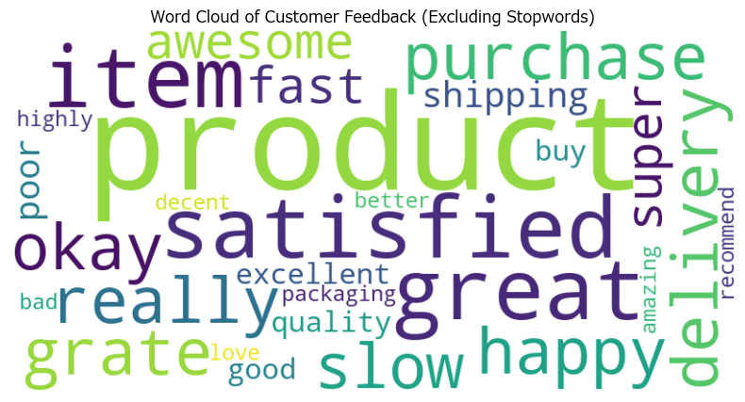

Bar plot of most common words in feedback text

