Sheet1
Month | Region | Category | Sales | Quantity
June | South | Electronics | 3763.57 | 57
January | West | Furniture | 1397.67 | 71
April | West | Furniture | 2159.1 | 60
December | West | Electronics | 3156.29 | 78
April | East | Furniture | 3896.59 | 86
August | East | Clothing | 2555.47 | 67
October | South | Electronics | 1908.34 | 14
April | East | Clothing | 2819.44 | 46
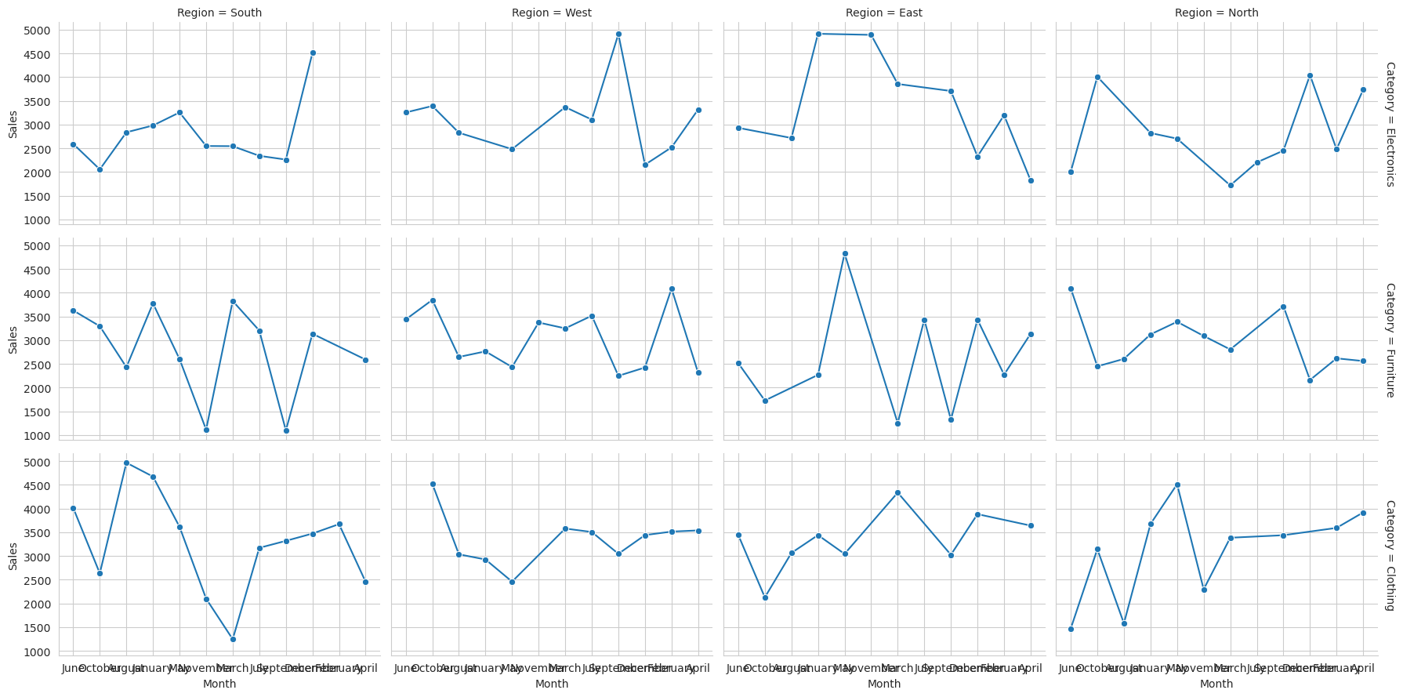
June | West | Furniture | 4888.33 | 90
March | East | Clothing | 4335.27 | 92
May | North | Clothing | 4659.16 | 47
August | West | Electronics | 3669.14 | 45
July | West | Clothing | 2762.66 | 58
September | South | Clothing | 3740.37 | 10
September | South | Clothing | 3594.39 | 59
November | South | Furniture | 1116.4 | 67
February | East | Electronics | 4678.13 | 19
July | South | Clothing | 3169.83 | 60
August | South | Clothing | 4964.57 | 58
August | South | Electronics | 2532.41 | 22
September | East | Clothing | 4226.68 | 80
February | North | Furniture | 2844.03 | 46
June | West | Electronics | 4307.3 | 46
October | South | Clothing | 3156.47 | 40
September | North | Furniture | 4549.06 | 29
October | West | Clothing | 4520.43 | 48
May | South | Furniture | 2313.21 | 54
April | South | Clothing | 2617.7 | 45
January | East | Furniture | 3178.59 | 24
April | North | Clothing | 3486.77 | 39
June | East | Furniture | 2517.42 | 61
January | West | Furniture | 3168.52 | 70
March | North | Furniture | 1483.68 | 91
April | East | Furniture | 3722.79 | 77
September | North | Electronics | 2148.48 | 39
February | East | Furniture | 1171.91 | 37
April | North | Furniture | 1464.39 | 13
April | North | Furniture | 1425.72 | 43
April | West | Furniture | 2265.95 | 61
August | West | Electronics | 1986.14 | 37
January | West | Clothing | 3251.13 | 66
February | North | Electronics | 4625.42 | 31
October | North | Furniture | 3320.43 | 49
October | West | Electronics | 3391.75 | 84
January | South | Electronics | 1952.17 | 39
November | West | Furniture | 3323.55 | 39
May | East | Clothing | 1583.48 | 71
August | West | Furniture | 2342.52 | 68
April | North | Furniture | 3502.11 | 34
December | West | Clothing | 2445.22 | 26
March | North | Clothing | 4643.98 | 74
August | West | Furniture | 4513.97 | 23
March | West | Clothing | 2736.62 | 11
January | South | Furniture | 3070.45 | 12
January | East | Clothing | 2898.67 | 76
May | South | Furniture | 1737.45 | 29
June | North | Electronics | 2739.04 | 86
June | North | Clothing | 1750.21 | 40
July | West | Clothing | 3860.83 | 49
September | North | Furniture | 3092.03 | 95
May | West | Furniture | 2282.26 | 87
February | North | Electronics | 1012.4 | 59
May | North | Furniture | 3389.21 | 36
October | South | Clothing | 3596.31 | 22
November | North | Furniture | 1020.76 | 74
November | East | Electronics | 4880.89 | 11
September | East | Clothing | 3655.46 | 46
February | East | Furniture | 2172.58 | 20
February | North | Electronics | 1801.46 | 42
August | North | Furniture | 4702.81 | 38
October | East | Clothing | 2237.01 | 68
October | North | Furniture | 2612.87 | 76
April | East | Clothing | 3532.25 | 75
July | West | Electronics | 4562.61 | 87
August | East | Electronics | 2730.43 | 93
December | West | Clothing | 4712.87 | 57
March | West | Electronics | 3368.32 | 91
December | North | Furniture | 2727.14 | 46
January | South | Electronics | 3371.12 | 81
April | South | Clothing | 2418.02 | 63
June | South | Furniture | 3628.08 | 80
October | North | Electronics | 3609.24 | 19
November | North | Furniture | 4286.87 | 25
May | West | Electronics | 2611.07 | 28
December | West | Electronics | 1150.26 | 39
May | South | Clothing | 4938.53 | 63
July | West | Electronics | 2792.57 | 70
May | North | Clothing | 4750.54 | 52
May | West | Electronics | 3688.16 | 92
April | North | Furniture | 2066.79 | 12
May | South | Electronics | 3256.26 | 39
May | East | Furniture | 4827.73 | 27
September | East | Clothing | 1453.94 | 45
May | North | Electronics | 2088.92 | 29
April | East | Furniture | 1328.23 | 26
November | South | Electronics | 4061.08 | 33
August | West | Furniture | 1086.75 | 22
June | West | Electronics | 1549.01 | 66
June | West | Furniture | 2042.51 | 76
January | South | Furniture | 4484.33 | 30
February | East | Electronics | 1717.64 | 13
June | South | Electronics | 2733.11 | 91
October | East | Furniture | 2300.47 | 54
April | West | Clothing | 3333.62 | 48
January | East | Clothing | 4745.87 | 52
June | South | Clothing | 4763.13 | 84
January | East | Clothing | 1210.03 | 47
February | West | Electronics | 3384.84 | 50
March | West | Furniture | 4567.2 | 37
May | North | Clothing | 4123.72 | 14
March | North | Clothing | 1846.14 | 61
January | East | Clothing | 4059.98 | 32
April | South | Clothing | 1756.25 | 47
March | West | Furniture | 4595.04 | 45
November | South | Electronics | 1035.73 | 40
January | East | Furniture | 1360.93 | 17
August | East | Clothing | 3476.73 | 98
June | South | Clothing | 2529.76 | 98
October | North | Clothing | 1386.25 | 25
January | East | Clothing | 4939.73 | 20
November | West | Furniture | 4586.33 | 29
March | North | Electronics | 2084.45 | 87
December | East | Clothing | 2892.76 | 66
November | North | Furniture | 2919.02 | 28
August | West | Clothing | 3033.56 | 81
December | East | Clothing | 4869.04 | 70
March | South | Clothing | 1399.83 | 34
October | East | Furniture | 1158.6 | 42
March | South | Electronics | 2934.83 | 49
April | North | Furniture | 2833.04 | 26
December | South | Furniture | 1941.05 | 62
April | South | Furniture | 1235.48 | 90
March | East | Furniture | 1495.38 | 56
April | East | Furniture | 4427.02 | 94
May | West | Electronics | 2598.67 | 33
February | North | Clothing | 2525.59 | 25
March | South | Clothing | 1087.89 | 54
December | North | Furniture | 2499.01 | 93
October | West | Furniture | 3646.43 | 65
November | North | Furniture | 3501.43 | 37
February | North | Clothing | 4655.96 | 55
May | East | Clothing | 3687.18 | 91
November | North | Clothing | 2296.33 | 97
July | West | Furniture | 2264.88 | 37
December | South | Furniture | 4333.26 | 87
September | North | Clothing | 4103.21 | 58
December | West | Furniture | 2124.61 | 97
March | East | Electronics | 3855.71 | 15
April | South | Clothing | 3246.31 | 38
January | West | Clothing | 2598.64 | 75
January | North | Furniture | 3123.44 | 78
July | South | Electronics | 1340.93 | 95
January | East | Clothing | 3662.71 | 82
July | North | Electronics | 1118.54 | 43
April | North | Electronics | 4557.15 | 58
November | North | Furniture | 3728.48 | 99
April | East | Clothing | 4565.26 | 79
September | South | Electronics | 1004.83 | 75
September | West | Clothing | 4748.88 | 81
September | North | Furniture | 4833.23 | 11
March | North | Clothing | 4185.28 | 11
April | North | Furniture | 4968.3 | 81
March | North | Clothing | 2420.9 | 35
December | South | Clothing | 4393.36 | 87
January | West | Furniture | 4082.7 | 60
September | East | Electronics | 3882.11 | 37
September | East | Electronics | 3533.66 | 53
April | South | Clothing | 2229.5 | 29
September | North | Clothing | 3149.12 | 55
November | South | Clothing | 2098.3 | 90
March | South | Electronics | 1034.76 | 53
September | South | Furniture | 1099.78 | 77
May | West | Furniture | 1577.14 | 18
April | West | Furniture | 3055.04 | 93
January | South | Electronics | 1890.63 | 56
May | South | Furniture | 2477.96 | 74
April | West | Electronics | 1220.43 | 30
December | South | Clothing | 4644.79 | 15
July | West | Furniture | 4539.81 | 95
October | West | Furniture | 4589.11 | 34
December | East | Electronics | 2328.76 | 12
September | East | Clothing | 3851.71 | 81
January | West | Furniture | 2707.77 | 85
September | South | Electronics | 2206.77 | 38
June | South | Electronics | 1281.64 | 75
October | South | Furniture | 2687.38 | 90
January | East | Clothing | 2553.28 | 92
October | North | Furniture | 1641.57 | 24
July | West | Electronics | 2400.83 | 31
June | North | Electronics | 1382.48 | 79
April | North | Electronics | 4484.41 | 43
February | South | Clothing | 3670.37 | 12
September | North | Electronics | 1770.87 | 37
January | South | Clothing | 4672.37 | 29
May | North | Electronics | 3318.72 | 25
December | West | Clothing | 2823.59 | 81
December | East | Furniture | 3569.41 | 39
October | East | Clothing | 2016.1 | 45
July | South | Furniture | 3204.32 | 58
June | North | Clothing | 1527.61 | 59
August | North | Furniture | 1802.06 | 90
September | North | Clothing | 3056.22 | 66
September | North | Furniture | 1389.97 | 73
October | North | Electronics | 4407.41 | 98
March | West | Furniture | 2582.18 | 68
September | East | Clothing | 1932.31 | 15
July | South | Electronics | 3341.73 | 61
December | North | Electronics | 3987.35 | 71
July | East | Furniture | 3435.95 | 93
October | West | Furniture | 3316.04 | 27
February | West | Electronics | 1680.4 | 55
July | West | Furniture | 3745.45 | 72
September | West | Electronics | 4907.21 | 32
September | North | Electronics | 3434.37 | 19
April | East | Furniture | 2313.52 | 15
March | South | Furniture | 4210.77 | 86
April | North | Clothing | 4345.46 | 71
November | West | Furniture | 2661.12 | 52
July | West | Electronics | 2662.43 | 26
April | West | Electronics | 4746.47 | 69
July | West | Clothing | 3888.74 | 27
June | North | Clothing | 1131.61 | 78
August | East | Electronics | 2703.78 | 70
December | South | Clothing | 1375.58 | 35
January | East | Electronics | 4914.19 | 24
December | East | Furniture | 3300.85 | 71
September | South | Electronics | 3574.71 | 63
May | West | Clothing | 2457.85 | 91
November | West | Furniture | 3670.86 | 39
July | North | Electronics | 3287.37 | 80
December | North | Electronics | 4098.73 | 38
June | East | Clothing | 4600.41 | 84
September | South | Clothing | 2617.23 | 15
March | South | Electronics | 4581.38 | 94
December | North | Furniture | 1260.33 | 65
April | West | Clothing | 3741.91 | 60
October | North | Furniture | 1924.28 | 96
August | East | Clothing | 3155.47 | 63
June | North | Furniture | 4092.14 | 20
April | West | Electronics | 3986.34 | 53
May | South | Furniture | 3885.72 | 69
June | East | Electronics | 2931.57 | 40
April | West | Furniture | 1776.09 | 69
April | East | Electronics | 1822.27 | 24
August | South | Electronics | 3141.87 | 58
October | North | Furniture | 2751.26 | 66
October | North | Clothing | 4899.96 | 75
October | South | Electronics | 2203.3 | 17
August | North | Furniture | 1315.88 | 79
April | North | Electronics | 3907.51 | 25
November | East | Electronics | 4901.7 | 62
March | North | Furniture | 4128.36 | 42
April | North | Electronics | 1988.18 | 97
October | South | Clothing | 1146.24 | 88
November | West | Furniture | 2627.69 | 44
December | South | Electronics | 4511 | 39
August | South | Furniture | 2727.98 | 61
August | South | Furniture | 2136.34 | 99
June | South | Clothing | 4741.21 | 63
February | West | Furniture | 4089.06 | 14
March | South | Furniture | 3443.95 | 74
March | East | Furniture | 1010.71 | 36
September | North | Furniture | 4726.02 | 94
February | East | Furniture | 3695.35 | 15
June | North | Electronics | 1897.87 | 98
September | West | Furniture | 1099.01 | 27
May | West | Electronics | 1029.87 | 78
January | South | Electronics | 4709.61 | 66
December | West | Clothing | 3772.61 | 42
March | North | Clothing | 3820.59 | 91
June | West | Furniture | 3384.26 | 82
June | East | Clothing | 3148.94 | 83
January | North | Electronics | 2822.31 | 41
September | West | Furniture | 3400.77 | 83
February | West | Clothing | 3616.33 | 58
February | West | Electronics | 2492.16 | 42
January | North | Clothing | 3672.94 | 24
April | South | Furniture | 2827.54 | 71
September | West | Clothing | 1340.27 | 97
December | West | Furniture | 1932.7 | 42
September | East | Furniture | 1325.49 | 66
May | South | Clothing | 2288.07 | 38
May | West | Furniture | 3445.31 | 53
January | West | Furniture | 2470.5 | 60
October | South | Furniture | 3904.91 | 56
April | South | Furniture | 3712.24 | 82
August | North | Clothing | 1578.76 | 47
April | North | Furniture | 1672.17 | 12
March | West | Furniture | 1257.74 | 27
February | East | Furniture | 2057.33 | 25
February | North | Furniture | 2393.43 | 77
March | North | Electronics | 1352.99 | 95
February | West | Clothing | 3408.92 | 32
May | East | Clothing | 3857.5 | 92
March | South | Electronics | 1628.89 | 17
June | East | Clothing | 2368.55 | 65
June | West | Electronics | 3909 | 59
June | East | Clothing | 3653.27 | 36
March | West | Clothing | 4417.84 | 14
December | West | Furniture | 3218.41 | 99

