Analysis1
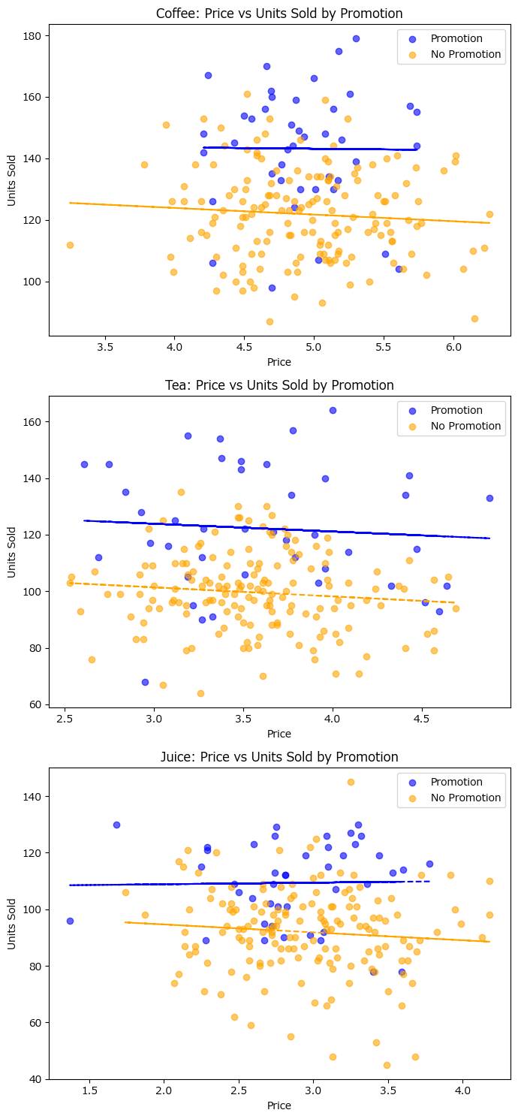
Analysis Sheet
This sheet will include all the Python formulas generated by Copilot.

Load data from Sheet1, Table1

Preview
 | Date | Product | Price | Units_Sold | Promotion | Revenue
0 | 45292 | Coffee | 5.24 | 117 | No | 613.08
1 | 45292 | Tea | 2.93 | 128 | Yes | 375.04
2 | 45292 | Juice | 3.78 | 116 | Yes | 438.48
3 | 45293 | Coffee | 4.7 | 135 | Yes | 634.5
4 | 45293 | Tea | 3.61 | 70 | No | 252.7
... | ... | ... | ... | ... | ... | ...
595 | 45490 | Tea | 3.91 | 91 | No | 355.81
596 | 45490 | Juice | 2.82 | 101 | Yes | 284.82
597 | 45491 | Coffee | 5.14 | 156 | Yes | 801.84
598 | 45491 | Tea | 4.52 | 96 | Yes | 433.92
599 | 45491 | Juice | 3.09 | 93 | No | 287.37

Estimate price elasticity of demand for each product using log-log regression

Preview
 | Product | Price_Elasticity
0 | Coffee | -0.074486684807
1 | Tea | -0.066559097641
2 | Juice | -0.10843708096

Scatterplots with trendlines for price vs units sold by product

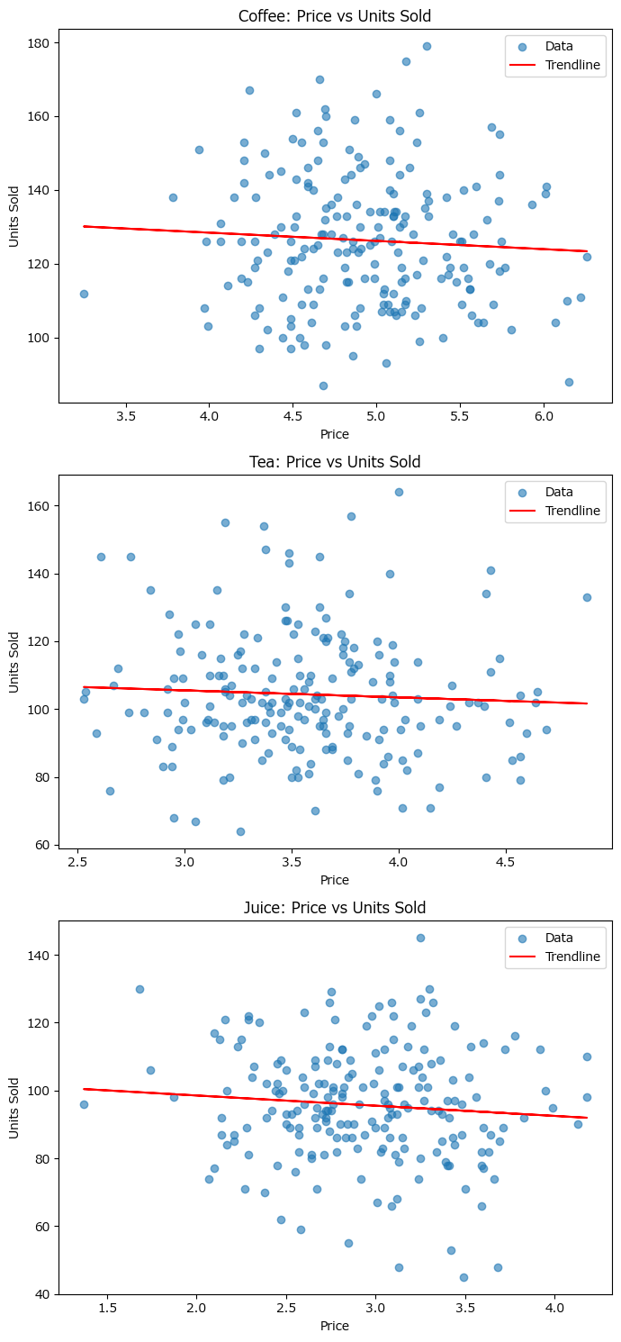

Demand curve comparison for promotion vs non-promotion days

