Analysis1
Analysis Sheet
This sheet will include all the Python formulas generated by Copilot.

Load data from Sheet1, Table1

Preview
 | id | mpg | cylinders | displacement | horsepower | weight | acceleration | model.year | origin | car.name
0 | 1 | 18 | 8 | 307 | 130 | 3504 | 12 | 70 | USA | chevrolet chevelle malibu
1 | 2 | 15 | 8 | 350 | 165 | 3693 | 11.5 | 70 | USA | buick skylark 320
2 | 3 | 18 | 8 | 318 | 150 | 3436 | 11 | 70 | USA | plymouth satellite
3 | 4 | 16 | 8 | 304 | 150 | 3433 | 12 | 70 | USA | amc rebel sst
4 | 5 | 17 | 8 | 302 | 140 | 3449 | 10.5 | 70 | USA | ford torino
... | ... | ... | ... | ... | ... | ... | ... | ... | ... | ...
387 | 388 | 27 | 4 | 140 | 86 | 2790 | 15.6 | 82 | USA | ford mustang gl
388 | 389 | 44 | 4 | 97 | 52 | 2130 | 24.6 | 82 | Europe | vw pickup
389 | 390 | 32 | 4 | 135 | 84 | 2295 | 11.6 | 82 | USA | dodge rampage
390 | 391 | 28 | 4 | 120 | 79 | 2625 | 18.6 | 82 | USA | ford ranger
391 | 392 | 31 | 4 | 119 | 82 | 2720 | 19.4 | 82 | USA | chevy s-10

Check for missing values, outliers, and standardize features

Preview
 | missing | outliers
horsepower | 0 | 10
weight | 0 | 0
acceleration | 0 | 11

KNN regression model for predicting MPG using standardized features
16.260202532

Scatter plot of actual vs predicted MPG for KNN regression
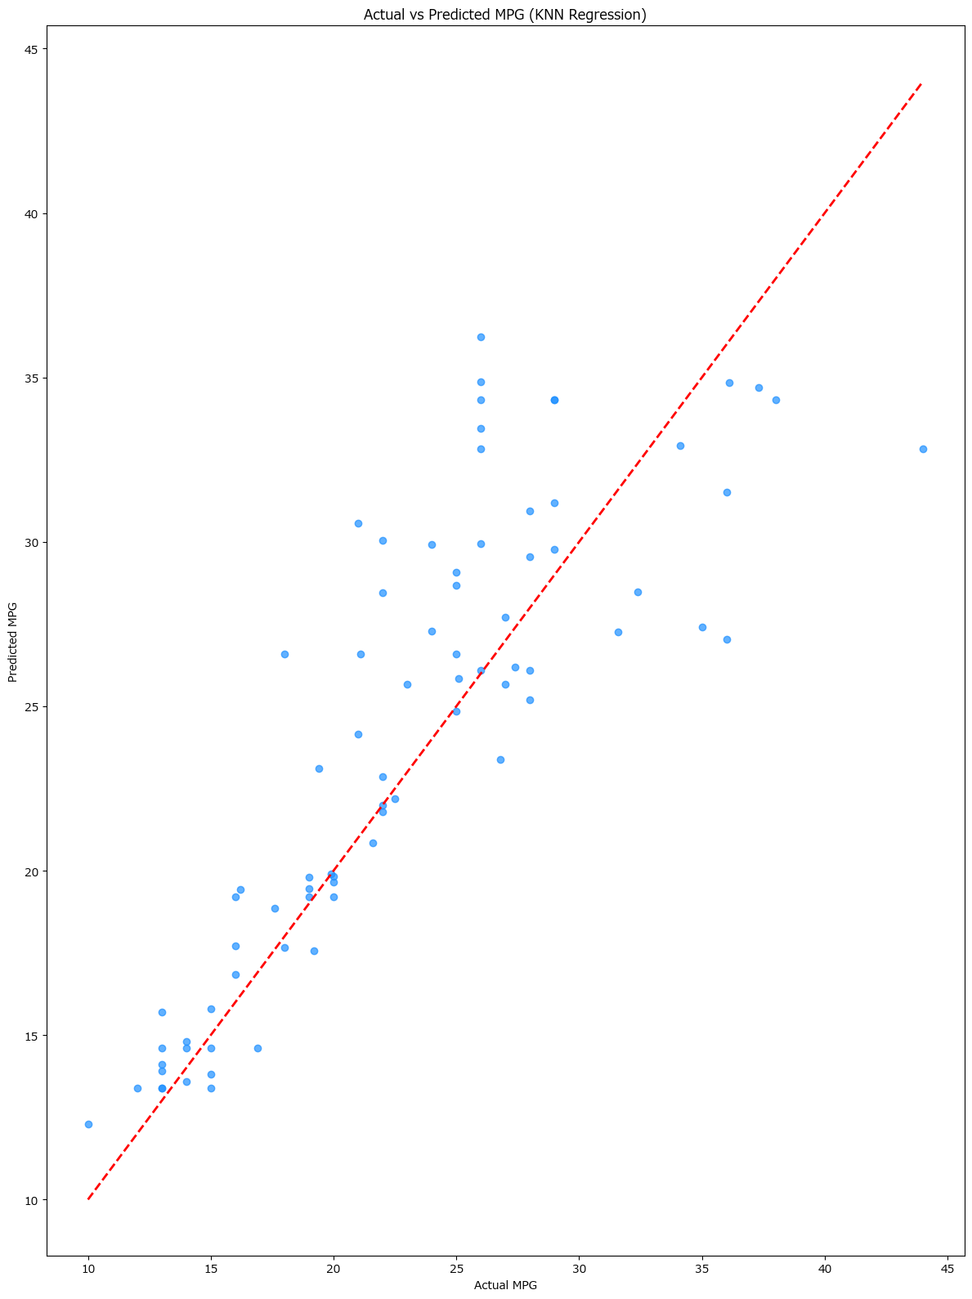

KNN regression comparison for k=3, 5, 7

Preview
7
<DataFrame>

Mean squared error for different k values

Preview
 | k | mean_squared_error
0 | 3 | 17.981153305
1 | 5 | 16.260202532
2 | 7 | 15.715021958

Identify three closest neighbors for a test vehicle and compare their features

Preview
<Series>
<DataFrame>

Show selected test vehicle's features

Preview
 | 78
horsepower | 69
weight | 2189
acceleration | 18
mpg | 26

Show features of the three closest neighbors

Preview
 | horsepower | weight | acceleration | mpg
328 | 67 | 2145 | 18 | 33.8
320 | 65 | 2110 | 17.9 | 46.6
342 | 67 | 2065 | 17.8 | 32.3

