Sheet1
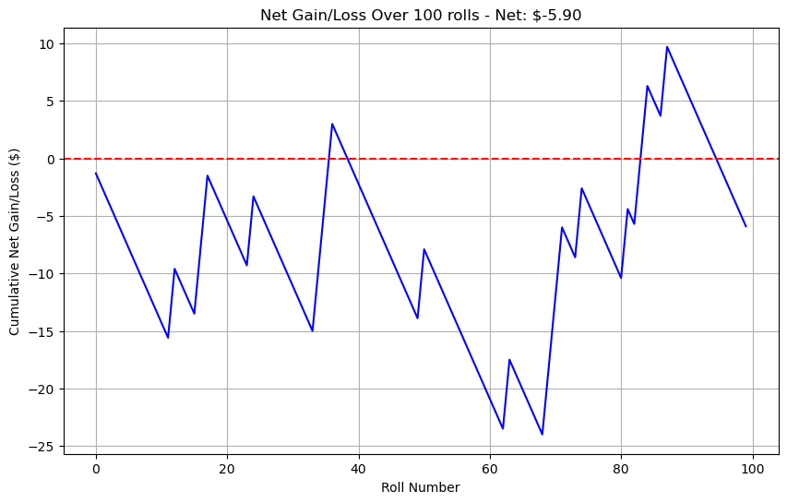
# rolls | 100
Gain amount | $6.00
Loss amount | -$1.30

