Analysis1
Analysis Sheet
This sheet will include all the Python formulas generated by Copilot.

Load data from Mall_Customers, mall_customers

Preview
 | customer_id | genre | age | annual_income | spending_score
0 | 1 | Male | 19 | 15 | 39
1 | 2 | Male | 21 | 15 | 81
2 | 3 | Female | 20 | 16 | 6
3 | 4 | Female | 23 | 16 | 77
4 | 5 | Female | 31 | 17 | 40
... | ... | ... | ... | ... | ...
195 | 196 | Female | 35 | 120 | 79
196 | 197 | Female | 45 | 126 | 28
197 | 198 | Male | 32 | 126 | 74
198 | 199 | Male | 32 | 137 | 18
199 | 200 | Male | 30 | 137 | 83

Hierarchical clustering dendrogram for normalized annual income and spending score

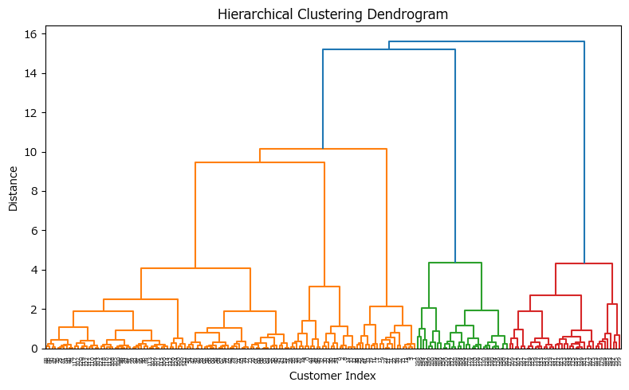

Cluster assignment and mean calculation for each cluster

Preview
 | annual_income | spending_score
cluster
1 | 86.538461538 | 82.128205128
2 | 89.40625 | 15.59375
3 | 25.095238095 | 80.047619048
4 | 49.527777778 | 43.12037037

