ohlc
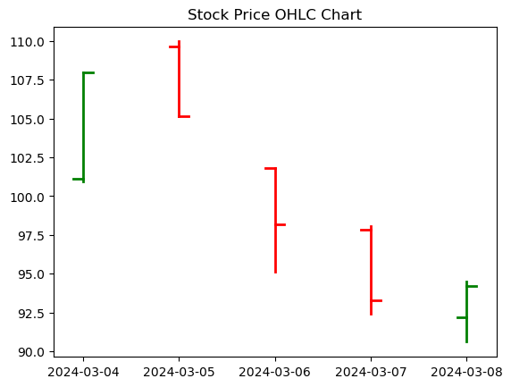
 | open | high | low | close
date
45355 | 101.09 | 107.98 | 100.92 | 107.98
45356 | 109.62 | 109.96 | 105.16 | 105.16
45357 | 101.81 | 101.81 | 95.15 | 98.18
45358 | 97.83 | 98.06 | 92.44 | 93.3
45359 | 92.19 | 94.49 | 90.61 | 94.22

