udf-analysis
Initial investment: | $100,000
Number of simulations: | 10,000

Period 1 (Uniform distribution) |  |  | Period 2 (Normal distribution) |  | Period 3 (Triangular distribution)
Cash flow minimum: | $20,000 |  | Cash flow mean: | $50,000 | Cash flow min: | $40,000
Cash flow maximum: | $40,000 |  | Cash flow standard deviation: | $5,000 | Cash flow most likely: | $60,000
 |  |  |  |  | Cash flow max: | $80,000

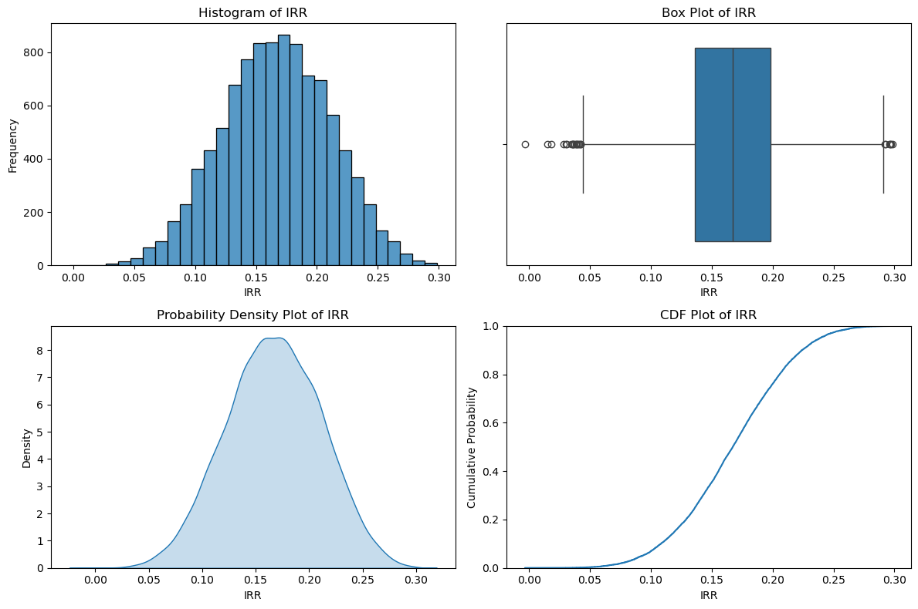

Generate cash flows for each year based on specified distributions

Preview
-100000 | 27490.802377 | 42560.691483 | 54556.164335
-100000 | 39014.286128 | 44374.069491 | 50238.300867
-100000 | 34639.878836 | 51944.094551 | 55355.318968
-100000 | 31973.169684 | 44130.633368 | 54472.638062
-100000 | 23120.372809 | 55563.171526 | 62975.580454

Calculate IRR for each set of yearly cash flows across all simulations

Preview
0.10587147831
0.15294966616
0.18203290401
0.1332765652
0.16824474718

Aggregate IRR results and visualize the distribution

