distribution-profits
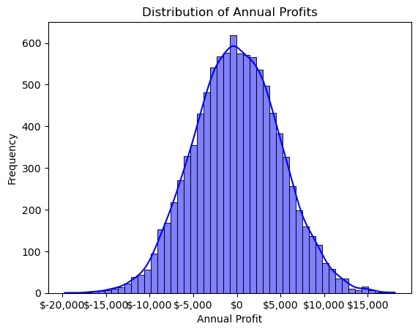
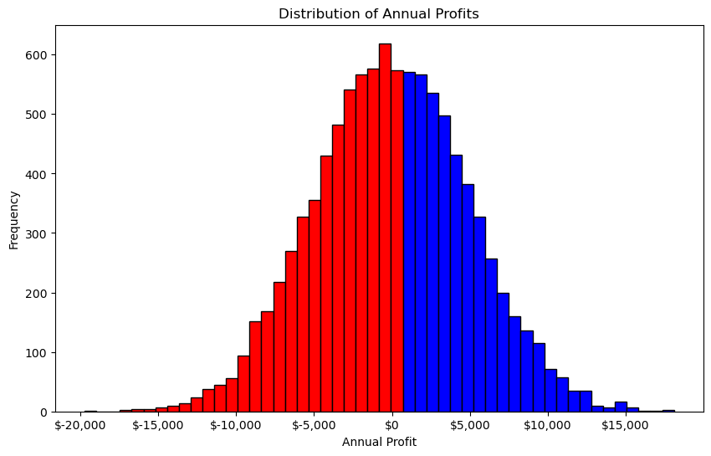
Number of simulations | 10,000
Number of months | 12
Average monthly revenue | $50,000
Standard deviation revenue | $1,000
Average monthly cost | $50,000
Standard deviation cost | $1,000

Random seed | 1234

profit-path
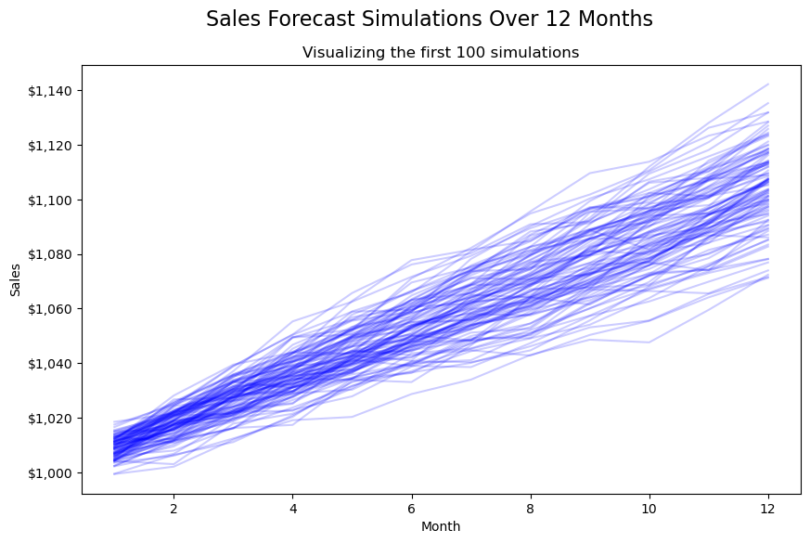
Initial sales | $1,000
Annual growth rate | 10%
Standard deviation growth rate | 5%
Number of months to simulate | 12
Number of simulation runs | 1,000

Random seed for reproducibility | 1234

