Sheet1
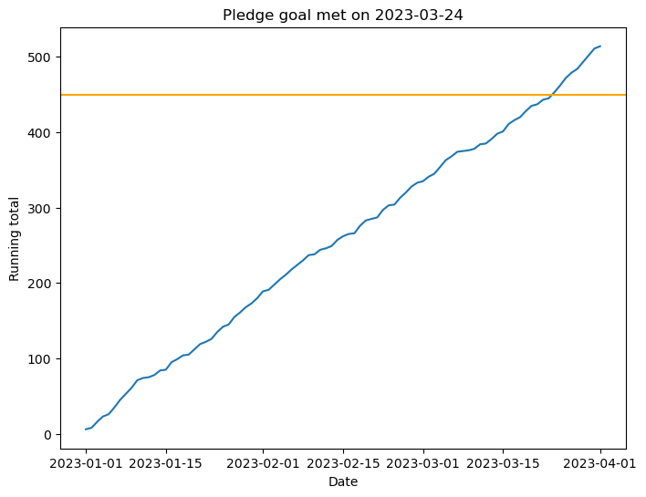
 |  | Pledge goal: | 450

Date | Amount | Date | Amount | Running total
2023-01-01 | 6 | 44927 | 6 | 6
2023-01-02 | 2 | 44928 | 2 | 8
2023-01-03 | 8 | 44929 | 8 | 16
2023-01-04 | 7 | 44930 | 7 | 23
2023-01-05 | 3 | 44931 | 3 | 26
2023-01-06 | 9 | 44932 | 9 | 35
2023-01-07 | 10 | 44933 | 10 | 45
2023-01-08 | 8 | 44934 | 8 | 53
2023-01-09 | 8 | 44935 | 8 | 61
2023-01-10 | 10 | 44936 | 10 | 71
2023-01-11 | 3 | 44937 | 3 | 74
2023-01-12 | 1 | 44938 | 1 | 75
2023-01-13 | 3 | 44939 | 3 | 78
2023-01-14 | 6 | 44940 | 6 | 84
2023-01-15 | 1 | 44941 | 1 | 85
2023-01-16 | 10 | 44942 | 10 | 95
2023-01-17 | 4 | 44943 | 4 | 99
2023-01-18 | 5 | 44944 | 5 | 104
2023-01-19 | 1 | 44945 | 1 | 105
2023-01-20 | 7 | 44946 | 7 | 112
2023-01-21 | 7 | 44947 | 7 | 119
2023-01-22 | 3 | 44948 | 3 | 122
2023-01-23 | 4 | 44949 | 4 | 126
2023-01-24 | 9 | 44950 | 9 | 135
2023-01-25 | 7 | 44951 | 7 | 142
2023-01-26 | 3 | 44952 | 3 | 145
2023-01-27 | 10 | 44953 | 10 | 155
2023-01-28 | 6 | 44954 | 6 | 161
2023-01-29 | 7 | 44955 | 7 | 168
2023-01-30 | 5 | 44956 | 5 | 173
2023-01-31 | 7 | 44957 | 7 | 180
2023-02-01 | 9 | 44958 | 9 | 189
2023-02-02 | 2 | 44959 | 2 | 191
2023-02-03 | 7 | 44960 | 7 | 198
2023-02-04 | 7 | 44961 | 7 | 205
2023-02-05 | 6 | 44962 | 6 | 211
2023-02-06 | 7 | 44963 | 7 | 218
2023-02-07 | 6 | 44964 | 6 | 224
2023-02-08 | 6 | 44965 | 6 | 230
2023-02-09 | 7 | 44966 | 7 | 237
2023-02-10 | 1 | 44967 | 1 | 238
2023-02-11 | 6 | 44968 | 6 | 244
2023-02-12 | 2 | 44969 | 2 | 246
2023-02-13 | 3 | 44970 | 3 | 249
2023-02-14 | 8 | 44971 | 8 | 257
2023-02-15 | 5 | 44972 | 5 | 262
2023-02-16 | 3 | 44973 | 3 | 265
2023-02-17 | 1 | 44974 | 1 | 266
2023-02-18 | 10 | 44975 | 10 | 276
2023-02-19 | 7 | 44976 | 7 | 283
2023-02-20 | 2 | 44977 | 2 | 285
2023-02-21 | 2 | 44978 | 2 | 287
2023-02-22 | 10 | 44979 | 10 | 297
2023-02-23 | 6 | 44980 | 6 | 303
2023-02-24 | 1 | 44981 | 1 | 304
2023-02-25 | 9 | 44982 | 9 | 313
2023-02-26 | 7 | 44983 | 7 | 320
2023-02-27 | 8 | 44984 | 8 | 328
2023-02-28 | 5 | 44985 | 5 | 333
2023-03-01 | 2 | 44986 | 2 | 335
2023-03-02 | 6 | 44987 | 6 | 341
2023-03-03 | 4 | 44988 | 4 | 345
2023-03-04 | 9 | 44989 | 9 | 354
2023-03-05 | 9 | 44990 | 9 | 363
2023-03-06 | 5 | 44991 | 5 | 368
2023-03-07 | 6 | 44992 | 6 | 374
2023-03-08 | 1 | 44993 | 1 | 375
2023-03-09 | 1 | 44994 | 1 | 376
2023-03-10 | 2 | 44995 | 2 | 378
2023-03-11 | 6 | 44996 | 6 | 384
2023-03-12 | 1 | 44997 | 1 | 385
2023-03-13 | 6 | 44998 | 6 | 391
2023-03-14 | 7 | 44999 | 7 | 398
2023-03-15 | 3 | 45000 | 3 | 401
2023-03-16 | 10 | 45001 | 10 | 411
2023-03-17 | 5 | 45002 | 5 | 416
2023-03-18 | 4 | 45003 | 4 | 420
2023-03-19 | 8 | 45004 | 8 | 428
2023-03-20 | 7 | 45005 | 7 | 435
2023-03-21 | 2 | 45006 | 2 | 437
2023-03-22 | 6 | 45007 | 6 | 443
2023-03-23 | 2 | 45008 | 2 | 445
2023-03-24 | 8 | 45009 | 8 | 453
2023-03-25 | 9 | 45010 | 9 | 462
2023-03-26 | 10 | 45011 | 10 | 472
2023-03-27 | 7 | 45012 | 7 | 479
2023-03-28 | 5 | 45013 | 5 | 484
2023-03-29 | 9 | 45014 | 9 | 493
2023-03-30 | 9 | 45015 | 9 | 502
2023-03-31 | 9 | 45016 | 9 | 511
2023-04-01 | 3 | 45017 | 3 | 514

