Analysis1
Analysis Sheet
This sheet will include all the Python formulas generated by Copilot.

Load data from Sheet1, mpg

Preview
 | id | mpg | cylinders | displacement | horsepower | weight | acceleration | model.year | origin | car.name
0 | 1 | 18 | 8 | 307 | 130 | 3504 | 12 | 70 | USA | chevrolet chevelle malibu
1 | 2 | 15 | 8 | 350 | 165 | 3693 | 11.5 | 70 | USA | buick skylark 320
2 | 3 | 18 | 8 | 318 | 150 | 3436 | 11 | 70 | USA | plymouth satellite
3 | 4 | 16 | 8 | 304 | 150 | 3433 | 12 | 70 | USA | amc rebel sst
4 | 5 | 17 | 8 | 302 | 140 | 3449 | 10.5 | 70 | USA | ford torino
... | ... | ... | ... | ... | ... | ... | ... | ... | ... | ...
387 | 388 | 27 | 4 | 140 | 86 | 2790 | 15.6 | 82 | USA | ford mustang gl
388 | 389 | 44 | 4 | 97 | 52 | 2130 | 24.6 | 82 | Europe | vw pickup
389 | 390 | 32 | 4 | 135 | 84 | 2295 | 11.6 | 82 | USA | dodge rampage
390 | 391 | 28 | 4 | 120 | 79 | 2625 | 18.6 | 82 | USA | ford ranger
391 | 392 | 31 | 4 | 119 | 82 | 2720 | 19.4 | 82 | USA | chevy s-10

Calculate average mpg for Asian cars and 95% bootstrap confidence interval

Preview
 | Average MPG (Asia) | 95% CI Lower | 95% CI Upper
0 | 30.450632911 | 29.080917722 | 31.939810127

Histogram of bootstrap means for Asian cars' average mpg

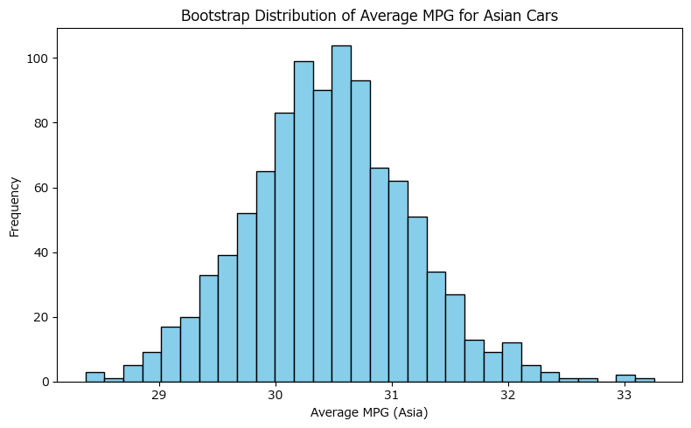

Histogram of bootstrap means with 95% confidence interval bounds

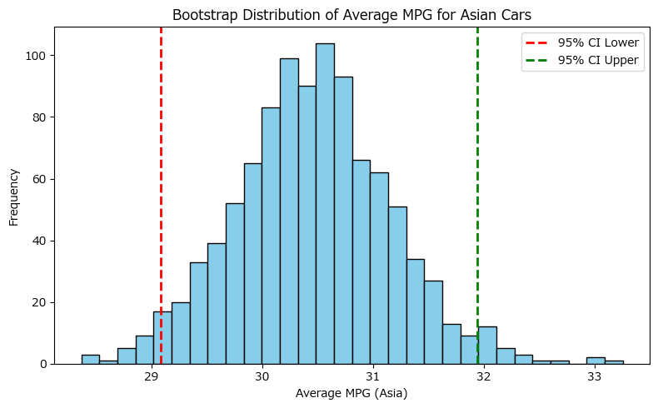

Overlayed histogram of bootstrap means for Asian and European cars with 95% CI bounds

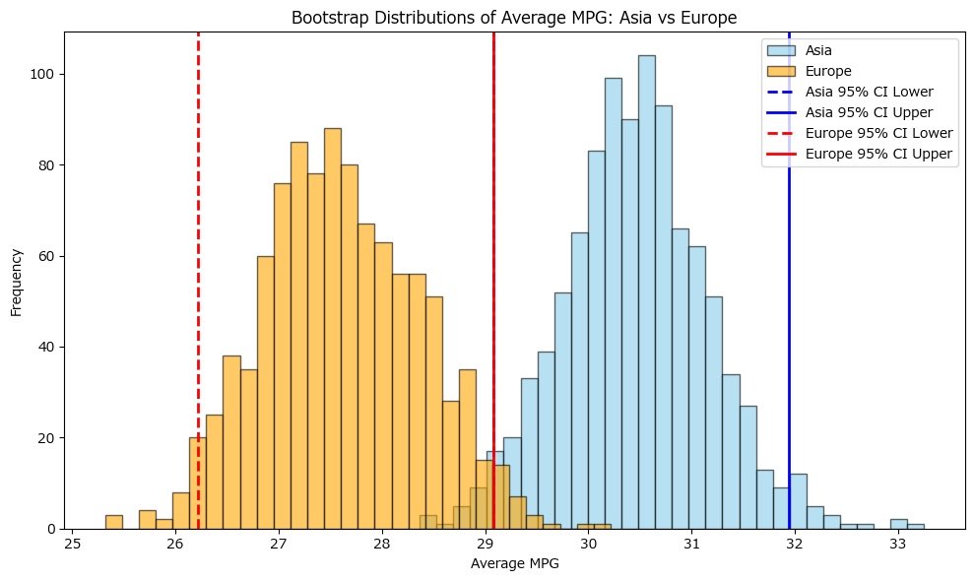

Comparison table of bootstrap results for Asian and European cars

Preview
 | Group | Average MPG | 95% CI Lower | 95% CI Upper
0 | Asia | 30.45 | 29.08 | 31.94
1 | Europe | 27.60 | 26.21 | 29.08

