Analysis1
Analysis Sheet
This sheet will include all the Python formulas generated by Copilot.

Load data from mpg, autompg

Preview
 | mpg | cylinders | displacement | horsepower | weight | acceleration | model_year | origin | name
0 | 18 | 8 | 307 | 130 | 3504 | 12 | 70 | usa | chevrolet chevelle malibu
1 | 15 | 8 | 350 | 165 | 3693 | 11.5 | 70 | usa | buick skylark 320
2 | 18 | 8 | 318 | 150 | 3436 | 11 | 70 | usa | plymouth satellite
3 | 16 | 8 | 304 | 150 | 3433 | 12 | 70 | usa | amc rebel sst
4 | 17 | 8 | 302 | 140 | 3449 | 10.5 | 70 | usa | ford torino
... | ... | ... | ... | ... | ... | ... | ... | ... | ...
393 | 27 | 4 | 140 | 86 | 2790 | 15.6 | 82 | usa | ford mustang gl
394 | 44 | 4 | 97 | 52 | 2130 | 24.6 | 82 | europe | vw pickup
395 | 32 | 4 | 135 | 84 | 2295 | 11.6 | 82 | usa | dodge rampage
396 | 28 | 4 | 120 | 79 | 2625 | 18.6 | 82 | usa | ford ranger
397 | 31 | 4 | 119 | 82 | 2720 | 19.4 | 82 | usa | chevy s-10

Data quality report: missing values and data types

Preview
 | missing_values | data_types
mpg | 0 | <Float64DType>
cylinders | 0 | <Int64DType>
displacement | 0 | <Float64DType>
horsepower | 6 | <Float64DType>
weight | 0 | <Int64DType>
acceleration | 0 | <Float64DType>
model_year | 0 | <Int64DType>
origin | 0 | <ObjectDType>
name | 0 | <ObjectDType>

Impute missing 'horsepower' values and confirm
0

Summary statistics for all numerical features

Preview
 | count | mean | std | min | 25% | 50% | 75% | max
mpg | 398 | 23.514572864 | 7.8159843126 | 9 | 17.5 | 23 | 29 | 46.6
cylinders | 398 | 5.4547738693 | 1.7010042445 | 3 | 4 | 4 | 8 | 8
displacement | 398 | 193.4258794 | 104.26983817 | 68 | 104.25 | 148.5 | 262 | 455
horsepower | 398 | 104.3040201 | 38.222624868 | 46 | 76 | 93.5 | 125 | 230
weight | 398 | 2970.4246231 | 846.8417742 | 1613 | 2223.75 | 2803.5 | 3608 | 5140
acceleration | 398 | 15.568090452 | 2.7576889298 | 8 | 13.825 | 15.5 | 17.175 | 24.8
model_year | 398 | 76.010050251 | 3.6976266467 | 70 | 73 | 76 | 79 | 82

Visualize distributions of key variables

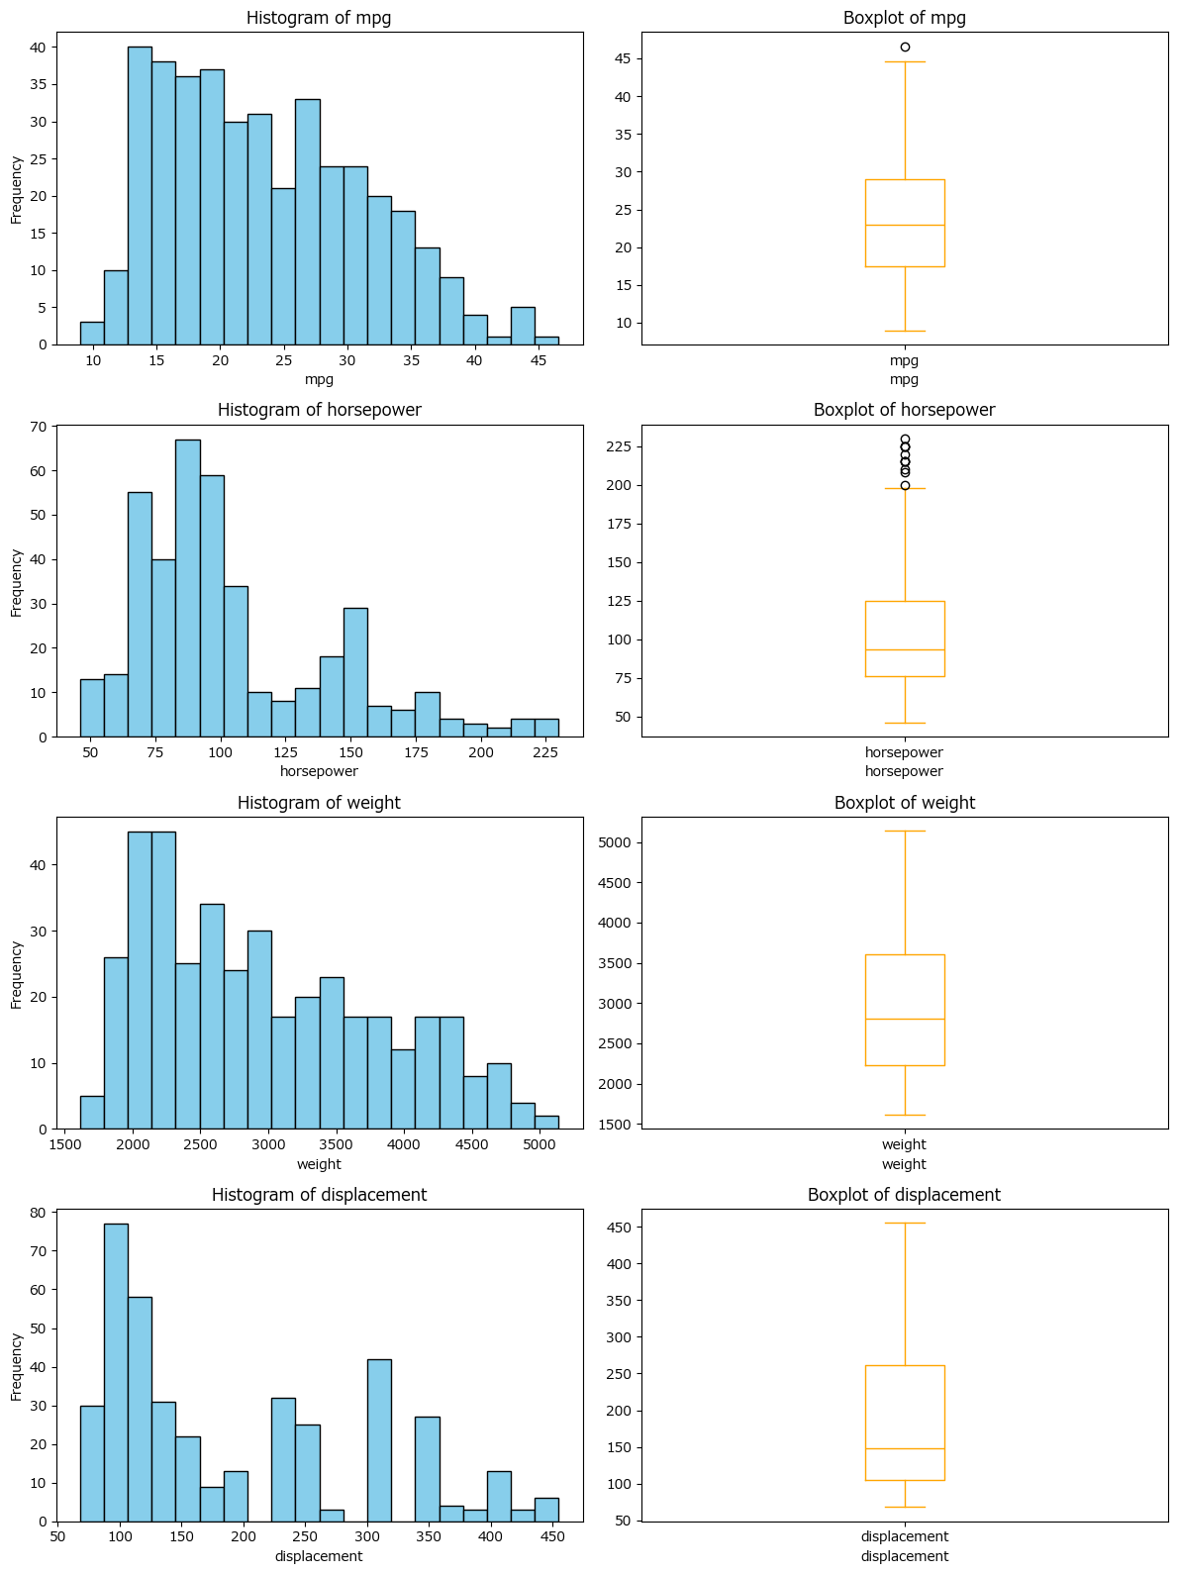

Correlation matrix for numerical features

Preview
 | mpg | cylinders | displacement | horsepower | weight | acceleration | model_year
mpg | 1 | -0.77539628542 | -0.80420282481 | -0.77345320457 | -0.83174093324 | 0.4202889121 | 0.57926713308
cylinders | -0.77539628542 | 1 | 0.95072139014 | 0.84128446376 | 0.89601679545 | -0.50541948905 | -0.34874579661
displacement | -0.80420282481 | 0.95072139014 | 1 | 0.89577820125 | 0.93282414684 | -0.5436840835 | -0.37016416108
horsepower | -0.77345320457 | 0.84128446376 | 0.89577820125 | 1 | 0.86244236099 | -0.6865897373 | -0.41373279761
weight | -0.83174093324 | 0.89601679545 | 0.93282414684 | 0.86244236099 | 1 | -0.41745731994 | -0.30656433428
acceleration | 0.4202889121 | -0.50541948905 | -0.5436840835 | -0.6865897373 | -0.41745731994 | 1 | 0.2881369543
model_year | 0.57926713308 | -0.34874579661 | -0.37016416108 | -0.41373279761 | -0.30656433428 | 0.2881369543 | 1

Encode 'origin' and check skewness of numerical features

Preview
horsepower | 1.1062242931
displacement | 0.7196451643
weight | 0.5310625126
cylinders | 0.52692154535
mpg | 0.45706634399
acceleration | 0.27877684463
model_year | 0.011534594015

Check columns after one-hot encoding for 'origin'

Regression model to predict mpg and evaluation metrics

Preview
 | R2 | RMSE
0 | 0.84490963328 | 2.8876733677

Interpret model coefficients

Preview
 | Feature | Coefficient
5 | model_year | 0.82596927182
4 | acceleration | 0.067966521789
1 | displacement | 0.019775710196
3 | weight | -0.007047266508
2 | horsepower | -0.014561875499
0 | cylinders | -0.16566377599
6 | origin_japan | -0.27578067033
7 | origin_usa | -2.9469066694

