market_volatility
date | price | daily_return | vol
2017-01-03 | $100.31 | 0.0031 | 0.1767
2017-01-04 | $100.05 | -0.0026 | 0.1724
2017-01-05 | $100.19 | 0.0013 | 0.1618
2017-01-06 | $99.63 | -0.0055 | 0.1670
2017-01-09 | $99.57 | -0.0006 | 0.1813
2017-01-10 | $100.42 | 0.0085 | 0.2095 |  | forecast | standard_error | lower_bound | upper_bound
2017-01-11 | $100.15 | -0.0027 | 0.2412 | 43466 | 0.192 | 0.019 | 0.156 | 0.229
2017-01-12 | $99.43 | -0.0072 | 0.2333 | 43467 | 0.193 | 0.023 | 0.148 | 0.238
2017-01-13 | $100.59 | 0.0117 | 0.2280 | 43468 | 0.192 | 0.025 | 0.143 | 0.241
2017-01-16 | $101.48 | 0.0088 | 0.2205 | 43469 | 0.192 | 0.026 | 0.140 | 0.244
2017-01-17 | $102.74 | 0.0124 | 0.2086 | 43472 | 0.192 | 0.027 | 0.139 | 0.245
2017-01-18 | $104.81 | 0.0199 | 0.1916
2017-01-19 | $104.23 | -0.0055 | 0.1990
2017-01-20 | $104.02 | -0.0021 | 0.1709
2017-01-23 | $104.81 | 0.0077 | 0.2219
2017-01-24 | $104.26 | -0.0053 | 0.1987 |  | fitted
2017-01-25 | $105.65 | 0.0132 | 0.1681 | date
2017-01-26 | $105.47 | -0.0017 | 0.1592 | 42738 | 0.195
2017-01-27 | $105.28 | -0.0018 | 0.1831 | 42739 | 0.181
2017-01-30 | $105.81 | 0.0051 | 0.1493 | 42740 | 0.178
2017-01-31 | $104.07 | -0.0166 | 0.1819 | 42741 | 0.170
2017-02-01 | $103.53 | -0.0053 | 0.1951 | 42744 | 0.173
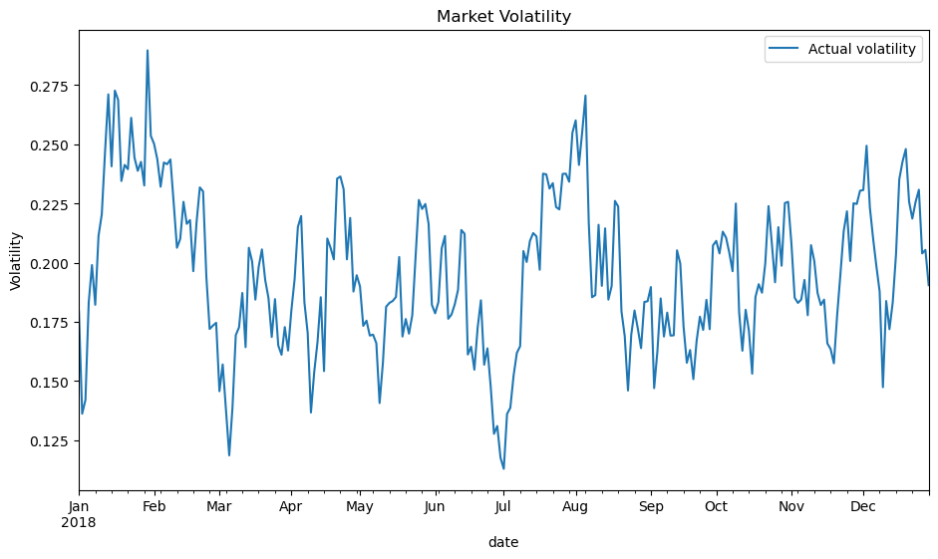
2017-02-02 | $102.27 | -0.0122 | 0.1887
2017-02-03 | $102.26 | -0.0001 | 0.2431
2017-02-06 | $103.79 | 0.0149 | 0.2077
2017-02-07 | $104.82 | 0.0099 | 0.1961
2017-02-08 | $102.30 | -0.0244 | 0.1928
2017-02-09 | $101.51 | -0.0078 | 0.2001
2017-02-10 | $103.04 | 0.0150 | 0.2426
2017-02-13 | $102.66 | -0.0037 | 0.2107
2017-02-14 | $99.80 | -0.0283 | 0.1982
2017-02-15 | $98.13 | -0.0168 | 0.1984
2017-02-16 | $98.62 | 0.0050 | 0.1758
2017-02-17 | $97.20 | -0.0146 | 0.1836
2017-02-20 | $96.97 | -0.0024 | 0.2086
2017-02-21 | $93.74 | -0.0339 | 0.2593
2017-02-22 | $92.32 | -0.0153 | 0.2449
2017-02-23 | $92.11 | -0.0022 | 0.2189
2017-02-24 | $90.03 | -0.0229 | 0.2271
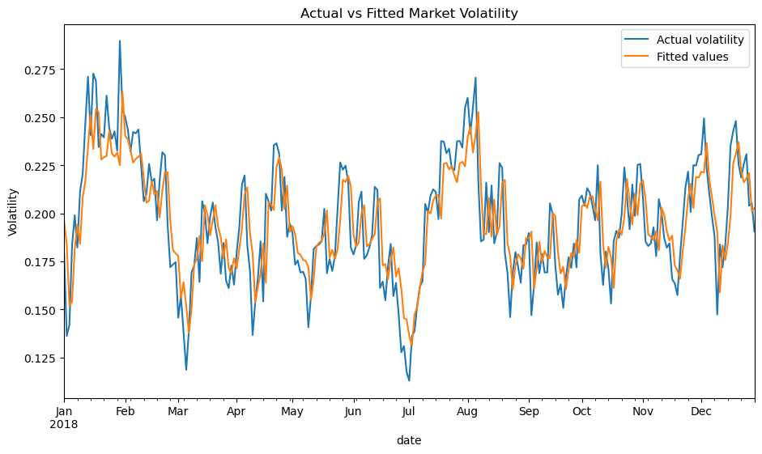
2017-02-27 | $91.21 | 0.0130 | 0.2307
2017-02-28 | $90.47 | -0.0082 | 0.2265
2017-03-01 | $88.89 | -0.0177 | 0.2228
2017-03-02 | $89.97 | 0.0121 | 0.2286
2017-03-03 | $89.62 | -0.0039 | 0.2312
2017-03-06 | $90.07 | 0.0051 | 0.1735
2017-03-07 | $91.83 | 0.0193 | 0.1766
2017-03-08 | $92.99 | 0.0125 | 0.1519
2017-03-09 | $92.29 | -0.0075 | 0.1964
2017-03-10 | $95.11 | 0.0301 | 0.2126
2017-03-13 | $96.90 | 0.0186 | 0.1942
2017-03-14 | $95.58 | -0.0137 | 0.1864
2017-03-15 | $96.70 | 0.0116 | 0.1694
2017-03-16 | $96.40 | -0.0031 | 0.2169
2017-03-17 | $95.52 | -0.0092 | 0.2217
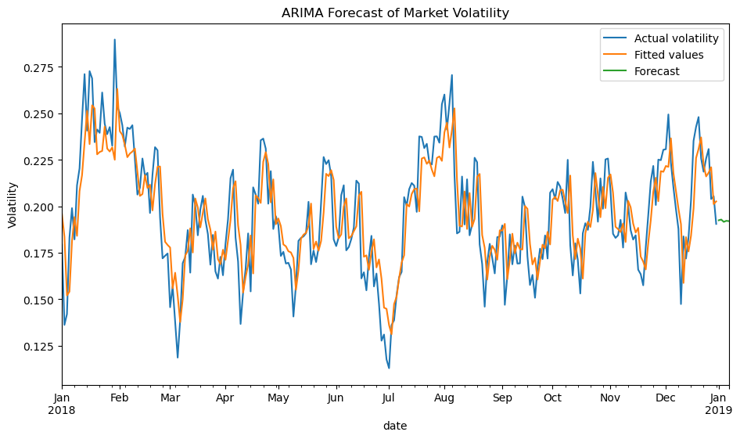
2017-03-20 | $97.75 | 0.0231 | 0.2191
2017-03-21 | $98.38 | 0.0064 | 0.1795
2017-03-22 | $98.38 | 0.0001 | 0.1410
2017-03-23 | $98.67 | 0.0029 | 0.2012
2017-03-24 | $100.66 | 0.0200 | 0.1953
2017-03-27 | $99.84 | -0.0082 | 0.1771
2017-03-28 | $100.45 | 0.0061 | 0.1566
2017-03-29 | $99.66 | -0.0079 | 0.1813
2017-03-30 | $98.29 | -0.0138 | 0.1839
2017-03-31 | $97.16 | -0.0116 | 0.1791
2017-04-03 | $96.58 | -0.0060 | 0.1815
2017-04-04 | $97.67 | 0.0112 | 0.1584
2017-04-05 | $99.32 | 0.0168 | 0.1835
2017-04-06 | $99.67 | 0.0036 | 0.1689
2017-04-07 | $101.50 | 0.0182 | 0.1763
2017-04-10 | $102.51 | 0.0098 | 0.1917
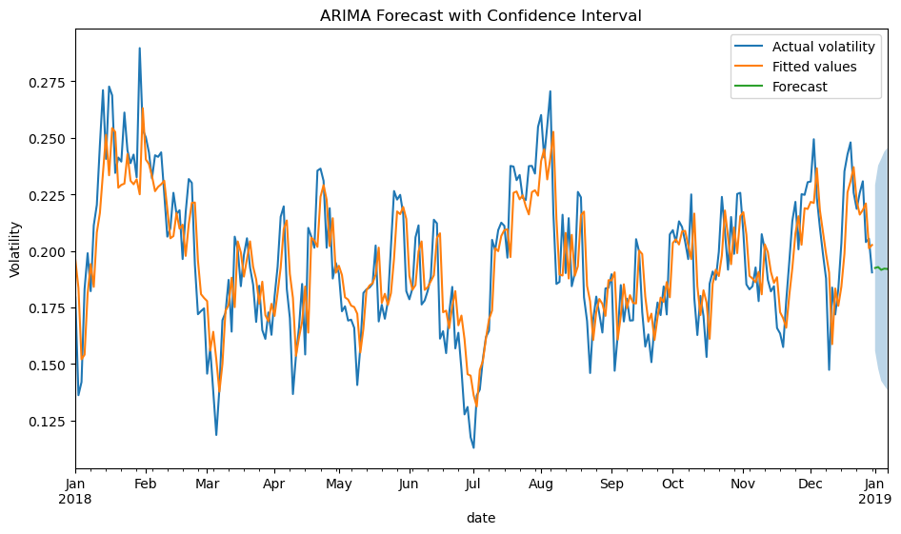
2017-04-11 | $103.37 | 0.0084 | 0.2106
2017-04-12 | $104.13 | 0.0074 | 0.2277
2017-04-13 | $104.14 | 0.0001 | 0.2105
2017-04-14 | $105.00 | 0.0083 | 0.2215
2017-04-17 | $104.17 | -0.0079 | 0.2338
2017-04-18 | $103.61 | -0.0055 | 0.2142
2017-04-19 | $103.09 | -0.0050 | 0.2098
2017-04-20 | $102.78 | -0.0030 | 0.2300
2017-04-21 | $104.16 | 0.0133 | 0.1894
2017-04-24 | $105.34 | 0.0113 | 0.1965
2017-04-25 | $102.78 | -0.0246 | 0.2070
2017-04-26 | $103.60 | 0.0080 | 0.1996
2017-04-27 | $102.33 | -0.0124 | 0.1910
2017-04-28 | $99.79 | -0.0251 | 0.2326
2017-05-01 | $99.76 | -0.0003 | 0.2470
2017-05-02 | $99.44 | -0.0033 | 0.2601
2017-05-03 | $103.35 | 0.0385 | 0.2435
2017-05-04 | $104.05 | 0.0068 | 0.2498
2017-05-05 | $106.38 | 0.0221 | 0.2343
2017-05-08 | $105.94 | -0.0042 | 0.1982
2017-05-09 | $104.74 | -0.0114 | 0.2015
2017-05-10 | $104.86 | 0.0012 | 0.1582
2017-05-11 | $105.38 | 0.0049 | 0.1578
2017-05-12 | $105.38 | 0.0001 | 0.1458
2017-05-15 | $105.22 | -0.0016 | 0.1343
2017-05-16 | $106.00 | 0.0074 | 0.1371
2017-05-17 | $105.20 | -0.0076 | 0.1718
2017-05-18 | $104.74 | -0.0044 | 0.1793
2017-05-19 | $104.44 | -0.0029 | 0.1726
2017-05-22 | $106.19 | 0.0166 | 0.1844
2017-05-23 | $104.52 | -0.0159 | 0.1824
2017-05-24 | $104.98 | 0.0044 | 0.1735
2017-05-25 | $103.85 | -0.0108 | 0.1947
2017-05-26 | $104.72 | 0.0084 | 0.2307
2017-05-29 | $104.94 | 0.0021 | 0.2218
2017-05-30 | $106.62 | 0.0160 | 0.1794
2017-05-31 | $107.46 | 0.0078 | 0.1747
2017-06-01 | $105.92 | -0.0145 | 0.1680
2017-06-02 | $105.71 | -0.0019 | 0.1924
2017-06-05 | $106.44 | 0.0068 | 0.1689
2017-06-06 | $106.91 | 0.0044 | 0.1852
2017-06-07 | $106.02 | -0.0083 | 0.1858
2017-06-08 | $105.15 | -0.0083 | 0.1960
2017-06-09 | $106.22 | 0.0102 | 0.1967
2017-06-12 | $107.64 | 0.0133 | 0.1930
2017-06-13 | $104.46 | -0.0300 | 0.1775
2017-06-14 | $105.10 | 0.0061 | 0.1627
2017-06-15 | $104.15 | -0.0091 | 0.1694
2017-06-16 | $105.85 | 0.0162 | 0.1652
2017-06-19 | $107.34 | 0.0140 | 0.2029
2017-06-20 | $108.27 | 0.0086 | 0.2063
2017-06-21 | $108.08 | -0.0017 | 0.1885
2017-06-22 | $110.69 | 0.0238 | 0.2205
2017-06-23 | $110.80 | 0.0010 | 0.1862
2017-06-26 | $110.58 | -0.0020 | 0.2151
2017-06-27 | $108.33 | -0.0205 | 0.2011
2017-06-28 | $107.99 | -0.0032 | 0.2345
2017-06-29 | $110.32 | 0.0213 | 0.2189
2017-06-30 | $110.54 | 0.0020 | 0.2105
2017-07-03 | $112.61 | 0.0185 | 0.1828
2017-07-04 | $115.84 | 0.0283 | 0.1836
2017-07-05 | $113.95 | -0.0165 | 0.2127
2017-07-06 | $113.88 | -0.0006 | 0.1953
2017-07-07 | $113.89 | 0.0001 | 0.1968
2017-07-10 | $111.20 | -0.0239 | 0.2025
2017-07-11 | $110.87 | -0.0030 | 0.1663
2017-07-12 | $110.04 | -0.0075 | 0.1601
2017-07-13 | $108.48 | -0.0143 | 0.1721
2017-07-14 | $107.66 | -0.0076 | 0.1987
2017-07-17 | $108.45 | 0.0073 | 0.1610
2017-07-18 | $107.79 | -0.0061 | 0.1668
2017-07-19 | $107.55 | -0.0022 | 0.1507
2017-07-20 | $107.87 | 0.0030 | 0.1455
2017-07-21 | $106.56 | -0.0122 | 0.1574
2017-07-24 | $108.48 | 0.0179 | 0.1910
2017-07-25 | $107.89 | -0.0055 | 0.1901
2017-07-26 | $105.71 | -0.0204 | 0.1990
2017-07-27 | $107.46 | 0.0164 | 0.2102
2017-07-28 | $107.85 | 0.0036 | 0.2360
2017-07-31 | $108.10 | 0.0024 | 0.2047
2017-08-01 | $104.99 | -0.0292 | 0.2002
2017-08-02 | $105.90 | 0.0087 | 0.2044
2017-08-03 | $103.14 | -0.0265 | 0.2160
2017-08-04 | $104.24 | 0.0107 | 0.1976
2017-08-07 | $105.00 | 0.0072 | 0.1914
2017-08-08 | $104.46 | -0.0052 | 0.1944
2017-08-09 | $105.56 | 0.0105 | 0.2065
2017-08-10 | $103.42 | -0.0205 | 0.2174
2017-08-11 | $103.51 | 0.0009 | 0.2078
2017-08-14 | $102.35 | -0.0113 | 0.2141
2017-08-15 | $102.26 | -0.0009 | 0.2090
2017-08-16 | $100.49 | -0.0175 | 0.1983
2017-08-17 | $101.53 | 0.0104 | 0.1923
2017-08-18 | $103.24 | 0.0167 | 0.2194
2017-08-21 | $101.67 | -0.0154 | 0.1899
2017-08-22 | $101.18 | -0.0048 | 0.1854
2017-08-23 | $100.97 | -0.0021 | 0.2260
2017-08-24 | $100.14 | -0.0083 | 0.2415
2017-08-25 | $100.25 | 0.0011 | 0.2190
2017-08-28 | $102.68 | 0.0239 | 0.2142
2017-08-29 | $102.67 | -0.0001 | 0.2141
2017-08-30 | $103.40 | 0.0072 | 0.1864
2017-08-31 | $103.07 | -0.0033 | 0.2159
2017-09-01 | $101.98 | -0.0106 | 0.2190
2017-09-04 | $101.30 | -0.0066 | 0.2106
2017-09-05 | $100.66 | -0.0064 | 0.2235
2017-09-06 | $99.75 | -0.0090 | 0.2169
2017-09-07 | $97.98 | -0.0180 | 0.2188
2017-09-08 | $97.74 | -0.0025 | 0.2034
2017-09-11 | $96.54 | -0.0123 | 0.1991
2017-09-12 | $95.15 | -0.0145 | 0.2306
2017-09-13 | $94.88 | -0.0028 | 0.2245
2017-09-14 | $94.02 | -0.0092 | 0.2080
2017-09-15 | $94.32 | 0.0033 | 0.1900
2017-09-18 | $94.01 | -0.0033 | 0.1708
2017-09-19 | $92.49 | -0.0163 | 0.2030
2017-09-20 | $93.45 | 0.0103 | 0.2148
2017-09-21 | $95.97 | 0.0266 | 0.1784
2017-09-22 | $97.16 | 0.0124 | 0.1613
2017-09-25 | $97.71 | 0.0056 | 0.1790
2017-09-26 | $97.21 | -0.0051 | 0.1671
2017-09-27 | $98.03 | 0.0084 | 0.1794
2017-09-28 | $98.81 | 0.0079 | 0.1675
2017-09-29 | $98.19 | -0.0063 | 0.2042
2017-10-02 | $101.16 | 0.0298 | 0.2258
2017-10-03 | $103.15 | 0.0195 | 0.2180
2017-10-04 | $102.33 | -0.0080 | 0.1935
2017-10-05 | $101.73 | -0.0058 | 0.1959
2017-10-06 | $100.61 | -0.0111 | 0.1886
2017-10-09 | $100.68 | 0.0007 | 0.1828
2017-10-10 | $102.14 | 0.0144 | 0.1680
2017-10-11 | $100.58 | -0.0154 | 0.1719
2017-10-12 | $100.34 | -0.0024 | 0.1566
2017-10-13 | $100.62 | 0.0028 | 0.1857
2017-10-16 | $100.14 | -0.0048 | 0.1617
2017-10-17 | $100.76 | 0.0062 | 0.1751
2017-10-18 | $101.54 | 0.0077 | 0.2136
2017-10-19 | $102.92 | 0.0135 | 0.2211
2017-10-20 | $102.04 | -0.0086 | 0.2187
2017-10-23 | $103.28 | 0.0121 | 0.2095
2017-10-24 | $102.60 | -0.0066 | 0.1906
2017-10-25 | $102.24 | -0.0036 | 0.2059
2017-10-26 | $101.64 | -0.0059 | 0.2058
2017-10-27 | $102.39 | 0.0074 | 0.1938
2017-10-30 | $102.23 | -0.0015 | 0.1894
2017-10-31 | $102.19 | -0.0004 | 0.1831
2017-11-01 | $97.99 | -0.0420 | 0.2246
2017-11-02 | $98.48 | 0.0050 | 0.1769
2017-11-03 | $95.98 | -0.0257 | 0.1894
2017-11-06 | $96.79 | 0.0083 | 0.1792
2017-11-07 | $96.81 | 0.0003 | 0.1782
2017-11-08 | $96.86 | 0.0005 | 0.1945
2017-11-09 | $96.61 | -0.0027 | 0.1769
2017-11-10 | $96.43 | -0.0018 | 0.1629
2017-11-13 | $98.11 | 0.0172 | 0.1912
2017-11-14 | $97.94 | -0.0017 | 0.1496
2017-11-15 | $98.96 | 0.0103 | 0.1501
2017-11-16 | $99.22 | 0.0026 | 0.1527
2017-11-17 | $100.22 | 0.0101 | 0.1612
2017-11-20 | $100.46 | 0.0024 | 0.1553
2017-11-21 | $101.53 | 0.0107 | 0.1738
2017-11-22 | $102.59 | 0.0104 | 0.1689
2017-11-23 | $104.42 | 0.0176 | 0.1615
2017-11-24 | $105.10 | 0.0066 | 0.1509
2017-11-27 | $104.71 | -0.0037 | 0.1750
2017-11-28 | $105.98 | 0.0120 | 0.1786
2017-11-29 | $107.01 | 0.0097 | 0.1684
2017-11-30 | $107.69 | 0.0064 | 0.1894
2017-12-01 | $107.21 | -0.0045 | 0.1975
2017-12-04 | $106.72 | -0.0046 | 0.2122
2017-12-05 | $108.37 | 0.0153 | 0.2063
2017-12-06 | $107.74 | -0.0058 | 0.2044
2017-12-07 | $106.52 | -0.0115 | 0.1917
2017-12-08 | $106.72 | 0.0019 | 0.2191
2017-12-11 | $106.21 | -0.0048 | 0.2113
2017-12-12 | $107.44 | 0.0115 | 0.2296
2017-12-13 | $109.56 | 0.0195 | 0.1966
2017-12-14 | $107.98 | -0.0145 | 0.1708
2017-12-15 | $107.00 | -0.0092 | 0.1617
2017-12-18 | $105.96 | -0.0098 | 0.1534
2017-12-19 | $106.82 | 0.0081 | 0.1904
2017-12-20 | $105.71 | -0.0104 | 0.1655
2017-12-21 | $105.84 | 0.0012 | 0.1717
2017-12-22 | $107.58 | 0.0163 | 0.1772
2017-12-25 | $105.91 | -0.0156 | 0.2146
2017-12-26 | $105.37 | -0.0052 | 0.2118
2017-12-27 | $107.72 | 0.0221 | 0.2045
2017-12-28 | $106.38 | -0.0126 | 0.2090
2017-12-29 | $107.60 | 0.0115 | 0.1923
2018-01-01 | $107.09 | -0.0048 | 0.1794
2018-01-02 | $107.95 | 0.0080 | 0.1362
2018-01-03 | $106.33 | -0.0152 | 0.1420
2018-01-04 | $105.83 | -0.0047 | 0.1832
2018-01-05 | $105.39 | -0.0041 | 0.1990
2018-01-08 | $102.83 | -0.0246 | 0.1822
2018-01-09 | $100.44 | -0.0235 | 0.2113
2018-01-10 | $101.94 | 0.0148 | 0.2204
2018-01-11 | $104.15 | 0.0214 | 0.2469
2018-01-12 | $101.72 | -0.0236 | 0.2711
2018-01-15 | $102.66 | 0.0092 | 0.2407
2018-01-16 | $101.06 | -0.0157 | 0.2727
2018-01-17 | $100.12 | -0.0094 | 0.2688
2018-01-18 | $98.10 | -0.0203 | 0.2345
2018-01-19 | $99.82 | 0.0173 | 0.2413
2018-01-22 | $96.44 | -0.0345 | 0.2395
2018-01-23 | $93.99 | -0.0257 | 0.2612
2018-01-24 | $93.27 | -0.0076 | 0.2444
2018-01-25 | $94.82 | 0.0165 | 0.2388
2018-01-26 | $94.10 | -0.0076 | 0.2426
2018-01-29 | $92.77 | -0.0142 | 0.2326
2018-01-30 | $92.88 | 0.0011 | 0.2897
2018-01-31 | $94.24 | 0.0146 | 0.2536
2018-02-01 | $96.13 | 0.0199 | 0.2502
2018-02-02 | $96.12 | -0.0001 | 0.2436
2018-02-05 | $96.70 | 0.0060 | 0.2321
2018-02-06 | $97.58 | 0.0090 | 0.2423
2018-02-07 | $97.75 | 0.0017 | 0.2416
2018-02-08 | $95.76 | -0.0206 | 0.2436
2018-02-09 | $93.88 | -0.0198 | 0.2253
2018-02-12 | $93.07 | -0.0086 | 0.2063
2018-02-13 | $94.86 | 0.0190 | 0.2100
2018-02-14 | $95.85 | 0.0104 | 0.2257
2018-02-15 | $95.13 | -0.0076 | 0.2164
2018-02-16 | $96.18 | 0.0110 | 0.2180
2018-02-19 | $96.81 | 0.0065 | 0.1964
2018-02-20 | $97.87 | 0.0110 | 0.2171
2018-02-21 | $98.51 | 0.0065 | 0.2318
2018-02-22 | $99.14 | 0.0064 | 0.2301
2018-02-23 | $99.99 | 0.0086 | 0.1940
2018-02-26 | $99.48 | -0.0051 | 0.1720
2018-02-27 | $99.75 | 0.0027 | 0.1734
2018-02-28 | $100.10 | 0.0035 | 0.1746
2018-03-01 | $100.72 | 0.0061 | 0.1457
2018-03-02 | $100.66 | -0.0005 | 0.1570
2018-03-05 | $100.97 | 0.0030 | 0.1377
2018-03-06 | $100.87 | -0.0010 | 0.1186
2018-03-07 | $99.86 | -0.0101 | 0.1390
2018-03-08 | $98.74 | -0.0113 | 0.1694
2018-03-09 | $100.61 | 0.0188 | 0.1727
2018-03-12 | $101.07 | 0.0046 | 0.1872
2018-03-13 | $101.88 | 0.0080 | 0.1643
2018-03-14 | $103.33 | 0.0141 | 0.2063
2018-03-15 | $104.09 | 0.0073 | 0.2005
2018-03-16 | $103.92 | -0.0017 | 0.1844
2018-03-19 | $102.86 | -0.0102 | 0.1982
2018-03-20 | $101.84 | -0.0100 | 0.2056
2018-03-21 | $101.50 | -0.0034 | 0.1927
2018-03-22 | $101.21 | -0.0029 | 0.1851
2018-03-23 | $101.56 | 0.0035 | 0.1686
2018-03-26 | $101.62 | 0.0006 | 0.1846
2018-03-27 | $102.92 | 0.0127 | 0.1650
2018-03-28 | $100.65 | -0.0223 | 0.1611
2018-03-29 | $101.22 | 0.0056 | 0.1728
2018-03-30 | $102.68 | 0.0144 | 0.1629
2018-04-02 | $101.37 | -0.0129 | 0.1797
2018-04-03 | $102.50 | 0.0112 | 0.1930
2018-04-04 | $102.70 | 0.0019 | 0.2151
2018-04-05 | $101.73 | -0.0095 | 0.2197
2018-04-06 | $102.42 | 0.0069 | 0.1832
2018-04-09 | $101.74 | -0.0067 | 0.1703
2018-04-10 | $102.64 | 0.0088 | 0.1367
2018-04-11 | $101.29 | -0.0132 | 0.1538
2018-04-12 | $101.96 | 0.0066 | 0.1664
2018-04-13 | $102.32 | 0.0036 | 0.1854
2018-04-16 | $101.00 | -0.0130 | 0.1542
2018-04-17 | $101.09 | 0.0009 | 0.2102
2018-04-18 | $101.59 | 0.0049 | 0.2063
2018-04-19 | $101.66 | 0.0007 | 0.2014
2018-04-20 | $102.50 | 0.0082 | 0.2355
2018-04-23 | $103.98 | 0.0144 | 0.2364
2018-04-24 | $104.64 | 0.0064 | 0.2310
2018-04-25 | $103.40 | -0.0119 | 0.2014
2018-04-26 | $103.38 | -0.0003 | 0.2189
2018-04-27 | $104.02 | 0.0063 | 0.1878
2018-04-30 | $104.95 | 0.0089 | 0.1947
2018-05-01 | $102.29 | -0.0258 | 0.1900
2018-05-02 | $102.29 | 0.0001 | 0.1733
2018-05-03 | $101.15 | -0.0113 | 0.1755
2018-05-04 | $98.99 | -0.0216 | 0.1692
2018-05-07 | $97.74 | -0.0127 | 0.1696
2018-05-08 | $98.31 | 0.0058 | 0.1660
2018-05-09 | $98.36 | 0.0005 | 0.1407
2018-05-10 | $98.65 | 0.0030 | 0.1575
2018-05-11 | $99.23 | 0.0059 | 0.1814
2018-05-14 | $100.74 | 0.0150 | 0.1830
2018-05-15 | $101.30 | 0.0056 | 0.1838
2018-05-16 | $100.46 | -0.0084 | 0.1855
2018-05-17 | $102.09 | 0.0161 | 0.2024
2018-05-18 | $101.82 | -0.0027 | 0.1688
2018-05-21 | $100.78 | -0.0102 | 0.1762
2018-05-22 | $100.85 | 0.0007 | 0.1700
2018-05-23 | $102.26 | 0.0138 | 0.1778
2018-05-24 | $104.98 | 0.0263 | 0.2019
2018-05-25 | $105.33 | 0.0033 | 0.2265
2018-05-28 | $106.42 | 0.0104 | 0.2227
2018-05-29 | $107.07 | 0.0060 | 0.2248
2018-05-30 | $108.33 | 0.0118 | 0.2163
2018-05-31 | $109.46 | 0.0104 | 0.1822
2018-06-01 | $110.14 | 0.0062 | 0.1786
2018-06-04 | $110.37 | 0.0020 | 0.1834
2018-06-05 | $108.02 | -0.0215 | 0.2060
2018-06-06 | $106.84 | -0.0110 | 0.2113
2018-06-07 | $106.12 | -0.0068 | 0.1763
2018-06-08 | $107.66 | 0.0145 | 0.1781
2018-06-11 | $104.86 | -0.0264 | 0.1824
2018-06-12 | $105.25 | 0.0037 | 0.1885
2018-06-13 | $103.52 | -0.0166 | 0.2138
2018-06-14 | $102.08 | -0.0140 | 0.2122
2018-06-15 | $101.22 | -0.0085 | 0.1612
2018-06-18 | $100.04 | -0.0118 | 0.1645
2018-06-19 | $99.98 | -0.0006 | 0.1548
2018-06-20 | $98.25 | -0.0174 | 0.1725
2018-06-21 | $94.58 | -0.0381 | 0.1841
2018-06-22 | $94.53 | -0.0006 | 0.1569
2018-06-25 | $96.01 | 0.0155 | 0.1638
2018-06-26 | $97.65 | 0.0170 | 0.1476
2018-06-27 | $97.23 | -0.0043 | 0.1277
2018-06-28 | $96.27 | -0.0100 | 0.1310
2018-06-29 | $95.83 | -0.0046 | 0.1176
2018-07-02 | $95.63 | -0.0021 | 0.1129
2018-07-03 | $96.86 | 0.0128 | 0.1361
2018-07-04 | $98.25 | 0.0142 | 0.1387
2018-07-05 | $97.24 | -0.0103 | 0.1523
2018-07-06 | $98.38 | 0.0116 | 0.1619
2018-07-09 | $98.06 | -0.0032 | 0.1647
2018-07-10 | $97.76 | -0.0031 | 0.2049
2018-07-11 | $98.93 | 0.0119 | 0.2003
2018-07-12 | $98.69 | -0.0024 | 0.2092
2018-07-13 | $98.57 | -0.0012 | 0.2125
2018-07-16 | $96.76 | -0.0186 | 0.2111
2018-07-17 | $97.32 | 0.0058 | 0.1970
2018-07-18 | $97.12 | -0.0020 | 0.2376
2018-07-19 | $96.25 | -0.0090 | 0.2373
2018-07-20 | $97.47 | 0.0126 | 0.2313
2018-07-23 | $95.64 | -0.0189 | 0.2336
2018-07-24 | $95.34 | -0.0032 | 0.2235
2018-07-25 | $95.90 | 0.0059 | 0.2225
2018-07-26 | $97.93 | 0.0210 | 0.2375
2018-07-27 | $97.12 | -0.0083 | 0.2376
2018-07-30 | $97.28 | 0.0016 | 0.2342
2018-07-31 | $99.38 | 0.0214 | 0.2549
2018-08-01 | $100.56 | 0.0118 | 0.2601
2018-08-02 | $99.37 | -0.0118 | 0.2413
2018-08-03 | $95.75 | -0.0371 | 0.2553
2018-08-06 | $93.94 | -0.0191 | 0.2706
2018-08-07 | $93.08 | -0.0092 | 0.2168
2018-08-08 | $92.02 | -0.0115 | 0.1854
2018-08-09 | $92.28 | 0.0028 | 0.1863
2018-08-10 | $94.15 | 0.0201 | 0.2160
2018-08-13 | $95.15 | 0.0105 | 0.1902
2018-08-14 | $96.52 | 0.0143 | 0.2145
2018-08-15 | $95.53 | -0.0103 | 0.1844
2018-08-16 | $96.39 | 0.0090 | 0.1901
2018-08-17 | $94.61 | -0.0186 | 0.2261
2018-08-20 | $94.52 | -0.0010 | 0.2237
2018-08-21 | $94.31 | -0.0023 | 0.1795
2018-08-22 | $96.17 | 0.0195 | 0.1690
2018-08-23 | $96.49 | 0.0033 | 0.1460
2018-08-24 | $97.09 | 0.0062 | 0.1696
2018-08-27 | $96.32 | -0.0080 | 0.1798
2018-08-28 | $96.24 | -0.0008 | 0.1722
2018-08-29 | $96.47 | 0.0023 | 0.1639
2018-08-30 | $96.54 | 0.0008 | 0.1834
2018-08-31 | $95.32 | -0.0127 | 0.1837
2018-09-03 | $94.33 | -0.0105 | 0.1897
2018-09-04 | $95.14 | 0.0086 | 0.1470
2018-09-05 | $95.32 | 0.0019 | 0.1626
2018-09-06 | $94.94 | -0.0040 | 0.1849
2018-09-07 | $94.33 | -0.0064 | 0.1688
2018-09-10 | $96.24 | 0.0200 | 0.1789
2018-09-11 | $95.57 | -0.0070 | 0.1692
2018-09-12 | $95.04 | -0.0056 | 0.1693
2018-09-13 | $97.90 | 0.0297 | 0.2052
2018-09-14 | $99.34 | 0.0146 | 0.1996
2018-09-17 | $99.18 | -0.0017 | 0.1730
2018-09-18 | $98.28 | -0.0091 | 0.1577
2018-09-19 | $98.34 | 0.0006 | 0.1631
2018-09-20 | $99.55 | 0.0123 | 0.1508
2018-09-21 | $99.40 | -0.0015 | 0.1670
2018-09-24 | $100.00 | 0.0060 | 0.1772
2018-09-25 | $98.14 | -0.0188 | 0.1716
2018-09-26 | $97.39 | -0.0077 | 0.1843
2018-09-27 | $97.58 | 0.0020 | 0.1719
2018-09-28 | $97.92 | 0.0035 | 0.2073
2018-10-01 | $95.76 | -0.0224 | 0.2092
2018-10-02 | $96.11 | 0.0036 | 0.2039
2018-10-03 | $97.34 | 0.0128 | 0.2131
2018-10-04 | $97.58 | 0.0025 | 0.2106
2018-10-05 | $97.09 | -0.0051 | 0.2042
2018-10-08 | $96.61 | -0.0049 | 0.1964
2018-10-09 | $96.89 | 0.0029 | 0.2250
2018-10-10 | $96.66 | -0.0024 | 0.1791
2018-10-11 | $96.68 | 0.0003 | 0.1628
2018-10-12 | $98.85 | 0.0222 | 0.1801
2018-10-15 | $98.73 | -0.0012 | 0.1712
2018-10-16 | $100.07 | 0.0134 | 0.1531
2018-10-17 | $100.03 | -0.0003 | 0.1855
2018-10-18 | $99.53 | -0.0051 | 0.1909
2018-10-19 | $98.34 | -0.0120 | 0.1873
2018-10-22 | $100.64 | 0.0231 | 0.1996
2018-10-23 | $99.18 | -0.0146 | 0.2239
2018-10-24 | $98.92 | -0.0027 | 0.2084
2018-10-25 | $98.31 | -0.0061 | 0.1917
2018-10-26 | $98.54 | 0.0023 | 0.2150
2018-10-29 | $99.88 | 0.0135 | 0.1987
2018-10-30 | $97.86 | -0.0204 | 0.2252
2018-10-31 | $98.69 | 0.0084 | 0.2257
2018-11-01 | $97.83 | -0.0088 | 0.2082
2018-11-02 | $97.16 | -0.0069 | 0.1852
2018-11-05 | $94.90 | -0.0235 | 0.1830
2018-11-06 | $96.04 | 0.0120 | 0.1844
2018-11-07 | $95.69 | -0.0037 | 0.1927
2018-11-08 | $97.49 | 0.0186 | 0.1778
2018-11-09 | $96.92 | -0.0058 | 0.2074
2018-11-12 | $96.27 | -0.0068 | 0.2007
2018-11-13 | $96.02 | -0.0027 | 0.1872
2018-11-14 | $95.21 | -0.0085 | 0.1821
2018-11-15 | $95.32 | 0.0012 | 0.1844
2018-11-16 | $95.54 | 0.0023 | 0.1659
2018-11-19 | $96.58 | 0.0108 | 0.1635
2018-11-20 | $96.23 | -0.0036 | 0.1575
2018-11-21 | $98.69 | 0.0252 | 0.1779
2018-11-22 | $99.07 | 0.0039 | 0.1952
2018-11-23 | $97.76 | -0.0133 | 0.2133
2018-11-26 | $98.62 | 0.0087 | 0.2217
2018-11-27 | $97.46 | -0.0118 | 0.2007
2018-11-28 | $98.74 | 0.0131 | 0.2251
2018-11-29 | $101.87 | 0.0312 | 0.2248
2018-11-30 | $99.44 | -0.0242 | 0.2304
2018-12-03 | $100.32 | 0.0088 | 0.2307
2018-12-04 | $99.21 | -0.0112 | 0.2494
2018-12-05 | $100.94 | 0.0173 | 0.2234
2018-12-06 | $100.84 | -0.0010 | 0.2102
2018-12-07 | $102.88 | 0.0201 | 0.1985
2018-12-10 | $101.47 | -0.0139 | 0.1878
2018-12-11 | $101.91 | 0.0043 | 0.1474
2018-12-12 | $102.57 | 0.0065 | 0.1838
2018-12-13 | $103.47 | 0.0087 | 0.1719
2018-12-14 | $103.83 | 0.0035 | 0.1832
2018-12-17 | $104.44 | 0.0059 | 0.2034
2018-12-18 | $104.30 | -0.0014 | 0.2352
2018-12-19 | $103.92 | -0.0037 | 0.2427
2018-12-20 | $101.01 | -0.0284 | 0.2480
2018-12-21 | $101.24 | 0.0023 | 0.2258
2018-12-24 | $102.06 | 0.0080 | 0.2186
2018-12-25 | $102.52 | 0.0046 | 0.2257
2018-12-26 | $103.97 | 0.0141 | 0.2308
2018-12-27 | $104.73 | 0.0072 | 0.2039
2018-12-28 | $106.40 | 0.0159 | 0.2054
2018-12-31 | $106.62 | 0.0020 | 0.1905

