PriceData
Date | Market_ETF_Close | TechCo_Close |  | Market_ETF_Close | TechCo_Close
2024-01-02 | 100.00 | 75.00 | Date
2024-01-03 | 99.57 | 73.12 | 45293 | 100 | 75
2024-01-04 | 101.17 | 77.23 | 45294 | 99.57 | 73.12
2024-01-05 | 101.76 | 78.98 | 45295 | 101.17 | 77.23
2024-01-08 | 103.32 | 81.25 | 45296 | 101.76 | 78.98
2024-01-09 | 104.36 | 83.38 | 45299 | 103.32 | 81.25
2024-01-10 | 104.11 | 81.64
2024-01-11 | 102.13 | 80.46 |  | market_rtn | techco_rtn
2024-01-12 | 102.71 | 80.97 | Date
2024-01-15 | 100.09 | 78.32 | 45294 | -0.43 | -2.54
2024-01-16 | 100.06 | 77.38 | 45295 | 1.59 | 5.47
2024-01-17 | 99.23 | 78.62 | 45296 | 0.58 | 2.24
2024-01-18 | 100.80 | 80.87 | 45299 | 1.52 | 2.83
2024-01-19 | 101.19 | 80.82 | 45300 | 1.00 | 2.59
2024-01-22 | 100.82 | 81.15
2024-01-23 | 99.89 | 80.06 | market_rtn | 1.189
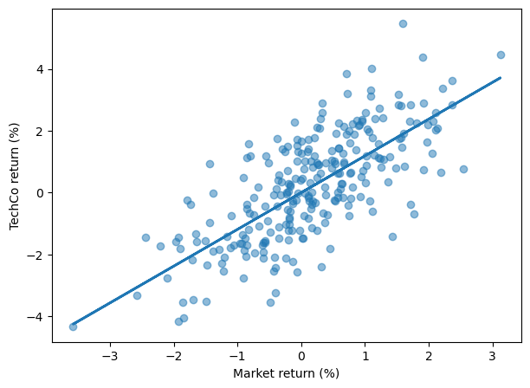
2024-01-24 | 101.83 | 80.65
2024-01-25 | 100.96 | 81.57
2024-01-26 | 101.44 | 82.22
2024-01-29 | 100.52 | 79.98
2024-01-30 | 101.96 | 78.86
2024-01-31 | 102.54 | 78.87
2024-02-01 | 102.47 | 76.88
2024-02-02 | 103.57 | 78.42
2024-02-05 | 103.96 | 79.18
2024-02-06 | 102.41 | 77.96
2024-02-07 | 103.02 | 78.45
2024-02-08 | 99.40 | 75.12
2024-02-09 | 99.57 | 74.27
2024-02-12 | 99.68 | 75.55
2024-02-13 | 99.62 | 76.71
2024-02-14 | 99.05 | 75.53
2024-02-15 | 99.39 | 75.03
2024-02-16 | 97.52 | 73.68
2024-02-19 | 97.56 | 74.25
2024-02-20 | 96.63 | 73.04 |  | coef | std err | t | P>|t| | [0.025 | 0.975]
2024-02-21 | 97.22 | 73.14 | market_rtn | 1.1894 | 0.070 | 17.004 | 0.000 | 1.052 | 1.327
2024-02-22 | 97.02 | 73.17
2024-02-23 | 96.23 | 72.69 | 0
2024-02-26 | 94.65 | 71.72
2024-02-27 | 97.65 | 75.00 |  | beta
2024-02-28 | 97.25 | 73.20 | count | 2000
2024-02-29 | 96.00 | 71.86 | mean | 1.19
2024-03-01 | 95.19 | 71.58 | std | 0.07
2024-03-04 | 95.39 | 72.43 | min | 0.87
2024-03-05 | 95.19 | 72.95 | 25% | 1.14
2024-03-06 | 96.74 | 73.57 | 50% | 1.19
2024-03-07 | 96.66 | 73.39 | 75% | 1.24
2024-03-08 | 96.61 | 74.37 | max | 1.42
2024-03-11 | 96.27 | 73.29
2024-03-12 | 94.85 | 70.76
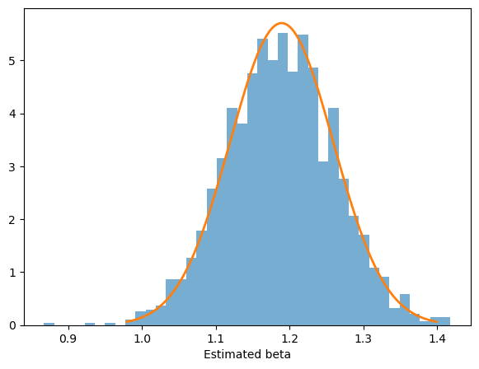
2024-03-13 | 94.79 | 71.48
2024-03-14 | 94.89 | 70.89
2024-03-15 | 94.75 | 70.02
2024-03-18 | 95.90 | 71.14
2024-03-19 | 97.56 | 73.19
2024-03-20 | 98.32 | 73.05
2024-03-21 | 98.94 | 73.27
2024-03-22 | 98.38 | 72.96
2024-03-25 | 100.28 | 75.10
2024-03-26 | 102.68 | 77.88
2024-03-27 | 101.17 | 76.08
2024-03-28 | 103.44 | 78.70
2024-03-29 | 103.63 | 78.48
2024-04-01 | 103.92 | 79.19
2024-04-02 | 103.53 | 78.84
2024-04-03 | 103.95 | 78.27
2024-04-04 | 103.76 | 77.48
2024-04-05 | 103.13 | 76.18
2024-04-08 | 102.52 | 74.97
2024-04-09 | 104.66 | 76.73
2024-04-10 | 105.21 | 76.55
2024-04-11 | 105.49 | 77.25
2024-04-12 | 107.52 | 80.71
2024-04-15 | 107.11 | 82.13
2024-04-16 | 107.33 | 83.61
2024-04-17 | 107.39 | 84.46
2024-04-18 | 107.41 | 83.23
2024-04-19 | 108.25 | 83.78
2024-04-22 | 108.24 | 84.12
2024-04-23 | 109.01 | 87.43
2024-04-24 | 107.87 | 85.95
2024-04-25 | 106.89 | 86.38
2024-04-26 | 106.69 | 85.69
2024-04-29 | 107.40 | 86.55
2024-04-30 | 108.21 | 85.91
2024-05-01 | 108.38 | 86.78
2024-05-02 | 107.82 | 87.61
2024-05-03 | 107.86 | 86.96
2024-05-06 | 107.52 | 87.26
2024-05-07 | 108.92 | 88.21
2024-05-08 | 109.76 | 88.76
2024-05-09 | 108.81 | 86.94
2024-05-10 | 109.86 | 87.56
2024-05-13 | 110.19 | 89.67
2024-05-14 | 111.57 | 90.66
2024-05-15 | 111.38 | 90.85
2024-05-16 | 108.95 | 89.30
2024-05-17 | 108.22 | 89.45
2024-05-20 | 107.50 | 88.48
2024-05-21 | 108.62 | 90.33
2024-05-22 | 110.96 | 92.22
2024-05-23 | 110.35 | 93.33
2024-05-24 | 111.16 | 92.96
2024-05-27 | 110.72 | 93.07
2024-05-28 | 110.26 | 91.15
2024-05-29 | 110.46 | 91.90
2024-05-30 | 112.16 | 94.87
2024-05-31 | 113.29 | 95.17
2024-06-03 | 111.92 | 92.79
2024-06-04 | 112.76 | 94.67
2024-06-05 | 110.57 | 93.18
2024-06-06 | 111.78 | 96.14
2024-06-07 | 112.85 | 98.39
2024-06-10 | 113.26 | 98.56
2024-06-11 | 113.20 | 98.53
2024-06-12 | 111.89 | 97.13
2024-06-13 | 113.26 | 98.23
2024-06-14 | 114.95 | 99.02
2024-06-17 | 115.61 | 98.86
2024-06-18 | 117.10 | 101.28
2024-06-19 | 118.47 | 103.73
2024-06-20 | 119.26 | 105.98
2024-06-21 | 119.64 | 103.46
2024-06-24 | 119.93 | 104.45
2024-06-25 | 117.03 | 102.94
2024-06-26 | 117.04 | 104.26
2024-06-27 | 116.77 | 104.27
2024-06-28 | 115.81 | 103.04
2024-07-01 | 113.92 | 101.41
2024-07-02 | 113.52 | 100.29
2024-07-03 | 112.69 | 98.36
2024-07-04 | 112.75 | 98.35
2024-07-05 | 112.46 | 99.66
2024-07-08 | 111.21 | 97.91
2024-07-09 | 109.68 | 96.07
2024-07-10 | 109.53 | 93.96
2024-07-11 | 110.03 | 92.28
2024-07-12 | 109.45 | 91.44
2024-07-15 | 107.95 | 91.42
2024-07-16 | 108.21 | 90.32
2024-07-17 | 108.73 | 91.27
2024-07-18 | 108.12 | 89.81
2024-07-19 | 109.32 | 93.50
2024-07-22 | 109.68 | 96.24
2024-07-23 | 107.67 | 92.42
2024-07-24 | 107.84 | 91.93
2024-07-25 | 108.20 | 94.33
2024-07-26 | 107.02 | 93.63
2024-07-29 | 107.05 | 92.27
2024-07-30 | 106.83 | 90.87
2024-07-31 | 106.60 | 92.24
2024-08-01 | 107.91 | 94.78
2024-08-02 | 108.14 | 94.48
2024-08-05 | 110.73 | 97.21
2024-08-06 | 111.34 | 99.09
2024-08-07 | 111.24 | 99.56
2024-08-08 | 111.26 | 100.03
2024-08-09 | 112.46 | 99.76
2024-08-12 | 112.65 | 99.37
2024-08-13 | 112.46 | 99.63
2024-08-14 | 114.40 | 99.24
2024-08-15 | 116.67 | 100.89
2024-08-16 | 115.63 | 99.02
2024-08-19 | 115.92 | 99.51
2024-08-20 | 113.71 | 95.45
2024-08-21 | 115.01 | 96.61
2024-08-22 | 112.61 | 93.97
2024-08-23 | 112.27 | 95.30
2024-08-26 | 111.31 | 93.70
2024-08-27 | 110.83 | 93.63
2024-08-28 | 111.48 | 94.98
2024-08-29 | 113.71 | 97.10
2024-08-30 | 115.78 | 99.31
2024-09-02 | 116.84 | 101.53
2024-09-03 | 119.26 | 102.84
2024-09-04 | 122.33 | 103.63
2024-09-05 | 122.16 | 103.27
2024-09-06 | 122.17 | 104.99
2024-09-09 | 119.92 | 101.32
2024-09-10 | 121.24 | 104.74
2024-09-11 | 119.79 | 102.58
2024-09-12 | 120.70 | 104.25
2024-09-13 | 118.66 | 102.02
2024-09-16 | 117.96 | 99.89
2024-09-17 | 117.72 | 98.69
2024-09-18 | 116.04 | 99.61
2024-09-19 | 115.35 | 97.71
2024-09-20 | 117.80 | 99.70
2024-09-23 | 117.23 | 96.23
2024-09-24 | 115.21 | 95.87
2024-09-25 | 114.14 | 94.32
2024-09-26 | 113.88 | 94.28
2024-09-27 | 116.40 | 94.91
2024-09-30 | 114.34 | 94.68
2024-10-01 | 115.30 | 96.49
2024-10-02 | 117.08 | 98.20
2024-10-03 | 118.10 | 100.52
2024-10-04 | 120.13 | 102.87
2024-10-07 | 118.64 | 100.55
2024-10-08 | 118.44 | 99.93
2024-10-09 | 120.07 | 100.29
2024-10-10 | 120.84 | 100.57
2024-10-11 | 121.18 | 102.69
2024-10-14 | 122.70 | 103.53
2024-10-15 | 122.82 | 104.90
2024-10-16 | 122.96 | 106.39
2024-10-17 | 124.91 | 107.95
2024-10-18 | 125.82 | 111.47
2024-10-21 | 126.84 | 111.68
2024-10-22 | 128.89 | 113.84
2024-10-23 | 128.63 | 114.17
2024-10-24 | 129.84 | 114.76
2024-10-25 | 130.47 | 116.33
2024-10-28 | 131.81 | 117.73
2024-10-29 | 130.84 | 116.89
2024-10-30 | 131.54 | 117.98
2024-10-31 | 133.02 | 120.10
2024-11-01 | 131.12 | 118.95
2024-11-04 | 132.59 | 118.22
2024-11-05 | 133.79 | 120.80
2024-11-06 | 134.58 | 122.55
2024-11-07 | 133.58 | 122.36
2024-11-08 | 134.46 | 122.16
2024-11-11 | 135.55 | 124.90
2024-11-12 | 135.41 | 127.79
2024-11-13 | 136.12 | 129.11
2024-11-14 | 137.29 | 130.92
2024-11-15 | 137.47 | 130.57
2024-11-18 | 135.16 | 126.12
2024-11-19 | 135.50 | 128.82
2024-11-20 | 134.95 | 124.70
2024-11-21 | 136.21 | 124.54
2024-11-22 | 135.05 | 123.90
2024-11-25 | 135.45 | 124.67
2024-11-26 | 134.80 | 123.10
2024-11-27 | 135.76 | 125.46
2024-11-28 | 137.06 | 128.48
2024-11-29 | 138.46 | 129.63
2024-12-02 | 139.38 | 130.85
2024-12-03 | 138.28 | 132.43
2024-12-04 | 140.22 | 133.97
2024-12-05 | 139.76 | 133.87
2024-12-06 | 139.99 | 133.88
2024-12-09 | 139.90 | 136.20
2024-12-10 | 139.63 | 135.02
2024-12-11 | 141.84 | 137.43
2024-12-12 | 141.50 | 136.04
2024-12-13 | 141.66 | 135.91
2024-12-16 | 141.48 | 135.55
2024-12-17 | 142.00 | 134.23
2024-12-18 | 140.76 | 132.28
2024-12-19 | 140.91 | 132.08
2024-12-20 | 141.10 | 132.50
2024-12-23 | 140.79 | 131.79
2024-12-24 | 143.78 | 135.25
2024-12-25 | 143.27 | 136.01
2024-12-26 | 144.04 | 135.63
2024-12-27 | 146.60 | 134.69
2024-12-30 | 147.56 | 136.43

