Analysis1
Analysis Sheet
This sheet will include all the Python formulas generated by Copilot.

Load data from AirPassengers, Table1

Preview
 | month | passengers
0 | 1949-01 | 112
1 | 1949-02 | 118
2 | 1949-03 | 132
3 | 1949-04 | 129
4 | 1949-05 | 121
... | ... | ...
139 | 1960-08 | 606
140 | 1960-09 | 508
141 | 1960-10 | 461
142 | 1960-11 | 390
143 | 1960-12 | 432

Visualize the time series of monthly air passengers

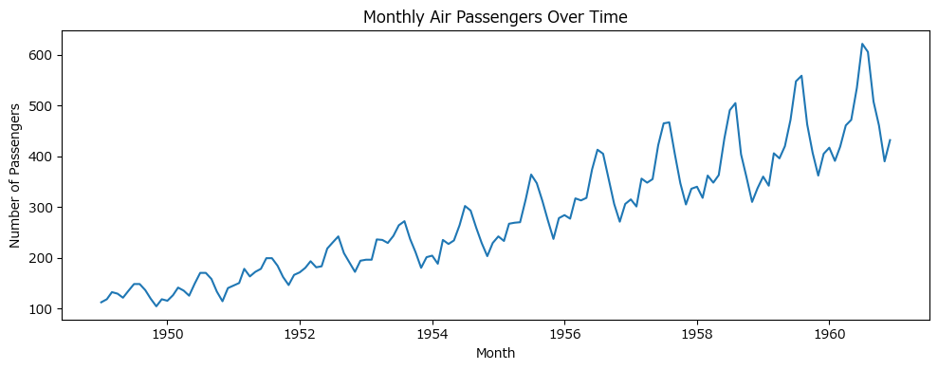

Decompose the time series into trend, seasonality, and residuals

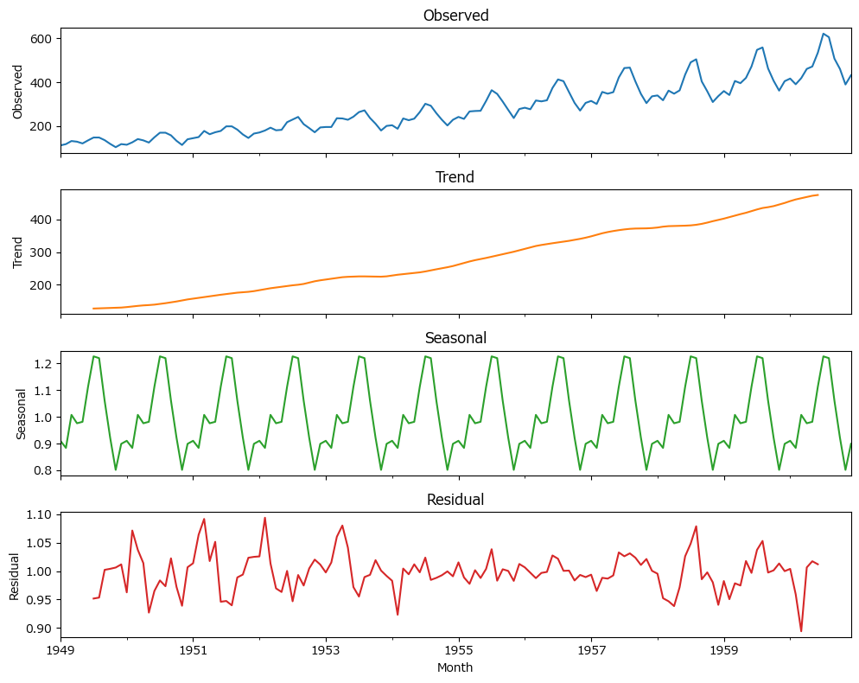

ADF stationarity test results for AirPassengers data

Preview
 | ADF Statistic | p-value
0 | 0.81536887921 | 0.99188024344

Seasonal differencing applied to AirPassengers data

Preview
 | passengers | seasonal_diff
month
17899 | 112 | 0
17930 | 118 | 0
17958 | 132 | 0
17989 | 129 | 0
18019 | 121 | 0
... | ... | ...
18203 | 104 | 0
18233 | 118 | 0
18264 | 115 | 3
18295 | 126 | 8
18323 | 141 | 9

ARIMA model summary for seasonally adjusted AirPassengers data

Preview
SARIMAX Results ============================================================================== Dep. Variable: seasonal_diff No. Observations: 132 Model: ...

Show ARIMA model summary as text
SARIMAX Results ============================================================================== Dep. Variable: seasonal_diff No. Observations: 132 Model: ARIMA(1, 0, 0) Log Likelihood -510.625 Date: Tue, 26 Aug 2025 AIC 1027.250 Time: 22:04:53 BIC 1035.898 Sample: 01-01-1950 HQIC 1030.764 - 12-01-1960 Covariance Type: opg ============================================================================== coef std err z P>|z| [0.025 0.975] ------------------------------------------------------------------------------ const 31.0166 3.952 7.848 0.000 23.271 38.762 ar.L1 0.7566 0.062 12.284 0.000 0.636 0.877 sigma2 133.2748 12.962 10.282 0.000 107.870 158.680 =================================================================================== Ljung-Box (L1) (Q): 3.86 Jarque-Bera (JB): 18.87 Prob(Q): 0.05 Prob(JB): 0.00 Heteroskedasticity (H): 2.27 Skew: 0.29 Prob(H) (two-sided): 0.01 Kurtosis: 4.76 =================================================================================== Warnings: [1] Covariance matrix calculated using the outer product of gradients (complex-step).

Plot actual vs fitted values for ARIMA model

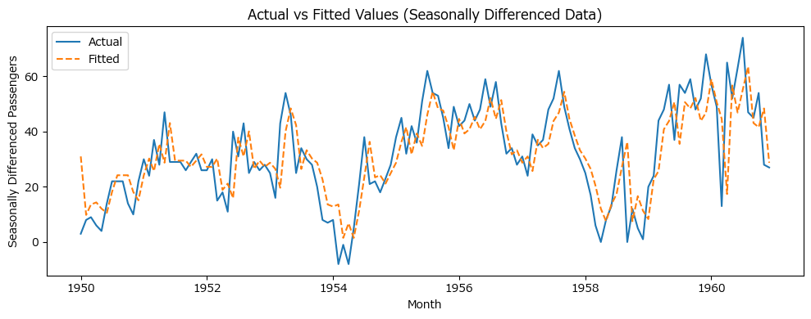

Plot actual and ARIMA-forecasted passenger numbers on original scale

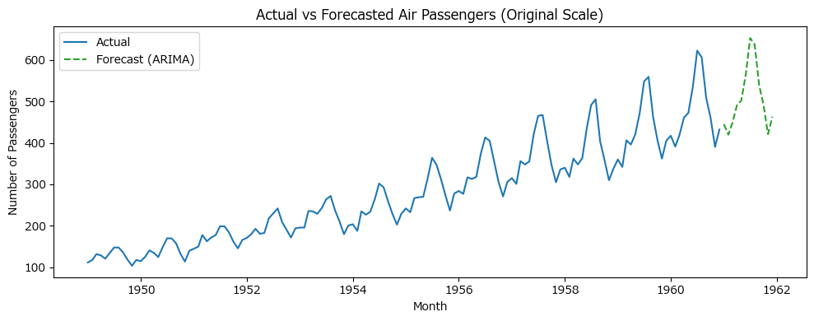

Plot actual, ARIMA, and Holt-Winters forecasts together

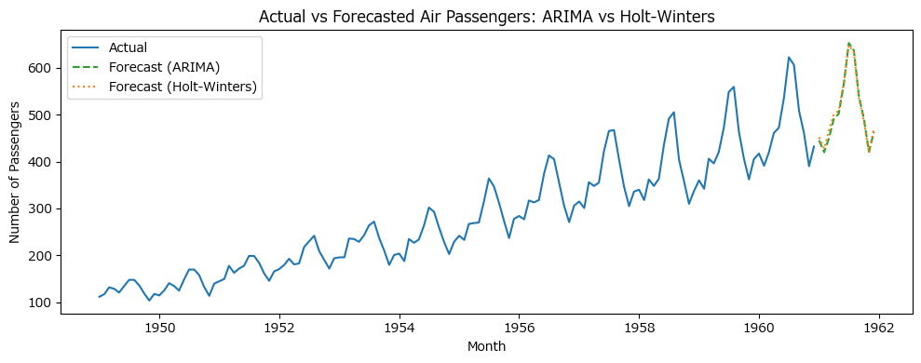

Forecast accuracy metrics for ARIMA and Holt-Winters

Preview
 | RMSE | MAE | MAPE
ARIMA | 30.026010943 | 30.012851631 | 0.064342602666
Holt-Winters | 33.561606134 | 32.932809306 | 0.071739535824

